listing
1) ENGLISH ITEM NAME (ex : OOOO machine) | 2)中文名称 | 3) MANUFACTUROR (ex : OOO company) | 4) MODEL NO (ex : abc-123) | 5)Serial number | 14) PICTURE (BEFORE PACKING) | 15) PICTURE (NAME PLATE or label) | 16)Quantity | 20)CARTON NO.
Welding speaker wire fixture | 焊喇叭线治具 | Techsen Electronics(ShenZhen)Co.,Ltd | SIMON HARRY POTTER | SIMON F01A |  | 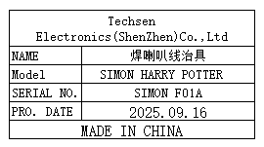 | 1 | Y1
heat press nut fixture | 热啤螺母治具 | Techsen Electronics(ShenZhen)Co.,Ltd | SIMON HARRY POTTER | SIMON F02A |  | 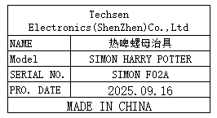 | 1
Press battery contact piece fixture | 啤电池片治具 | Techsen Electronics(ShenZhen)Co.,Ltd | SIMON HARRY POTTER | SIMON F03A |  | 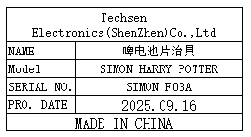 | 1
Fix the bottom shell with Pcba screw fixture | 固定底壳打PCBA螺丝治具 | Techsen Electronics(ShenZhen)Co.,Ltd | SIMON HARRY POTTER | SIMON F04A |  | 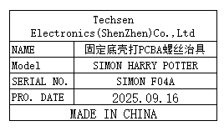 | 4
Fix the surface shell with bracket screw fixture | 固定面壳打支架螺丝治具 | Techsen Electronics(ShenZhen)Co.,Ltd | SIMON HARRY POTTER | SIMON F05A |  | 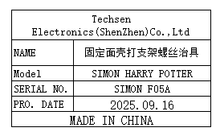 | 6
Finished product tester | 成品测试架 | Techsen Electronics(ShenZhen)Co.,Ltd | SIMON HARRY POTTER | SIMON J01A |  | 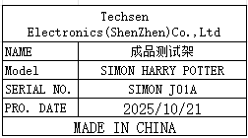 | 5
Color box periodic fixture | 彩盒打周期治具 | Techsen Electronics(ShenZhen)Co.,Ltd | SIMON HARRY POTTER | SIMON F06A |  | 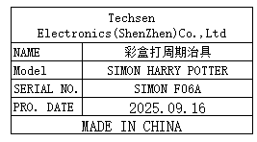 | 1
PCBA Test JIG | PCBA测试架 | Techsen Electronics(ShenZhen)Co.,Ltd | AD-10 | AD-10P01 | 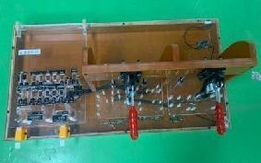 |  | 2 | Y2
Install MAIN board fixture | 装主板治具 | Techsen Electronics(ShenZhen)Co.,Ltd | AD-10 | AD-10F16 | 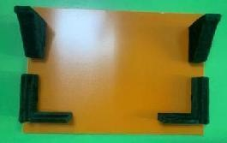 |  | 1
Lock panel VR nut fixture | 锁面板VR螺母治具 | Techsen Electronics(ShenZhen)Co.,Ltd | AD-10 | AD-10F17 | 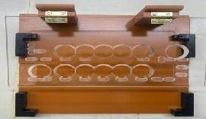 |  | 1
Color card positioning fixture | 彩卡定位治具 | Techsen Electronics(ShenZhen)Co.,Ltd | FSC-10 | DSC-10F01 | 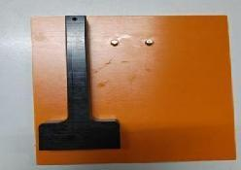 |  | 1
Stapler positioning fixture | 订书机定位治具 | Techsen Electronics(ShenZhen)Co.,Ltd | FSC-10 | DSC-10F02 | 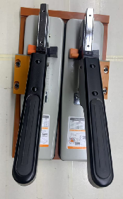 后补 | 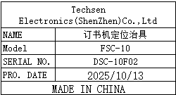 | 1
stainless steel tray | 不锈钢盘 | Guangzhou Shijia Kitchenware Store | / | / | 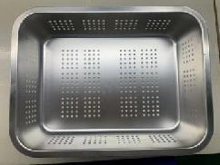 |  | 2
solder pot | 锡炉 | Chuang mei wei Electronic Technology Co., Ltd. | CM 350 | / | 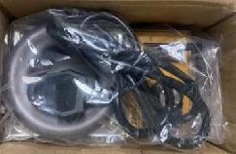 |  | 1 | Y3
Electric tin absorber | 电热吸锡器 | LUXIANZI Flagship Store | LXZ923107 | / | 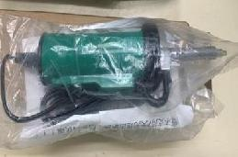 | 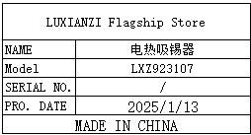 | 1
Hand pressed plastic sealing machine | 手压式塑料封口机 | WENZHOU CITY XINGYE MECHANICAL EQUIPMENT CO.,LTD | SF-400 | / |  |  | 1
paper cutter | 切纸机 | Deli Exclusive Flagship Store | A4 | / | 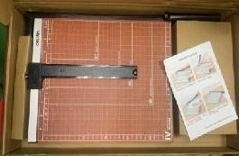 |  | 1
﻿Blow dust ball | 吹尘球 | Zhiyinfeng Flagship Store | Large size 90 | / | 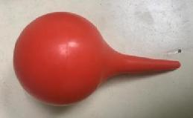 |  | 5
6.5phone jack | 6.5音频座 | Zhiyinfeng Flagship Store | / | / |  | For RC-3 repair | 5
hygrometer | 湿度计 | Michell Instruments Co.LTD | OPT401-GP5-C1 | 171609 | 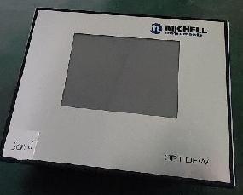 | 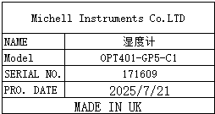 | 1 | Y4
Stencil | 钢网 | Shenzhen Changke Excellence Technology Co., LTD | 100-25017-02-00 V01 | / |  |  | 1 | Y5
Stencil | 钢网 | Shenzhen Changke Excellence Technology Co., LTD | 100-25017-03-00 V00 | / |  |  | 1
air nozzle | 气咀 | / | AE-brisa | / |  | For AE-brisa tester | L-type 3sets U-type 3sets | take by Micheal

