listing
1) ENGLISH ITEM NAME (ex : OOOO machine) | 2)中文名称 | 3) MANUFACTUROR (ex : OOO company) | 4) MODEL NO (ex : abc-123) | 5)Serial number | 6)CN hs code | 7)VN hs code | 8)Material | 9) VOLTAGE (ex : 220V) | 10) CAPACITY (ex :1200KW) | 11) Manufacture date (yyyy-mm-dd) | 12) ORIGIN | 13) NEW or USED | 14) PICTURE (BEFORE PACKING) | 15) PICTURE (NAME PLATE or label) | 16)Quantity | 17)cost(RMB 13%VAT) | 18)cost(USD) | 19)Total cost(USD) | 20)CARTON NO. | 21)CTN QTY | 22)G.W(KGS) | 23)N.W(KGS) | 24)Package Size(CM) | 25)Part size(CM) | 26)应用范围 | 27)是否带电源
FCT JIG | PCBA测试架 | Techsen Electronics(ShenZhen)Co.,Ltd | VE-1 | VE-1P01 |  |  | 电木板+亚克力 | / | / | 2025-11-06 | CHINA | NEW | 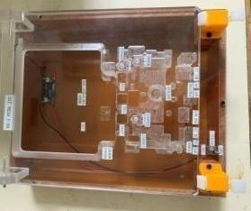 | 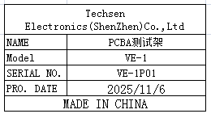 | 2 | 150 |  |  | A3 | 1 | 23 | 4.6 | 60X51X32 | 30X25X12 | PCBA TEST | NO
Soldering LED, VR, and SW fixtures | 焊LED/VR/SW治具 | Techsen Electronics(ShenZhen)Co.,Ltd | VE-1 | VE-1F05 |  |  | 电木板 | / | / | 2025-11-06 | CHINA | NEW | 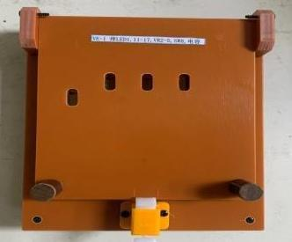 | 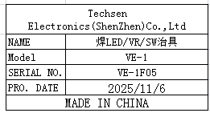 | 2 | 45 |  |  |  |  |  | 1 |  | 21X17X8 | Assembly | NO
Welding iron sheets, cable routing, and glue dispensing fixtures | 焊铁片/排线/打胶水治具 | Techsen Electronics(ShenZhen)Co.,Ltd | VE-1 | VE-1F06 |  |  | 电木板 | / | / | 2025-11-06 | CHINA | NEW | 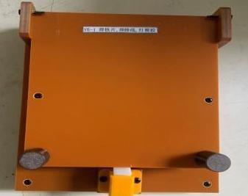 | 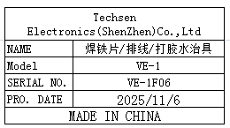 | 2 | 45 |  |  |  |  |  | 1.1 |  | 21X7X8.5 | Assembly | NO
Panel Sawing Fixture | 分板治具 | Techsen Electronics(ShenZhen)Co.,Ltd | VE-1 | VE-1F07 |  |  | 电木板+铝 | / | / | 2025-11-06 | CHINA | NEW | 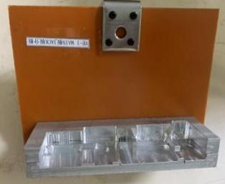 | 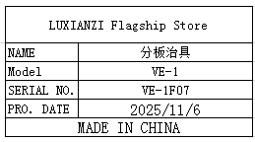 | 1 | 80 |  |  |  |  |  | 0.8 |  | 17X3.5X15 | Assembly | NO
Soldering fixture | 执锡治具 | Techsen Electronics(ShenZhen)Co.,Ltd | VE-1 | VE-1F08 |  |  | 电木板 | / | / | 2025-11-06 | CHINA | NEW | 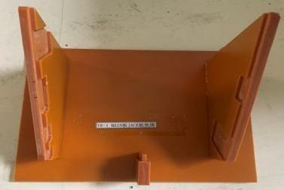 |  | 1 | 35 |  |  |  |  |  | 0.45 |  | 19X15X11.5 | Assembly | NO
Check VR button fixture | 检查VR钮治具 | Techsen Electronics(ShenZhen)Co.,Ltd | VE-2 | VE-2F09 |  |  | 亚克力+塑胶 | / | / | 2025-11-06 | CHINA | NEW |  |  | 1 | 25 |  |  |  |  |  | 0.1 |  | 18X5X1.5 | Assembly | NO
Capacitor processing fixture | 电容加工治具 | Techsen Electronics(ShenZhen)Co.,Ltd | VE-1 | VE-1F10 |  |  | 不锈钢 | / | / | 2025-11-06 | CHINA | NEW | 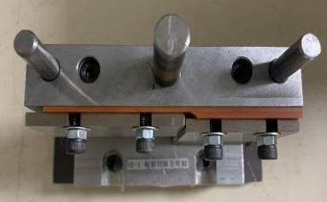 |  | 1 | 250 |  |  |  |  |  | 3.3 |  | 16X8X17 | Assembly | NO
test box | 测试盒 | Techsen Electronics(ShenZhen)Co.,Ltd | VE-1 | VE-1C01 |  |  | 铝+电子组件 | DC9V | 5W | 2025-11-06 | CHINA | NEW | 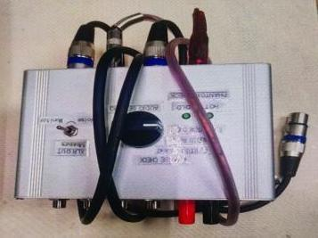 |  | 3 | 130 |  |  |  |  |  | 1.5 |  | 15X14X11 | TEST USE | NO
test box | 测试盒 | Techsen Electronics(ShenZhen)Co.,Ltd | VE-2 | VE-2C01 |  |  | 铝+电子组件 | DC9V | 5W | 2025-11-06 | CHINA | NEW | 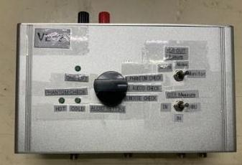 |  | 3 | 145 |  |  |  |  |  | 1.15 |  | 18X14X9 | TEST USE | NO
dummy battery | 假电池 | Techsen Electronics(ShenZhen)Co.,Ltd | 2A | / |  |  | 电木板+铁 | / | / | 2025-11-06 | CHINA | NEW |  |  | 40 | 25 |  |  |  |  |  | 0.6 |  | 5X1.3 | TEST USE | NO
windmill | 风磨机 | Lecheng Hardware Tool Store | NK-180 | / |  |  | 铁+塑胶 | / | / | 2025-10-08 | CHINA | NEW | 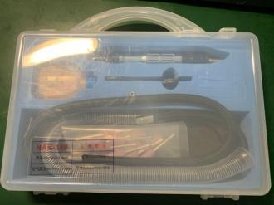 | 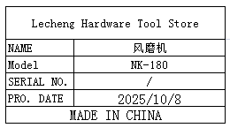 | 1 | 320 |  |  |  |  |  | 0.56 |  | 24X20X4.5 | Tooling | NO
power box | 电源盒 | Techsen Electronics(ShenZhen)Co.,Ltd | / | DC01 |  |  | 塑胶+电子组件 | DC9V | 5W | 2025-11-06 | CHINA | NEW | 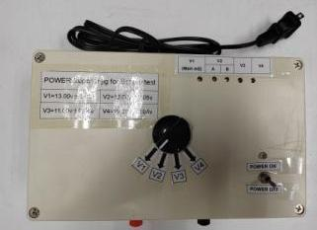 |  | 2 | 120 |  |  |  |  |  | 3 |  | 20X18X12 | TEST USE | NO
Needle-type tensiometer | 针式拉力计 | JYW GROUP(HON KONG) CO.TLD | NK-500 | / |  |  | 铁+塑胶 | / | / | 2025-06-11 | CHINA | NEW | 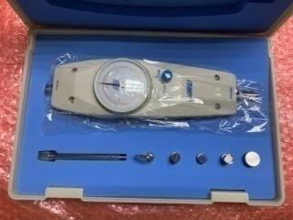 |  | 1 | 160 |  |  |  |  |  | 1.2 |  | 26X17X6.5 | Tooling | NO
Soldering LED, VR, and SW fixtures | 焊LED/VR/SW治具 | Techsen Electronics(ShenZhen)Co.,Ltd | VE-2 | VE-2F01 |  |  | 电木板 | / | / | 2025-11-16 | CHINA | NEW | 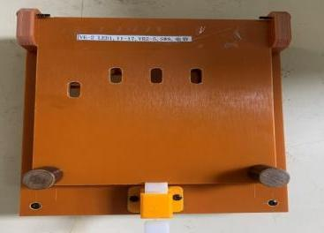 |  | 2 | 45 |  |  | A4 | 1 | 18 | 1 | 48.5X39X36 | 21X17X8 | Assembly | NO
Welding iron sheets, cable routing, and glue dispensing fixtures | 焊铁片/排线/打胶水治具 | Techsen Electronics(ShenZhen)Co.,Ltd | VE-2 | VE-2F02 |  |  | 电木板 | / | / | 2025-11-16 | CHINA | NEW |  |  | 2 | 45 |  |  |  |  |  | 1.1 |  | 21X7X8.5 | Assembly | NO
Panel Sawing Fixture | 分板治具 | Techsen Electronics(ShenZhen)Co.,Ltd | VE-2 | VE-2F03 |  |  | 电木板+铝 | / | / | 2025-11-16 | CHINA | NEW | 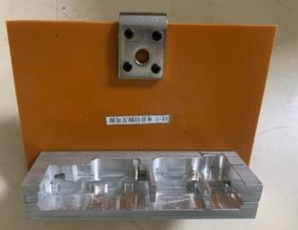 |  | 1 | 80 |  |  |  |  |  | 0.8 |  | 17X3.5X15 | Assembly | NO
Soldering fixture | 执锡治具 | Techsen Electronics(ShenZhen)Co.,Ltd | VE-2 | VE-2F04 |  |  | 电木板 | / | / | 2025-11-16 | CHINA | NEW | 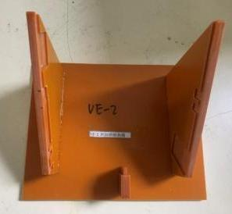 |  | 1 | 35 |  |  |  |  |  | 0.45 |  | 19X15X11.5 | Assembly | NO
Capacitor processing fixture | 电容加工治具 | Techsen Electronics(ShenZhen)Co.,Ltd | VE-2 | VE-2F05 |  |  | 不锈钢 | / | / | 2025-11-16 | CHINA | NEW | 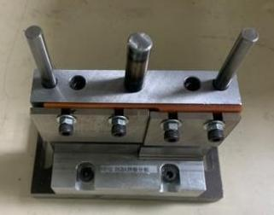 |  | 1 | 250 |  |  |  |  |  | 3.3 |  | 16X8X17 | Assembly | NO
FCT JIG | PCBA测试架 | Techsen Electronics(ShenZhen)Co.,Ltd | VE-2 | VE-2P01 |  |  | 电木板+亚克力 | / | / | 2025-11-16 | CHINA | NEW | 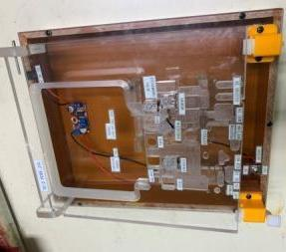 |  | 2 | 150 |  |  |  |  |  | 4.6 |  | 30X25X12 | PCBA TEST | NO
Fixed bottom shell, lock VR nut fixture | 固定底面壳/锁VR螺母治具 | Techsen Electronics(ShenZhen)Co.,Ltd | VE-2 | VE-2F06 |  |  | 电木板+亚克力 | / | / | 2025-11-16 | CHINA | NEW |  |  | 1 | 50 |  |  |  |  |  | 0.6 |  | 18X16X7 | Assembly | NO
Positioning MAIN board and JACK board cycloidal fixture | 定位MAIN板与JACK板摆线治具 | Techsen Electronics(ShenZhen)Co.,Ltd | VE-2 | VE-2F07 |  |  | 电木板 | / | / | 2025-11-16 | CHINA | NEW | 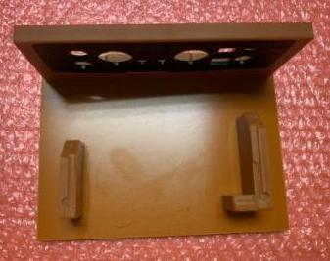 |  | 1 | 45 |  |  |  |  |  | 0.4 |  | 18X13.5X7.5 | Assembly | NO
Lock the screws on the side of the bottom shell Nut fixture | 锁底壳侧面螺丝.螺母治具 | Techsen Electronics(ShenZhen)Co.,Ltd | VE-2 | VE-2F08 |  |  | 电木板+亚克力 | / | / | 2025-11-16 | CHINA | NEW | 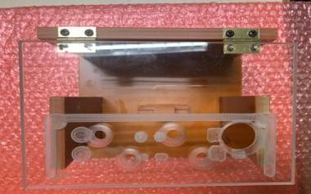 |  | 1 | 50 |  |  |  |  |  | 0.92 |  | 18X16X13 | Assembly | NO
Lock shell button panel screw fixture | 锁面壳按钮面板螺丝治具 | Techsen Electronics(ShenZhen)Co.,Ltd | VE-2 | VE-2F09 |  |  | 电木板 | / | / | 2025-11-16 | CHINA | NEW | 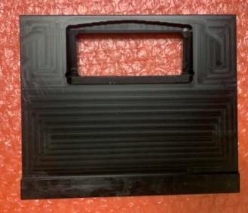 |  | 1 | 35 |  |  |  |  |  | 0.3 |  | 15X13X1.5 | Assembly | NO
Lock bottom shell screw fixture | 锁底壳螺丝治具 | Techsen Electronics(ShenZhen)Co.,Ltd | VE-2 | VE-2F10 |  |  | 电木板+亚克力 | / | / | 2025-11-16 | CHINA | NEW | 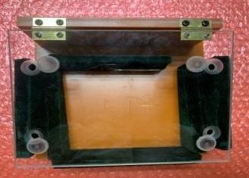 |  | 1 | 40 |  |  |  |  |  | 1 |  | 18X16X9 | Assembly | NO
Soldering battery slingshot fixture | 焊电池弹弓治具 | Techsen Electronics(ShenZhen)Co.,Ltd | VE-2 | VE-2F11 |  |  | 电木板 | / | / | 2025-11-16 | CHINA | NEW |  |  | 1 | 40 |  |  |  |  |  | 0.5 |  | 22X9X3 | Assembly | NO
Battery compartment slingshot (inner side) fixture | 装电池仓弹弓（内侧）治具 | Techsen Electronics(ShenZhen)Co.,Ltd | VE-2 | VE-2F12 |  |  | 电木板+铝 | / | / | 2025-11-16 | CHINA | NEW |  |  | 1 | 45 |  |  |  |  |  | 0.6 |  | 23X118 | Assembly | NO
Battery compartment slingshot (outer side) fixture | 装电池仓弹弓（外侧）治具 | Techsen Electronics(ShenZhen)Co.,Ltd | VE-2 | VE-2F13 |  |  | 电木板+铁 | / | / | 2025-11-16 | CHINA | NEW | 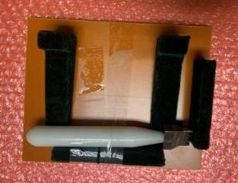 |  | 1 | 35 |  |  |  |  |  | 0.6 |  | 18X16X5 | Assembly | NO
Check VR button fixture | 检查VR钮治具 | Techsen Electronics(ShenZhen)Co.,Ltd | VE-2 | VE-2F14 |  |  | 亚克力+塑胶 | / | / | 2025-11-16 | CHINA | NEW |  |  | 1 | 25 |  |  |  |  |  | 0.1 |  | 18X5X1.5 | Assembly | NO

