listing
1) ENGLISH ITEM NAME (ex : OOOO machine) | 2)中文名称 | 3) MANUFACTUROR (ex : OOO company) | 4) MODEL NO (ex : abc-123) | 5)Serial number | 6)CN hs code | 7)VN hs code | 8)Material | 9) VOLTAGE (ex : 220V) | 10) CAPACITY (ex :1200KW) | 11) Manufacture date (yyyy-mm-dd) | 12) ORIGIN | 13) NEW or USED | 14) PICTURE (BEFORE PACKING) | 15) PICTURE (NAME PLATE or label) | 16)Quantity | 17)cost(RMB 13%VAT) | 18)cost(USD) | 19)Total cost(USD) | 20)CARTON NO. | 21)CTN QTY | 22)G.W(KGS) | 23)N.W(KGS) | 24)Package Size(CM) | 25)Part size(CM) | 26)应用范围 | 27)是否带电源
GX-1 MAIN wave soldering Fixture | GX-1主板过炉治具 | Dongguan Changan Xingyao Automation Processing Shop | GX-1 | GX1MF01A |  |  | 玻纤板 | / | / | 2025-05-05 | CHINA | NEW | 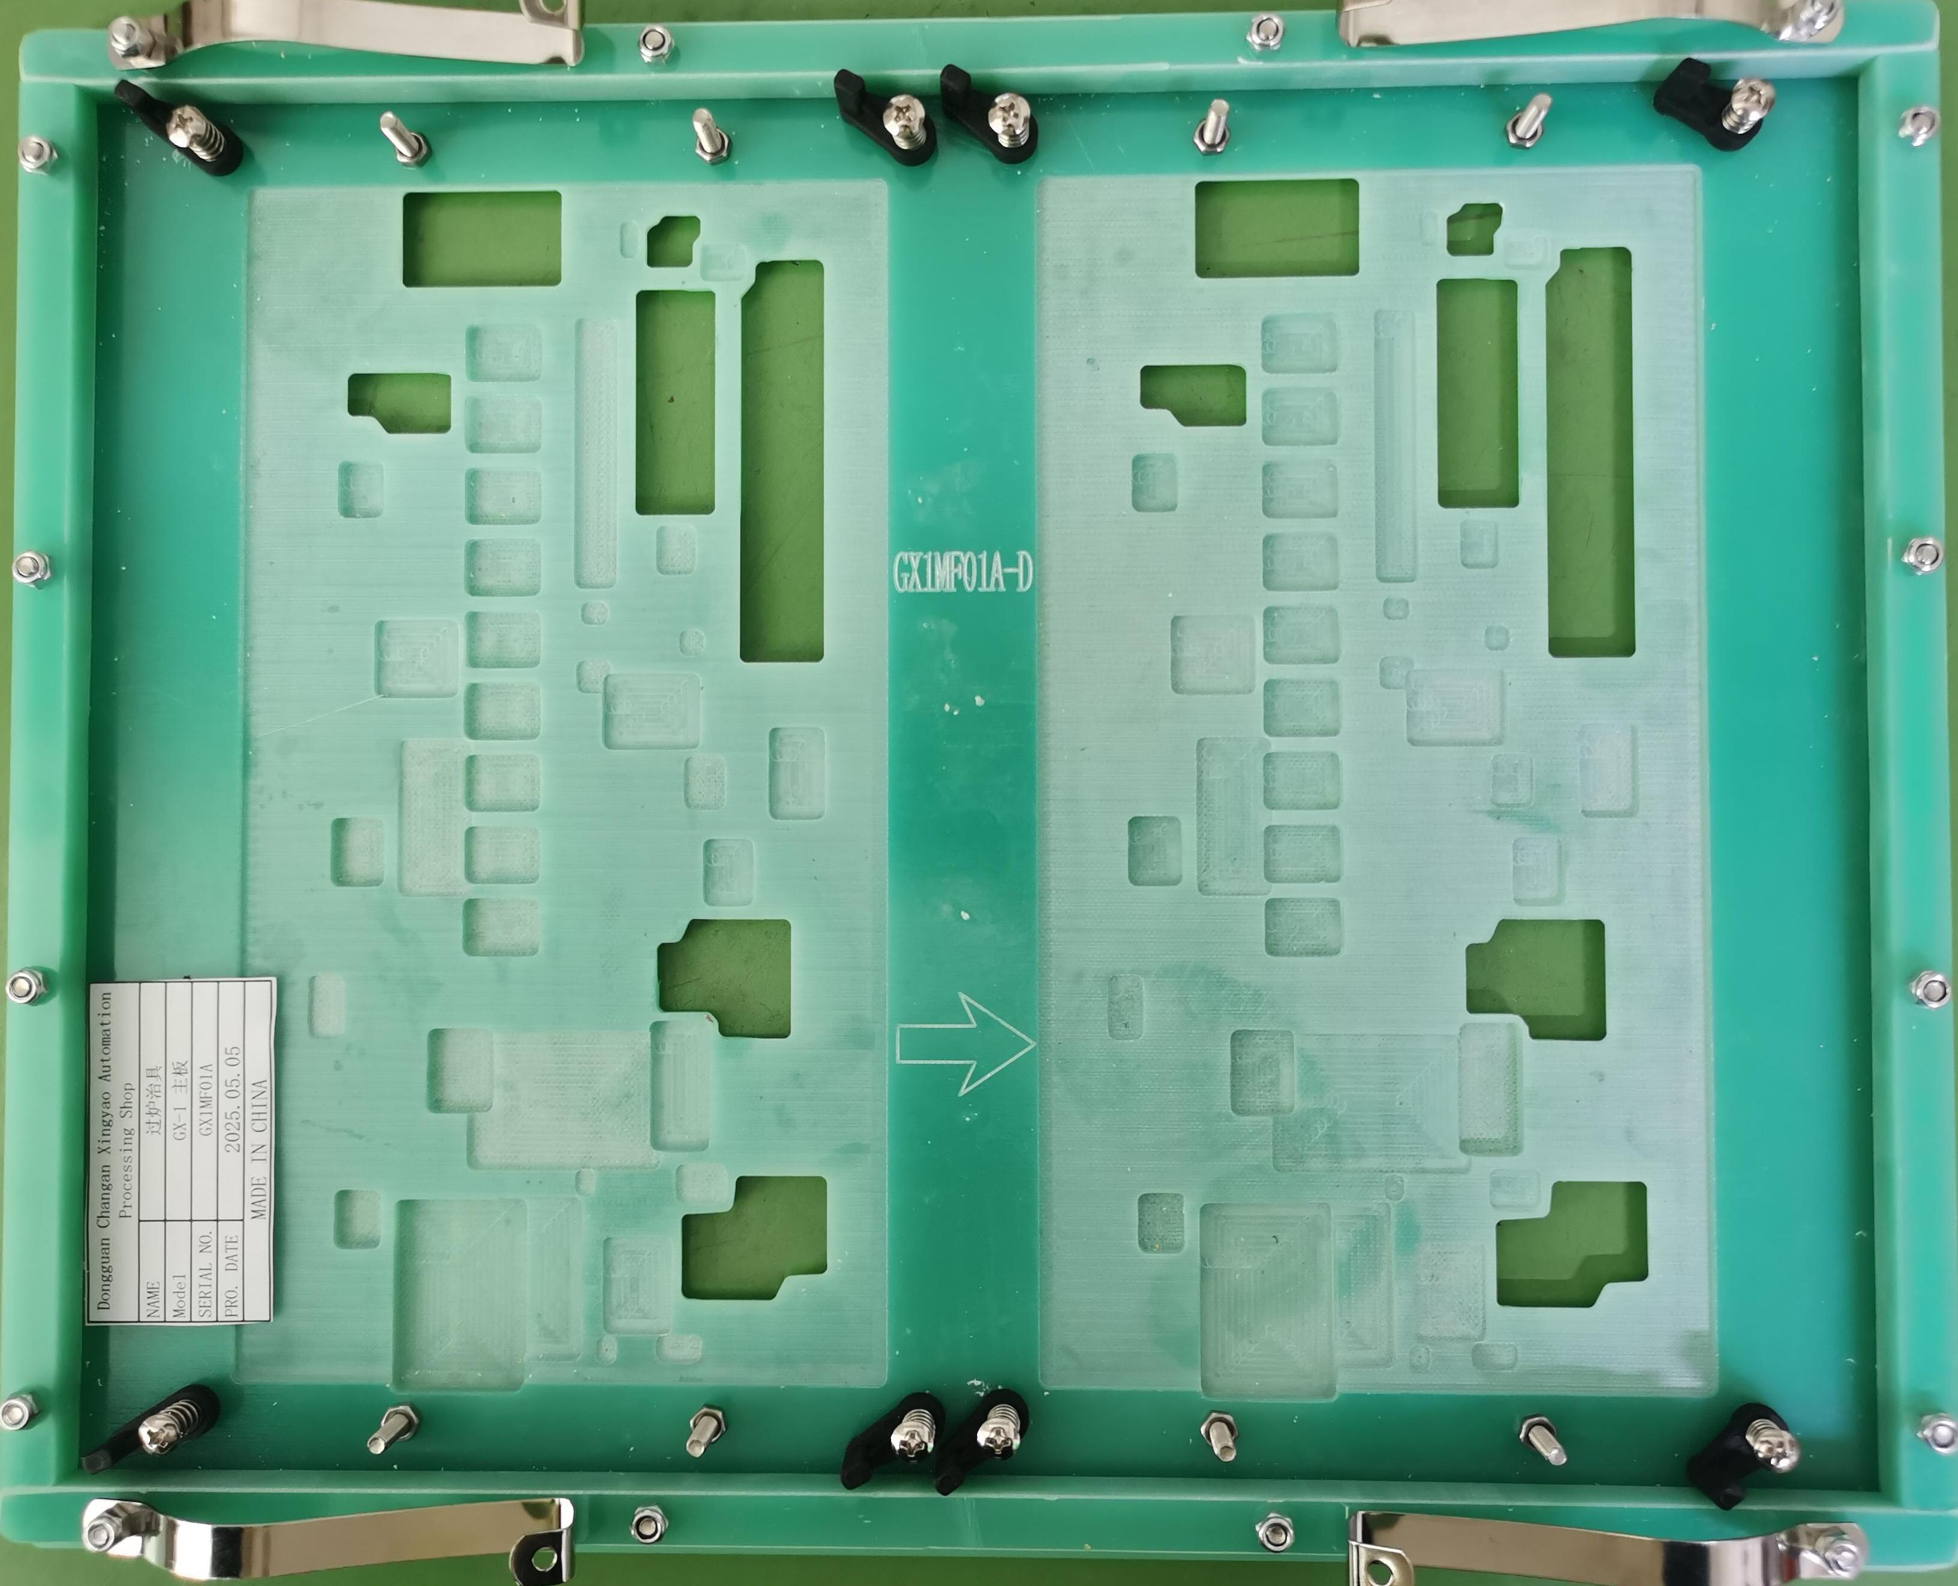 | 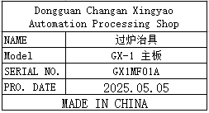 | 4 | 406 |  |  | L1 | 1 | 10.5 | 5.2 | 38X37X15 | 36.5x30x3 | Used for wave soldering furnace | NO
GX-1 MAIN wave soldering Fixture | GX-1主板过炉治具 | Dongguan Changan Xingyao Automation Processing Shop | GX-1 | GX1MF02A |  |  | 电木板 | / | / | 2025-05-05 | CHINA | NEW | 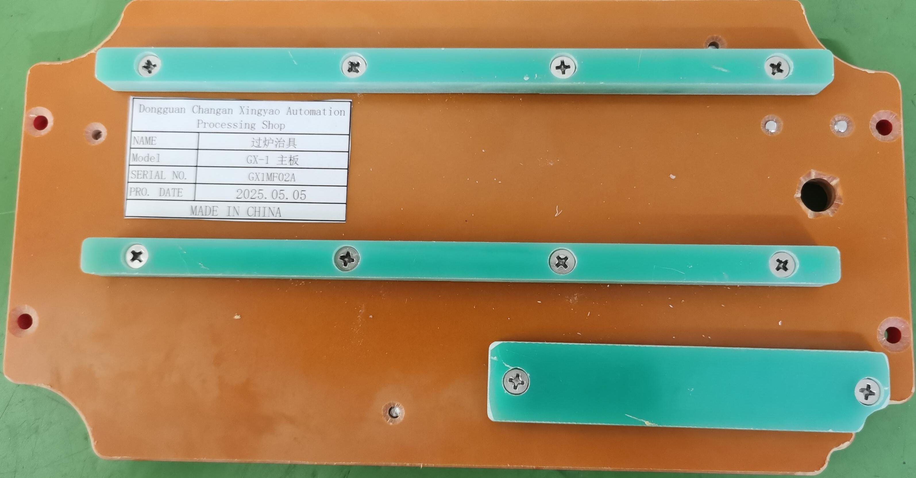 | 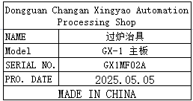 | 8 | 192 |  |  |  |  |  | 4.8 |  | 26x14x2.5 | Used for wave soldering furnace | NO

