listing
1) ENGLISH ITEM NAME (ex : OOOO machine) | 2)中文名称 | 3) MANUFACTUROR (ex : OOO company) | 4) MODEL NO (ex : abc-123) | 5)Serial number | 6)CN hs code | 7)VN hs code | 8)Material | 9) VOLTAGE (ex : 220V) | 10) CAPACITY (ex :1200KW) | 11) Manufacture date (yyyy-mm-dd) | 12) ORIGIN | 13) NEW or USED | 14) PICTURE (BEFORE PACKING) | 15) PICTURE (NAME PLATE or label) | 16)Quantity | 17)cost(RMB 13%VAT) | 18)cost(USD) | 19)Total cost(USD) | 20)CARTON NO. | 21)CTN QTY | 22)G.W(KGS) | 23)N.W(KGS) | 24)Package Size(CM) | 25)Part size(CM) | 26)应用范围 | 27)是否带电源
Handheld Inkjet Printer | 手持喷码机 | BUV Technology Co., Ltd | BUV-Y254X | / |  |  | 塑胶/电子元件 | 16.8V | 5W | 2025.5.18 | CHINA | NEW | 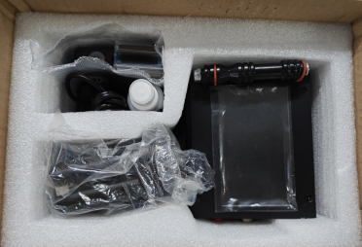 | 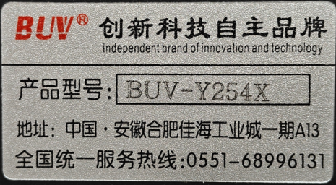 | 1 | 920 |  |  | S35 | 1 | 1.5 | 1.2 | 26*18*17 | 23.5*14*14 | Packaging printing | Yes
PCBA assembly fixture | 合拼PCBA板定位治具 | Techsen Electronics(ShenZhen)Co.,Ltd | VE-1 | VE-1F01 | / | / | 电木板 | / | / | 2025-08-26 | CHINA | NEW | 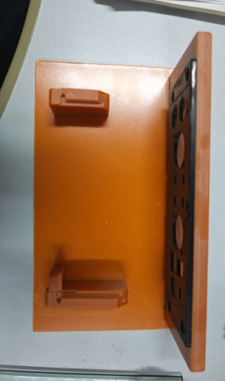 |  | 1 | 80 |  |  | S36 | 1 | 3.75 | 0.39 | 33X30X23 | 19.5X15.2X6.5 | Production assembly fixture | NO
Lock bottom case screw fixture | 锁底壳螺丝治具 | Techsen Electronics(ShenZhen)Co.,Ltd | VE-1 | VE-1F02 | / | / | 电木板 | / | / | 2025-08-26 | CHINA | NEW | 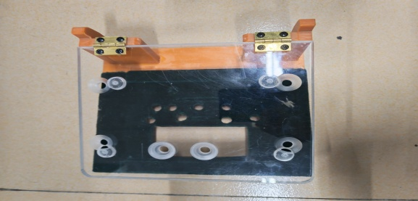 |  | 1 | 80 |  |  |  |  |  | 0.75 |  | 18X19X13 | Production assembly fixture | NO
Lock VR screw fixture | 锁VR螺母治具 | Techsen Electronics(ShenZhen)Co.,Ltd | VE-1 | VE-1F03 | / | / | 电木板 | / | / | 2025-08-26 | CHINA | NEW |  |  | 1 | 80 |  |  |  |  |  | 0.76 |  | 18.5X17.8X8.2 | Production assembly fixture | NO
Lock Jack screw fixture | 锁插座螺丝治具 | Techsen Electronics(ShenZhen)Co.,Ltd | VE-1 | VE-1F04 | / | / | 电木板 | / | / | 2025-08-26 | CHINA | NEW | 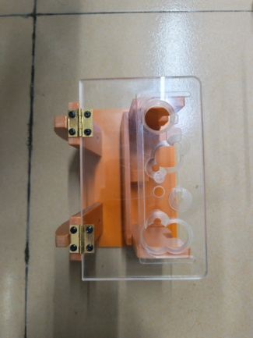 |  | 1 | 80 |  |  |  |  |  | 0.83 |  | 19.5X13.3X14 | Production assembly fixture | NO

