listing
1) ENGLISH ITEM NAME (ex : OOOO machine) | 2)中文名称 | 3) MANUFACTUROR (ex : OOO company) | 4) MODEL NO (ex : abc-123) | 5)Serial number | 6)CN hs code | 7)VN hs code | 8)Material | 9) VOLTAGE (ex : 220V) | 10) CAPACITY (ex :1200KW) | 11) Manufacture date (yyyy-mm-dd) | 12) ORIGIN | 13) NEW or USED | 14) PICTURE (BEFORE PACKING) | 15) PICTURE (NAME PLATE or label) | 16)Quantity | 17)cost(RMB 13%VAT) | 18)cost(USD) | 19)Total cost(USD) | 20)CARTON NO. | 21)CTN QTY | 22)G.W(KGS) | 23)N.W(KGS) | 24)Package Size(CM) | 25)Part size(CM) | 26)应用范围 | 27)是否带电源
Glue nail machine | 胶钉机 | Avery Dennison (Guangzhou) Converted Products Co.,Ltd. | 11601-K3 | / |  |  | 铝/钢 |  |  | 2025.8.25 | CHINA | NEW |  | 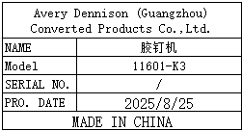 | 2sets | 18010 |  |  | S32-1/3 S32-2/3 S32-3/3 S33-1/3 S33-2/3 S33-3/3 | 6 | 主机7.25*2 支架9.84*2 底座11.7*2 | 主机5.17*2 支架7.87*2 底座11*2 | 主机61*38*26(*2pcs) 支架77*47*18(*2pcs) 底座76*55*7(*2pcs) | 主机32*20*50(*2pcs) 支架40*20*70(*2pcs) 底座50*70*4(*2pcs) | Pack the cable tie host | NO
accessories of Glue nail machine | 胶钉机零件 | Avery Dennison (Guangzhou) Converted Products Co.,Ltd. | 11619-0 | / |  |  | 钢 |  |  | 2025.8.25 | CHINA | NEW |  | 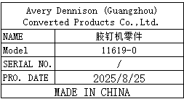 | 8 | 405 |  |  | S34 | 1 | 1 | 0.6 | 21x19x6 | 15x1x1 | Maintenance of glue nail machine | NO
accessories of Glue nail machine | 胶钉机零件 | Avery Dennison (Guangzhou) Converted Products Co.,Ltd. | 3-09-0023-01 | / |  |  | 钢 |  |  | 2025.8.25 | CHINA | NEW |  | 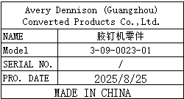 | 8 | 257 |  |  |  |  |  |  |  | 3x1x0.5 | Maintenance of glue nail machine | NO
accessories of Glue nail machine | 胶钉机零件 | Avery Dennison (Guangzhou) Converted Products Co.,Ltd. | 3-09-0023-02 | / |  |  | 钢 |  |  | 2025.8.25 | CHINA | NEW |  | 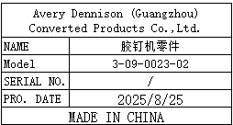 | 8 | 257 |  |  |  |  |  |  |  | 3x1x0.5 | Maintenance of glue nail machine | NO
accessories of Glue nail machine | 胶钉机零件 | Avery Dennison (Guangzhou) Converted Products Co.,Ltd. | 3-09-0056-01 | / |  |  | 钢 |  |  | 2025.8.25 | CHINA | NEW |  | 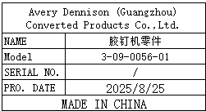 | 8 | 7.91 |  |  |  |  |  |  |  | 11x6x5 | Maintenance of glue nail machine | NO

