listing
1) ENGLISH ITEM NAME (ex : OOOO machine) | 2)中文名称 | 3) MANUFACTUROR (ex : OOO company) | 4) MODEL NO (ex : abc-123) | 5)Serial number | 6)CN hs code | 7)VN hs code | 8)Material | 9) VOLTAGE (ex : 220V) | 10) CAPACITY (ex :1200KW) | 11) Manufacture date (yyyy-mm-dd) | 12) ORIGIN | 13) NEW or USED | 14) PICTURE (BEFORE PACKING) | 15) PICTURE (NAME PLATE or label) | 16)Quantity | 17)cost(RMB 13%VAT) | 18)cost(USD) | 19)Total cost(USD) | 20)CARTON NO. | 21)CTN QTY | 22)G.W(KGS) | 23)N.W(KGS) | 24)Package Size(CM) | 25)Part size(CM) | 26)应用范围 | 27)是否带电源
Stencil | 钢网 | Shenzhen Changke Excellence Technology Co., LTD | / | KTN-GO2 MAIN A |  |  | 钢/铝 |  |  | 2024.11.20 | China | NEW |  | 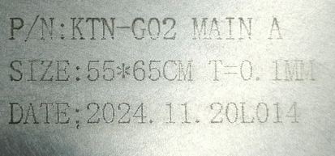 | 1 | 270 |  |  | X1 | 1 | 2 | 1.1 | 60*70*6 | 55*65*2.5CM | SMT | NO
fixture for push rubber sleeve | 手推胶套夹具 | Techsen Electronics(ShenZhen)Co.,Ltd | OP REFRESH | OP REFRESH-F13 |  |  | 铁+电木 |  |  | 2024.10.22 | CHINA | NEW |  |  | 4 | 120 |  |  | X2 | 1 | 2.26 | 0.72 | 36*22*20 | 28*15*14 | production assysembe | NO
Colored paper press mold(fixture) | 啤压彩纸模具(治具) |  | OP REFRESH | OP REFRESH-F11 |  |  | 铝+电木 |  |  | 2024.10.22 | CHINA | NEW |  |  | 1 | 400 |  |  | X3 | 1 | 9.6 | 7.4 | 46*27*15 | 48*26*10 | production assysembe | NO
Colored paper press mold(fixture) | 啤压彩纸模具(治具) | Techsen Electronics(ShenZhen)Co.,Ltd | OP REFRESH | OP REFRESH-F11 |  |  | 铝+电木 |  |  | 2024.10.22 | CHINA | NEW |  |  | 1 | 400 |  |  | X4 | 1 | 9.6 | 7.4 | 46*27*15 | 48*26*10 | production assysembe | NO
Multipurpose PCB | 万用板 | Jing Cheng Technology Co., LTD | / | P01 |  |  | 纤维PCB板 | / | / | 2024.11.20 | China | NEW |  |  | 5 | 5 |  |  | X5 | 1 | 22 | 0.2 | 40x32.5x37 | 15X9 | Make electronic circuits | NO
Button | 按钮 | Norfang Electronics Co., LTD | XB2-EA135 | XB2 W01 |  |  | 塑胶+铁 | / | / | 2024.11.20 | China | NEW |  |  | 10 | 3 |  |  |  |  |  | 0.17 |  | 5.2X2.6 | Service equipment switch | NO
Throttle valve | 节流阀 | LAIZE Co., LTD | SL8-03 | SL8 J01 |  |  | 塑胶+铁 | / | / | 2024.11.20 | China | NEW |  |  | 30 | 4 |  |  |  |  |  | 0.03 |  | 4.5X4X2 | Tracheal connection | NO
Air flow joint | 气流转接头(弯) | LAIZE Co., LTD | PL8-03 | PL8 J01 |  |  | 塑胶+铁 | / | / | 2024.11.20 | China | NEW |  |  | 30 | 3 |  |  |  |  |  | 0.32 |  | 3X3X1.5 | Tracheal connection | NO
Through flow regulating valve | 直通气流调节阀 | LAIZE Co., LTD | SA8 | SA8 J01 |  |  | 塑胶+铜 | / | / | 2024.11.20 | China | NEW |  |  | 10 | 6 |  |  |  |  |  | 0.2 |  | 5X4X1.5 | Tracheal connection | NO
Air flow joint | 气流转接头(直) | LAIZE Co., LTD | PG8-6 | PG8-6 J01 |  |  | 塑胶+铁 | / | / | 2024.11.20 | China | NEW |  |  | 20 | 1 |  |  |  |  |  | 0.17 |  | 3.5X1 | Tracheal connection | NO
The machine pulls and presses the spring | 啤机拉压簧 | Mingguan mold Hardware Co., LTD | 30X100 | SP F01 |  |  | 钢 | / | / | 2024.11.20 | China | NEW |  |  | 10 | 5 |  |  |  |  |  | 1.68 |  | 10X3 | Repair manual beer machine | NO
Solenoid valve | 电磁阀 | AIRTAC Co.LTD | 4V210-08 | AIR F01 |  |  | 铁+电子元件 | / | / | 2024.11.20 | China | NEW |  |  | 7 | 35 |  |  |  |  |  | 0.41 |  | 10X7X12.3 | Maintenance of pneumatic beer machines | NO
LIMIT SWITCH | 行程开关 | Hanyoung nux Co. LTD | HY-M904 | HY 01 |  |  | 铁+铜片 | / | / | 2024.11.20 | KOREA | NEW |  |  | 6 | 30 |  |  |  |  |  | 0.29 |  | 21X8X4 | equipment maintenance | NO
Toggle switch | 拨动开关 | APOBICO Flagship store Co. LTD | MTS-202 | MTS 01 |  |  | 塑胶+铜片 | / | / | 2024.11.20 | China | NEW |  |  | 100 | 3 |  |  |  |  |  | 0.08 |  | 3X1.2X1 | JIG maintenance | NO
Cement resistor | 水泥电阻 | guangweiheng | 20W 5R | R01 |  |  | 陶瓷 | / | / | 2024.11.20 | China | NEW |  |  | 20 | 2 |  |  |  |  |  | 0.74 |  | 11X1.2X1.2 | For load | NO
Aviation connector | 航空插头 | Hongxiang Electronics Co., LTD | GX16-2 | GX 01 |  |  | 塑胶+铜片 | / | / | 2024.11.20 | China | NEW |  |  | 100 | 2 |  |  |  |  |  | 1.5 |  | 3.3X1.5 | Tool connection | NO
feeler gauge | 塞尺 | ESNSCING Co., LTD | 100A23 | FG01 |  |  | 钢 | / | / | 2024.11.20 | China | NEW |  |  | 2 | 45 |  |  |  |  |  | 1.9 |  | 14X1.5X1.5 | Measuring void distance | NO
LED Light bar | 灯条 | Hongqi Optoelectronics Co., LTD | / | Light01 |  |  | 铝+钢 | DC24V | 10W | 2024.11.20 | China | NEW |  |  | 20 | 7 |  |  |  |  |  | 0.4 |  | 33X1X0.12 | Check button | NO
Dispenser manual switch | 点胶机手动开关 | APOBICO Flagship store Co. LTD | / | MTS 01 |  |  | 线材+塑料 | / | / | 2024.11.20 | China | NEW |  |  | 10 | 8 |  |  |  |  |  | 0.18 |  | 17.5X5 | Manual switch | NO
USB cable | USB 线 | Yuditong wire CO.,LTD | MICRO USB | USB W02 |  |  | 线材+铜 | / | / | 2024.11.20 | China | NEW |  |  | 18 | 5 |  |  |  |  |  | 0.05 |  | 10.5X3.5 | Audio test | NO
fiberboard | 纤维板 | Ying Jiexin insulation material Company | G10 | TOOL F02 |  |  | 纤维 | / | / | 2024.11.20 | China | NEW |  |  | 2 | 6 |  |  |  |  |  | 0.1 |  | 40X28X0.1 | Tool use | NO
positioning column | 啤机定位柱 | Techsen Electronics(ShenZhen)Co.,Ltd | / | P01 |  |  | 铁 | / | / | 2024.11.20 | China | NEW |  |  | 50 | 8 |  |  |  |  |  | 0.45 |  | 3.3X1.2 | Hot beer machine maintenance | NO
Electric screwdriver bit | 电动螺丝刀批咀 | weeli Co.LTD | Y4x60 | TOOL F03 |  |  | 铝+钢 | / | / | 2024.11.20 | China | NEW |  |  | 30 | 3 |  |  |  |  |  | 0.36 |  | 4X6 | Locking screw | NO
Test needle tube | 探针套 | INGUN Co.LTD | GKS 075 | GKS01 |  |  | 钢 | / | / | 2024.11.20 | China | NEW |  |  | 300 | 1 |  |  |  |  |  | 0.06 |  | 7X3.5X1 | JIG USE | NO
Test needle | 探针 | Geshing Probe Electronics LTD | PM75 | PM75 01 |  |  | 铜 | / | / | 2024.11.20 | China | NEW |  |  | 600 | 0.5 |  |  |  |  |  | 0.02 |  | 4X3X0.07 | JIG USE | NO
plug | 插头 | Huayuan core Electronics Co. LTD | 6.35mm | PLUG02 |  |  | 铜 | / | / | 2024.11.20 | China | NEW |  |  | 60 | 3 |  |  |  |  |  | 0.14 |  | 8X1 | Audio test | NO
Torque adapter | 扭力转接头 | HIOS Co., LTD | Y5 | TA01 |  |  | 铁 | / | / | 2024.11.20 | China | NEW |  |  | 2 | 45 |  |  |  |  |  | 0.11 |  | 8X3X3 | Test the torque of the electric screwdriver | NO
Magnifying glass | 放大镜 | Skfonda repair tools | MG01 | / |  |  | 塑胶+玻璃 | / | / | 2024.11.20 | China | NEW |  |  | 10 | 15 |  |  |  |  |  | 0.07 |  | 13X4.5X3 | Electronic component inspection | NO
Multi-core shield wire | 双芯屏蔽咪线 | FOSHAN YIXIANTIAN TECHNOLOGY Co., LTD | / | / |  |  | 铜 | / | / | 2024.11.20 | China | NEW |  |  | 90 | 5 |  |  |  |  |  | 4.3 |  | 25X13X25 | Audio test | NO
Pointer type tension gauge | 指针式拉压力计 | JYW GROUP(HONG KONG)CO.LTD | NK-300 | / |  |  | 铝+钢 | / | / | 2024.11.20 | Hong Kong, China | NEW |  |  | 1 | 150 |  |  |  |  |  | 1.21 |  | 27X18X6.5 | Strength check | NO
digital multimeter | 数字万用表 | SHENZHEN ViCi METER TECHNOLOGY Co., LTD | VC97A | 2642248 |  |  | 塑胶+PCBA板 | DC3V | 5W | 2024.11.19 | China | NEW |  |  | 1 | 110 |  |  |  |  |  | 0.6 |  | 22X13.5X6 | For tool | NO
oil-water separator | 油水分离器 | AIRTAC Co.LTD | BFC3000 | BFC01 |  |  | 塑胶+玻璃 | / | / | 2024.11.20 | China | NEW |  | 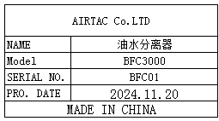 | 10 | 50 |  |  | X6 | 1 | 7.3 | 6.8 | 52X24X30 | 22.5X16.5X7 | Maintenance of pneumatic beer machines | NO
Pointer ammeter head | 指针表头 | ELECALL CO.LTD | 85C1 | PH01 |  |  | 塑胶+铁 | / | / | 2024.11.20 | China | NEW |  |  | 30 | 10 |  |  | X7 | 1 | 19 | 2.5 | 50X30X52 | 6.5X6.5X6 | Product voltage check | NO
Quantitative electronic scale | 定量电子秤 | Shenzhen Meilen Electronics Co., Ltd | MT01 | / |  |  | 铝+钢 | DC4.5V | 10W | 2024.11.20 | China | NEW |  |  | 3 | 200 |  |  |  |  |  | 2.6 |  | 25X16X6.5 | Component count check | NO
Tester | 测试架 | Techsen Electronics(ShenZhen)Co.,Ltd | DB-90 | DB-90P01 |  |  | 亚加历+电木板+铁 | DC9V | 15W | 2024.11.20 | China | NEW |  | 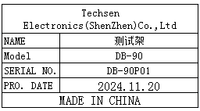 | 1 | 200 |  |  |  |  |  | 5.3 |  | 42X27X29 | fuction test | NO
Tester | 测试架 | Techsen Electronics(ShenZhen)Co.,Ltd | GT-1 | GT-1P01 |  |  | 亚加历+电木板+铁 | DC9V | 15W | 2024.11.20 | China | NEW |  |  | 2 | 200 |  |  |  |  |  | 6.3 |  | 40X25X10 | fuction test | NO
Carbon film tester | 碳膜测试架 | Techsen Electronics(ShenZhen)Co.,Ltd | GO-88PX | MSK-3 36KEY-P01 |  |  | 亚加历+电木板+铁 | DC9V | 15W | 2024.11.20 | China | NEW |  |  | 1 | 200 |  |  | X8 | 1 | 13 | 3.6 | 54X45X23 | 54X25X11 | fuction test | NO
Carbon film tester | 碳膜测试架 | Techsen Electronics(ShenZhen)Co.,Ltd | GO-88PX | MSK-3 25KEY-P01 |  |  | 亚加历+电木板+铁 | DC9V | 15W | 2024.11.20 | China | NEW | 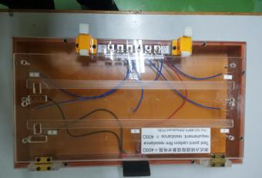 | 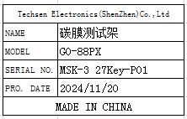 | 1 | 200 |  |  |  |  |  | 2.7 |  | 40X25X11 | fuction test | NO
Carbon film tester | 碳膜测试架 | Techsen Electronics(ShenZhen)Co.,Ltd | GO-88PX | MSK-3 27KEY-P01 |  |  | 亚加历+电木板+铁 | DC9V | 15W | 2024.11.20 | China | NEW |  |  | 1 | 200 |  |  |  |  |  | 2.9 |  | 42X25X11 | fuction test | NO
Test box | 测试盒 | Techsen Electronics(ShenZhen)Co.,Ltd | KTN-GO2 | KTN-GO2P01 |  |  | 塑胶+PCBA板 | / | / | 2024.11.20 | China | NEW |  |  | 7 | 30 |  |  |  |  |  | 2.5 |  | 16X9X4 | fuction test | NO
Tester | PCBA测试架 | Techsen Electronics(ShenZhen)Co.,Ltd | GO-88PX | GO-88PX-P01 |  |  | 亚加历+电木板+铁 | DC9V | 25W | 2024.11.20 | China | NEW |  | 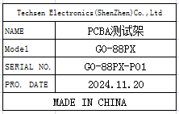 | 2 | 300 |  |  | X9 | 1 | 8.8 | 7.6 | 60X30X25 | 55X22X10 | fuction test | NO
electric screw driver | 电动螺丝刀 | SHUANGAI Industrial Co., Ltd | POL-SDGS-0115 | POL01 |  |  | 铁+线材 | 24VDC | 20W | 2024.11.20 | China | NEW |  |  | 30 | 100 |  |  | X10 | 1 | 29 | 16.5 | 50X30X35 | 27X8X5.2 | Locking screw | NO
electric screw driver | 电动螺丝刀 | JB CO., Ltd | POL-DN-801Z | POL02 |  |  | 铁+线材 | 24VDC | 20W | 2024.11.20 | China | NEW |  |  | 5 | 115 |  |  |  |  |  | 10.8 |  | 30X8X5 | Locking screw | NO
Stencil | 钢网 | Shenzhen Changke Excellence Technology Co., LTD | VE-8 MAIN A |  |  |  | 钢/铝 |  |  | 2024.11.25 | China | NEW |  | 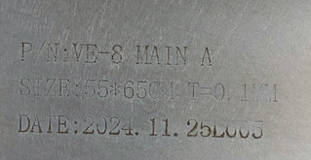 | 1 | 270 |  |  | X11 | 1 | 9 | 1.1 | 60*70*24 | 55*65*2.5CM | SMT | NO
Stencil | 钢网 | Shenzhen Changke Excellence Technology Co., LTD | VE-8 MAIN B |  |  |  | 钢/铝 |  |  | 2024.11.25 | China | NEW |  | 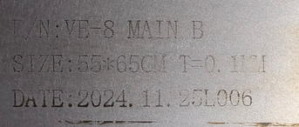 | 1 | 270 |  |  |  |  |  | 1.1 |  | 55*65*2.5CM | SMT | NO
Stencil | 钢网 | Shenzhen Changke Excellence Technology Co., LTD | VE-8 PANEL A |  |  |  | 钢/铝 |  |  | 2024.11.25 | China | NEW |  | 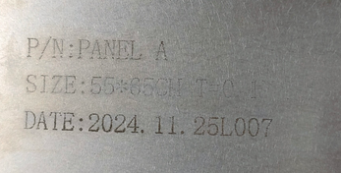 | 1 | 270 |  |  |  |  |  | 1.1 |  | 55*65*2.5CM | SMT | NO
Stencil | 钢网 | Shenzhen Changke Excellence Technology Co., LTD | VE-8 PANEL B |  |  |  | 钢/铝 |  |  | 2024.11.25 | China | NEW |  | 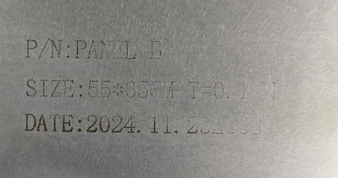 | 1 | 270 |  |  |  |  |  | 1.1 |  | 55*65*2.5CM | SMT | NO

