listing
1) ENGLISH ITEM NAME (ex : OOOO machine) | 2)中文名称 | 3) MANUFACTUROR (ex : OOO company) | 4) MODEL NO (ex : abc-123) | 5)Serial number | 6)CN hs code | 7)VN hs code | 8)Material | 9) VOLTAGE (ex : 220V) | 10) CAPACITY (ex :1200KW) | 11) Manufacture date (yyyy-mm-dd) | 12) ORIGIN | 13) NEW or USED | 14) PICTURE (BEFORE PACKING) | 15) PICTURE (NAME PLATE or label) | 16)Quantity | 17)cost(RMB 13%VAT) | 18)cost(USD) | 19)Total cost(USD) | 20)CARTON NO. | 21)CTN QTY | 22)G.W(KGS) | 23)N.W(KGS) | 24)Package Size(CM) | 25)Part size(CM) | 26)应用范围 | 27)是否带电源
Audio conversion box | 音频转换盒 | Techsen Electronics(ShenZhen)Co.,Ltd | AD-10 | AD-10P01 |  |  | 电子板+电木板 | DC9V | 5W | 2025.09.05 | CHINA | NEW |  |  | 5 | 150 |  |  | V1 | 1 | 14.5 | 2.5 | 63X38X42 | 25X11X8.5 | Test use | NO
Audio conversion box | 音频转换盒 | Techsen Electronics(ShenZhen)Co.,Ltd | VE-8 | VE-8P01 |  |  | 电子板+电木板 | DC9V | 5W | 2025.09.05 | CHINA | NEW |  |  | 6 | 150 |  |  |  |  |  | 2.8 |  | 25X11X8.5 | Test use | NO
Audio conversion box | 音频转换盒 | Techsen Electronics(ShenZhen)Co.,Ltd | GX-1 | GX-1P04 |  |  | 电子板+铝 | DC9V | 5W | 2025.09.05 | CHINA | NEW |  |  | 6 | 90 |  |  |  |  |  | 1.8 |  | 15X11X75 | Test use | NO
FCT JIG | 测试架 | Techsen Electronics(ShenZhen)Co.,Ltd | GX-1 | GX-1P05 |  |  | 电木板+亚加历 | / | / | 2025.09.05 | CHINA | NEW | 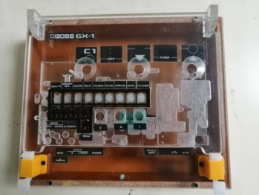 | 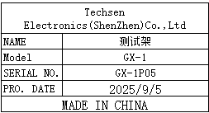 | 2 | 160 |  |  |  |  |  | 5 |  | 30X24.5X10 | Test use | NO
High frequency soldering tip | 高频烙铁咀 | China Soldering iron head Co., LTD | 203H | / |  |  | 铁 | / | / | 2025.09.05 | CHINA | NEW | 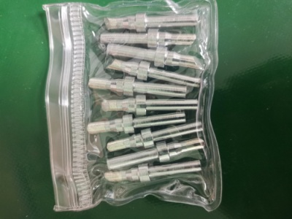 |  | 150 | 4 |  |  | V2 | 1 | 19 | 0.5 | 40X40X33 | 7x5.5x0.6 | Tool repair | NO
Electric screwdriver bit | 电动螺丝刀批咀 | weeli Co.LTD | Y4X60X3X25 | / |  |  | 铁 | / | / | 2025.09.05 | CHINA | NEW |  | 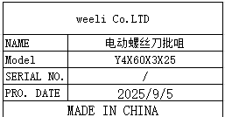 | 50 | 5 |  |  |  |  |  | 0.25 |  | 10X6.5X0.4 | Assemly | NO
air tube | 气管 | HOLID Co., LTD | 10mm | / |  |  | 塑胶 | / | / | 2025.09.05 | CHINA | NEW | 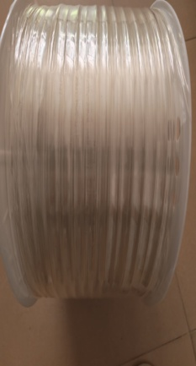 |  | 40 | 1.5 |  |  |  |  |  | 4 |  | 30x30x10 | Tool repair | NO
304 Seven Star Plum Blossom Handle | 304七星梅花手柄 | Jinchao Official Flagship Store | 5B12-05-C08 | / |  |  | 塑胶+铁 | / | / | 2025.09.05 | CHINA | NEW |  |  | 10 | 4 |  |  |  |  |  | 0.13 |  | 5X2.5X2.5 | Assemly | NO
thimble | 顶针 | Hengfeng Mold Hardware | 1.5mm | / |  |  | 钢 | / | / | 2025.09.05 | CHINA | NEW |  |  | 10 | 4.5 |  |  |  |  |  | 0.03 |  | 0.6X10 | Test use | NO
Hexagon socket screwdriver | 六角批咀 | weeli Co.LTD | H12 | / |  |  | 铁 | / | / | 2025.09.05 | CHINA | NEW |  |  | 4 | 7 |  |  |  |  |  | 0.16 |  | 6.5X1.3X1.3 | Assemly | NO
Power plug cable | 电源插头线 | JUCZO electronics factory | DC | / |  |  | 线材 | / | / | 2025.09.05 | CHINA | NEW |  |  | 10 | 9 |  |  |  |  |  | 0.532 |  | 18X6X6 | Test use | NO
audio cable | 音频线 | EFSHIU ELECTRONICS CO.,LTD | YX-1383 | / |  |  | 线材 | / | / | 2025.09.05 | CHINA | NEW | 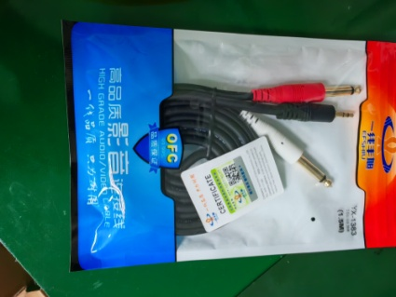 |  | 10 | 18 |  |  |  |  |  | 1.05 |  | 15X11X1.5 | Test use | NO
audio cable | 音频线 | JSJ ELECTRONICS CO.,LTD | JSJ-443 | / |  |  | 线材 | / | / | 2025.09.05 | CHINA | NEW | 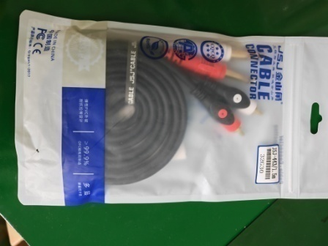 |  | 10 | 18 |  |  |  |  |  | 1.23 |  | 15X11X1.5 | Test use | NO
Aviation connector | 航空接头 | Hongxiang Electronics Co., LTD | GX16-2 | / |  |  | 塑胶+铜片 | / | / | 2025.09.05 | CHINA | NEW |  |  | 60 | 5 |  |  |  |  |  | 1.15 |  | 3.5X2X2 | Tool repair | NO
Heating tube | 发热管 | QXDR Flagship store | 9.5X50 | / |  |  | 线材+铝 | 220V | 250W | 2025.09.05 | CHINA | NEW |  |  | 15 | 11 |  |  |  |  |  | 0.34 |  | 30X0.95X0.95 | Tool repair | NO
Heating tube | 发热管 | QXDR Flagship store | 10X200 | / |  |  | 线材+铝 | 220V | 800W | 2025.09.05 | CHINA | NEW | 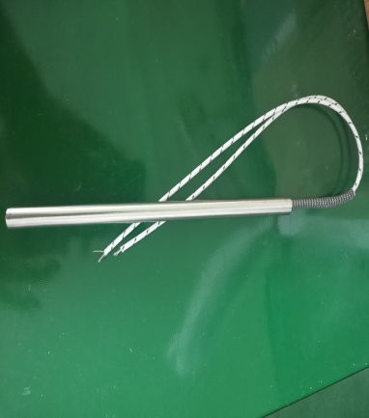 |  | 10 | 18 |  |  |  |  |  | 0.83 |  | 30X1X1 | Tool repair | NO
terminal | 接线柱 | Xieli Electronics Co., Ltd | M3 | / |  |  | 铜+塑胶 | / | / | 2025.09.05 | CHINA | NEW |  |  | 50 | 1.5 |  |  |  |  |  | 0.3 |  | 4.5X1 | Test use | NO
terminal | 香蕉插头 | Xieli Electronics Co., Ltd | 4mm | / |  |  | 铜+塑胶 | / | / | 2025.09.05 | CHINA | NEW |  |  | 50 | 1.3 |  |  |  |  |  | 0.12 |  | 4X1.2 | Test use | NO
Band switch | 波段开关 | JIAGE DIANZI Electronics CO.,LTD | RS26 | / |  |  | 塑胶+铜 | / | / | 2025.09.05 | CHINA | NEW |  | 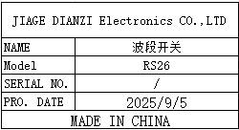 | 10 | 9 |  |  |  |  |  | 0.17 |  | 4.5X2.6X2.6 | Tool repair | NO
Screw machine rotor | 螺丝机转子 | SHEN ZHEN XIN YONG TAI MOTOR CO.,LTD | JGB37-3530-CE | / |  |  | 铁 | / | / | 2025.09.05 | CHINA | NEW |  |  | 5 | 35 |  |  |  |  |  | 1 |  | 8X3.7X3.7 | Tool repair | NO
USB extension cable | USB延长线 | Xuantejia Electronics CO.,LTD | / | / |  |  | 线材 | / | / | 2025.09.05 | CHINA | NEW | 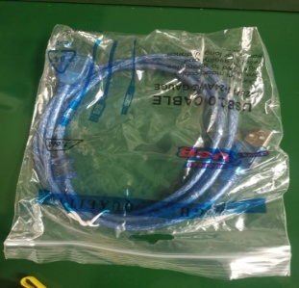 |  | 30 | 8 |  |  |  |  |  | 1.5 |  | 20X16X1 | Test use | NO
USB cable | USB线 | Hangxun Electronic Technology CO.,LTD | Type-B | / |  |  | 线材 | / | / | 2025.09.05 | CHINA | NEW | 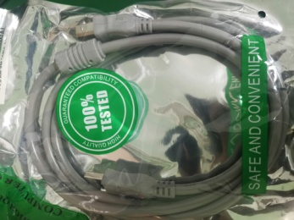 | 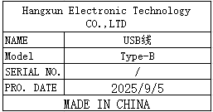 | 10 | 12 |  |  |  |  |  | 1 |  | 25X14X2 | Test use | NO
pneumatic switch | 气动开关 | AIRTAC Co., LTD | 4V120-06 | / |  |  | 铜+线材 | 220V | 3W | 2025.09.05 | CHINA | NEW |  |  | 5 | 55 |  |  |  |  |  | 0.91 |  | 14X6X2 | Tool repair | NO
BNC connector | BNC接头 | Shenzhen Weichuang Shengda Technology CO.,LTD | Q9 | / |  |  | 铜 | / | / | 2025.09.05 | CHINA | NEW |  | 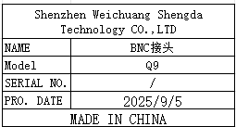 | 40 | 7 |  |  |  |  |  | 0.6 |  | 6X1 | Test use | NO
connector | 接头 | Jinxiu Electronics CO.,LTD | AV | / |  |  | 铜 | / | / | 2025.09.05 | CHINA | NEW |  | 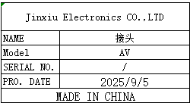 | 20 | 2.5 |  |  |  |  |  | 0.15 |  | 4.5X1.1 | Test use | NO
JACK | 插头 | Jinxiu Electronics CO.,LTD | 3.5mm | / |  |  | 铜 | / | / | 2025.09.05 | CHINA | NEW |  | 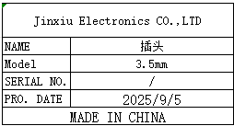 | 50 | 4.5 |  |  |  |  |  | 0.41 |  | 5.3X1.2 | Test use | NO
Test needle | 探针 | Geshing Probe Electronics LTD | PA100-H2 | / |  |  | 铜 | / | / | 2024.11.21 | CHINA | NEW |  | 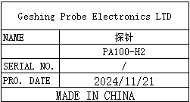 | 6 | 58 |  |  |  |  |  | 0.13 |  | 5X3X1 | JIG Repair | NO
Test needle tube | 探针 | INGUN Co.LTD | GKS-075-0006 | / |  |  | 铜 | / | / | 2025.07.25 | CHINA | NEW |  | 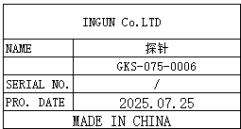 | 2 | 110 |  |  |  |  |  | 0.06 |  | 7X3.5X1.5 | JIG Repair | NO
charger | 充电器 | Green Union Digital Flagship Store | USB C | / |  |  | 塑胶+电子线路 | 220V | 45W | 2025.09.05 | CHINA | NEW | 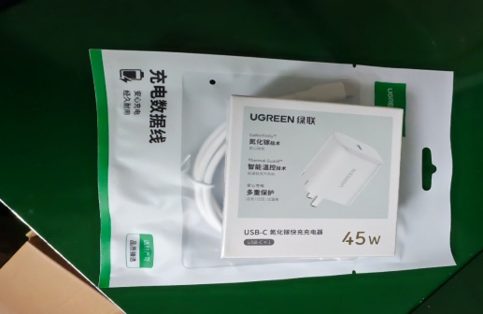 |  | 16 | 63 |  |  |  |  |  | 0 |  | 7.5X7.5X4.5 | Test use | NO
Audio balancer | 音频调节器 | Roland DG Corporation | DI-1 | / |  |  | 铁+电子线路 | / | / | 2025.09.05 | CHINA | NEW |  |  | 3 | 350 |  |  |  |  |  | 1.26 |  | 12X9X4 | Test use | NO
coupling | 联轴器 | Lingke Automation Company | LK12 | / |  |  | 塑胶+铁 | / | / | 2025.09.05 | CHINA | NEW | 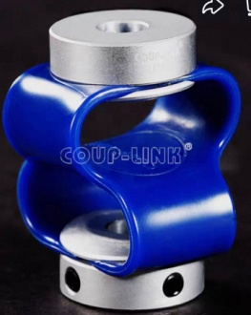 |  | 1 | 70 |  |  |  |  |  | 0.01 |  | 3.2X2.5X2.5 | Test use | NO

