listing
1) ENGLISH ITEM NAME (ex : OOOO machine) | 2)中文名称 | 3) MANUFACTUROR (ex : OOO company) | 4) MODEL NO (ex : abc-123) | 5)Serial number | 6)CN hs code | 7)VN hs code | 8)Material | 9) VOLTAGE (ex : 220V) | 10) CAPACITY (ex :1200KW) | 11) Manufacture date (yyyy-mm-dd) | 12) ORIGIN | 13) NEW or USED | 14) PICTURE (BEFORE PACKING) | 15) PICTURE (NAME PLATE or label) | 16)Quantity | 17)cost(RMB 13%VAT) | 18)cost(USD) | 19)Total cost(USD) | 20)CARTON NO. | 21)CTN QTY | 22)G.W(KGS) | 23)N.W(KGS) | 24)Package Size(CM) | 25)Part size(CM) | 26)应用范围 | 27)是否带电源
wave soldering Fixture | 过炉治具 | Dongguan Changan Xingyao Automation Processing Shop | BOP IT EXTREME(Main board) | BOPEXTMF01A |  |  | 玻纤板 | / | / | 2025-07-17 | CHINA | NEW | 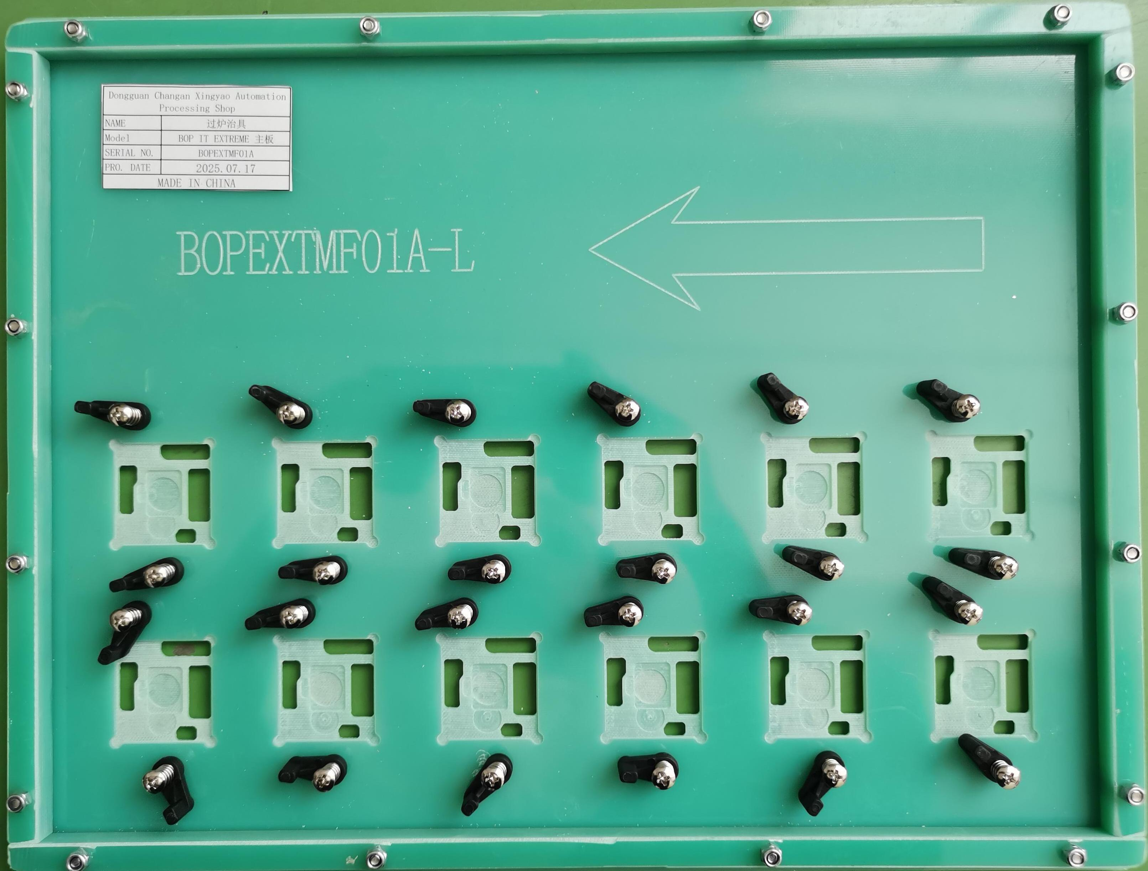 | 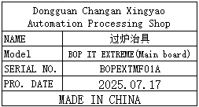 | 8 | 372 |  |  | Q5 | 1 | 12 | 11.5 | 39X37X18 | 38x30x2 | Used for wave soldering furnace | NO
wave soldering Fixture | 过炉治具 | Dongguan Changan Xingyao Automation Processing Shop | BOP IT EXTREME(Main board) | BOPEXTMF01A |  |  | 玻纤板 | / | / | 2025-07-17 | CHINA | NEW |  |  | 4 | 372 |  |  | Q6 | 1 | 11.5 | 6 | 39X37X18 | 38x30x2 | Used for wave soldering furnace | NO
wave soldering Fixture | 过炉治具 | Dongguan Changan Xingyao Automation Processing Shop | BOP IT EXTREME(Control board) | BOPEXTSF01A |  |  | 玻纤板 | / | / | 2025-07-17 | CHINA | NEW | 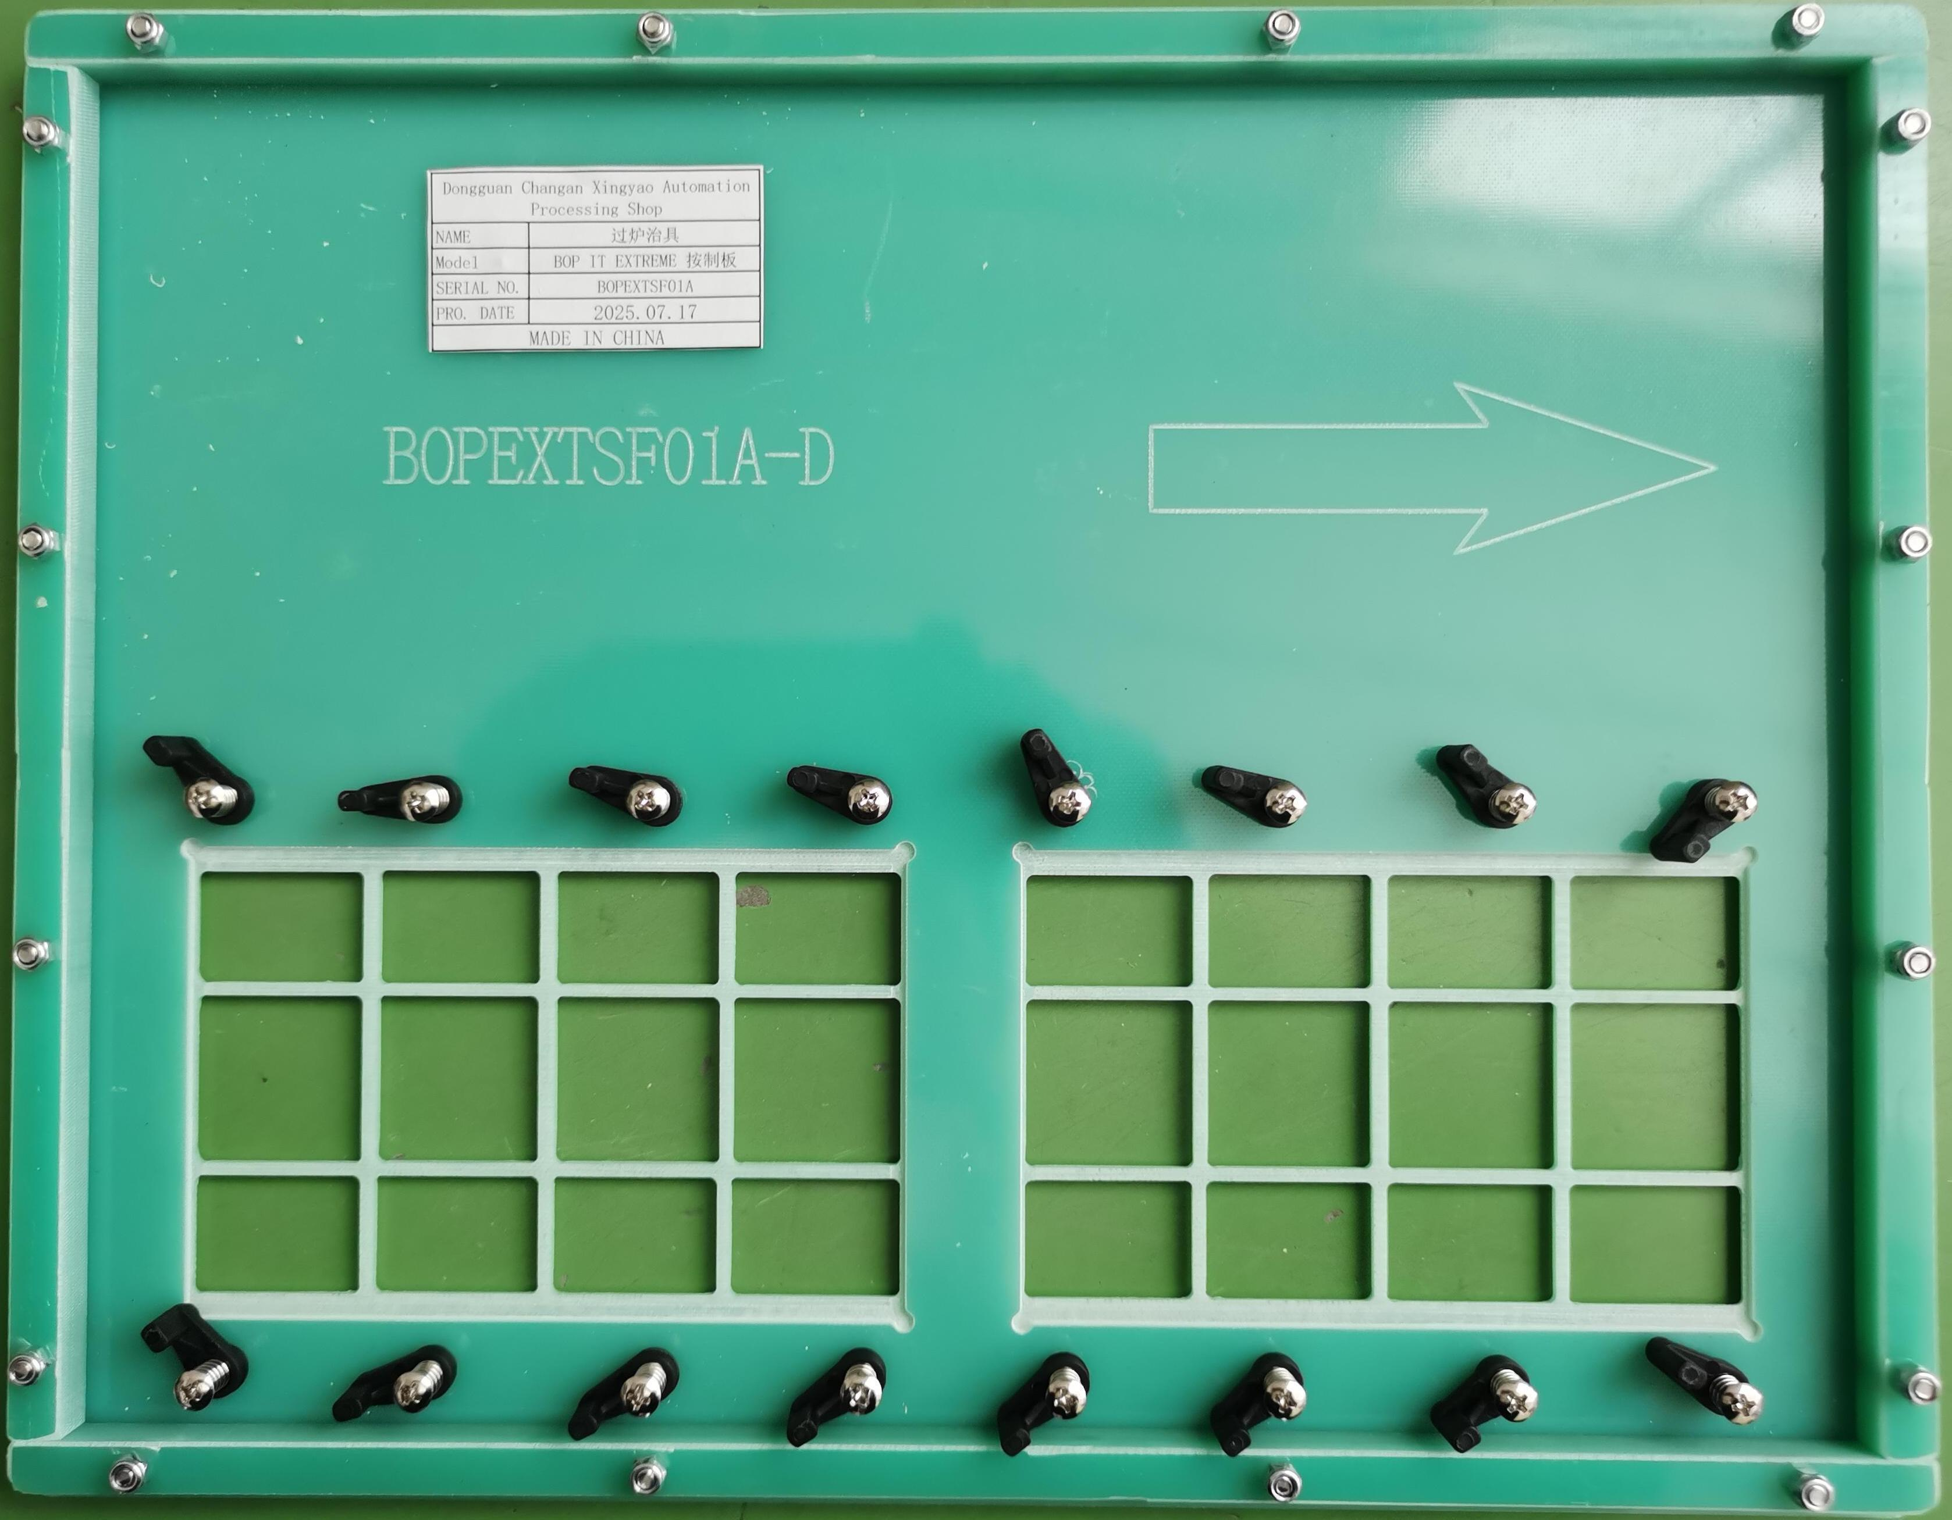 | 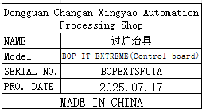 | 4 | 372 |  |  |  |  |  | 5 |  | 37x30x2 | Used for wave soldering furnace | NO
wave soldering Fixture | 过炉治具 | Dongguan Changan Xingyao Automation Processing Shop | BOP IT EXTREME(Key board) | BOPEXTKF01A |  |  | 玻纤板 | / | / | 2025-07-17 | CHINA | NEW | 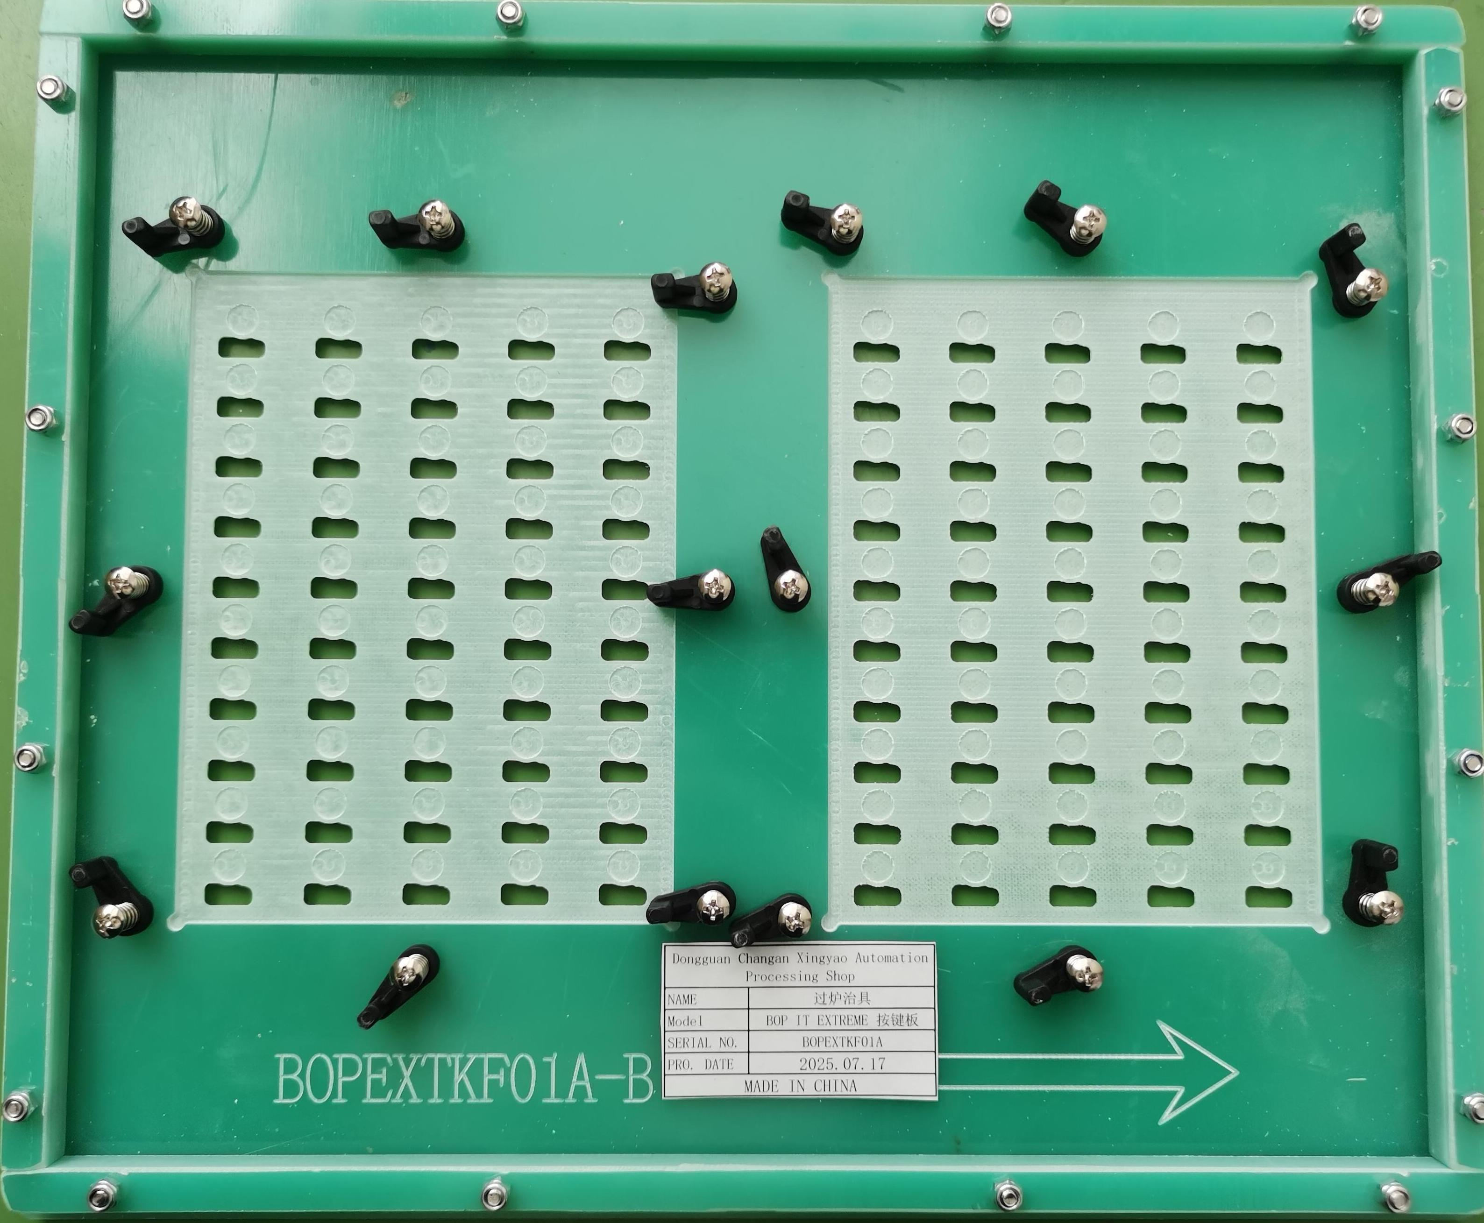 | 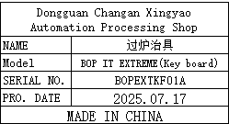 | 2 | 372 |  |  | Q7 | 1 | 18.5 | 2.4 | 37X33X32 | 35x30x2 | Used for wave soldering furnace | NO
wave soldering Fixture | 过炉治具 | Dongguan Changan Xingyao Automation Processing Shop | BOP IT MICRO(Main board) | BOPMICF01A |  |  | 玻纤板 | / | / | 2025-07-17 | CHINA | NEW | 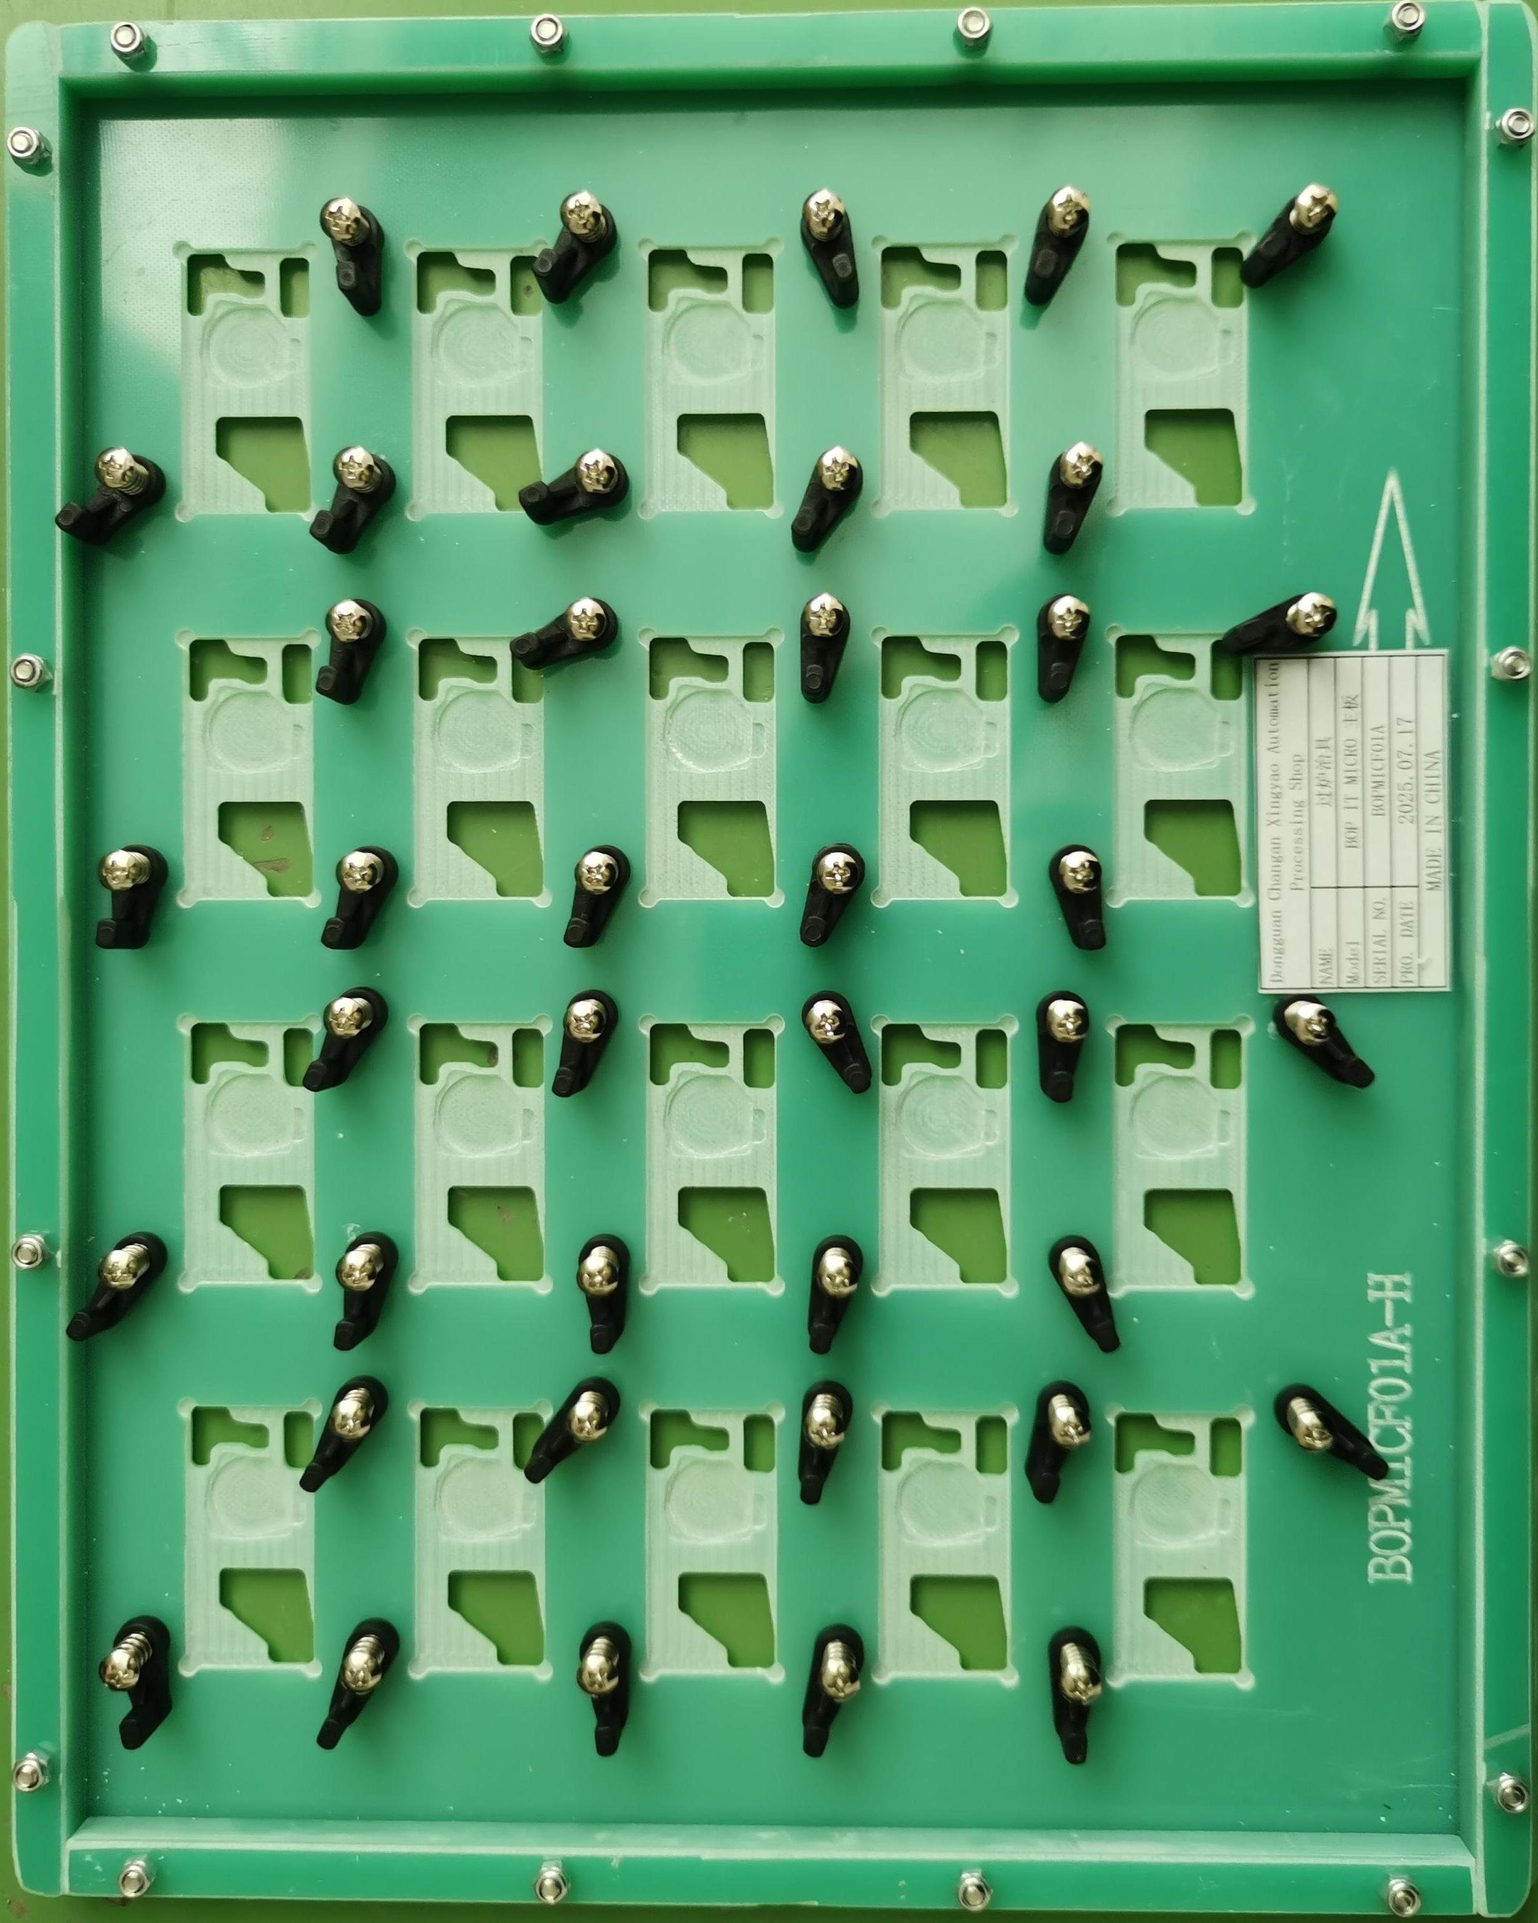 | 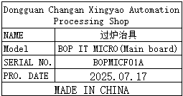 | 8 | 372 |  |  |  |  |  | 10.5 |  | 36x30x2 | Used for wave soldering furnace | NO
wave soldering Fixture | 过炉治具 | Dongguan Changan Xingyao Automation Processing Shop | BOP IT MICRO(Key1 board) | BOPMICF02A |  |  | 玻纤板 | / | / | 2025-07-17 | CHINA | NEW | 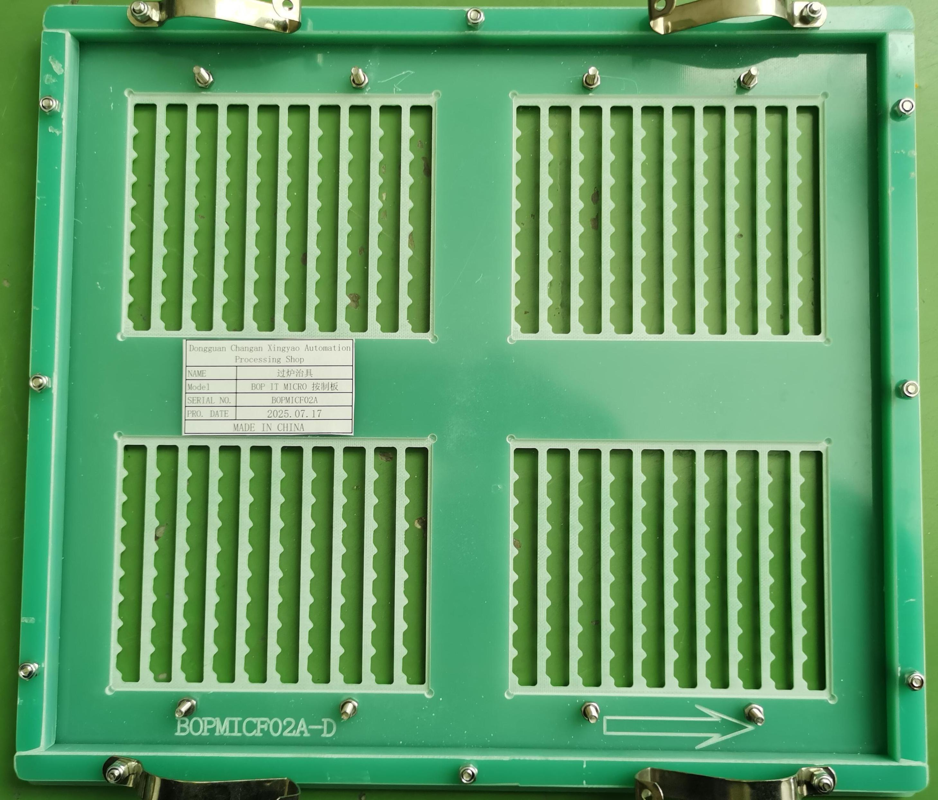 | 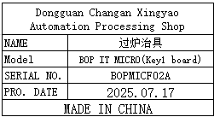 | 4 | 372 |  |  |  |  |  | 3.6 |  | 33x30x3 | Used for wave soldering furnace | NO
wave soldering Fixture | 过炉治具 | Dongguan Changan Xingyao Automation Processing Shop | BOP IT MICRO(Key2 board) | BOPMICF03A |  |  | 玻纤板 | / | / | 2025-07-17 | CHINA | NEW | 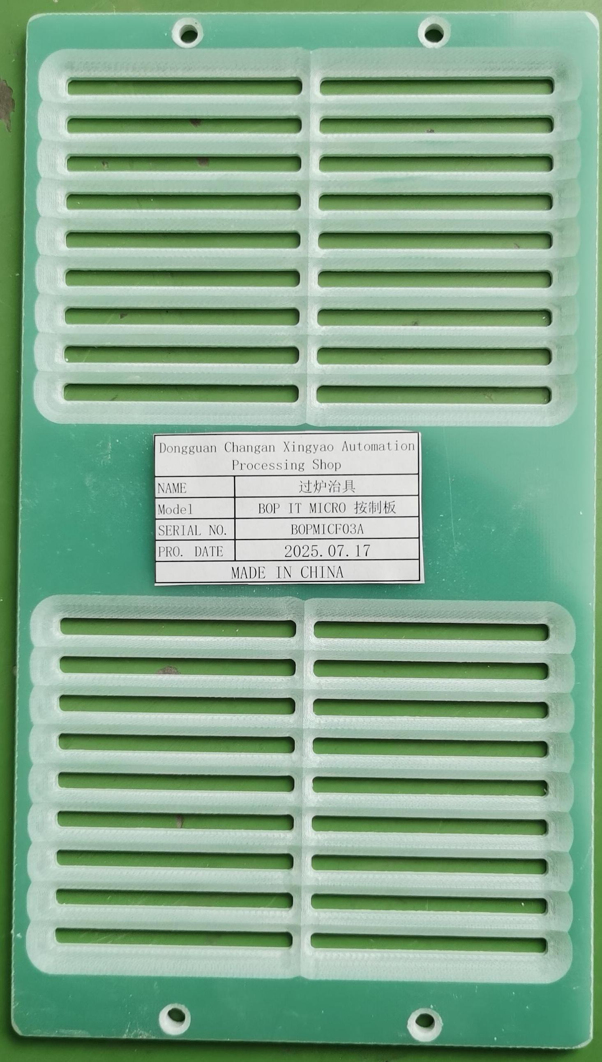 | 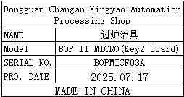 | 8 | 113 |  |  |  |  |  | 1.5 |  | 25x14x0.5 | Used for wave soldering furnace | NO
Ultrasonic Mold | 超声模上下模 | 深圳市必能顺超声波设备有限公司 | F5364 BOP IT | EXTREM21008 |  |  | 铝 |  |  | 2025.7.14 | CHINA | NEW |  |  | 1 | 1500 |  |  | Q8 | 1 | 3 | 2.32 | 20x16x14 | 8*10*18 | Ultrasonic Mold | NO

