listing
1) ENGLISH ITEM NAME (ex : OOOO machine) | 2)中文名称 | 3) MANUFACTUROR (ex : OOO company) | 4) MODEL NO (ex : abc-123) | 5)Serial number | 6)CN hs code | 7)VN hs code | 8)Material | 9) VOLTAGE (ex : 220V) | 10) CAPACITY (ex :1200KW) | 11) Manufacture date (yyyy-mm-dd) | 12) ORIGIN | 13) NEW or USED | 14) PICTURE (BEFORE PACKING) | 15) PICTURE (NAME PLATE or label) | 16)Quantity | 17)cost(RMB 13%VAT) | 18)cost(USD) | 19)Total cost(USD) | 20)CARTON NO. | 21)CTN QTY | 22)G.W(KGS) | 23)N.W(KGS) | 24)Package Size(CM) | 25)Part size(CM) | 26)应用范围 | 27)是否带电源
Ultrasonic Mold | 超声波模具 | Shenzhen Bransun Ultrasonic Equipment Co., Ltd | TRAVEL OPERATION/13002 | / |  |  | 铝 |  |  | 2025-10-24 | CHINA | NEW |  | 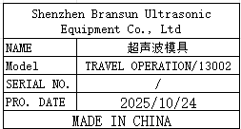 | 1 |  |  |  | C1 | 1 | 9.2 | 0.8 |  | 22x12x10 | Ultrasonic Mold | NO
wave soldering Fixture | 过炉治具 | Dongguan Changan Xingyao Automation Processing Shop | TRAVEL OPERATION(Main board) | TRAOPEF01A-F |  |  | 玻纤板 | / | / | 2025-11-20 | CHINA | NEW | 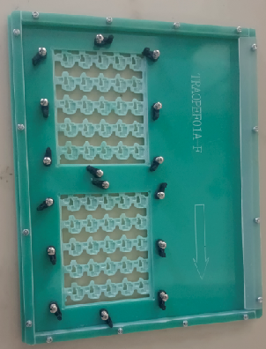 | 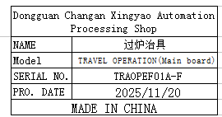 | 6 |  |  |  |  |  |  | 7.4 | 40X40x20 | 36x30x2 | wave soldering | NO
wave soldering Fixture | 过炉治具 | Dongguan Changan Xingyao Automation Processing Shop | BOP IT MARVEL( Main board) | BOPMARMF01A-H |  |  | 玻纤板 | / | / | 2025-11-20 | CHINA | NEW | 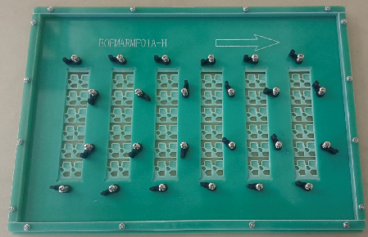 | 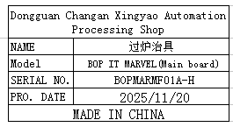 | 8 |  |  |  | C2 | 1 | 12.7 | 11.7 | 46x35x20 | 42x30x2 | wave soldering | NO
wave soldering Fixture | 过炉治具 | Dongguan Changan Xingyao Automation Processing Shop | VE-8(Main board) | VE-8MAINF01A-D |  |  | 玻纤板/电木板 | / | / | 2025-12-15 | CHINA | NEW | 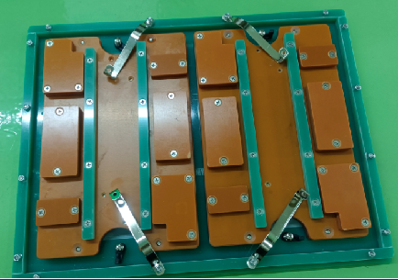 | 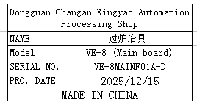 | 4 |  |  |  | C3 | 1 | 11 | 10 | 47X36x20 | 38x30x4 | wave soldering | NO
wave soldering Fixture | 过炉治具 | Dongguan Changan Xingyao Automation Processing Shop | VE-8(PANEL board) | VE-8PANELP01A-D |  |  | 玻纤板/电木板 | / | / | 2025-12-15 | CHINA | NEW | 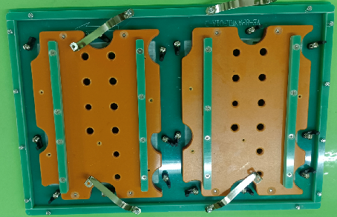 | 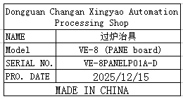 | 4 |  |  |  | C4 | 1 | 12 | 11.6 | 47X36x20 | 44x30x4 | wave soldering | NO

