listing
1) ENGLISH ITEM NAME (ex : OOOO machine) | 2)中文名称 | 3) MANUFACTUROR (ex : OOO company) | 4) MODEL NO (ex : abc-123) | 5)Serial number | 6)CN hs code | 7)VN hs code | 8)Material | 9) VOLTAGE (ex : 220V) | 10) CAPACITY (ex :1200KW) | 11) Manufacture date (yyyy-mm-dd) | 12) ORIGIN | 13) NEW or USED | 14) PICTURE (BEFORE PACKING) | 15) PICTURE (NAME PLATE or label) | 16)Quantity | 17)cost(RMB 13%VAT) | 18)cost(USD) | 19)Total cost(USD) | 20)CARTON NO. | 21)CTN QTY | 22)G.W(KGS) | 23)N.W(KGS) | 24)Package Size(CM) | 25)Part size(CM) | 26)应用范围 | 27)是否带电源
Weld crystal fixtures | 焊晶体治具 | Techsen Electronics(ShenZhen)Co.,Ltd | LT5GEO | LT5GEO F01 |  |  | 电木 |  |  | 2026-04-07 | CHINA | NEW | 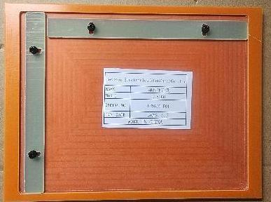 | 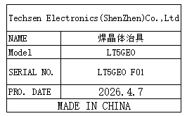 | 1 | 50 |  |  | N1 | 1 | 10 | 0.2 | 49x34x31 | 20x15x0.5 | Production Assemble | NO
Washing plate fixture | 洗板治具 | Techsen Electronics(ShenZhen)Co.,Ltd | LT5GEO | LT5GEO F02 |  |  | 电木 |  |  | 2026-04-07 | CHINA | NEW | 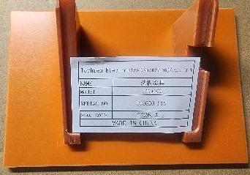 | 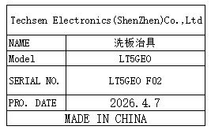 | 1 | 50 |  |  |  |  |  | 0.1 |  | 16x10x0.5 | Production Assemble | NO
Coating insulating oil fixture | 打绝缘油治具 | Techsen Electronics(ShenZhen)Co.,Ltd | LT5GEO | LT5GEO F03 |  |  | 电木 |  |  | 2026-04-07 | CHINA | NEW | 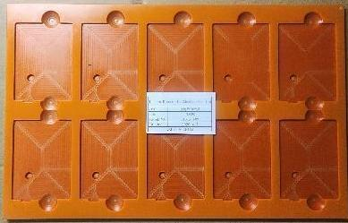 | 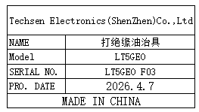 | 2 | 80 |  |  |  |  |  | 0.5*2 |  | 35x22x0.5 | Production Assemble | NO
Welding socket fixture | 焊插座治具 | Techsen Electronics(ShenZhen)Co.,Ltd | LT5GEO | LT5GEO F04 |  |  | 电木 |  |  | 2026-04-07 | CHINA | NEW |  | 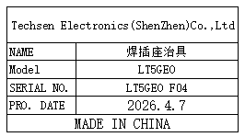 | 1 | 50 |  |  |  |  |  | 0.1 |  | 18x11x0.5 | Production Assemble | NO
Weld the battery fixture | 焊电池治具 | Techsen Electronics(ShenZhen)Co.,Ltd | LT5GEO | LT5GEO F05 |  |  | 电木 |  |  | 2026-04-07 | CHINA | NEW |  | 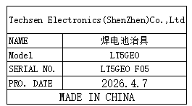 | 1 | 50 |  |  |  |  |  | 0.2 |  | 13x8x1 | Production Assemble | NO
PCBA fixture | 打PCBA治具 | Techsen Electronics(ShenZhen)Co.,Ltd | LT5GEO | LT5GEO F06 |  |  | 电木 |  |  | 2026-04-07 | CHINA | NEW | 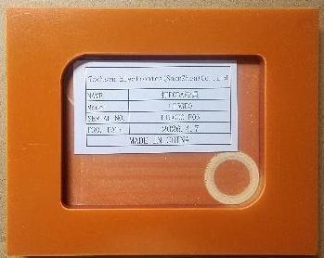 | 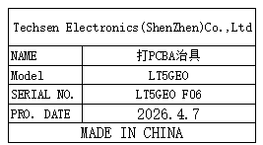 | 1 | 50 |  |  |  |  |  | 0.1 |  | 14x11x1 | Production Assemble | NO
Drill the finished screw fixture | 打成品螺丝治具 | Techsen Electronics(ShenZhen)Co.,Ltd | LT5GEO | LT5GEO F07 |  |  | 电木 |  |  | 2026-04-07 | CHINA | NEW |  | 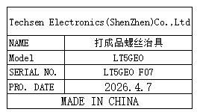 | 1 | 50 |  |  |  |  |  | 0.2 |  | 14x11x1 | Production Assemble | NO
pressed dough shell fixture | 啤压面壳治具 | Techsen Electronics(ShenZhen)Co.,Ltd | LT5GEO | LT5GEO F08 |  |  | 电木 |  |  | 2026-04-07 | CHINA | NEW | 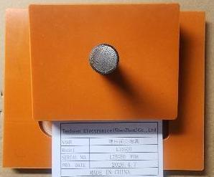 | 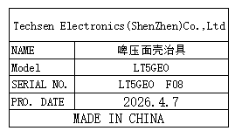 | 1 | 50 |  |  |  |  |  | 0.3 |  | 14x11x8 | Production Assemble | NO
Solder capacitor fixtures | 焊电容治具 | Techsen Electronics(ShenZhen)Co.,Ltd | UHADO-16 BT | UHADO F01 |  |  | 电木 |  |  | 2026-04-07 | CHINA | NEW | 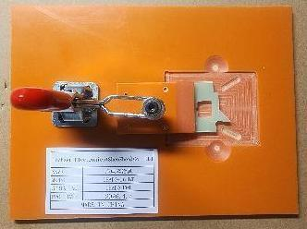 | 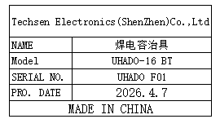 | 1 | 60 |  |  |  |  |  | 0.3 |  | 18x14x11 | Production Assemble | NO
Process capacitor fixtures | 加工电容治具 | Techsen Electronics(ShenZhen)Co.,Ltd | UHADO-16 BT | UHADO F02 |  |  | 铁 |  |  | 2026-04-07 | CHINA | NEW | 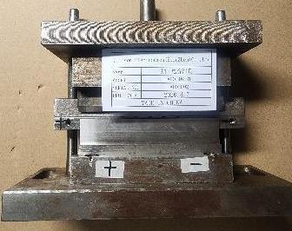 | 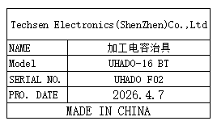 | 1 | 500 |  |  |  |  |  | 3.7 |  | 18x7x16 | Production Assemble | NO
Weld the battery fixture | 焊电池治具 | Techsen Electronics(ShenZhen)Co.,Ltd | UHADO-16 BT | UHADO F03 |  |  | 电木 |  |  | 2026-04-07 | CHINA | NEW |  | 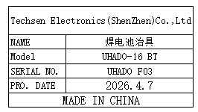 | 1 | 50 |  |  |  |  |  | 0.6 |  | 30x15x5 | Production Assemble | NO
Finished product screwdriver fixture | 成品打螺丝治具 | Techsen Electronics(ShenZhen)Co.,Ltd | UHADO-16 BT | UHADO F04 |  |  | 电木 |  |  | 2026-04-07 | CHINA | NEW |  | 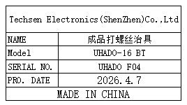 | 1 | 60 |  |  |  |  |  | 0.1 |  | 13x10x0.5 | Production Assemble | NO
Beer policy fixture | 啤方针治具 | Techsen Electronics(ShenZhen)Co.,Ltd | UHADO-16 BT | UHADO F05 |  |  | 电木 |  |  | 2026-04-07 | CHINA | NEW | 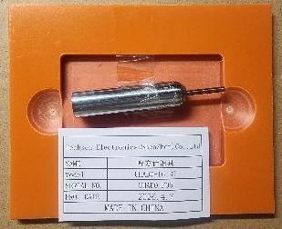 | 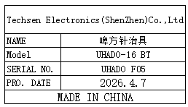 | 1 | 50 |  |  |  |  |  | 0.6 |  | 30x15x3 | Production Assemble | NO
Fixed TIC-LT1/USB fixture | 固定TIC-LT1/USB治具 | Techsen Electronics(ShenZhen)Co.,Ltd | TIC20/ISOTAG | TIC F01 |  |  | 电木 |  |  | 2026-04-07 | CHINA | NEW |  |  | 2 | 80 |  |  |  |  |  | 0.8*2 |  | 18x11x5 | Production Assemble | NO
SMT Printing Net | SMT印刷网 | Shenzhen Changke Excellence Technology Co., LTD | EV-16L4 | 100-25028-01-00 |  |  | 钢/铝 |  |  | 2026.04.02 | China | NEW |  | 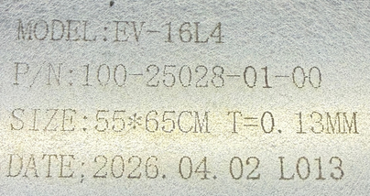 | 1 | 270 |  |  | N2 | 1 | 2 | 1 | 57*67*5CM | 55*65*3CM | SMT | NO

