listing
1) ENGLISH ITEM NAME (ex : OOOO machine) | 2)中文名称 | 3) MANUFACTUROR (ex : OOO company) | 4) MODEL NO (ex : abc-123) | 5)Serial number | 6)CN hs code | 7)VN hs code | 8)Material | 9) VOLTAGE (ex : 220V) | 10) CAPACITY (ex :1200KW) | 11) Manufacture date (yyyy-mm-dd) | 12) ORIGIN | 13) NEW or USED | 14) PICTURE (BEFORE PACKING) | 15) PICTURE (NAME PLATE or label) | 16)Quantity | 17)cost(RMB 13%VAT) | 18)cost(USD) | 19)Total cost(USD) | 20)CARTON NO. | 21)CTN QTY | 22)G.W(KGS) | 23)N.W(KGS) | 24)Package Size(CM) | 25)Part size(CM) | 26)应用范围 | 27)是否带电源
FCT JIG | 测试架 | Techsen Electronics(ShenZhen)Co.,Ltd | GOMIXERST | GOMIXERST P03 |  |  | 电木板+亚加历 | / | / | 2025-12-05 | CHINA | NEW | 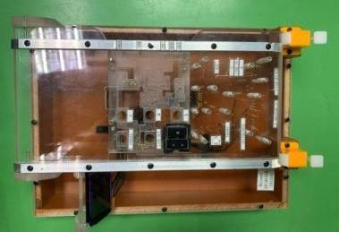 | 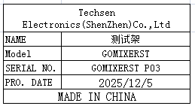 | 2 | 250 |  |  | C5 | 1 | 29 | 6.6 | 93.2X56X35 | 35X25X13 | PCBA TEST | NO
FCT JIG | 测试架 | Techsen Electronics(ShenZhen)Co.,Ltd | VE-8 | VE-08 P01 |  |  | 电木板+亚加历 | / | / | 2025-12-05 | CHINA | NEW |  | 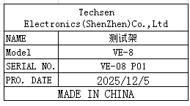 | 2 | 300 |  |  |  |  |  | 19 |  | 75X30X28 | PCBA TEST | NO
Lock face shell VR nut fixture | 锁面壳VR螺母治具 | Techsen Electronics(ShenZhen)Co.,Ltd | VE-8 | VE-08 P02 |  |  | 电木板+亚加历 | / | / | 2025-12-05 | CHINA | NEW | 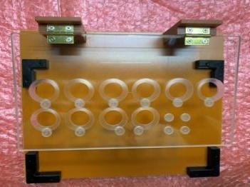 | 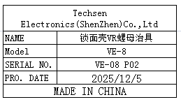 | 1 | 80 |  |  | C6 | 1 | 20 | 0.83 | 58X51X26 | 25X22X7.5 | Production Assemble | NO
Lock bottom shell screws and adhesive foot fixtures | 锁底壳螺丝及贴胶脚治具 | Techsen Electronics(ShenZhen)Co.,Ltd | VE-8 | VE-08 P03 |  |  | 电木板+亚加历 | / | / | 2025-12-05 | CHINA | NEW | 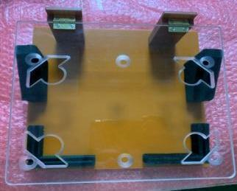 | 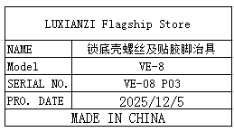 | 1 | 80 |  |  |  |  |  | 1.32 |  | 25X25X10 | Production Assemble | NO
Bottom shell battery compartment and locking screw fixture | 装底壳电池仓及锁螺丝治具 | Techsen Electronics(ShenZhen)Co.,Ltd | VE-8 | VE-08 P04 |  |  | 电木板 | / | / | 2025-12-05 | CHINA | NEW | 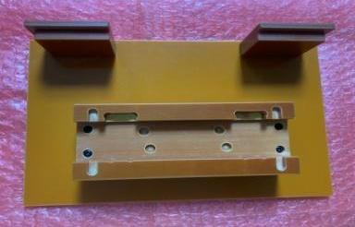 |  | 1 | 80 |  |  |  |  |  | 0.75 |  | 25X7X5.5 | Production Assemble | NO
Loading beer slingshot fixture | 装啤弹弓治具 | Techsen Electronics(ShenZhen)Co.,Ltd | VE-8 | VE-08 P05 |  |  | 铝+电木板 | / | / | 2025-12-05 | CHINA | NEW | 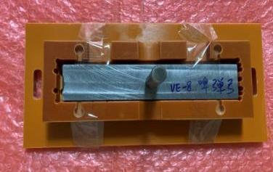 |  | 1 | 45 |  |  |  |  |  | 0.91 |  | 25X11X8 | Production Assemble | NO
Welding battery slingshot wire fixture | 焊电池弹弓扦头线治具 | Techsen Electronics(ShenZhen)Co.,Ltd | VE-8 | VE-08 P06 |  |  | 电木板 | / | / | 2025-12-05 | CHINA | NEW | 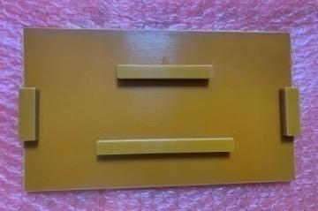 | 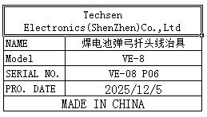 | 1 | 50 |  |  |  |  |  | 0.25 |  | 20X13X1.5 | Production Assemble | NO
Lock MAIN board side screw and nut fixture | 锁MAIN板侧面螺丝、螺母治具 | Techsen Electronics(ShenZhen)Co.,Ltd | VE-8 | VE-08 P07 |  |  | 电木板+亚加历 | / | / | 2025-12-05 | CHINA | NEW | 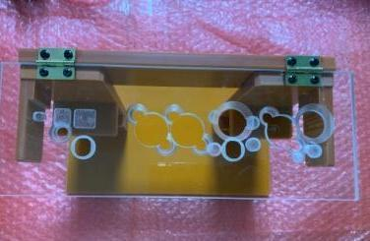 | 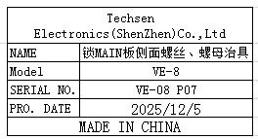 | 1 | 50 |  |  |  |  |  | 1.2 |  | 25X17.5X18 | Production Assemble | NO
Lock JACK board side screw and nut fixture | 锁JACK板侧面螺丝、螺母治具 | Techsen Electronics(ShenZhen)Co.,Ltd | VE-8 | VE-08 P08 |  |  | 电木板+亚加历 | / | / | 2025-12-05 | CHINA | NEW | 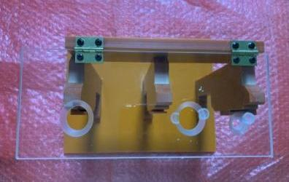 | 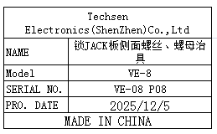 | 1 | 50 |  |  |  |  |  | 1.1 |  | 25X17.5X19 | Production Assemble | NO
Install MAIN board cutting and wiring fixture | 装MAIN板扦排线治具 | Techsen Electronics(ShenZhen)Co.,Ltd | VE-8 | VE-08 P09 |  |  | 电木板 | / | / | 2025-12-05 | CHINA | NEW | 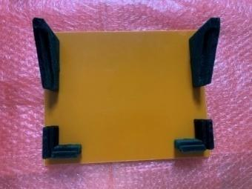 | 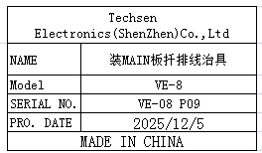 | 1 | 50 |  |  |  |  |  | 0.6 |  | 25X20X8 | Production Assemble | NO
PANEL board lock screw fixture | 锁PANEL板螺丝治具 | Techsen Electronics(ShenZhen)Co.,Ltd | VE-8 | VE-08 P10 |  |  | 电木板 | / | / | 2025-12-05 | CHINA | NEW | 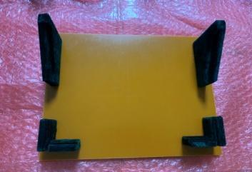 |  | 1 | 50 |  |  |  |  |  | 0.6 |  | 25X20X8 | Production Assemble | NO
Install PANEL board button fixture | 装PANEL板按钮治具 | Techsen Electronics(ShenZhen)Co.,Ltd | VE-8 | VE-08 P11 |  |  | 电木板 | / | / | 2025-12-05 | CHINA | NEW | 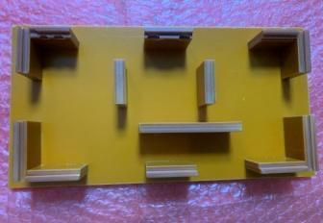 |  | 1 | 50 |  |  |  |  |  | 0.5 |  | 25X14X3.5 | Production Assemble | NO
Lock button board screw fixture | 锁按键板螺丝治具 | Techsen Electronics(ShenZhen)Co.,Ltd | VE-8 | VE-08 P12 |  |  | 电木板 | / | / | 2025-12-05 | CHINA | NEW | 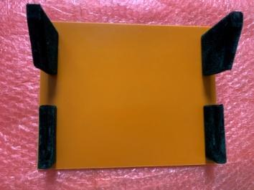 | 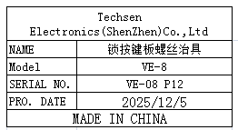 | 1 | 50 |  |  |  |  |  | 0.6 |  | 25X20X8 | Production Assemble | NO
Lock shell button screw fixture | 锁面壳按钮螺丝治具 | Techsen Electronics(ShenZhen)Co.,Ltd | VE-8 | VE-08 P13 |  |  | 电木板 | / | / | 2025-12-05 | CHINA | NEW | 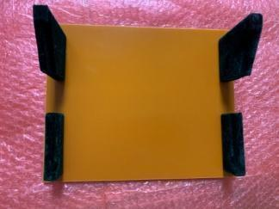 | 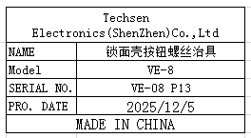 | 1 | 50 |  |  |  |  |  | 0.6 |  | 25X20X8 | Production Assemble | NO
Beer button fixture | 啤按钮治具 | Techsen Electronics(ShenZhen)Co.,Ltd | VE-8 | VE-08 P14 |  |  | 电木板 | / | / | 2025-12-05 | CHINA | NEW | 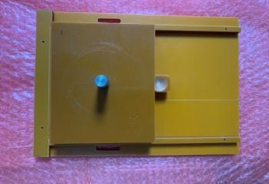 | 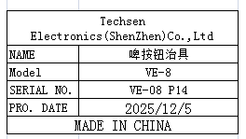 | 1 | 50 |  |  |  |  |  | 1.22 |  | 26X19.5X9 | Production Assemble | NO
Check if there is no spray painting position fixture on the surface shell | 检查面壳无喷漆位置治具 | Techsen Electronics(ShenZhen)Co.,Ltd | VE-8 | VE-08 P15 |  |  | 电木板 | / | / | 2025-12-05 | CHINA | NEW |  | 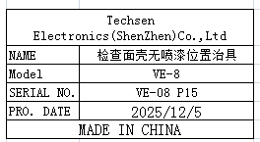 | 1 | 50 |  |  |  |  |  | 0.16 |  | 25.5X9.5X4 | Production Assemble | NO
Main board splitting fixture | MAIN板分板治具 | Techsen Electronics(ShenZhen)Co.,Ltd | VE-8 | VE-08 P16 |  |  | 电木板+铝 | / | / | 2025-12-05 | CHINA | NEW | 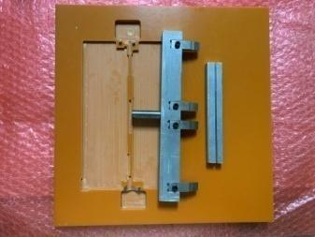 | 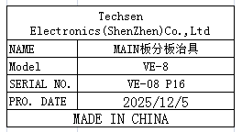 | 1 | 50 |  |  |  |  |  | 1.5 |  | 29.5X29.5X3 | Production Assemble | NO
JACK board splitting fixture | JACK板分板治具 | Techsen Electronics(ShenZhen)Co.,Ltd | VE-8 | VE-08 P17 |  |  | 电木板+钢 | / | / | 2025-12-05 | CHINA | NEW | 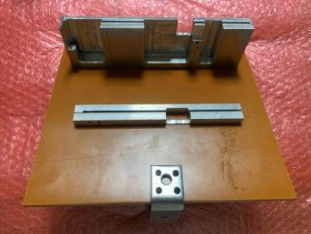 | 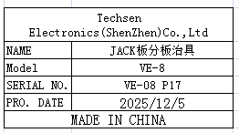 | 1 | 80 |  |  |  |  |  | 1.33 |  | 25X22X17 | Production Assemble | NO
PANEL board splitting fixture | PANEL板分板治具 | Techsen Electronics(ShenZhen)Co.,Ltd | VE-8 | VE-08 P18 |  |  | 电木板+铁 | / | / | 2025-12-05 | CHINA | NEW | 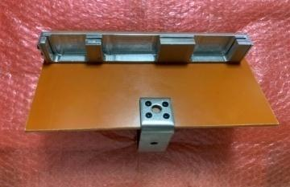 | 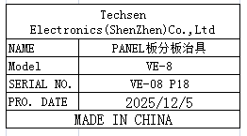 | 1 | 80 |  |  |  |  |  | 0.7 |  | 23X15X13 | Production Assemble | NO
Main PCB soldering fixture | MAIN拼板执锡治具 | Techsen Electronics(ShenZhen)Co.,Ltd | VE-8 | VE-08 P19 |  |  | 电木板 | / | / | 2025-12-05 | CHINA | NEW | 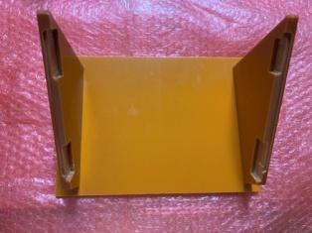 | 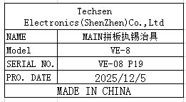 | 1 | 50 |  |  |  |  |  | 0.7 |  | 25X17.5X13 | Production Assemble | NO
PANEL panel soldering fixture | PANEL拼板执锡治具 | Techsen Electronics(ShenZhen)Co.,Ltd | VE-8 | VE-08 P20 |  |  | 电木板 | / | / | 2025-12-05 | CHINA | NEW | 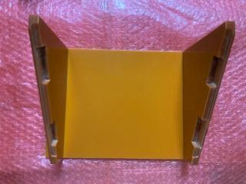 | 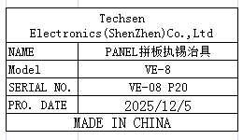 | 1 | 50 |  |  |  |  |  | 0.75 |  | 25X17.5X13 | Production Assemble | NO
Beer bottom shell LED lens fixture | 啤底壳LED lens治具 | Techsen Electronics(ShenZhen)Co.,Ltd | AE-BIRSA | AE-BRISA-F01 |  |  | 铝+铜 | / | / | 2025-12-05 | CHINA | NEW | 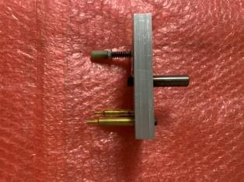 | 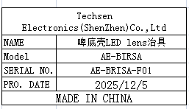 | 1 | 50 |  |  |  |  |  | 0.43 |  | 10X8X11 | Production Assemble | NO
COVER B fixture for hot beer noodle shell | 热啤面壳COVER B治具 | Techsen Electronics(ShenZhen)Co.,Ltd | AE-BIRSA | AE-BRISA-F02 |  |  | 铝+铜 | / | / | 2025-12-05 | CHINA | NEW | 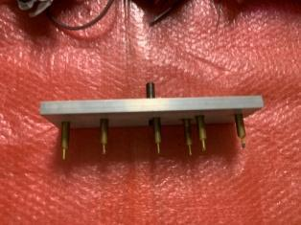 | 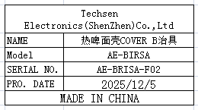 | 1 | 100 |  |  |  |  |  | 1 |  | 25X8X11 | Production Assemble | NO
COVER A fixture for hot beer noodle shell | 热啤面壳COVER A治具 | Techsen Electronics(ShenZhen)Co.,Ltd | AE-BIRSA | AE-BRISA-F03 |  |  | 铝+铜 | / | / | 2025-12-05 | CHINA | NEW | 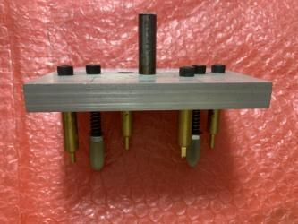 | 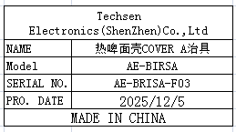 | 1 | 100 |  |  |  |  |  | 0.6 |  | 13X8X12 | Production Assemble | NO
rabbet pliers | 扎线钳 | ABC Co.,Ltd | AB-1218 | / |  |  | 铁 | / | / | 2025-12-05 | CHINA | NEW |  | 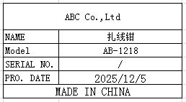 | 5 | 65 |  |  | C7 | 1 | 13.5 | 1.45 | 35X36X38 | 15.5X12.5X2 | Product Tooling | NO
High precision electronic scale | 高精度电子秤 | Yuedi Electronic Balance CO.Ltd | BL-(X) | / |  |  | 铁+电子元件 | DC3V | 0.5W | 2025-10-08 | CHINA | NEW | 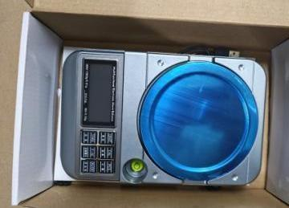 | 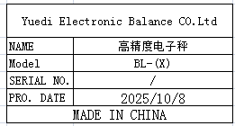 | 3 | 250 |  |  |  |  |  | 2.6 |  | 25X16.5X7 | Product Tooling | NO
Electric screwdriver bit | 电动螺丝刀批咀 | weeli Co.LTD | Y4x60 | / |  |  | 铁 | / | / | 2025-12-05 | CHINA | NEW | 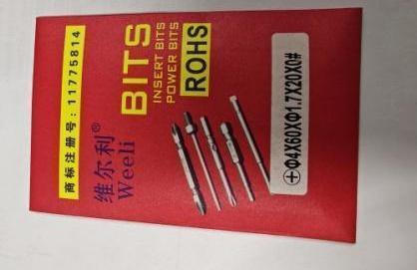 | 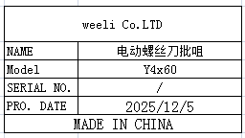 | 80 | 3.5 |  |  |  |  |  | 0.4 |  | 6.5X10 | Product Tooling | NO
pressing buckle | 压扣 | Suzhou Xinyuan Electronic Store | 2# | / |  |  | 塑胶+铁 | / | / | 2025-12-05 | CHINA | NEW | 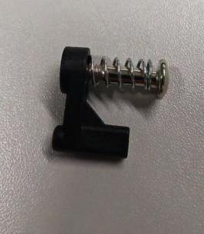 | 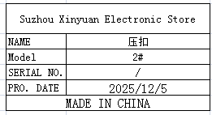 | 300 | 0.4 |  |  |  |  |  | 1.05 |  | 2X1.5X0.6 | Product Tooling | NO
Electrostatic wristband tester | 静电手带测试器 | HAKO Technology Co., LTD | 498 | 49858302730 |  |  | 塑胶+电子组件 | DC9V | 1W | 2025-12-05 | CHINA | NEW | 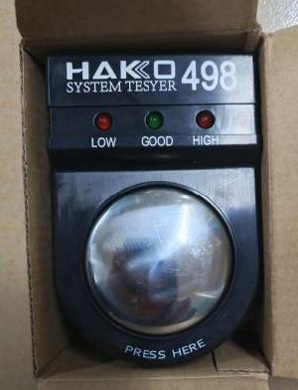 |  | 1 | 135 |  |  |  |  |  | 0.13 |  | 12X8.5X7.2 | Product Tooling | NO
illuminance meter | 照度计 | TES ELECTRICAL ELECTRONIC CORP. | TES1332A | 6925060313321 |  |  | 塑胶+电子组件 | DC9V | 5W | 2025-08-15 | CHINA | NEW |  |  | 1 | 560 |  |  |  |  |  | 0.49 |  | 19X15.5X5.5 | Product Tooling | NO
audio cable | 音频线 | EFSHIU ELECTRONICS CO.,LTD | YX-1424 | / |  |  | 线材+橡胶 | / | / | 2025-12-05 | CHINA | NEW |  |  | 40 | 15 |  |  |  |  |  | 2 |  | 23X14X1.5 | TEST USE | NO
Heating tube | 发热管 | Jingyi Electric Heating Equipment Store | 9.5X50 | / |  |  | 线材+铜 | 220V | 250W | 2025-12-05 | CHINA | NEW |  |  | 10 | 9 |  |  |  |  |  | 0.26 |  | 0.95X23 | Product Tooling | NO
proximity switch | 接近开关 | Shenzhen Litop Sensor Co., Ltd | TSW05-N | / |  |  | 塑胶+电子组件 | DC12 | 0.5w | 2025-11-25 | CHINA | NEW |  |  | 5 | 23 |  |  |  |  |  | 0.26 |  | 18.5X17X1.5 | Product Tooling | NO
Audio plug | 音频插头 | Yongsheng Electronics Co., Ltd | 6.35mm | / |  |  | 铜 | / | / | 2025-11-05 | CHINA | NEW |  |  | 70 | 4.5 |  |  |  |  |  | 0.84 |  | 9X1X1 | TEST USE | NO
DC POWER | DC电源板 | Yuansheng Microelectronics | LM2596S | / |  |  | 电子板 | DC12 | 10w | 2025-12-05 | CHINA | NEW |  |  | 20 | 4 |  |  |  |  |  | 0.22 |  | 4.5X2.5X1.5 | TEST USE | NO
Air flow joint | 气流转接头 | LAIZE Co., LTD | PL12-4 | / |  |  | 塑胶+铜 | / | / | 2025.11.20 | China | NEW |  |   | 60 | 3.5 |  |  |  |  |  | 1.19 |  | 4.5X3.5X2 | Equipment repair | NO
spring | 弹簧 | Daben Hardware Mold Co., Ltd | / | / |  |  | 弹簧钢 | / | / | 2025.11.13 | China | NEW |  |   | 20 | 5 |  |  |  |  |  | 0.33 |  | 5X1.2 | Equipment repair | NO
Button | 按钮 | Norfang Electronics Co., LTD | XB2-EA135 | / |  |  | 塑胶+铜 | / | / | 2024.11.20 | China | NEW |  |  | 30 | 3 |  |  |  |  |  | 0.52 |  | 5.2X2.6 | Equipment repair | NO
Probing needle | 探 针 | Huarong Probe Co. , Ltd | P125-B | / |  |  | 钢 | / | / | 2025-06-23 | CHINA | NEW |  |  | 800 | 0.5 |  |  |  |  |  | 0.17 |  | 5X3.5 | FCT repair | NO
terminal | 端子 | Si Chi Electronics Co., LTD | FDD5-250 | / |  |  | 塑胶+铜 | / | / | 2025-12-05 | CHINA | NEW |  |  | 190 | 0.3 |  |  |  |  |  | 0.23 |  | 2.5X0.6 | Equipment repair | NO
rubber wheel | 胶轮 | Techsen Electronics(ShenZhen)Co.,Ltd | / | / |  |  | 塑胶 | / | / | 2025-12-05 | CHINA | NEW |  |  | 1 | 20 |  |  |  |  |  | 0.32 |  | 10X5 | Equipment repair | NO
material rack with Wheel | 带轮物料架 | Hengguang Shelf Factory | 1215x457x1600mm-4L | / |  |  | 铁 | / | / | 2025-12-05 | CHINA | NEW |  |  | 10 | 285 |  |  | C8~C23 | 16 | 层架25kg *10 脚架6Kg *5 卡扣2Kg *1 | 层架25kg *10 脚架6Kg *5 卡扣1.5Kg *1 | 层架130x50x16 *10 脚架170x17x17 *5 卡扣28x20x19 *1 | 层架130x50x16 *10 脚架170x17x17 *5 卡扣28x20x19 *1 | Material placement | NO
Test Fixture | 测试夹具 | Techsen Electronics(ShenZhen)Co.,Ltd | Logtag | / | / | / | 铝 | / | / | 2025-12-15 | China | NEW |  |  | 20 | 208 | / | / | C24~C27 | 4 | 14*4 | 12.65*4 | 60x25x20 | 48x25x2 | Production Assemble | NO
Stencil | 钢网 | Shenzhen Changke Excellence Technology Co., LTD | EV16/USRIC | / |  |  | 钢/铝 |  |  | 2025-12-19 | China | NEW |  |  | 1 | 270 |  |  | C28 | 1 | 1.6KG | 1.1 | 56*66*3.0CM | 55*65*2.5CM | SMT | NO

