listing
1) ENGLISH ITEM NAME (ex : OOOO machine) | 2)中文名称 | 3) MANUFACTUROR (ex : OOO company) | 4) MODEL NO (ex : abc-123) | 5)Serial number | 6)CN hs code | 7)VN hs code | 8)Material | 9) VOLTAGE (ex : 220V) | 10) CAPACITY (ex :1200KW) | 11) Manufacture date (yyyy-mm-dd) | 12) ORIGIN | 13) NEW or USED | 14) PICTURE (BEFORE PACKING) | 15) PICTURE (NAME PLATE or label) | 16)Quantity | 17)cost(RMB 13%VAT) | 18)cost(USD) | 19)Total cost(USD) | 20)CARTON NO. | 21)CTN QTY | 22)G.W(KGS) | 23)N.W(KGS) | 24)Package Size(CM) | 25)Part size(CM) | 26)应用范围 | 27)是否带电源
Beer Button Ring Fixture | 啤按钮圈治具 | Techsen Electronics(ShenZhen)Co.,Ltd | AD-10 | AD-10F01 |  |  | 电木板 | / | / | 2025-09-23 | CHINA | NEW | 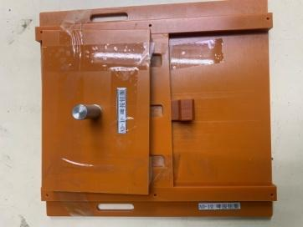 | 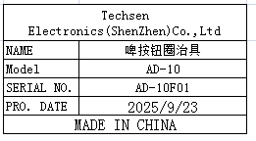 | 1 | 50 |  |  | W1 | 1 | 16 | 1.2 | 59X53X30 | 23.5X22X10 | Assemly | NO
Installation shell button and locking screw fixture | 装面壳按钮及锁螺丝治具 | Techsen Electronics(ShenZhen)Co.,Ltd | AD-10 | AD-10F02 |  |  | 电木板 | / | / | 2025-09-23 | CHINA | NEW | 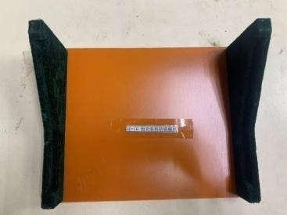 | 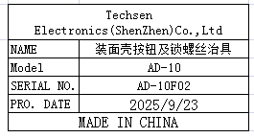 | 1 | 50 |  |  |  |  |  | 0.6 |  | 25X19X8.5 | Assemly | NO
Lock PANEL board screw fixture | 锁PANEL板螺丝夹具 | Techsen Electronics(ShenZhen)Co.,Ltd | AD-10 | AD-10F03 |  |  | 电木板 | / | / | 2025-09-23 | CHINA | NEW | 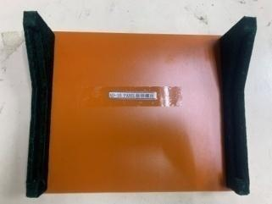 | 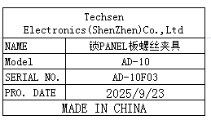 | 1 | 50 |  |  |  |  |  | 0.52 |  | 25X19X6 | Assemly | NO
Install PANEL board button fixture | 装PANEL板按钮治具 | Techsen Electronics(ShenZhen)Co.,Ltd | AD-10 | AD-10F04 |  |  | 电木板 | / | / | 2025-09-23 | CHINA | NEW |  | 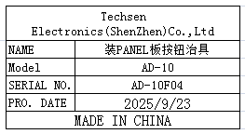 | 1 | 50 |  |  |  |  |  | 0.4 |  | 25X15X3 | Assemly | NO
Lock SHEET button board screw fixture | 锁SHEET按键板螺丝治具 | Techsen Electronics(ShenZhen)Co.,Ltd | AD-10 | AD-10F05 |  |  | 电木板 | / | / | 2025-09-23 | CHINA | NEW | 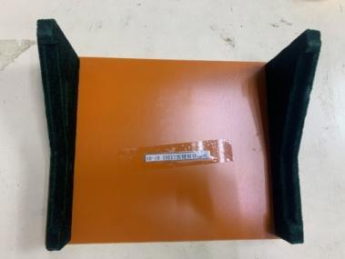 | 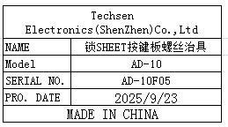 | 1 | 50 |  |  |  |  |  | 0.6 |  | 25X19X8.5 | Assemly | NO
Lock JACK board side screws and nuts | 锁JACK板侧面螺丝、螺母治具 | Techsen Electronics(ShenZhen)Co.,Ltd | AD-10 | AD-10F06 |  |  | 亚加历+电木板 | / | / | 2025-09-23 | CHINA | NEW |  | 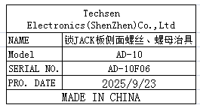 | 1 | 50 |  |  |  |  |  | 0.75 |  | 25X12X18 | Assemly | NO
Lock MAIN board side lock screw fixture | 锁MAIN板侧面螺丝治具 | Techsen Electronics(ShenZhen)Co.,Ltd | AD-10 | AD-10F07 |  |  | 亚加历+电木板 | / | / | 2025-09-23 | CHINA | NEW |  | 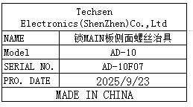 | 1 | 50 |  |  |  |  |  | 0.84 |  | 25X12X18 | Assemly | NO
Lock battery compartment screw fixture | 锁电池仓螺丝治具 | Techsen Electronics(ShenZhen)Co.,Ltd | AD-10 | AD-10F08 |  |  | 电木板 | / | / | 2025-09-23 | CHINA | NEW | 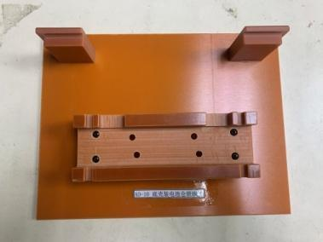 | 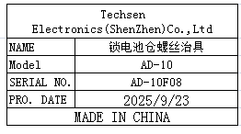 | 1 | 50 |  |  |  |  |  | 0.7 |  | 25X19X6 | Assemly | NO
Lock bottom shell screws and adhesive foot fixtures | 锁底壳螺丝及贴胶脚治具 | Techsen Electronics(ShenZhen)Co.,Ltd | AD-10 | AD-10F09 |  |  | 电木板 | / | / | 2025-09-23 | CHINA | NEW | 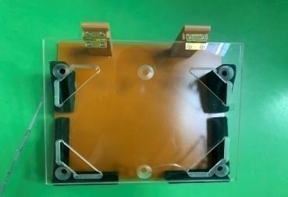 | 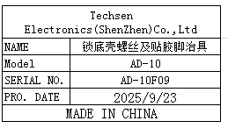 | 1 | 50 |  |  |  |  |  | 1.1 |  | 25X21.5X9 | Assemly | NO
Beer slingshot fixture | 啤弹弓治具 | Techsen Electronics(ShenZhen)Co.,Ltd | AD-10 | AD-10F10 |  |  | 铁+电木板 | / | / | 2025-09-23 | CHINA | NEW |  | 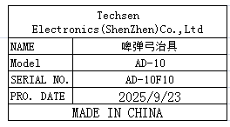 | 1 | 80 |  |  |  |  |  | 0.92 |  | 25X10X6 | Assemly | NO
soldering slingshot wire fixture | 焊电池仓弹弓扦头线治具 | Techsen Electronics(ShenZhen)Co.,Ltd | AD-10 | AD-10F11 |  |  | 电木板 | / | / | 2025-09-23 | CHINA | NEW | 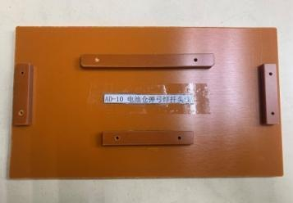 | 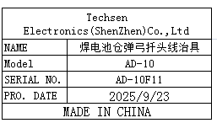 | 1 | 50 |  |  |  |  |  | 0.25 |  | 21X12X1.5 | Assemly | NO
Main board splitting fixture | MAIN板分板治具 | Techsen Electronics(ShenZhen)Co.,Ltd | AD-10 | AD-10F12 |  |  | 铁+电木板 | / | / | 2025-09-23 | CHINA | NEW | 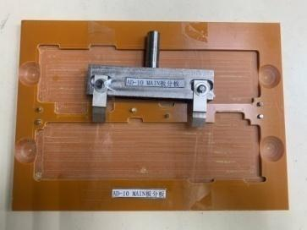 | 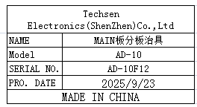 | 1 | 80 |  |  |  |  |  | 0.75 |  | 24X17X3 | Assemly | NO
PANEL board splitting fixture | PANEL板分板治具 | Techsen Electronics(ShenZhen)Co.,Ltd | AD-10 | AD-10F13 |  |  | 铝+电木板 | / | / | 2025-09-23 | CHINA | NEW | 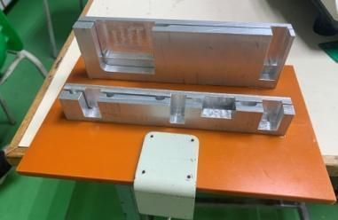 | 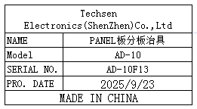 | 1 | 60 |  |  |  |  |  | 1.4 |  | 25X16X8 | Assemly | NO
Main board soldering fixture | MAIN板执锡治具 | Techsen Electronics(ShenZhen)Co.,Ltd | AD-10 | AD-10F14 |  |  | 电木板 | / | / | 2025-09-23 | CHINA | NEW | 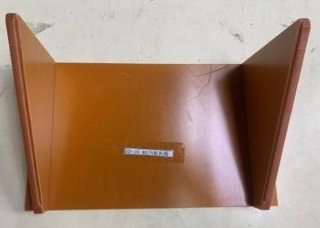 | 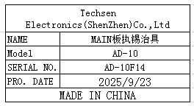 | 1 | 35 |  |  |  |  |  | 0.75 |  | 25X17X11.5 | Assemly | NO
PANEL board soldering fixture | PANEL板执锡治具 | Techsen Electronics(ShenZhen)Co.,Ltd | AD-10 | AD-10F15 |  |  | 电木板 | / | / | 2025-09-23 | CHINA | NEW | 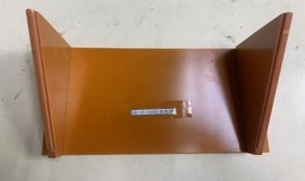 |  | 1 | 35 |  |  |  |  |  | 0.6 |  | 25X14.5X11 | Assemly | NO
LCD desoldering station | 数显电动吸锡台 | PROKIT INDUSTRIES CO.,LTD | SS-331H | 4711552159011 |  |  | 铁+电子元件 | AC220 | 140W | 2025-09-23 | CHINA | NEW | 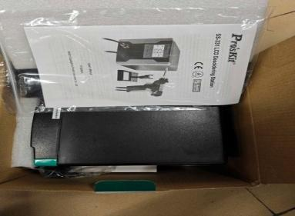 | 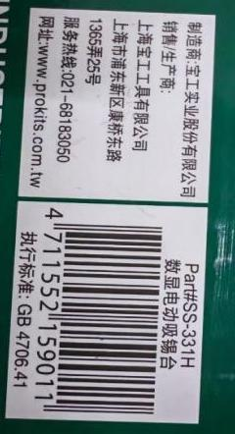 | 1 | 750 |  |  |  |  |  | 1.8 |  | 17.2X13.5X19 | PCBA soldering | NO

