listing
1) ENGLISH ITEM NAME (ex : OOOO machine) | 2)中文名称 | 3) MANUFACTUROR (ex : OOO company) | 4) MODEL NO (ex : abc-123) | 5)Serial number | 6)CN hs code | 7)VN hs code | 8)Material | 9) VOLTAGE (ex : 220V) | 10) CAPACITY (ex :1200KW) | 11) Manufacture date (yyyy-mm-dd) | 12) ORIGIN | 13) NEW or USED | 14) PICTURE (BEFORE PACKING) | 15) PICTURE (NAME PLATE or label) | 16)Quantity | 17)cost(RMB 13%VAT) | 18)cost(USD) | 19)Total cost(USD) | 20)CARTON NO. | 21)CTN QTY | 22)G.W(KGS) | 23)N.W(KGS) | 24)Package Size(CM) | 25)Part size(CM) | 26)应用范围 | 27)是否带电源
wave soldering Fixture | 过炉治具 | Dongguan Changan Xingyao Automation Processing Shop | MONOPOLY 2016(Main board) | MO2016F01A-O |  |  | 铁条/玻纤板 | / | / | 2026-01-26 | CHINA | NEW | 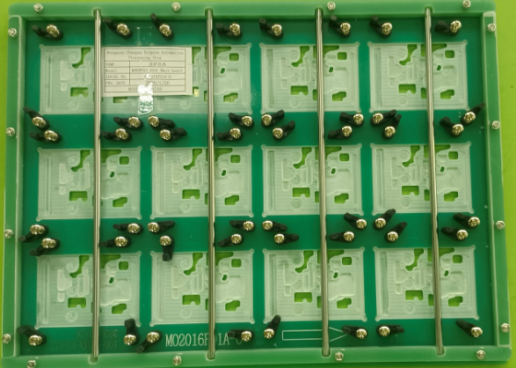 后补 | 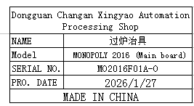 | 15 |  |  |  | H1,H16 | 2 | 14.13+12.49 | 13.13+11.49 | 44.5X39x18 | 40x30x2 | wave soldering | NO
V-CUT Splitting Machine | 走刀式分板机 | Quanzhou Youju Technology Co., Ltd | 400型 | / |  |  | 铁+电子元件 | AC220V | 100 | 2026-01-19 | CHINA | NEW | 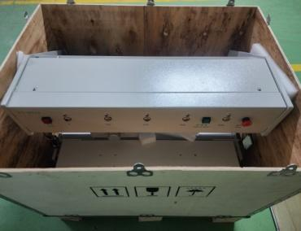 |  | 1 |  |  |  | H2 | 1 | 71 | 60 | 75X57X60 | 70X55X46 | Production Tooling | NO
Safety light curtain | 安全光幕 | Quanzhou Youju Technology Co., Ltd | / | / |  |  | 塑胶+电子元件 | DC24V | 5 | 2026-01-19 | CHINA | NEW | 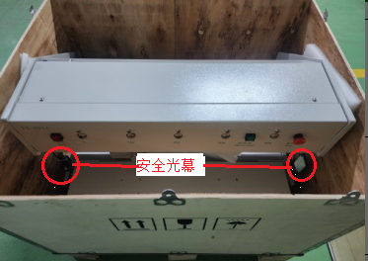 | 分板机配件(已安装在机器上) | 1 |  |  |  |  |  |  | 0.15 |  | 7X5X2 | Production Tooling | NO

