listing
1) ENGLISH ITEM NAME (ex : OOOO machine) | 2)中文名称 | 3) MANUFACTUROR (ex : OOO company) | 4) MODEL NO (ex : abc-123) | 5)Serial number | 6)CN hs code | 7)VN hs code | 8)Material | 9) VOLTAGE (ex : 220V) | 10) CAPACITY (ex :1200KW) | 11) Manufacture date (yyyy-mm-dd) | 12) ORIGIN | 13) NEW or USED | 14) PICTURE (BEFORE PACKING) | 15) PICTURE (NAME PLATE or label) | 16)Quantity | 17)cost(RMB 13%VAT) | 18)cost(USD) | 19)Total cost(USD) | 20)CARTON NO. | 21)CTN QTY | 22)G.W(KGS) | 23)N.W(KGS) | 24)Package Size(CM) | 25)Part size(CM) | 26)应用范围 | 27)是否带电源
Welding speaker wire fixture | 焊喇叭线治具 | Techsen Electronics(ShenZhen)Co.,Ltd | SIMON HARRY POTTER | SIMON F01A |  |  | 电木 |  |  | 2025-09-16 | CHINA | NEW |  | 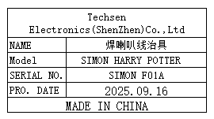 | 1 | 30 |  |  | Y1 | 1 | 8.55 | 0.27 | 52x34.5x36 | 24.5x6x4 | Prouduction Assembly | NO
heat press nut fixture | 热啤螺母治具 | Techsen Electronics(ShenZhen)Co.,Ltd | SIMON HARRY POTTER | SIMON F02A |  |  | 电木/铜 |  |  | 2025-09-16 | CHINA | NEW |  | 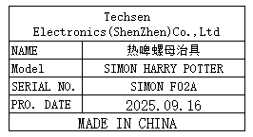 | 1 | 50 |  |  |  |  |  | 0.36 |  | 16x17x1.5 | Prouduction Assembly | NO
Press battery contact piece fixture | 啤电池片治具 | Techsen Electronics(ShenZhen)Co.,Ltd | SIMON HARRY POTTER | SIMON F03A |  |  | 铁 |  |  | 2025-09-16 | CHINA | NEW |  | 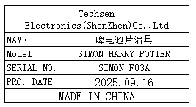 | 1 | 500 |  |  |  |  |  | 3.93 |  | 16.5x8x22 | Prouduction Assembly | NO
Fix the bottom shell with Pcba screw fixture | 固定底壳打PCBA螺丝治具 | Techsen Electronics(ShenZhen)Co.,Ltd | SIMON HARRY POTTER | SIMON F04A |  |  | 电木 |  |  | 2025-09-16 | CHINA | NEW |  | 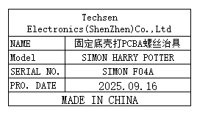 | 4 | 50 |  |  |  |  |  | 0.43 |  | 20.5x20.5x3 | Prouduction Assembly | NO
Fix the surface shell with bracket screw fixture | 固定面壳打支架螺丝治具 | Techsen Electronics(ShenZhen)Co.,Ltd | SIMON HARRY POTTER | SIMON F05A |  |  | 电木 |  |  | 2025-09-16 | CHINA | NEW |  | 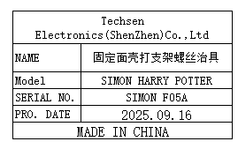 | 6 | 50 |  |  |  |  |  | 0.41 |  | 20.5x20.5x3 | Prouduction Assembly | NO
Finished product tester | 成品测试架 | Techsen Electronics(ShenZhen)Co.,Ltd | SIMON HARRY POTTER | SIMON J01A |  |  | 电木/电子元件 | 220V | 3W | 2025-09-16 | CHINA | NEW |  | 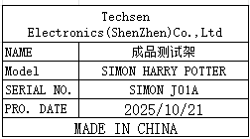 | 5 | 350 |  |  |  |  |  | 2.06 |  | 22.5x26x18.5 | Prouduction Assembly | YES
Color box periodic fixture | 彩盒打周期治具 | Techsen Electronics(ShenZhen)Co.,Ltd | SIMON HARRY POTTER | SIMON F06A |  |  | 电木 |  |  | 2025-09-16 | CHINA | NEW |  | 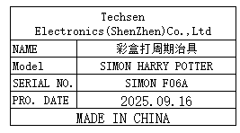 | 1 | 50 |  |  |  |  |  | 0.59 |  | 28x22x2 | Prouduction Assembly | NO
PCBA Test JIG | PCBA测试架 | Techsen Electronics(ShenZhen)Co.,Ltd | AD-10 | AD-10P01 |  |  | 电木板+铁 | / | / | 2025-10-13 | CHINA | NEW | 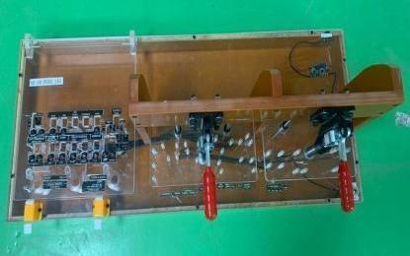 |  | 2 | 250 |  |  | Y2 | 1 | 26 | 18 | 86X52X38 | 75X30X28 | PCBA TEST | NO
Install MAIN board fixture | 装主板治具 | Techsen Electronics(ShenZhen)Co.,Ltd | AD-10 | AD-10F16 |  |  | 电木板 | / | / | 2025-10-13 | CHINA | NEW | 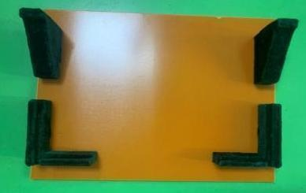 |  | 1 | 50 |  |  |  |  |  | 0.63 |  | 24X22X6.5 | Prouduction Assembly | NO
Lock panel VR nut fixture | 锁面板VR螺母治具 | Techsen Electronics(ShenZhen)Co.,Ltd | AD-10 | AD-10F17 |  |  | 电木板 | / | / | 2025-10-13 | CHINA | NEW | 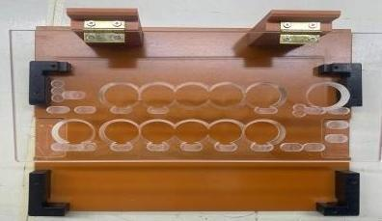 |  | 1 | 100 |  |  |  |  |  | 0.8 |  | 24X22X7.5 | Prouduction Assembly | NO
Color card positioning fixture | 彩卡定位治具 | Techsen Electronics(ShenZhen)Co.,Ltd | FSC-10 | DSC-10F01 |  |  | 电木板 | / | / | 2025-10-13 | CHINA | NEW | 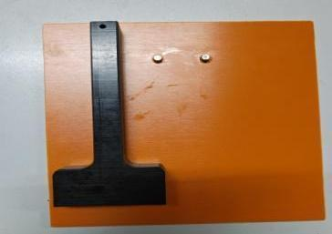 |  | 1 | 50 |  |  |  |  |  | 0.3 |  | 17.5X15.5X2.5 | Prouduction Assembly | NO
Stapler positioning fixture | 订书机定位治具 | Techsen Electronics(ShenZhen)Co.,Ltd | FSC-10 | DSC-10F02 |  |  | 电木板 | / | / | 2025-10-13 | CHINA | NEW | 后补 | 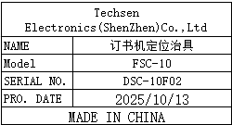 | 1 | 220 |  |  |  |  |  | 2.5 |  | 30X16X13 | Prouduction Assembly | NO
stainless steel tray | 不锈钢盘 | Guangzhou Shijia Kitchenware Store | / | / |  |  | 不锈钢 | / | / | 2025-10-13 | CHINA | NEW | 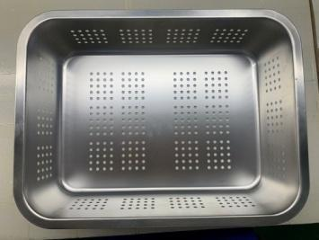 |  | 2 | 50 |  |  |  |  |  | 1.3 |  | 40X30X10 | Prouduction tool | NO
solder pot | 锡炉 | Chuang mei wei Electronic Technology Co., Ltd. | CM 350 | / |  |  | 电木板 | 220V | 200W | 2025-10-13 | CHINA | NEW | 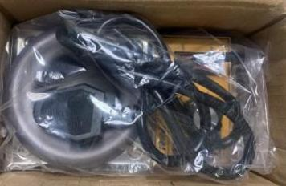 |  | 1 | 150 |  |  | Y3 | 1 | 12 | 0.62 | 63X47X31 | 16.5X9.5X9 | Prouduction tool | NO
Electric tin absorber | 电热吸锡器 | LUXIANZI Flagship Store | LXZ923107 | / |  |  | 铁+电子元件 | 220V | 40W | 2025-10-13 | CHINA | NEW | 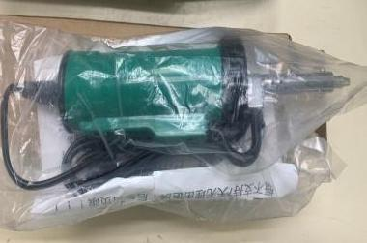 | 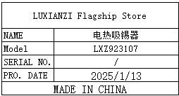 | 1 | 190 |  |  |  |  |  | 0.6 |  | 27.5X8X5.5 | Prouduction tool | NO
Hand pressed plastic sealing machine | 手压式塑料封口机 | WENZHOU CITY XINGYE MECHANICAL EQUIPMENT CO.,LTD | SF-400 | / |  |  | 铁+电子元件 | 220V | 40W | 2025-10-13 | CHINA | NEW |  |  | 1 | 180 |  |  |  |  |  | 3.4 |  | 57.5X11X19 | Prouduction tool | NO
paper cutter | 切纸机 | Deli Exclusive Flagship Store | A4 | / |  |  | 铁 | / | / | 2025-10-13 | CHINA | NEW | 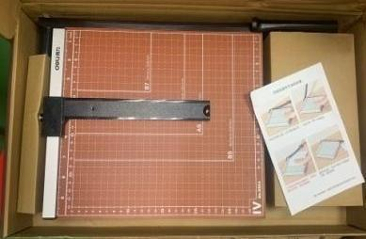 |  | 1 | 110 |  |  |  |  |  | 4.3 |  | 54X29X7 | Prouduction tool | NO
﻿Blow dust ball | 吹尘球 | Zhiyinfeng Flagship Store | Large size 90 | / |  |  | 橡胶 | / | / | 2025-10-13 | CHINA | NEW | 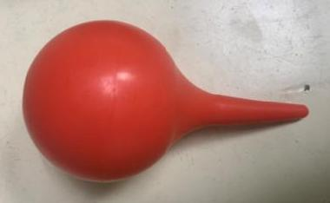 |  | 5 | 5 |  |  |  |  |  | 0.2 |  | 11.5X5.5X5.5 | Prouduction tool | NO
hygrometer | 湿度计 | Michell Instruments Co.LTD | OPT401-GP5-C1 | 171609 |  |  | 塑胶+电子元件 | 220V | 3W | 2025-07-21 | UK | NEW | 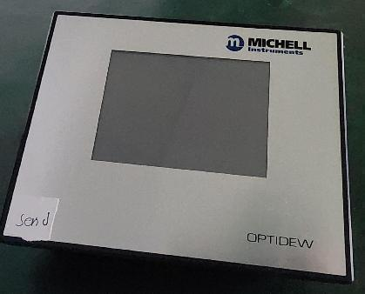 | 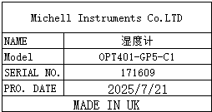 | 1 | 200 |  |  | Y4 | 1 | 2.87 | 1.38 | 54x36x25 | 22x18x11 | Prouduction test | YES
Stencil | 钢网 | Shenzhen Changke Excellence Technology Co., LTD | 100-25017-02-00 V01 | / |  |  | 钢/铝 | / | / | 2025.08.05 | China | NEW |  |  | 1 | 145 |  |  | Y5 | 1 | 2 | 0.6 | 48*40*5 | 47*37*2CM | SMT | NO
Stencil | 钢网 | Shenzhen Changke Excellence Technology Co., LTD | 100-25017-03-00 V00 | / |  |  | 钢/铝 | / | / | 2025.07.11 | China | NEW |  |  | 1 | 145 |  |  |  |  |  | 0.6 |  | 47*37*2CM

