listing
1) ENGLISH ITEM NAME (ex : OOOO machine) | 2)中文名称 | 3) MANUFACTUROR (ex : OOO company) | 4) MODEL NO (ex : abc-123) | 5)Serial number | 14) PICTURE (BEFORE PACKING) | 15) PICTURE (NAME PLATE or label) | 16)Quantity | 20)CARTON NO. | 21)CTN QTY
FCT JIG | 测试架 | Techsen Electronics(ShenZhen)Co.,Ltd | GOMIXERST | GOMIXERST P03 | 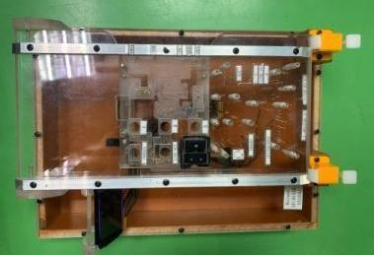 | 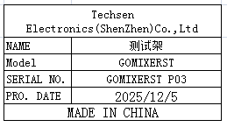 | 2 | C5 | 1
FCT JIG | 测试架 | Techsen Electronics(ShenZhen)Co.,Ltd | VE-8 | VE-08 P01 |  | 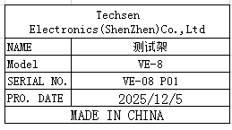 | 2
Lock face shell VR nut fixture | 锁面壳VR螺母治具 | Techsen Electronics(ShenZhen)Co.,Ltd | VE-8 | VE-08 P02 | 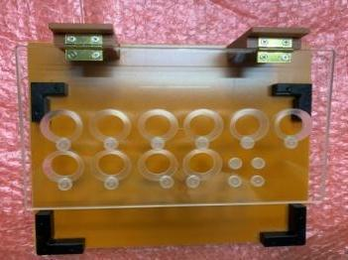 | 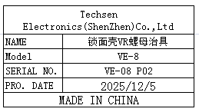 | 1 | C6 | 1
Lock bottom shell screws and adhesive foot fixtures | 锁底壳螺丝及贴胶脚治具 | Techsen Electronics(ShenZhen)Co.,Ltd | VE-8 | VE-08 P03 | 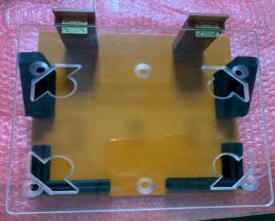 | 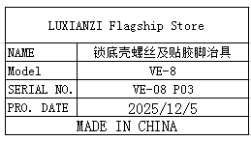 | 1
Bottom shell battery compartment and locking screw fixture | 装底壳电池仓及锁螺丝治具 | Techsen Electronics(ShenZhen)Co.,Ltd | VE-8 | VE-08 P04 | 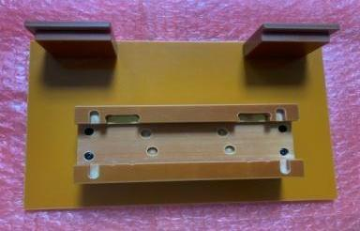 |  | 1
Loading beer slingshot fixture | 装啤弹弓治具 | Techsen Electronics(ShenZhen)Co.,Ltd | VE-8 | VE-08 P05 | 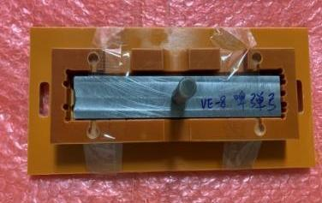 |  | 1
Welding battery slingshot wire fixture | 焊电池弹弓扦头线治具 | Techsen Electronics(ShenZhen)Co.,Ltd | VE-8 | VE-08 P06 | 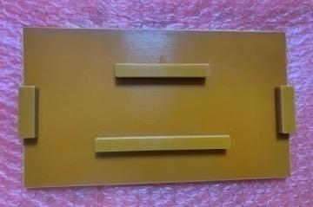 | 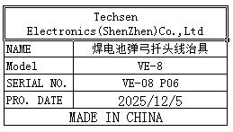 | 1
Lock MAIN board side screw and nut fixture | 锁MAIN板侧面螺丝、螺母治具 | Techsen Electronics(ShenZhen)Co.,Ltd | VE-8 | VE-08 P07 | 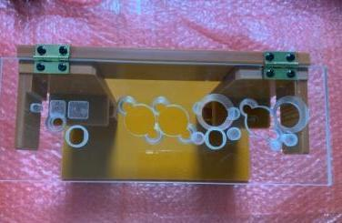 | 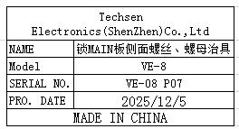 | 1
Lock JACK board side screw and nut fixture | 锁JACK板侧面螺丝、螺母治具 | Techsen Electronics(ShenZhen)Co.,Ltd | VE-8 | VE-08 P08 | 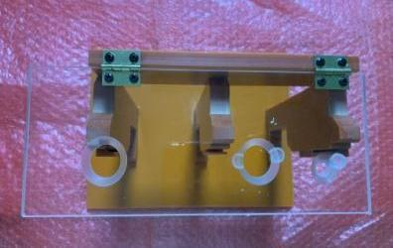 | 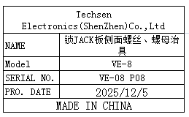 | 1
Install MAIN board cutting and wiring fixture | 装MAIN板扦排线治具 | Techsen Electronics(ShenZhen)Co.,Ltd | VE-8 | VE-08 P09 | 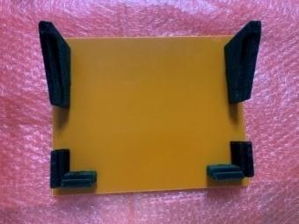 | 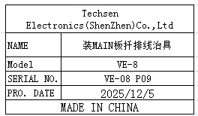 | 1
PANEL board lock screw fixture | 锁PANEL板螺丝治具 | Techsen Electronics(ShenZhen)Co.,Ltd | VE-8 | VE-08 P10 | 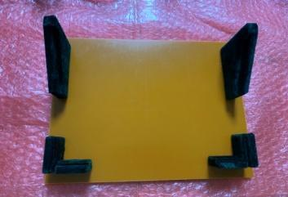 |  | 1
Install PANEL board button fixture | 装PANEL板按钮治具 | Techsen Electronics(ShenZhen)Co.,Ltd | VE-8 | VE-08 P11 | 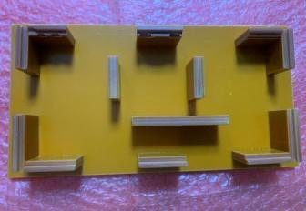 |  | 1
Lock button board screw fixture | 锁按键板螺丝治具 | Techsen Electronics(ShenZhen)Co.,Ltd | VE-8 | VE-08 P12 | 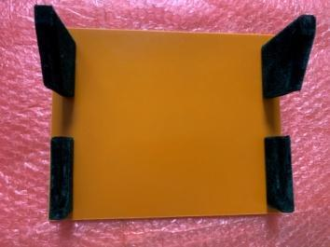 | 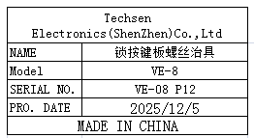 | 1
Lock shell button screw fixture | 锁面壳按钮螺丝治具 | Techsen Electronics(ShenZhen)Co.,Ltd | VE-8 | VE-08 P13 | 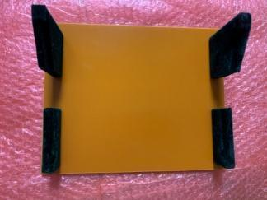 | 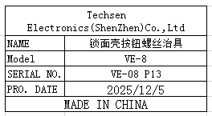 | 1
Beer button fixture | 啤按钮治具 | Techsen Electronics(ShenZhen)Co.,Ltd | VE-8 | VE-08 P14 | 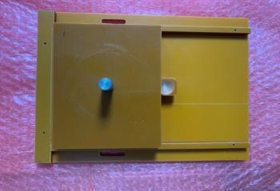 | 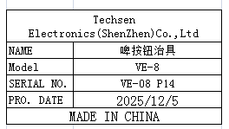 | 1
Check if there is no spray painting position fixture on the surface shell | 检查面壳无喷漆位置治具 | Techsen Electronics(ShenZhen)Co.,Ltd | VE-8 | VE-08 P15 |  | 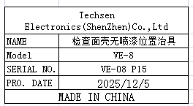 | 1
Main board splitting fixture | MAIN板分板治具 | Techsen Electronics(ShenZhen)Co.,Ltd | VE-8 | VE-08 P16 | 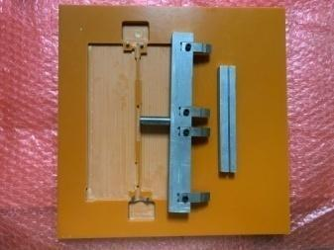 | 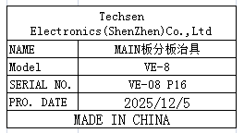 | 1
JACK board splitting fixture | JACK板分板治具 | Techsen Electronics(ShenZhen)Co.,Ltd | VE-8 | VE-08 P17 | 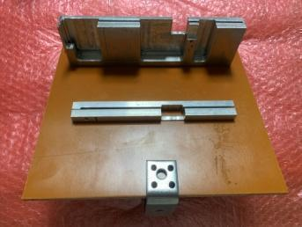 | 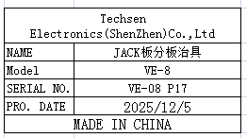 | 1
PANEL board splitting fixture | PANEL板分板治具 | Techsen Electronics(ShenZhen)Co.,Ltd | VE-8 | VE-08 P18 | 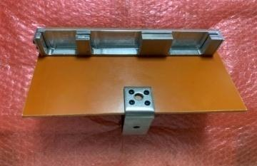 | 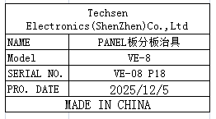 | 1
Main PCB soldering fixture | MAIN拼板执锡治具 | Techsen Electronics(ShenZhen)Co.,Ltd | VE-8 | VE-08 P19 | 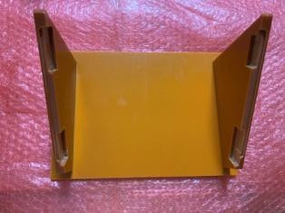 | 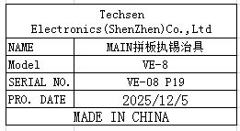 | 1
PANEL panel soldering fixture | PANEL拼板执锡治具 | Techsen Electronics(ShenZhen)Co.,Ltd | VE-8 | VE-08 P20 | 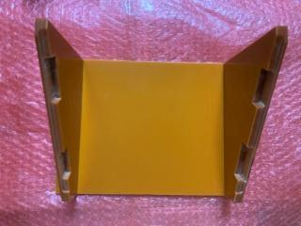 | 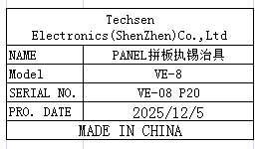 | 1
Beer bottom shell LED lens fixture | 啤底壳LED lens治具 | Techsen Electronics(ShenZhen)Co.,Ltd | AE-BIRSA | AE-BRISA-F01 | 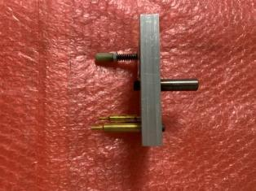 | 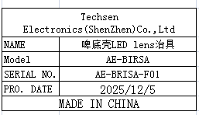 | 1
COVER B fixture for hot beer noodle shell | 热啤面壳COVER B治具 | Techsen Electronics(ShenZhen)Co.,Ltd | AE-BIRSA | AE-BRISA-F02 | 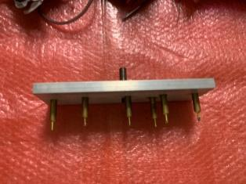 | 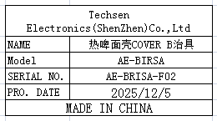 | 1
COVER A fixture for hot beer noodle shell | 热啤面壳COVER A治具 | Techsen Electronics(ShenZhen)Co.,Ltd | AE-BIRSA | AE-BRISA-F03 | 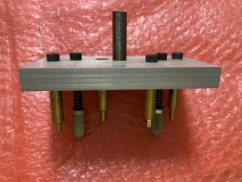 | 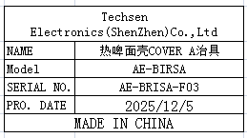 | 1
rabbet pliers | 扎线钳 | ABC Co.,Ltd | AB-1218 | / |  | 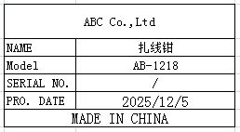 | 5 | C7 | 1
High precision electronic scale | 高精度电子秤 | Yuedi Electronic Balance CO.Ltd | BL-(X) | / | 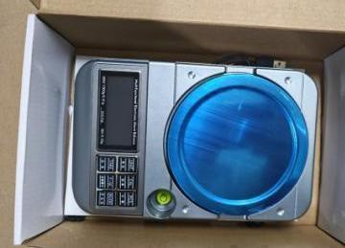 | 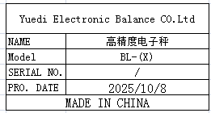 | 3
Electric screwdriver bit | 电动螺丝刀批咀 | weeli Co.LTD | Y4x60 | / | 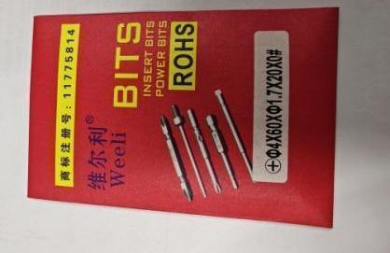 | 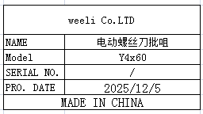 | 30
Electric screwdriver bit | 电动螺丝刀批咀 | weeli Co.LTD | Y4x60X3X20X0# | / |  |  | 30
Electric screwdriver bit | 电动螺丝刀批咀 | weeli Co.LTD | Y4x60X2.5X25XH1.5 | / |  |  | 10
Electric screwdriver bit | 电动螺丝刀批咀 | weeli Co.LTD | Y5x60X2.5X25XH1.5 | / |  |  | 10
pressing buckle | 压扣 | Suzhou Xinyuan Electronic Store | 2# | / | 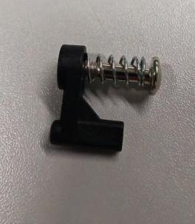 | 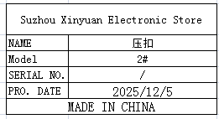 | 300
Electrostatic wristband tester | 静电手带测试器 | HAKO Technology Co., LTD | 498 | 49858302730 | 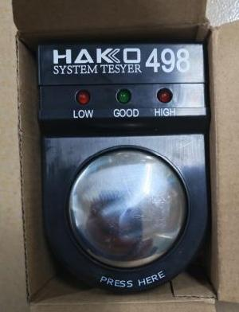 |  | 1
illuminance meter | 照度计 | TES ELECTRICAL ELECTRONIC CORP. | TES1332A | 6925060313321 |  |  | 1
audio cable | 音频线 | EFSHIU ELECTRONICS CO.,LTD | YX-1424 | / |  |  | 10
audio cable | 音频线 | EFSHIU ELECTRONICS CO.,LTD | 3.5 | / |  |  | 30
Heating tube | 发热管 | Jingyi Electric Heating Equipment Store | 9.5X50 | / |  |  | 10
proximity switch | 接近开关 | Shenzhen Litop Sensor Co., Ltd | TSW05-N | / |  |  | 5
Audio plug | 音频插头 | Yongsheng Electronics Co., Ltd | 6.35mm | / |  |  | 50
Audio plug | 音频插头 | Yongsheng Electronics Co., Ltd | 6.35mm/RCA | / |  |  | 10
Audio plug | 音频插头 | Yongsheng Electronics Co., Ltd | 6.35mm/3.5 | / |  |  | 10
DC POWER | DC电源板 | Yuansheng Microelectronics | LM2596S | / |  |  | 20
Air flow joint | 气流转接头 | LAIZE Co., LTD | PL12-4 | / |  |   | 60
spring | 弹簧 | Daben Hardware Mold Co., Ltd | / | / |  |   | 20
Button | 按钮 | Norfang Electronics Co., LTD | XB2-EA135 | / |  |  | 30
Probing needle | 探 针 | Huarong Probe Co. , Ltd | P125-B | / |  |  | 100
Probing needle | 探 针 | Huarong Probe Co. , Ltd | PA100-H2 |  |  |  | 100
Probing needle tube | 探针套 | Huarong Probe Co. , Ltd | R100-4W |  |  |  | 100
Probing needle tube | 探针套 | Huarong Probe Co. , Ltd | RM75-2W |  |  |  | 100
Probing needle | 探针 | Huarong Probe Co. , Ltd | PM75-T2 |  |  |  | 100
Probing needle tube | 探针套 | Huarong Probe Co. , Ltd | RS-2S |  |  |  | 100
British steel probe | 英钢探针 | ingun Prufmittelbau GmbH | GKS075217120A200 |  |  |  | 200
terminal | 端子 | Si Chi Electronics Co., LTD | FDD5-250 | / |  |  | 150
Banana plug | 香蕉插头 | Si Chi Electronics Co., LTD | 4mm | / |  |  | 40
socket | 插座 |  | 2X10P | / |  |  | 20
rubber wheel | 胶轮 | Techsen Electronics(ShenZhen)Co.,Ltd | / | / |  |  | 1
Drill tip | 钻咀 | Weishi Flagship Store | 2/2.5/3/3.5/ 4/4.5/5 | / |  |  | 16
Rocker Switch | 船形开关 | Jiuxin Electronics Co., LTD | KCD3-11-Y | / |  |  | 10
carbon brush | 碳刷 | Dongteng Carbon Products Co., Ltd | 3200/6200 | / |  |  | 20
material rack with Wheel | 带轮物料架 | Hengguang Shelf Factory | 1215x457x1600mm-4L | / |  |  | 10 | C8~C23 | 16
Test Fixture | 测试夹具 | Techsen Electronics(ShenZhen)Co.,Ltd | Logtag | / |  |  | 20 | C24~C27 | 4
Stencil | 钢网 | Shenzhen Changke Excellence Technology Co., LTD | EV16/USRIC | / |  |  | 1 | C28 | 1

