listing
1) ENGLISH ITEM NAME (ex : OOOO machine) | 2)中文名称 | 3) MANUFACTUROR (ex : OOO company) | 4) MODEL NO (ex : abc-123) | 5)Serial number | 6)CN hs code | 7)VN hs code | 8)Material | 9) VOLTAGE (ex : 220V) | 10) CAPACITY (ex :1200KW) | 11) Manufacture date (yyyy-mm-dd) | 12) ORIGIN | 13) NEW or USED | 14) PICTURE (BEFORE PACKING) | 15) PICTURE (NAME PLATE or label) | 16)Quantity | 17)cost(RMB 13%VAT) | 18)cost(USD) | 19)Total cost(USD) | 20)CARTON NO. | 21)CTN QTY | 22)G.W(KGS) | 23)N.W(KGS) | 24)Package Size(CM) | 25)Part size(CM) | 26)应用范围 | 27)是否带电源
Oven fixture | 烘箱 | Shanghai Border City Electronic Technology Co., LTD | 101-00BS | ZT3650 ZT3651 |  |  | 铁 | 220V | 800W | 2026-03-09 | CHINA | NEW | 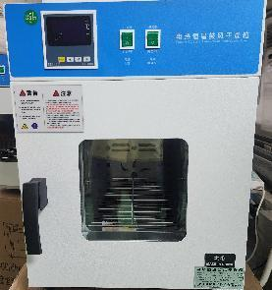 |  | 2 | / |  |  | K1,K9 | 2 | 16 | 15 | 60x50x70 | 350x350x350 | Production Assemble | YES
wave soldering Fixture | 过炉治具 | Dongguan Changan Xingyao Automation Processing Shop | BOP IT BLUEY(Main board) | BOPBLUMF01A-D |  |  | 玻纤板 | / | / | 2026-03-11 | CHINA | NEW | 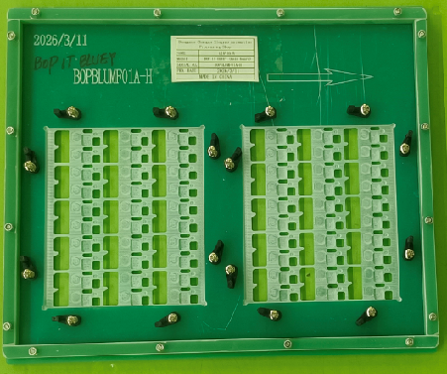 后补 | 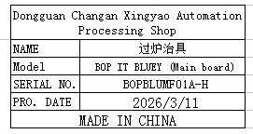 | 8 | / |  |  | K2 | 1 | 14.5 | 13.5 | 39X39x21 | 38x30x2 | wave soldering | NO

