listing
1) ENGLISH ITEM NAME (ex : OOOO machine) | 2)中文名称 | 3) MANUFACTUROR (ex : OOO company) | 4) MODEL NO (ex : abc-123) | 5)Serial number | 6)CN hs code | 7)VN hs code | 8)Material | 9) VOLTAGE (ex : 220V) | 10) CAPACITY (ex :1200KW) | 11) Manufacture date (yyyy-mm-dd) | 12) ORIGIN | 13) NEW or USED | 14) PICTURE (BEFORE PACKING) | 15) PICTURE (NAME PLATE or label) | 16)Quantity | 17)cost(RMB 13%VAT) | 18)cost(USD) | 19)Total cost(USD) | 20)CARTON NO. | 21)CTN QTY | 22)G.W(KGS) | 23)N.W(KGS) | 24)Package Size(CM) | 25)Part size(CM) | 26)应用范围 | 27)是否带电源
Weights | 砝码 | Shenzhen Santaixin Electronic Technology Co., Ltd | / | 3729 | / | / | 不锈钢 | / | / | 2024.03. | China | NEW | 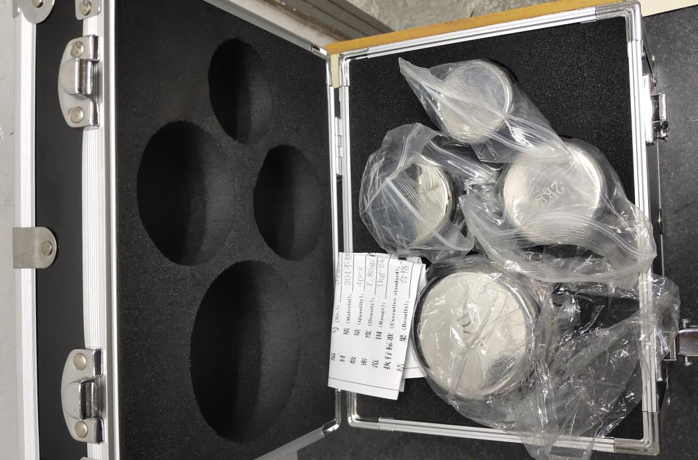 | 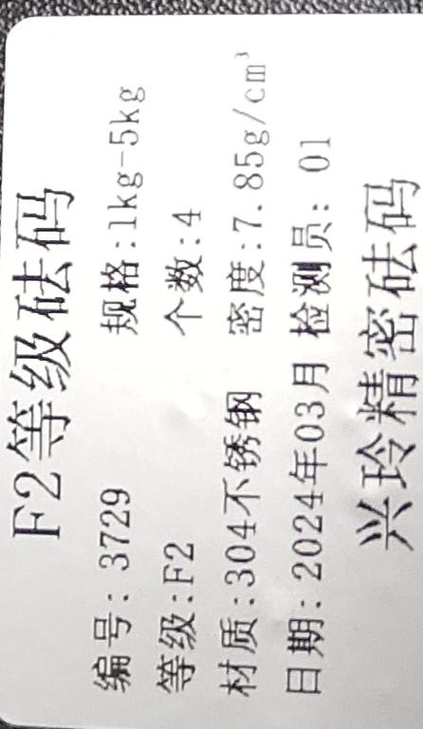 | 1 | 800 |  |  | / | P2 | 11.62 | 11.25 | 29x22x22 | 23x18x19 | Measuring tools | NO
Weights | 砝码 | Shenzhen Santaixin Electronic Technology Co., Ltd | / | 3097 | / | / | 不锈钢 | / | / | 2024.05. | China | NEW | 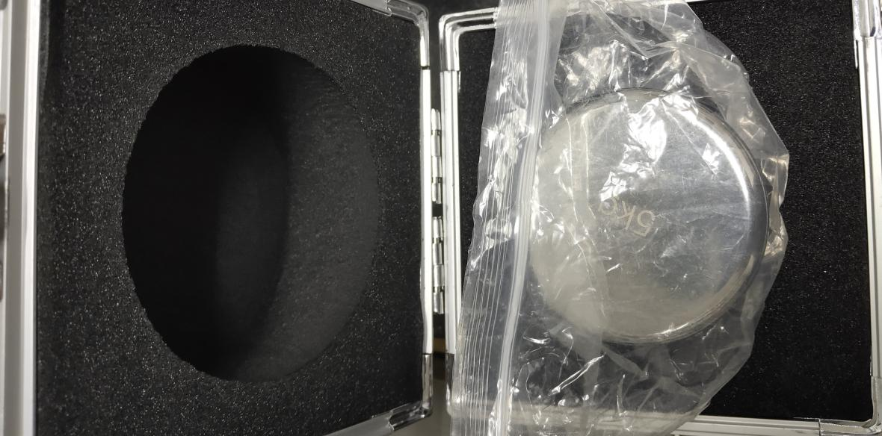 | 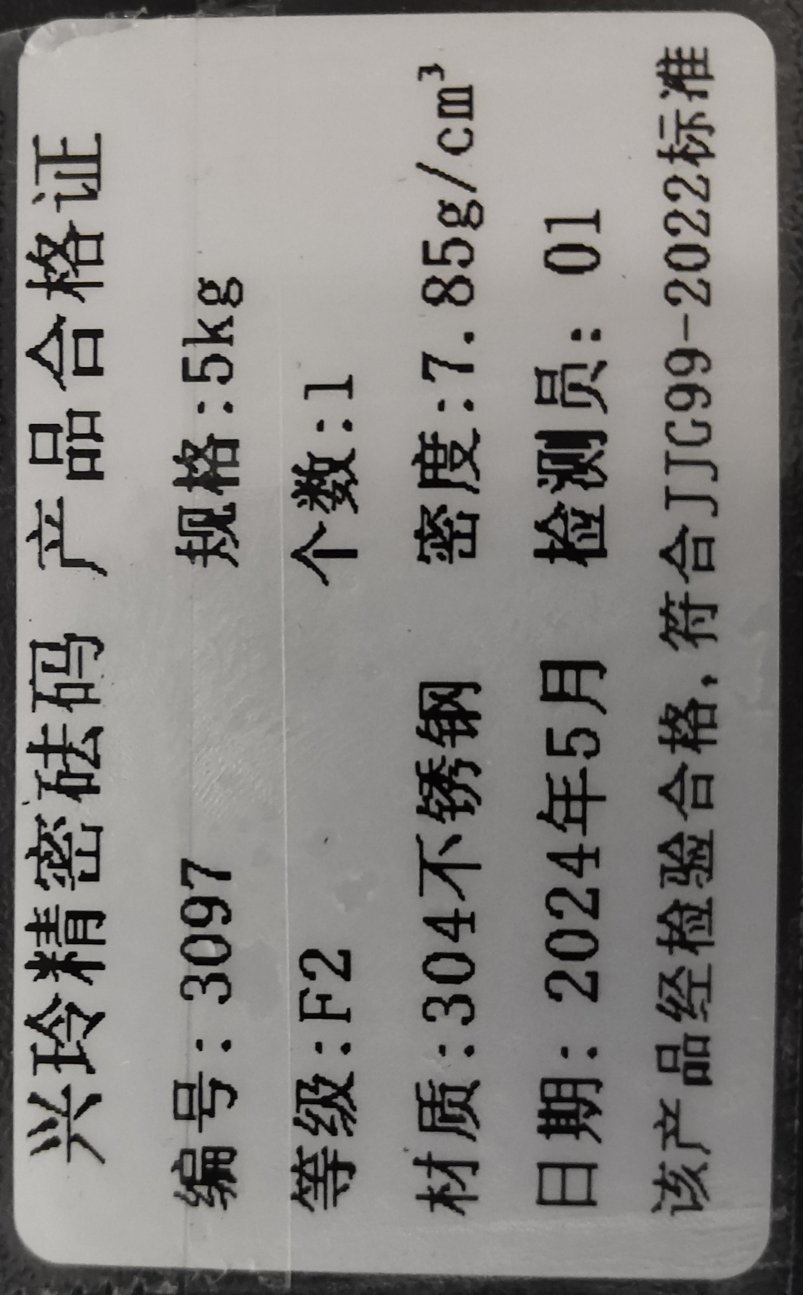 | 1 | 416 |  |  | / | P3 | 6.13 | 5.82 | 24x18x21 | 15x15x19 | Measuring tools | NO
Weights | 砝码 | Shenzhen Santaixin Electronic Technology Co., Ltd | / | 3625 | / | / | 不锈钢 | / | / | 2024.05. | China | NEW | 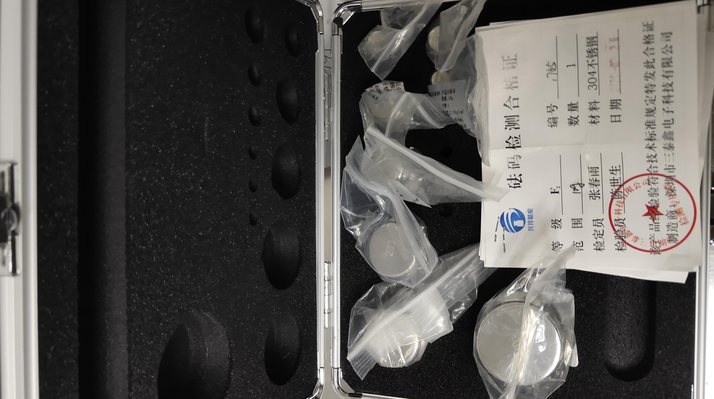 |  | 1 | 1040 |  |  | / | P4 | 1.94 | 1.57 | 26x25x14 | 19x17x11 | Measuring tools | NO
Gauge block | 量块 | SHENZHEN NAIREDD INDUSTRIAL CO.LTD | / | 61315 | / | / | 不锈钢 | / | / | 2024.03. | China | NEW | 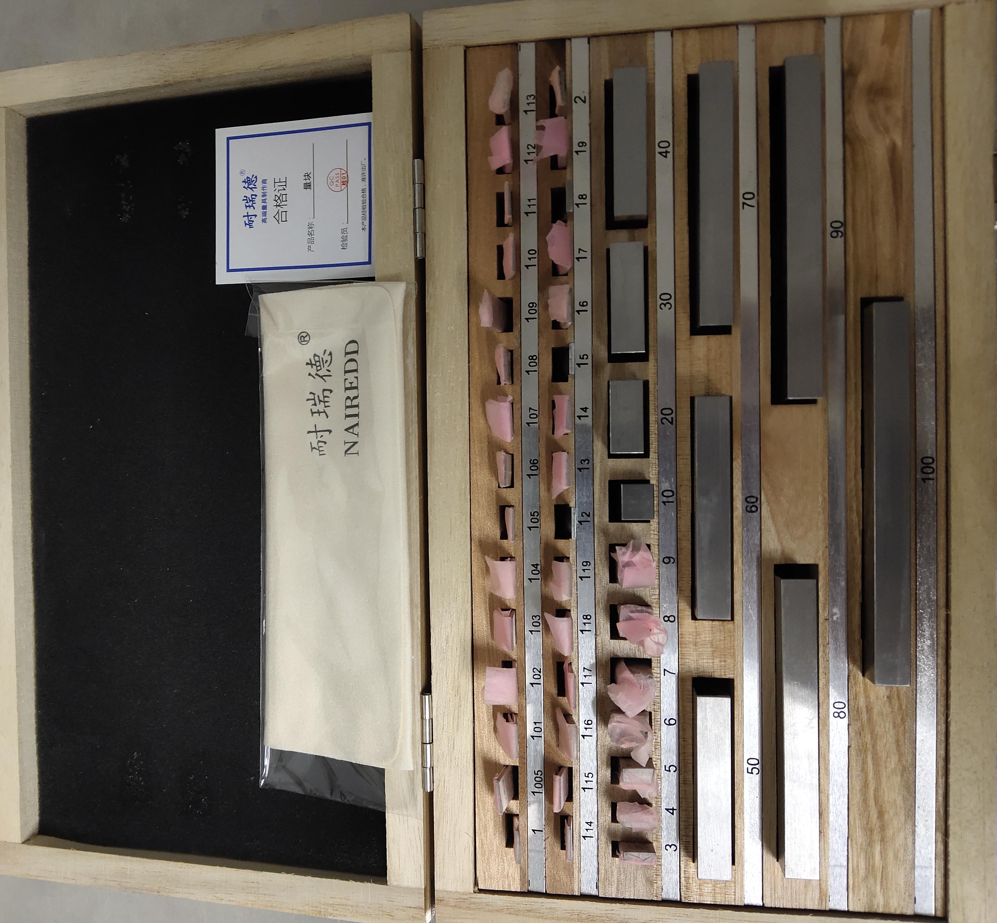 |  | 1 | 798 |  |  | / | P5 | 2.55 | 2.30 | 35x24x12 | 29x18x6 | Measuring tools | NO

