listing
1) ENGLISH ITEM NAME (ex : OOOO machine) | 2)中文名称 | 3) MANUFACTUROR (ex : OOO company) | 4) MODEL NO (ex : abc-123) | 5)Serial number | 11) Manufacture date (yyyy-mm-dd) | 12) ORIGIN | 13) NEW or USED | 14) PICTURE (BEFORE PACKING) | 15) PICTURE (NAME PLATE or label) | 16)Quantity | 17)cost(RMB 13%VAT) | 18)cost(USD) | 19)Total cost(USD) | 20)CARTON NO. | 21)CTN QTY | 22)G.W(KGS) | 23)N.W(KGS) | 24)Package Size(CM) | 25)Part size(CM) | 26)应用范围 | 27)是否带电源
Drill tip | 钻咀 | Weishi Flagship Store | / | / | 5/9/2025 | CHINA | NEW |  | 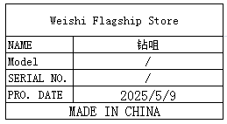 | 10 | 5 |  |  | K1 | 1 | 19 | 0.04 | 64X40X42 | 0.3X6 | TOOLS | NO
BNC connector | BNC接头 | Shenzhen Weichuang Shengda Technology | Q9 | / | 5/9/2025 | CHINA | NEW | 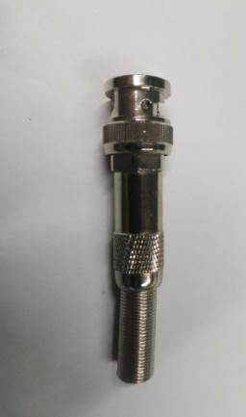 | 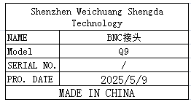 | 30 | 6 |  |  |  |  |  | 0.29 |  | 1.5X6.5 | Equipment maintenance | NO
Multimeter | 数字万用表 | Vici technology Co., LTD. | VC97A | VC NO.2656109 VC NO.2656119 | 5/2/2024 | CHINA | NEW | 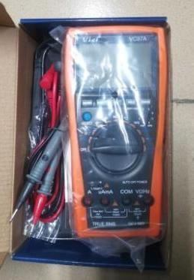 |  | 2 | 170 |  |  |  |  |  | 1.12 |  | 21.5X13.5X6 | TOOLS | NO
emergency stop switch | 急停开关 | YIJIA Industrial Control Electrical Appliance Co., Ltd | LA36M | / | 1/4/2025 | CHINA | NEW | 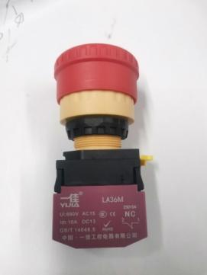 | 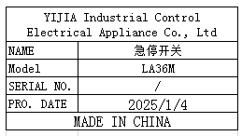 | 4 | 10 |  |  |  |  |  | 0.18 |  | 8X4X4 | Equipment maintenance | NO
Paper cutting machine knife holder | 切胶纸机刀架 | Good Helper Tools Store | M1000S | / | 5/9/2025 | CHINA | NEW | 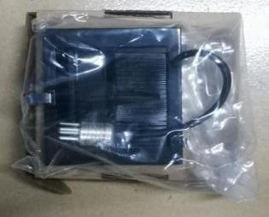 | 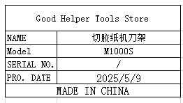 | 2 | 50 |  |  |  |  |  | 0.24 |  | 8X7X1.5 | Equipment maintenance | NO
tie gun | 扎带枪 | Delixi Electrical Appliance Co., LTD | TG-100 | / | 2/24/2025 | CHINA | NEW |  | 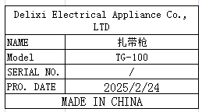 | 5 | 25 |  |  |  |  |  | 0.42 |  | 17X7.5X2 | TOOLS | NO
Half wave speed regulator | 半波调速器 | Xinmao Hardware Electrical Appliances | DYC-5A | / | 5/9/2025 | CHINA | NEW | 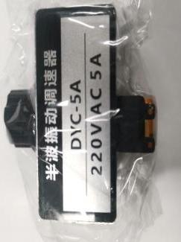 | 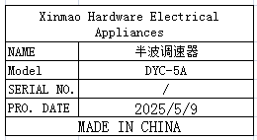 | 3 | 35 |  |  |  |  |  | 1.33 |  | 5X3.5X3.2 | Equipment maintenance | NO
Magnetic switch | 磁性开关 | AIRTAC Co., LTD | CMSG-020 | / | 5/9/2025 | CHINA | NEW |  | 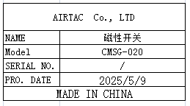 | 1 | 15 |  |  |  |  |  | 0.03 |  |  | Equipment maintenance | NO
Rectifier | 整流桥 | Lanfeng Flagship Store | KBPC3510 | / | 5/9/2025 | CHINA | NEW |  | 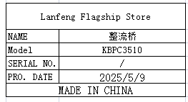 | 1 | 10 |  |  |  |  |  | 0.02 |  | 2.7X2.7X2.3 | Equipment maintenance | NO
Alarm | 警报灯 | Shanghai Jindun Electronic and Electrical City | AD16-16SM | / | 5/9/2025 | CHINA | NEW |  | 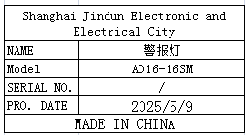 | 1 | 5 |  |  |  |  |  | 0.02 |  | 5.5X2 | Equipment maintenance | NO
Airflow control valve | 气流调节阀 | Huali Pneumatic Factory | HVFF8 | / | 5/9/2025 | CHINA | NEW | 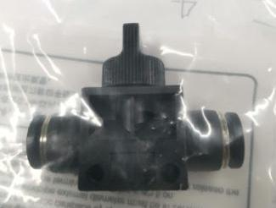 | 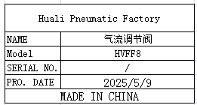 | 5 | 8 |  |  |  |  |  | 0.07 |  | 5X4X2 | Equipment maintenance | NO
hexagon screw | 六角螺丝 | Chu Wei Flagship Store | M4X10 | / | 5/9/2025 | CHINA | NEW |  | 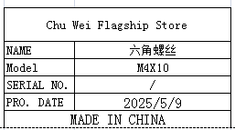 | 80 | 0.25 |  |  |  |  |  | 0.38 |  | 4X10 | Equipment maintenance | NO
relay | 继电器 | Fushen Industrial Control Automation | MY2N-GS | / | 5/9/2025 | CHINA | NEW | 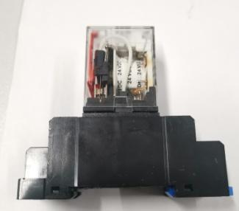 | 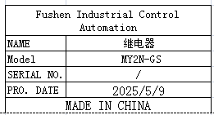 | 2 | 13 |  |  |  |  |  | 0.17 |  | 8X6.5X2.5 | Equipment maintenance | NO
solenoid valve | 电磁阀 | AIRTAC Co., LTD | 4V120-06 | / | 5/9/2025 | CHINA | NEW |  | 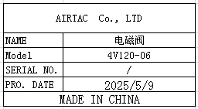 | 3 | 57 |  |  |  |  |  | 0.55 |  | 14.5X5.5X2 | Equipment maintenance | NO
Electric heating tube | 电热管 | Jingyi Electric Heating Tube Factory | / | / | 5/9/2025 | CHINA | NEW |  | 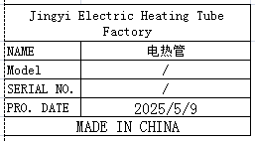 | 5 | 18 |  |  |  |  |  | 0.12 |  | 30X0.95 | Equipment maintenance | NO
pressing buckle | 压扣 | Fixture Accessories Store | / | / | 5/9/2025 | CHINA | NEW |  | 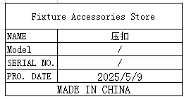 | 5 | 5 |  |  |  |  |  | 0.1 |  | 4.5X4X3.8 | Equipment maintenance | NO
L-shaped iron sheet | L型铁片 | Techsen Electronics(ShenZhen)Co.,Ltd | / | / | 5/9/2025 | CHINA | NEW |  | 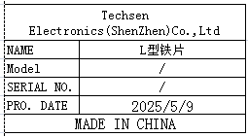 | 30 | 20 |  |  |  |  |  | 2.73 |  | 7X2X1.5 | TOOLS | NO
Tensiometer | 拉力计 | Ruifeng Electronic Tool Store | TK-1000 | / | 3/3/2025 | CHINA | NEW |  | 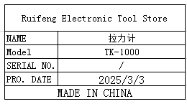 | 2 | 250 |  |  |  |  |  | 0.44 |  | 34X2.2 | TOOLS | NO
Cooling fan | 散热风扇 | SHANGHAI XIANGAO ELECTRONICS CO.,LTD | / | / | 5/9/2025 | CHINA | NEW | 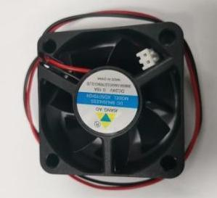 | 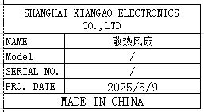 | 3 | 12 |  |  |  |  |  | 0.1 |  | 5X5X2 | Equipment maintenance | NO
Desktop magnifying glass | 台式放大镜 | Shenzhen Lianchuangda Electronic Tools | LT-86C | / | 5/9/2025 | CHINA | NEW | 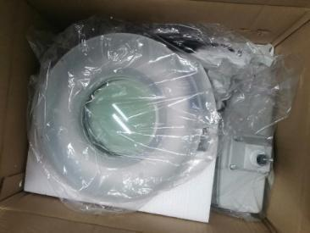 | 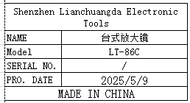 | 2 | 300 |  |  |  |  |  | 5.9 |  | 38X30X15 | TOOLS | NO
Hot air gun welding table | 热风枪焊台 | QUICK Intelligent Equipment Co., Ltd | QUICK957DW+ | N20250316518、 N20250316519 | 3/13/2025 | CHINA | NEW | 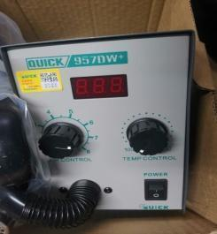 |  | 2 | 510 |  |  |  |  |  | 3.68 |  | 24X17X21 | TOOLS | NO
Panel separation fixture | 分板治具 | Techsen Electronics(ShenZhen)Co.,Ltd | GX-1 | GX-1F16 | 5/9/2025 | CHINA | NEW |  | 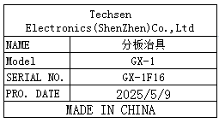 | 2 | 80 |  |  | K2 | 1 | 3.8 | 1.2 | 34X30X22 | 27X12X2 | Assembly | NO
Weld buttons and VR fixtures | 焊按钮、VR治具 | Techsen Electronics(ShenZhen)Co.,Ltd | GX-1 | GX-1F17 | 5/9/2025 | CHINA | NEW | 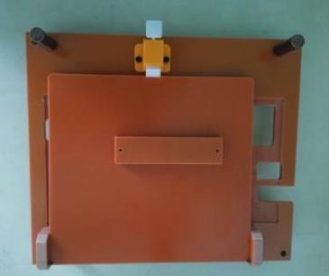 | 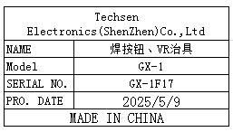 | 2 | 80 |  |  |  |  |  | 1.5 |  | 27X23X8 | Assembly | NO
Hold the tin fixture | 执锡治具 | Techsen Electronics(ShenZhen)Co.,Ltd | GX-1 | GX-1F18 | 5/9/2025 | CHINA | NEW | 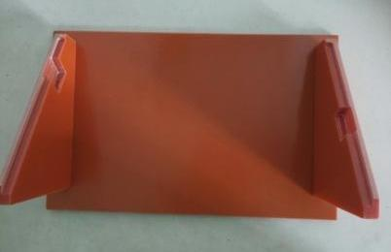 | 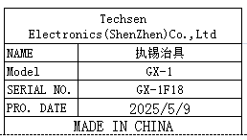 | 1 | 50 |  |  |  |  |  | 0.5 |  | 27X16X10 | Assembly | NO
Stencil | 钢网 | Shenzhen Changke Excellence Technology Co., LTD |  | GOMIXERST MAIN A | 2025.5.22 | China | NEW |  | 后补 | 1 | 270 |  |  | K3 | 1 | 6KG | 1.1 | 60*70**15CM | 55*65*2.5CM | SMT | NO
Stencil | 钢网 | Shenzhen Changke Excellence Technology Co., LTD |  | GOMIXERST MAIN B | 2025.5.22 | China | NEW |  | 后补 | 1 | 270 |  |  |  |  |  | 1.1 |  | 55*65*2.5CM | SMT | NO
Stencil | 钢网 | Shenzhen Changke Excellence Technology Co., LTD |  | GOMIXERST JACK A | 2025.5.22 | China | NEW |  | 后补 | 1 | 270 |  |  |  |  |  | 1.1 |  | 55*65*2.5CM | SMT | NO
Stencil | 钢网 | Shenzhen Changke Excellence Technology Co., LTD |  | GOMIXERST JACK B | 2025.5.22 | China | NEW |  | 后补 | 1 | 270 |  |  |  |  |  | 1.1 |  | 55*65*2.5CM | SMT | NO

