listing
1) ENGLISH ITEM NAME (ex : OOOO machine) | 2)中文名称 | 3) MANUFACTUROR (ex : OOO company) | 4) MODEL NO (ex : abc-123) | 5)Serial number | 14) PICTURE (BEFORE PACKING) | 15) PICTURE (NAME PLATE or label) | 16)Quantity | 20)CARTON NO. | 21)CTN QTY
purifier | 净化器 | Guangzhou Xinxun Electronic Technology Co., LTD | SS-6605 | / | 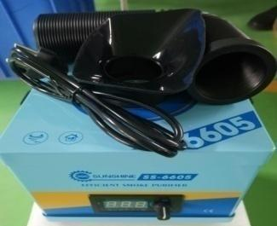 | 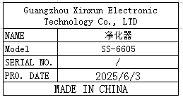 | 2 | M1 | 1
Dispenser | 点胶机 | YI.DE.LONG | YDL-983A | / | 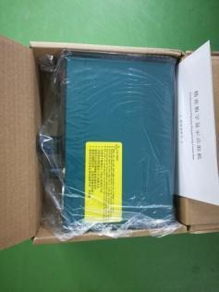 |  | 2
High precision electronic scale | 高精度电子秤 | Yuedi Electronic Balance CO.Ltd | BL-(X) | / |  |  | 2
relay | 继电器 | ZETTLER CO.Ltd | AZ943-1CH-24DE | / | 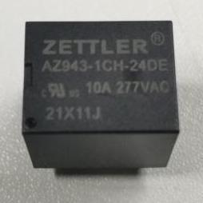 | 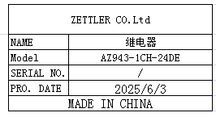 | 10
power line | 电源线 | JNCZO Electronics factory | / | / |  | 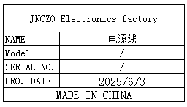 | 20
Electric screwdriver head | 电动螺丝刀头 | WEELI Co., LTD | Y5X120X1 | / |  | 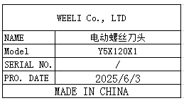 | 40
Canon plug | 卡侬插头 | South China Electronic Wholesale Department | / | / |  |  | 10
6.35mm plug | 6.35mm插头 | Shenzhen Huayuanrui Electronics Co., Ltd | / | / |  |  | 20
6.35 male to RCA plug | 6.35公插转RCA插头 | Shenzhen Huayuanrui Electronics Co., Ltd | / | / |  | 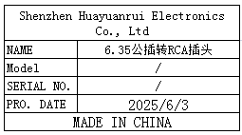 | 20
Tracheal joint | 气管接头 | LAIZE Co., LTD | PK-8 | / | 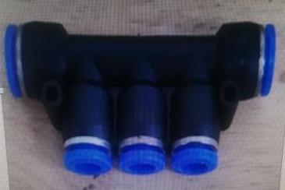 |  | 10
Tracheal joint | 气管接头 | LAIZE Co., LTD | PZA-6 | / | 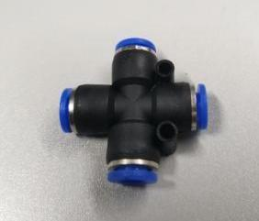 | 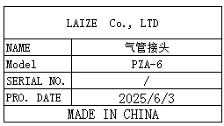 | 20
Airflow control valve | 气流调节阀 | LAIZE Co., LTD | HVFF-8 | / |  |  | 10
terminal | 接线柱 | Xieli Electronics Co., Ltd | M3 | / | 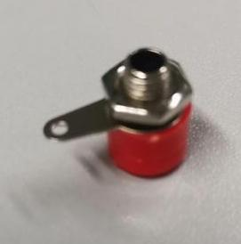 |  | 20
BNC connector | BNC接头 | Anhang da electronic wire factory | T | / | 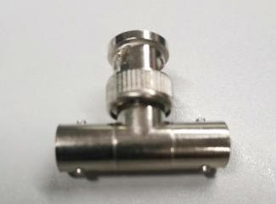 |  | 20
Time Timer | 时间定时器 | CKCTELAY Co., Ltd | AH3-3 | / | 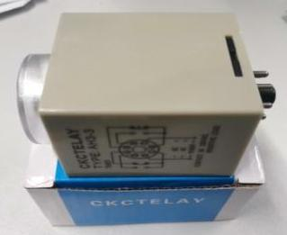 | 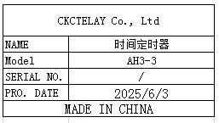 | 5
temperature control wire | 电热偶温控线 | Bell Beauty Flagship Store | K-type | / |  |  | 20
MIC line | MIC线 | Kaimei Professional Wire Store | DMX512 | / | 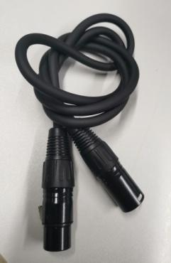 |  | 10
Audio Wire | 音频线 | Jinjiang Electronic Technology | 6.5 single-dual | / | 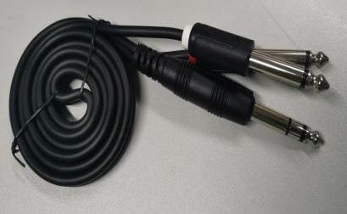 |  | 10
button | 按钮 | Nuofang Electronics Co., Ltd | XB2EA135 | / | 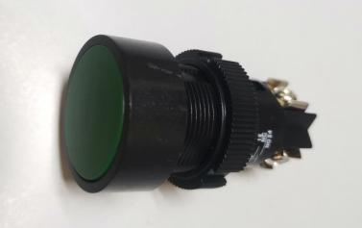 | 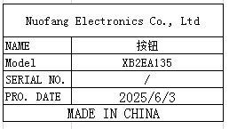 | 20
Pressure regulating valve | 调压阀 | Yixing Pneumatic Store | AR2000 | / | 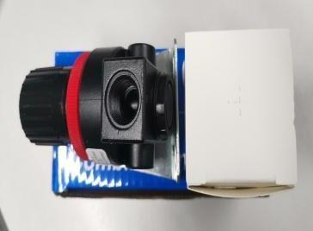 | 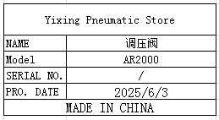 | 10
Needle-type tensiometer | 针式拉力计 | JYW GROUP(HON KONG) CO.TLD | NK-100 |  | 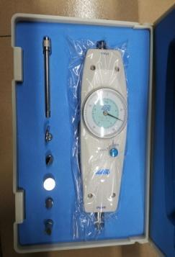 | 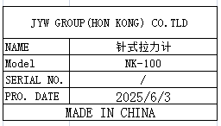 | 1
Oil-Water Separator | 油水分离器 | ZCKM Flagship store | AFR2000 | / |  | 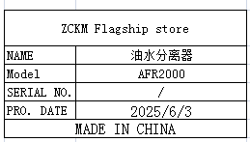 | 10
High frequency soldering iron heating core | 高频烙铁发热蕊 | ZEROMAN Electronic Technology Co., LTD | 203H | / |  |  | 20
AC Servo driver | AC伺服马达系统 | Nidec sankyo corporation | DA22423 | 2131044604F | 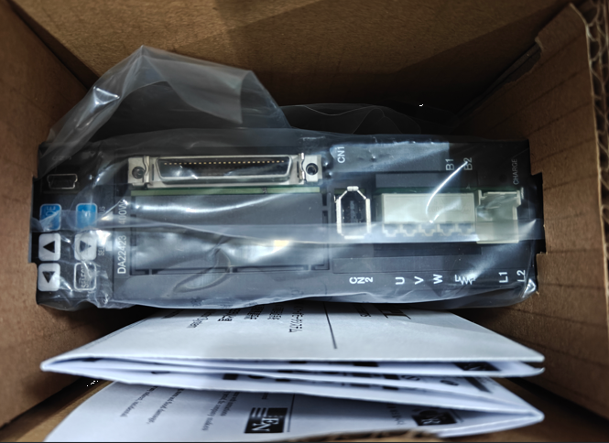 |  | 1
electric screw driver | 电动螺丝刀 | JB CO., Ltd | POL-DN-801Z | / |  |  | 10 | M2 | 1
electric screw driver | 电动螺丝刀 | SHUANGAI Industrial Co., Ltd | POL-SDGS-0115 | / | 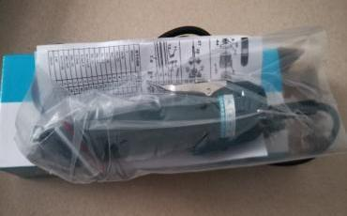 | 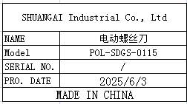 | 10
electric screwdriver | 电动螺丝刀 | SHUANGAI Industrial Co., Ltd | POL-SD1 | / |  | 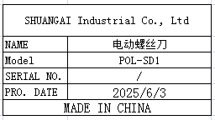 | 10
FCT JIG | 测试架 | Techsen Electronics(ShenZhen)Co.,Ltd | GOMIXERST | GOMIXERST P01 | 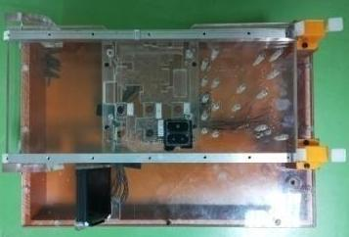 | 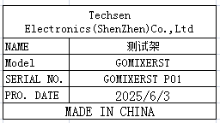 | 2 | M3 | 1

