listing
1) ENGLISH ITEM NAME (ex : OOOO machine) | 2)中文名称 | 3) MANUFACTUROR (ex : OOO company) | 4) MODEL NO (ex : abc-123) | 5)Serial number | 6)CN hs code | 7)VN hs code | 8)Material | 9) VOLTAGE (ex : 220V) | 10) CAPACITY (ex :1200KW) | 11) Manufacture date (yyyy-mm-dd) | 12) ORIGIN | 13) NEW or USED | 14) PICTURE (BEFORE PACKING) | 15) PICTURE (NAME PLATE or label) | 16)Quantity | 17)cost(RMB 13%VAT) | 18)cost(USD) | 19)Total cost(USD) | 20)CARTON NO. | 21)CTN QTY | 22)G.W(KGS) | 23)N.W(KGS) | 24)Package Size(CM) | 25)Part size(CM) | 26)应用范围 | 27)是否带电源
purifier | 净化器 | Guangzhou Xinxun Electronic Technology Co., LTD | SS-6605 | / |  |  | 铁+电子元件 | AC220 | 50W | 2025-06-03 | China | NEW | 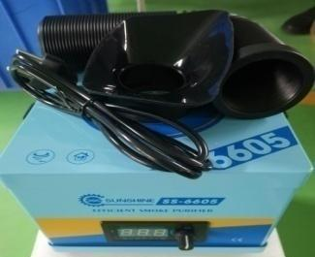 | 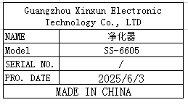 | 2 | 660 |  |  | M1 | 1 | 28 | 6.4 | 73X44X40 | 26.5X23.5X23.5 | Production TOOLS | NO
Dispenser | 点胶机 | YI.DE.LONG | YDL-983A | / |  |  | 铁+气动配件 | AC220 | 30W | 2025-06-03 | CHINA | NEW | 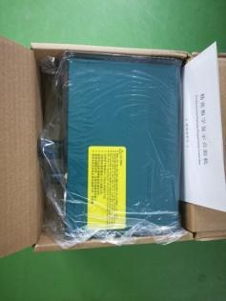 |  | 2 | 280 |  |  |  |  |  | 5 |  | 26X21X15 | Production TOOLS | NO
High precision electronic scale | 高精度电子秤 | Yuedi Electronic Balance CO.Ltd | BL-(X) | / |  |  | 铁+电子元件 | DC3V | 0.5W | 2025-06-03 | China | NEW |  |  | 2 | 350 |  |  |  |  |  | 1.71 |  | 25X16X7 | Production TOOLS | NO
relay | 继电器 | ZETTLER CO.Ltd | AZ943-1CH-24DE | / |  |  | 塑胶+电子元件 | DC24 | 0.5W | 2025-06-03 | CHINA | NEW | 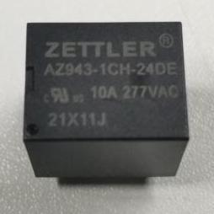 | 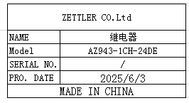 | 10 | 4 |  |  |  |  |  | 0.1 |  | 1.8X2X1.5 | Tool repair | NO
power line | 电源线 | JNCZO Electronics factory | / | / |  |  | 塑胶+电子线材 | / | / | 2025-06-03 | CHINA | NEW |  | 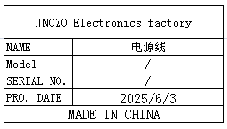 | 20 | 5 |  |  |  |  |  | 0.72 |  | 24X2.5X2 | Tool repair | NO
Electric screwdriver head | 电动螺丝刀头 | WEELI Co., LTD | Y5X120X1 | / |  |  | 铁 | / | / | 2025-06-03 | China | NEW |  | 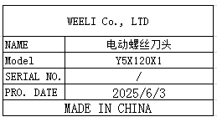 | 40 | 6 |  |  |  |  |  | 0.47 |  | 12X5 | Production TOOLS | NO
Canon plug | 卡侬插头 | South China Electronic Wholesale Department | / | / |  |  | 铜+塑胶 | / | / | 2025-06-03 | China | NEW |  |  | 10 | 5 |  |  |  |  |  | 0.25 |  | 6.5X2 | TEST USE | NO
6.35mm plug | 6.35mm插头 | Shenzhen Huayuanrui Electronics Co., Ltd | / | / |  |  | 铜 | / | / | 2025-06-03 | CHINA | NEW |  |  | 20 | 3 |  |  |  |  |  | 0.3 |  | 1X9 | TEST USE | NO
6.35 male to RCA plug | 6.35公插转RCA插头 | Shenzhen Huayuanrui Electronics Co., Ltd | / | / |  |  | 铜 | / | / | 2025-06-03 | CHINA | NEW |  | 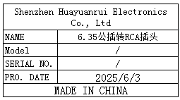 | 20 | 3 |  |  |  |  |  | 0.15 |  | 1X5.5 | TEST USE | NO
Tracheal joint | 气管接头 | LAIZE Co., LTD | PK-8 | / |  |  | 塑胶 | / | / | 2025-06-03 | CHINA | NEW | 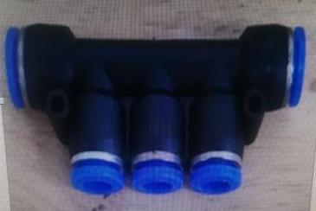 |  | 10 | 4 |  |  |  |  |  | 0.16 |  | 7.5X3.5X1.5 | Tool repair | NO
Tracheal joint | 气管接头 | LAIZE Co., LTD | PZA-6 | / |  |  | 塑胶 | / | / | 2025-06-03 | CHINA | NEW | 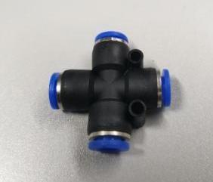 | 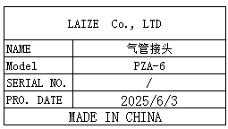 | 20 | 4 |  |  |  |  |  | 0.15 |  | 3.8X3.8X1.5 | Tool repair | NO
Airflow control valve | 气流调节阀 | LAIZE Co., LTD | HVFF-8 | / |  |  | 塑胶 | / | / | 2025-06-03 | CHINA | NEW |  |  | 10 | 5 |  |  |  |  |  | 0.16 |  | 5X4X1.5 | Tool repair | NO
terminal | 接线柱 | Xieli Electronics Co., Ltd | M3 | / |  |  | 钢+塑胶 | / | / | 2025-06-03 | CHINA | NEW | 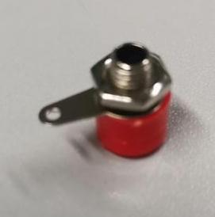 |  | 20 | 1 |  |  |  |  |  | 0.05 |  | 1.6X1 | TEST USE | NO
BNC connector | BNC接头 | Anhang da electronic wire factory | T | / |  |  | 铜 | / | / | 2025-06-03 | China | NEW | 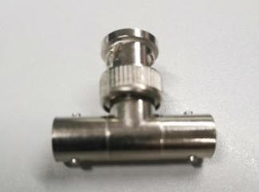 |  | 20 | 4 |  |  |  |  |  | 0.22 |  | 3.5X2.8X1.3 | TEST USE | NO
Time Timer | 时间定时器 | CKCTELAY Co., Ltd | AH3-3 | / |  |  | 塑胶+电子元件 | / | / | 2025-06-03 | CHINA | NEW | 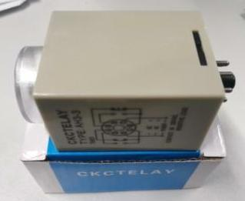 | 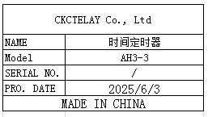 | 5 | 35 |  |  |  |  |  | 0.82 |  | 8.5X5.5X5 | Tool repair | NO
temperature control wire | 电热偶温控线 | Bell Beauty Flagship Store | K-type | / |  |  | 不锈钢+电子线材 | / | / | 2025-06-03 | China | NEW |  |  | 20 | 6 |  |  |  |  |  | 0.38 |  | 0.5X100 | Tool repair | NO
MIC line | MIC线 | Kaimei Professional Wire Store | DMX512 | / |  |  | 铜+电子线材 | / | / | 2025-06-03 | CHINA | NEW | 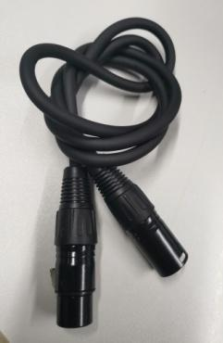 |  | 10 | 20 |  |  |  |  |  | 0.9 |  | 26X2.2 | TEST USE | NO
Audio Wire | 音频线 | Jinjiang Electronic Technology | 6.5 single-dual | / |  |  | 铜+电子线材 | / | / | 2025-06-03 | CHINA | NEW | 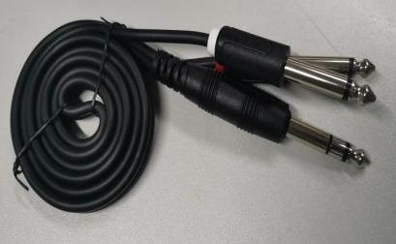 |  | 10 | 18 |  |  |  |  |  | 0.73 |  | 15X7X1.5 | TEST USE | NO
button | 按钮 | Nuofang Electronics Co., Ltd | XB2EA135 | / |  |  | 铜+塑胶 | / | / | 2025-06-03 | China | NEW | 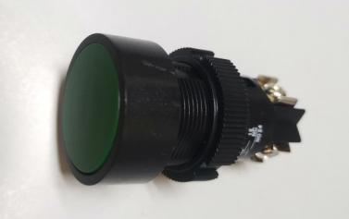 | 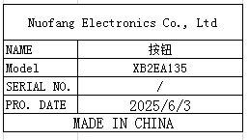 | 20 | 4.5 |  |  |  |  |  | 0.35 |  | 5.5X2.8X2.8 | Tool repair | NO
Pressure regulating valve | 调压阀 | Yixing Pneumatic Store | AR2000 | / |  |  | 铁+塑胶 | / | / | 2025-06-03 | CHINA | NEW | 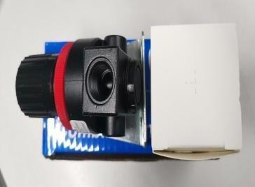 | 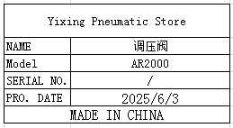 | 10 | 25 |  |  |  |  |  | 1.8 |  | 12.5X5.5X5.5 | Tool repair | NO
Needle-type tensiometer | 针式拉力计 | JYW GROUP(HON KONG) CO.TLD | NK-100 |  |  |  | 铁+塑胶 | / | / | 2025-06-03 | CHINA | NEW | 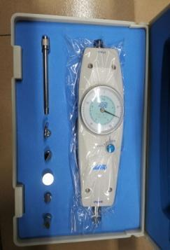 | 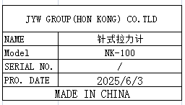 | 1 | 160 |  |  |  |  |  | 1.68 |  | 27X18X7 | Production TOOLS | NO
Oil-Water Separator | 油水分离器 | ZCKM Flagship store | AFR2000 | / |  |  | 铁+塑胶 | / | / | 2025-06-03 | CHINA | NEW |  | 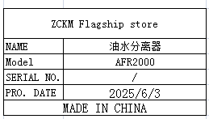 | 10 | 35 |  |  |  |  |  | 2.2 |  | 20X5X5.5 | Tool repair | NO
High frequency soldering iron heating core | 高频烙铁发热蕊 | ZEROMAN Electronic Technology Co., LTD | 203H | / |  |  | 铜+电子线材 | / | / | 2025-06-03 | CHINA | NEW |  |  | 20 | 18 |  |  |  |  |  | 0.25 |  | 11X1 | Tool repair | NO
AC Servo driver | AC伺服马达系统 | Nidec sankyo corporation | DA22423 | 2131044604F |  |  | 塑胶/电子元件 | 200~240V | 0.9KW | 2025-05-30 | China | |NEW | 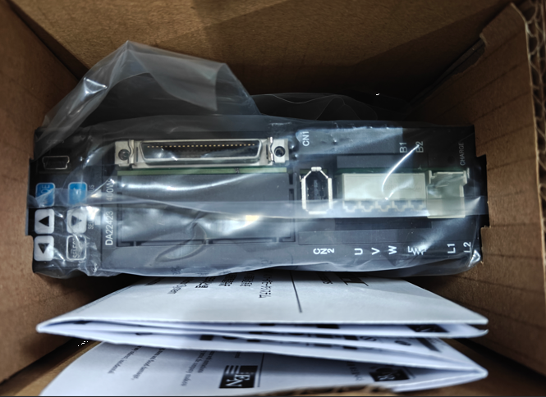 |  | 1 | 1450 |  |  |  |  |  | 0.6 |  | 19x20x10 | Machine repair | No
electric screw driver | 电动螺丝刀 | JB CO., Ltd | POL-DN-801Z | / |  |  | 铁+电子线材 | 24VDC | 20W | 2025-06-03 | China | NEW |  |  | 10 | 128 |  |  | M2 | 1 | 21.5 | 7.5 | 43X35X33 | 30X8X5 | Production TOOLS | NO
electric screw driver | 电动螺丝刀 | SHUANGAI Industrial Co., Ltd | POL-SDGS-0115 | / |  |  | 铁+电子线材 | 24VDC | 15W | 2025-06-03 | China | NEW | 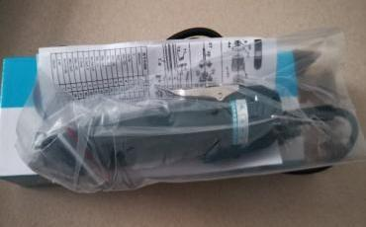 | 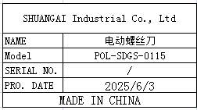 | 10 | 120 |  |  |  |  |  | 5.5 |  | 28x8x5 | Production TOOLS | NO
electric screwdriver | 电动螺丝刀 | SHUANGAI Industrial Co., Ltd | POL-SD1 | / |  |  | 铁+电子线材 | 24VDC | 20W | 2025-06-03 | CHINA | NEW |  | 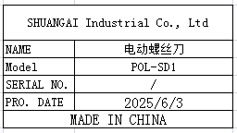 | 10 | 125 |  |  |  |  |  | 7.5 |  | 28x8x5 | Production TOOLS | NO
FCT JIG | 测试架 | Techsen Electronics(ShenZhen)Co.,Ltd | GOMIXERST | GOMIXERST P01 |  |  | 电木板+亚加历+电子线材 | DC5V | 15W | 2025-06-03 | CHINA | NEW | 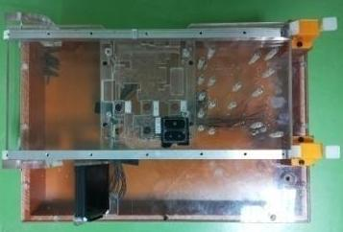 | 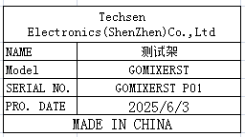 | 2 | 250 |  |  | M3 | 1 | 8 | 6.8 | 53X39X28.5 | 38X25X13 | TEST USE | NO

