listing
1) ENGLISH ITEM NAME (ex : OOOO machine) | 2)中文名称 | 3) MANUFACTUROR (ex : OOO company) | 4) MODEL NO (ex : abc-123) | 5)Serial number | 14) PICTURE (BEFORE PACKING) | 15) PICTURE (NAME PLATE or label) | 16)Quantity | 20)CARTON NO. | 21)CTN QTY
wave soldering Fixture | 过炉治具 | Dongguan Changan Xingyao Automation Processing Shop | MONOPOLY 2016(Main board) | MO2016F01A-O | 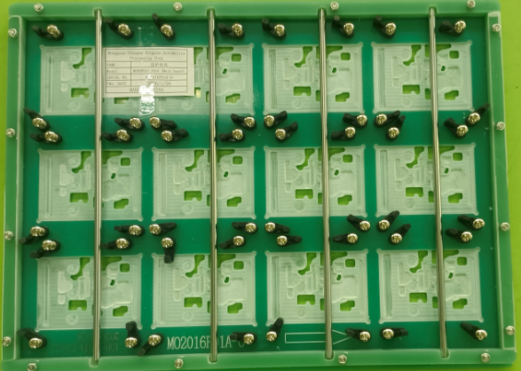 后补 | 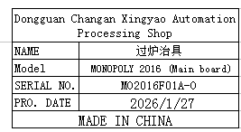 | 15 | H1,H16 | 2
V-CUT Splitting Machine | 走刀式分板机 | Quanzhou Youju Technology Co., Ltd | 400型 | / | 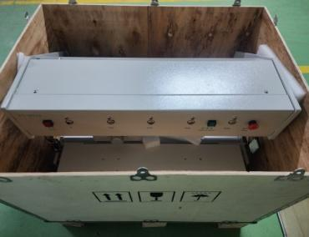 |  | 1 | H2 | 1
Safety light curtain | 安全光幕 | Quanzhou Youju Technology Co., Ltd | / | / | 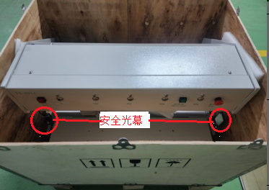 | 分板机配件(已安装在机器上) | 1

