listing
1) ENGLISH ITEM NAME (ex : OOOO machine) | 2)中文名称 | 3) MANUFACTUROR (ex : OOO company) | 4) MODEL NO (ex : abc-123) | 5)Serial number | 14) PICTURE (BEFORE PACKING) | 15) PICTURE (NAME PLATE or label) | 16)Quantity | 20)CARTON NO. | 21)CTN QTY | 26)应用范围
Process the lamp fixture | 加工灯治具 | Techsen Electronics(ShenZhen)Co.,Ltd | CATCH PHRASE | CATCH F01 | 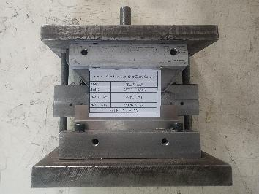 | 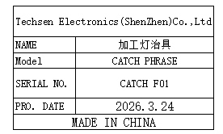 | 1 | M1 | 1 | Production Assemble
Welding lamp fixture | 焊灯治具 | Techsen Electronics(ShenZhen)Co.,Ltd | CATCH PHRASE | CATCH F02 | 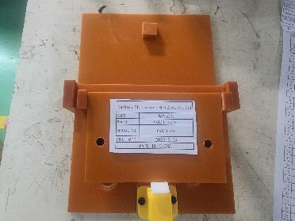 | 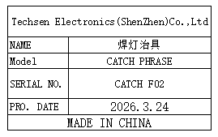 | 2 |  |  | Production Assemble
Attach LCD reflective paper fixtures | 贴LCD反光纸治具 | Techsen Electronics(ShenZhen)Co.,Ltd | CATCH PHRASE | CATCH F03 | 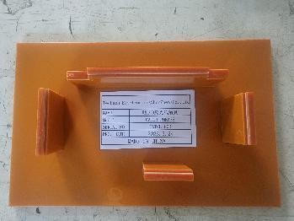 | 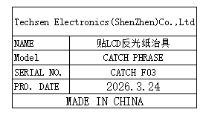 | 3 |  |  | Production Assemble
Assemble LCD fixture | 组裝LCD治具 | Techsen Electronics(ShenZhen)Co.,Ltd | CATCH PHRASE | CATCH F04 | 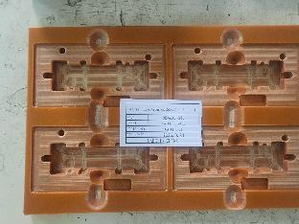 | 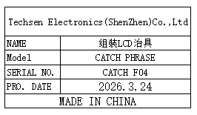 | 6 |  |  | Production Assemble
The J1 key plate fixture is divided | 分J1按键板治具 | Techsen Electronics(ShenZhen)Co.,Ltd | CATCH PHRASE | CATCH F05 | 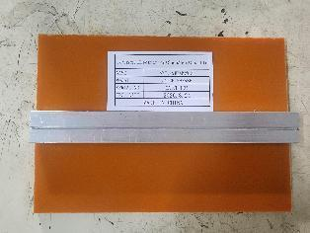 | 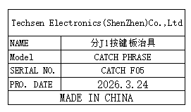 | 1 |  |  | Production Assemble
Weld the J1 key plate fixture | 焊J1按键板治具 | Techsen Electronics(ShenZhen)Co.,Ltd | CATCH PHRASE | CATCH F06 | 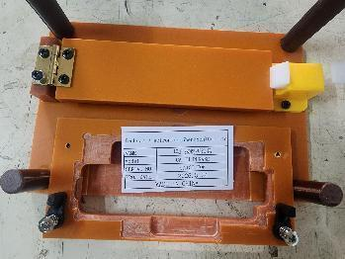 |  | 1 |  |  | Production Assemble
Welding horn wire fixture | 焊喇叭线治具 | Techsen Electronics(ShenZhen)Co.,Ltd | CATCH PHRASE | CATCH F07 | 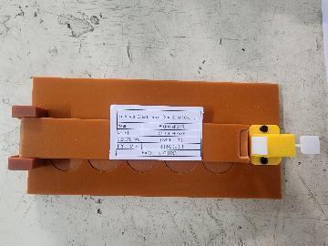 | 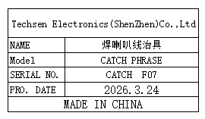 | 1 |  |  | Production Assemble
Beer nut fixture | 啤螺母治具 | Techsen Electronics(ShenZhen)Co.,Ltd | CATCH PHRASE | CATCH F08 | 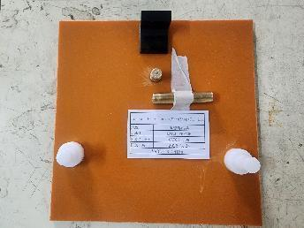 | 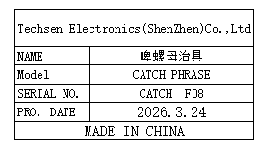 | 1 |  |  | Production Assemble
Beer battery cell fixture | 啤电池片治具 | Techsen Electronics(ShenZhen)Co.,Ltd | CATCH PHRASE | CATCH F09 | 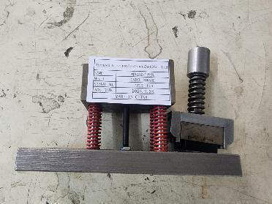 | 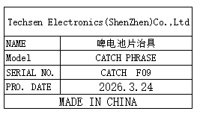 | 1 |  |  | Production Assemble
Weld the BAT lead fixture | 焊接BAT引线治具 | Techsen Electronics(ShenZhen)Co.,Ltd | CATCH PHRASE | CATCH F10 | 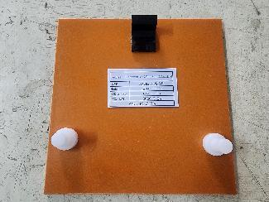 | 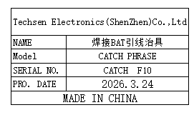 | 1 |  |  | Production Assemble
Screwdriver fixture for horn cover screws | 打喇叭盖螺丝治具 | Techsen Electronics(ShenZhen)Co.,Ltd | CATCH PHRASE | CATCH F11 | 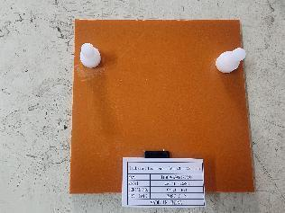 | 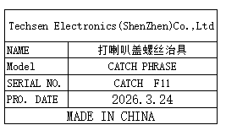 | 1 |  |  | Production Assemble
Drill the mainboard screw fixture | 打主板螺丝治具 | Techsen Electronics(ShenZhen)Co.,Ltd | CATCH PHRASE | CATCH F12 | 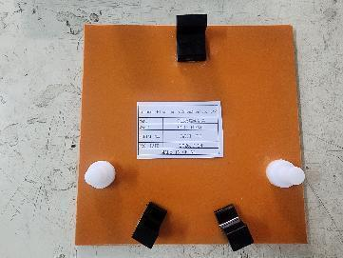 | 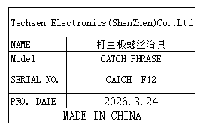 | 1 |  |  | Production Assemble
Screwdriver fixtures for decorative panels | 打装饰板螺丝治具 | Techsen Electronics(ShenZhen)Co.,Ltd | CATCH PHRASE | CATCH F14 | 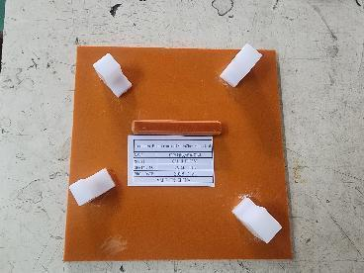 | 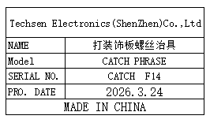 | 2 |  |  | Production Assemble
Drill the finished screw fixture | 打成品螺丝治具 | Techsen Electronics(ShenZhen)Co.,Ltd | CATCH PHRASE | CATCH F15 | 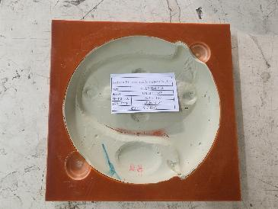 | 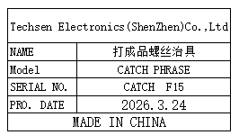 | 2 |  |  | Production Assemble
Battery door screw fixture | 打电池门螺丝治具 | Techsen Electronics(ShenZhen)Co.,Ltd | CATCH PHRASE | CATCH F16 | 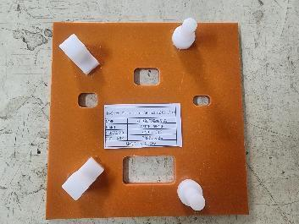 | 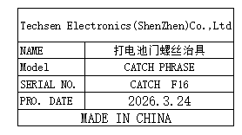 | 1 |  |  | Production Assemble
Use the console date fixture | 打主机日期治具 | Techsen Electronics(ShenZhen)Co.,Ltd | CATCH PHRASE | CATCH F17 | 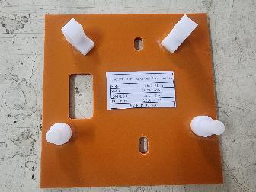 | 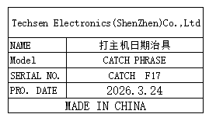 | 1 |  |  | Production Assemble
Functional test stand fixture | 功能测试架 治具 | Techsen Electronics(ShenZhen)Co.,Ltd | CATCH PHRASE | CATCH J01 | 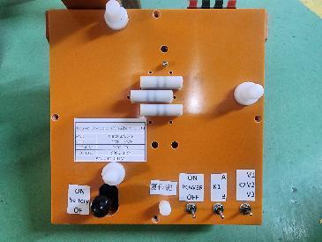 | 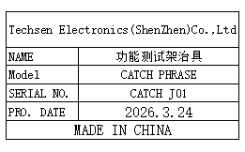 | 5 | M2 | 1 | Production Assemble
Pull Q test stand fixture | 拉Q测试架治具 | Techsen Electronics(ShenZhen)Co.,Ltd | CATCH PHRASE | CATCH F13 | 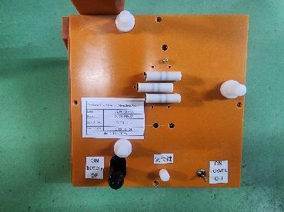 | 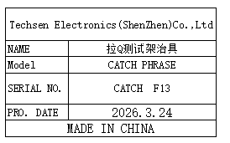 | 2 |  |  | Production Assemble
switching power supply | 开关电源 | MEAN WELL Enterprises Co., Ltd. | RD-50A | SC5B286067 | 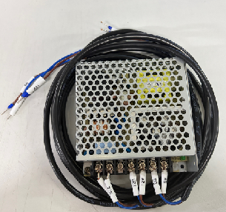 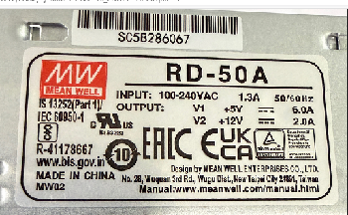 |  | 1 | M3 | 1 | SMT machine maintenance
FCT JIG | 测试架 | Techsen Electronics(ShenZhen)Co.,Ltd | AE-BRISA | AE-BRISA P01 | 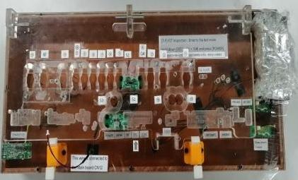 | 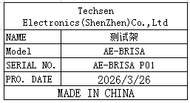 | 1 | M5 | 1 | PCBA TEST
Nozzle | 吸嘴 | Shenzhen Daxing general Technology Co., LTD | P052 |  | 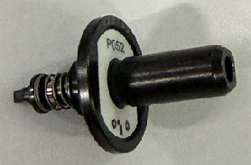 | 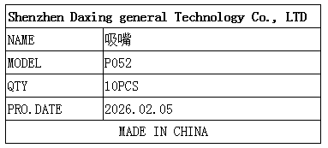 | 10 | M4 | 1 | SMT machine maintenance
Z-axis slider | z轴滑杆 | Shenzhen Daxing general Technology Co., LTD | M20 |  |  | 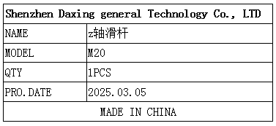 | 1 |  |  | SMT machine maintenance
Automatic locking screw machine accessories - tongue plate | 自动锁螺丝机配件舌片 | Shenzhen Chisu Automation Equipment Co., Ltd |  |  |  | 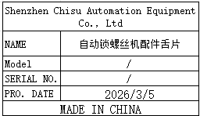 | 1 | M1 (装在TS M1箱) | / | Production machine maintenance
Automatic locking screw machine accessories - tongue plate | 自动锁螺丝机配件舌片 | Shenzhen Chisu Automation Equipment Co., Ltd |  |  |  |  | 1 |  |  | Production machine maintenance

