listing
1) ENGLISH ITEM NAME (ex : OOOO machine) | 2)中文名称 | 3) MANUFACTUROR (ex : OOO company) | 4) MODEL NO (ex : abc-123) | 5)Serial number | 6)CN hs code | 7)VN hs code | 8)Material | 9) VOLTAGE (ex : 220V) | 10) CAPACITY (ex :1200KW) | 11) Manufacture date (yyyy-mm-dd) | 12) ORIGIN | 13) NEW or USED | 14) PICTURE (BEFORE PACKING) | 15) PICTURE (NAME PLATE or label) | 16)Quantity | 17)cost(RMB 13%VAT) | 18)cost(RMB) | 19)Total cost(USD) | 20)CARTON NO. | 21)CTN QTY | 22)G.W(KGS) | 23)N.W(KGS) | 24)Package Size(CM) | 25)Part size(CM) | 26)应用范围 | 27)是否带电源
Stencil | 钢网 | Shenzhen Changke Excellence Technology Co., LTD | AF-10 MAIN A | GC017-MAIN-FEP-METALMASKA |  |  | 钢/铝 |  |  | 2025.3.26 | China | NEW |  | 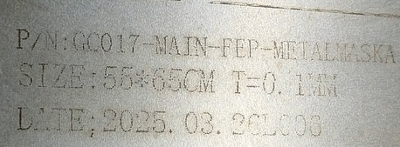 | 1 | 270 |  |  | G1 | 1 | 8 | 1.1 | 56*66*15 | 55*65*2.5CM | SMT | NO
Stencil | 钢网 | Shenzhen Changke Excellence Technology Co., LTD | AF-10 MAIN B | GC017-MAIN-FEP-METALMASKB |  |  | 钢/铝 |  |  | 2025.3.26 | China | NEW |  |  | 1 | 270 |  |  |  |  |  | 1.1 |  | 55*65*2.5CM | SMT | NO
Stencil | 钢网 | Shenzhen Changke Excellence Technology Co., LTD | AF-10 PANEL A | METALMASK(100-22004-01-00)REV01A |  |  | 钢/铝 |  |  | 2025.3.26 | China | NEW |  |  | 1 | 270 |  |  |  |  |  | 1.1 |  | 55*65*2.5CM | SMT | NO
Stencil | 钢网 | Shenzhen Changke Excellence Technology Co., LTD | AF-10 PANEL B | METALMASK(100-22004-01-00)REV01B |  |  | 钢/铝 |  |  | 2025.3.26 | China | NEW |  |  | 1 | 270 |  |  |  |  |  | 1.1 |  | 55*65*2.5CM | SMT | NO
Stencil | 钢网 | Shenzhen Changke Excellence Technology Co., LTD | AF-10 PMIC B | AF-10 PMIC BOARD B |  |  | 钢/铝 |  |  | 2025.3.26 | China | NEW |  |  | 1 | 270 |  |  |  |  |  | 1.1 |  | 55*65*2.5CM | SMT | NO
Stencil | 钢网 | PROCESS LAB.MICRON (Suzhou) Precision Technology Co., Ltd. Guangzhou branch | AF-10 PMIC A | AF-10 PMIC board |  |  | 钢/铝 |  |  | 2025.3.26 | China | NEW |  |  | 1 | 1300 |  |  | G2 | 1 | 4.9 | 4 | 61*70*7 | 55*65*3CM | SMT | NO
Stencil | 钢网 | Shenzhen Changke Excellence Technology Co., LTD | VD042 MAIN A | GOMIXERST MAIN A |  |  | 钢/铝 |  |  | 2025.4 | China | NEW |  |  | 1 | 270 |  |  | G3 | 1 | 3 | 1.1 | 56*66*6 | 55*65*2.5CM | SMT | NO
Stencil | 钢网 | Shenzhen Changke Excellence Technology Co., LTD | VD042 MAIN B | GOMIXERST MAIN B |  |  | 钢/铝 |  |  | 2025.4 | China | NEW |  |  | 1 | 270 |  |  |  |  |  | 1.1 |  | 55*65*2.5CM | SMT | NO
Tracheal quick connector | 气管快速接头 | Daben Hardware Mold Co., Ltd | / | / |  |  | 铁 | / | / | 2025.04.01 | China | NEW |  |  | 30 | 12 |  |  | G4 | 1 | 20 | 2.8 | 54X33X31 | 5X3X3 | Gas pipe | NO
audio cable | 音频线 | EFSHIU ELECTRONICS CO.,LTD | YX-1363 | / |  |  | 线材+橡胶 | / | / | 2025.04.01 | China | NEW | 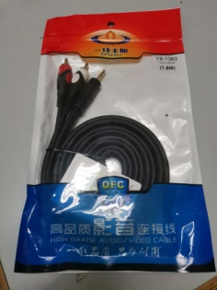 | 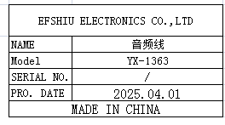 | 20 | 12 |  |  |  |  |  | 2.6 |  | 1X180 | TEST USE | NO
audio cable | 音频线 | EFSHIU ELECTRONICS CO.,LTD | YX-1393 | / |  |  | 线材+橡胶 | / | / | 2025.04.01 | China | NEW | 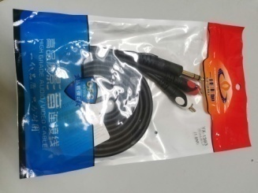 | 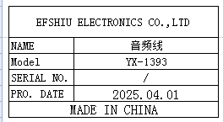 | 20 | 12 |  |  |  |  |  | 2.8 |  | 1X180 | TEST USE | NO
temperature control wire | 电热偶温控线 | Bell Beauty Flagship Store | K-type | / |  |  | 不锈钢+线材 | / | / | 2025.04.01 | China | NEW |  | 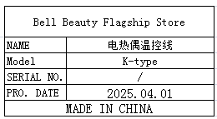 | 10 | 8 |  |  |  |  |  | 0.4 |  | 0.5X200 | Hot beer machine maintenance | NO
banana plug | 香蕉插头 | SICHI ELECTRONICS CO.,LTD | M4 | / |  |  | 铜+塑胶 | / | / | 2025.04.01 | China | NEW |  | 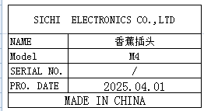 | 10 | 0.8 |  |  |  |  |  | 0.6 |  | 4X0.5 | TEST USE | NO
terminal | 接线柱 | Xieli Electronics Co., Ltd | M3 | / |  |  | 钢+塑胶 | / | / | 2025.04.01 | China | NEW | 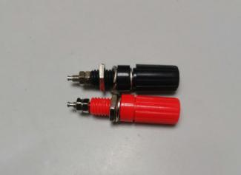 |  | 10 | 1 |  |  |  |  |  | 0.14 |  | 4.5X1 | TEST USE | NO
Canon plug | 卡侬插头 | South China Electronic Wholesale Department | / | / |  |  | 铜+塑胶 | / | / | 2025.04.01 | China | NEW | 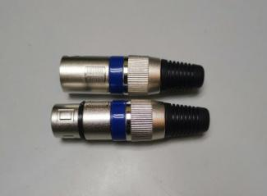 |  | 10 | 9 |  |  |  |  |  | 0.51 |  | 6.5X2 | TEST USE | NO
Cooling fan | 散热风扇 | Delta Electronics Co., Ltd | EFB0524MA | / |  |  | 铜线+塑胶 | DC24 | 15W | 2025.04.01 | China | NEW |  | 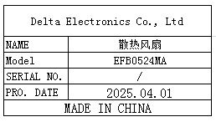 | 10 | 10 |  |  |  |  |  | 0.2 |  | 5X5X1 | Machine replacement and maintenance | NO
Solid state relay | 固态继电器 | CHPLOEHVHZI Co., Ltd | RM1A40D50 | / |  |  | 电子元件+塑胶 | DC24 | 15W | 2025.04.01 | China | NEW |  | 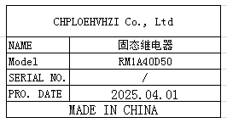 | 5 | 58 |  |  |  |  |  | 0.0.37 |  | 6X5X3 | Machine replacement and maintenance | NO
Needle tube connector | 针筒连接器 | Mingyu Electronic Store | 50C | / |  |  | 塑胶 | / | / | 2025.04.01 | China | NEW | 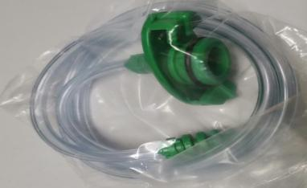 | 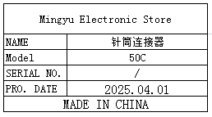 | 10 | 7 |  |  |  |  |  | 0.4 |  | 10X10X3 | For daily work on the production line | NO
Apple data cable | 苹果数据线 | King Kong Wire Flagship Store | / | / |  |  | 线材+塑胶 | / | / | 2025.04.01 | China | NEW |  | 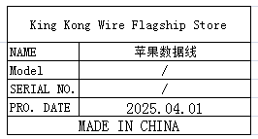 | 10 | 8 |  |  |  |  |  | 0.12 |  | 1X1.5X100 | TEST USE | NO
hinge | 合页 | Shanghai Huangjie Hardware Store | / | / |  |  | 铁 | / | / | 2025.04.01 | China | NEW |  | 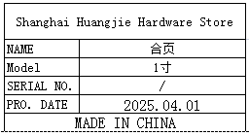 | 10 | 1 |  |  |  |  |  | 0.05 |  | 2.5X1X0.2 | Machine replacement and maintenance | NO
fuse | 保险丝 | Huachang Electronics has a company | F25A | / |  |  | 玻璃+钨丝 | / | / | 2025.04.01 | China | NEW |  | 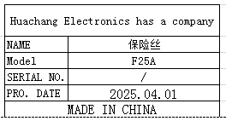 | 100 | 0.5 |  |  |  |  |  | 0.13 |  | 3X0.5X0.5 | Machine replacement and maintenance | NO
Electric screwdriver bit | 电动螺丝刀批咀 | weeli Co.LTD | Y4x100 | / |  |  | 铁 | / | / | 2025.04.01 | China | NEW | 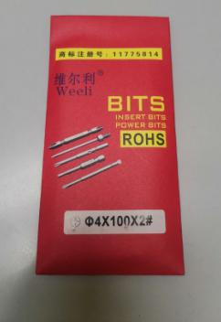 | 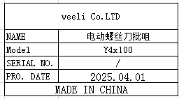 | 50 | 5 |  |  |  |  |  | 0.4 |  | 0.4X100 | For daily work on the production line | NO
BNC three-way connector | BNC三通接头 | Tianjian Technology Electronics Co., Ltd | T-type | / |  |  | 铜 | / | / | 2025.04.01 | China | NEW | 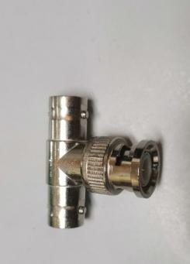 |  | 20 | 5 |  |  |  |  |  | 0.25 |  | 3X2.8X1 | TEST USE | NO
button | 按钮 | Nuofang Electronics Co., Ltd | XB2EA135 | / |  |  | 铜+塑胶 | / | / | 2025.04.01 | China | NEW | 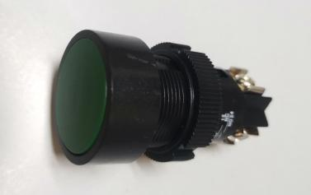 | 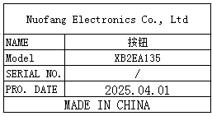 | 20 | 4.5 |  |  |  |  |  | 0.35 |  | 5X3XX3 | Machine replacement and maintenance | NO
Audio plug | 音频插头 | Yongsheng Electronics Co., Ltd | 6.35mm | / |  |  | 铜 | / | / | 2025.04.01 | China | NEW |  | 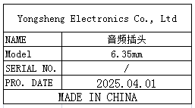 | 20 | 5 |  |  |  |  |  | 0.3 |  | 9X1X1 | TEST USE | NO
delay | 效果器 | Roland Corporation | RC-3 | / |  |  | 电子元件+塑胶 | / | / | 2025.04.01 | Taiwan, China | NEW |  |  | 3 | 500 |  |  |  |  |  | 1.2 |  | 13X6.5X5.5 | TEST USE | NO
White moving tape cutting machine | 自动胶带切割机 | Xinlida Tool Store | ZCUT-5 | / |  |  | 铁+塑胶 | AC220 | 25W | 2025.04.01 | China | NEW |  | 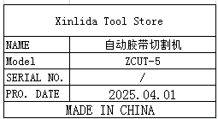 | 1 | 450 |  |  |  |  |  | 2.1 |  | 30X19.5X22 | Used for adhesive tape processing | NO
Converter Box | 转换盒 | Techsen Electronics(ShenZhen)Co.,Ltd | GX-1 | GX-1 C01 |  |  | 电子元件+塑胶 | DC9V | 10W | 2025.04.01 | China | NEW | 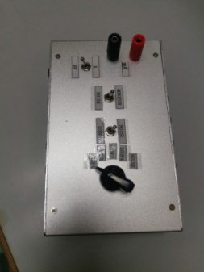 | 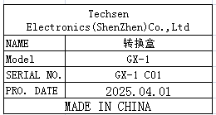 | 2 | 65 |  |  |  |  |  | 1 |  | 17X10.5X8 | GX-1 TEST USE | NO
IC progaming socket | 烧录座 | HILO Co., LTD | HD-SEEP-SO16V3 | / |  |  | 电子元件 | / | / | 2025.04.01 | Taiwan, China | NEW |  |  | 4 | 560 |  |  |  |  |  | 0..2 |  | 8X2.5X4.5 | AE-BRISA Burn program | NO
Charger | 充电器 | UGreen Union Digital Flagship Store | / | SN2400122149262、 SN2400122149622、 SN2400122149074 |  |  | 电子元件 | AC220 | 100W | 2025.04.01 | China | NEW | 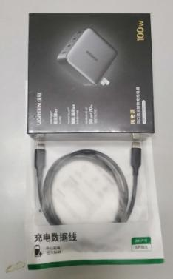 |  | 3 | 150 |  |  |  |  |  | 1.2 |  | 11.5X11.5X4 | AE-BRISA TEST USE | NO
Laser protective glasses | 激光防护眼镜 | Xinrui Laser Accessories Store | 1064mm | / |  |  | 玻璃+塑胶 | / | / | 2025.04.01 | China | NEW | 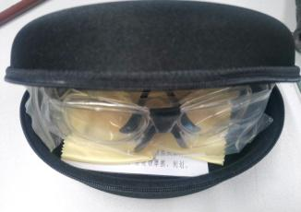 | 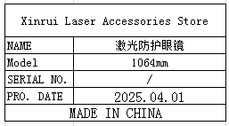 | 5 | 210 |  |  |  |  |  | 0.15 |  | 17X8X5 | Laser machining function | NO
temperature control switch | 温控开关 | Rongda Home Appliance Store | 16A | / |  |  | 铜+塑胶 | / | / | 2025.04.01 | China | NEW | 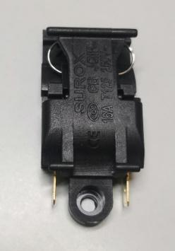 | 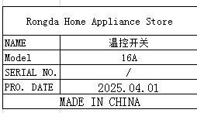 | 5 | 5 |  |  |  |  |  | 0.04 |  | 4.5X2X12.5 | Machine replacement and maintenance | NO
UV curing lamp | UV固化灯 | Shanghai Jinyao Lighting | T5 | / |  |  | 铁+玻璃 | AC220 | 8W | 2025.04.01 | China | NEW |  | 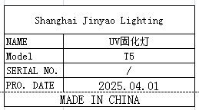 | 3 | 25 |  |  |  |  |  | 0.75 |  | 31X4X5 | PCBA check use | NO
VR processing fixture | VR加工治具 | Techsen Electronics(ShenZhen)Co.,Ltd | GOMIXERST | GOMIXERST-F01 |  |  | 电木板 | / | / | 2025.04.01 | China | NEW | 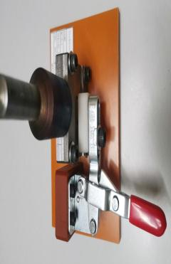 | 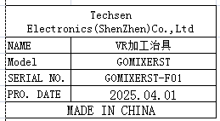 | 1 | 110 |  |  | G5 | 1 | 10 | 0.73 | 54X33X31 | 13X14X14 | assembly | NO
MAIN BOARD soldering fixture | 主板执锡治具 | Techsen Electronics(ShenZhen)Co.,Ltd | GOMIXERST | GOMIXERST-F02 |  |  | 电木板 | / | / | 2025.04.01 | China | NEW | 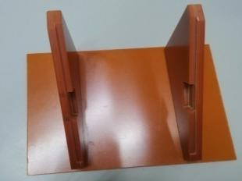 | 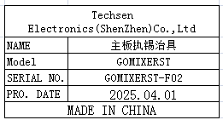 | 1 | 25 |  |  |  |  |  | 0.48 |  | 19X15X9.5 | assembly | NO
JACK BOARD soldering fixture | 插座板执锡治具 | Techsen Electronics(ShenZhen)Co.,Ltd | GOMIXERST | GOMIXERST-F03 |  |  | 电木板 | / | / | 2025.04.01 | China | NEW | 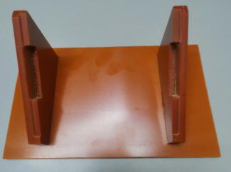 | 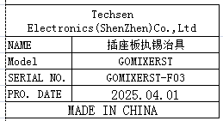 | 1 | 25 |  |  |  |  |  | 0.43 |  | 19X15.5X9.5 | assembly | NO
Soldering fixture for main board iron sheets | 焊接主板铁片治具 | Techsen Electronics(ShenZhen)Co.,Ltd | GOMIXERST | GOMIXERST-F04 |  |  | 电木板 | / | / | 2025.04.01 | China | NEW |  |  | 1 | 30 |  |  |  |  |  | 0.4 |  | 21.5X14X4.5 | assembly | NO
Jack board cutting fixture | 插座板分板治具 | Techsen Electronics(ShenZhen)Co.,Ltd | GOMIXERST | GOMIXERST-F05 |  |  | 电木板+铝 | / | / | 2025.04.01 | China | NEW |  | 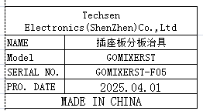 | 1 | 55 |  |  |  |  |  | 0.5 |  | 16.5X11X16 | assembly | NO
Shrapnel height gauge | 弹片高度量具 | Techsen Electronics(ShenZhen)Co.,Ltd | GOMIXERST | GOMIXERST-F06 |  |  | 亚加历 | / | / | 2025.04.01 | China | NEW |  | 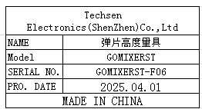 | 1 | 10 |  |  |  |  |  | 0.01 |  | 4X3X0.6 | assembly | NO
FFC line marking fixture | FFC线划线治具 | Techsen Electronics(ShenZhen)Co.,Ltd | GOMIXERST | GOMIXERST-F07 |  |  | 电木板 | / | / | 2025.04.01 | China | NEW | 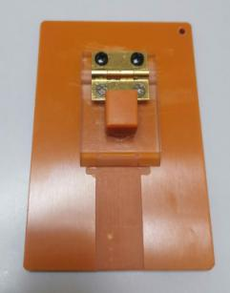 | 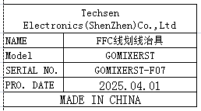 | 1 | 20 |  |  |  |  |  | 0.08 |  | 10.5X7.5X3 | assembly | NO
FFC line processing fixture | FFC线加工治具 | Techsen Electronics(ShenZhen)Co.,Ltd | GOMIXERST | GOMIXERST-F08 |  |  | 电木板 | / | / | 2025.04.01 | China | NEW |  | 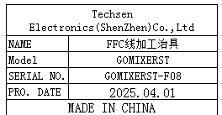 | 1 | 20 |  |  |  |  |  | 0.03 |  | 8X4.5X0.6 | assembly | NO
1.0mm measuring tool | 1.0mm量具 | Techsen Electronics(ShenZhen)Co.,Ltd | GOMIXERST | GOMIXERST-F09 |  |  | 亚加历 | / | / | 2025.04.01 | China | NEW |  | 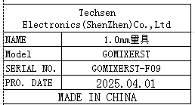 | 1 | 10 |  |  |  |  |  | 0.01 |  | 3X2X1 | assembly | NO
Veneer shell sponge fixture | 贴面壳海棉治具 | Techsen Electronics(ShenZhen)Co.,Ltd | GOMIXERST | GOMIXERST-F10 |  |  | 电木板 | / | / | 2025.04.01 | China | NEW |  | 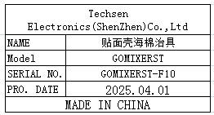 | 1 | 45 |  |  |  |  |  | 0.53 |  | 19X15.5X4 | assembly | NO
Install conductive buttons fixture | 装导电按钮治具 | Techsen Electronics(ShenZhen)Co.,Ltd | GOMIXERST | GOMIXERST-F11 |  |  | 电木板 | / | / | 2025.04.01 | China | NEW | 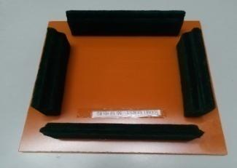 |  | 1 | 35 |  |  |  |  |  | 0.41 |  | 19X15.5X3.5 | assembly | NO
LCD screen fixture for motherboard installation | 主板装LCD屏治具 | Techsen Electronics(ShenZhen)Co.,Ltd | GOMIXERST | GOMIXERST-F12 |  |  | 电木板 | / | / | 2025.04.01 | China | NEW |  | 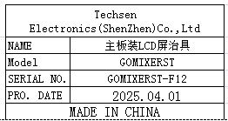 | 1 | 35 |  |  |  |  |  | 0.25 |  | 17.5X13.5X3 | assembly | NO
Side locking screw fixture for socket board | 插座板侧面锁螺丝治具 | Techsen Electronics(ShenZhen)Co.,Ltd | GOMIXERST | GOMIXERST-F13 |  |  | 电木板 | / | / | 2025.04.01 | China | NEW | 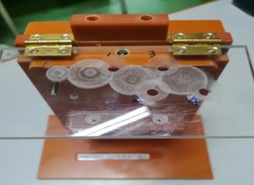 | 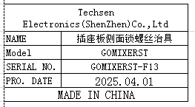 | 1 | 65 |  |  |  |  |  | 0.57 |  | 17.5X20X10 | assembly | NO
Lock motherboard screw fixture | 锁主板螺丝治具 | Techsen Electronics(ShenZhen)Co.,Ltd | GOMIXERST | GOMIXERST-F14 |  |  | 电木板 | / | / | 2025.04.01 | China | NEW | 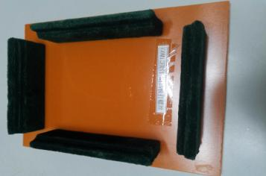 | 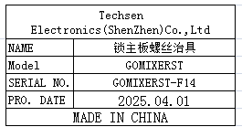 | 3 | 35 |  |  |  |  |  | 1.3 |  | 19X15.5X3.5 | assembly | NO
1.2mm height measuring tool | 1.2mm高度量具 | Techsen Electronics(ShenZhen)Co.,Ltd | GOMIXERST | GOMIXERST-F15 |  |  | 电木板 | / | / | 2025.04.01 | China | NEW |  |  | 1 | 10 |  |  |  |  |  | 0.01 |  | 3.5X2.5X0.8 | assembly | NO
Lock bottom shell screw fixture | 锁底壳螺丝治具 | Techsen Electronics(ShenZhen)Co.,Ltd | GOMIXERST | GOMIXERST-F16 |  |  | 电木板 | / | / | 2025.04.01 | China | NEW |  |  | 1 | 35 |  |  |  |  |  | 0.41 |  | 19X15.5X3.5 | assembly | NO
Stick transparent mirror fixture | 贴透明镜治具 | Techsen Electronics(ShenZhen)Co.,Ltd | GOMIXERST | GOMIXERST-F17 |  |  | 电木板 | / | / | 2025.04.01 | China | NEW |  |  | 1 | 35 |  |  |  |  |  | 0.42 |  | 19X15.5X5.5 | assembly | NO
Business card positioning fixture | 名片定位治具 | Techsen Electronics(ShenZhen)Co.,Ltd | GOMIXERST | GOMIXERST-F18 |  |  | 电木板 | / | / | 2025.04.01 | China | NEW |  |  | 2 | 10 |  |  |  |  |  | 0.01 |  | 3X1X1 | assembly | NO
Lock business card screw fixture | 锁名片螺丝治具 | Techsen Electronics(ShenZhen)Co.,Ltd | GOMIXERST | GOMIXERST-F19 |  |  | 电木板 | / | / | 2025.04.01 | China | NEW |  |  | 1 | 35 |  |  |  |  |  | 0.41 |  | 19X15.5X5.5 | assembly | NO
Install VR button fixture | 装VR钮治具 | Techsen Electronics(ShenZhen)Co.,Ltd | GOMIXERST | GOMIXERST-F20 |  |  | 电木板 | / | / | 2025.04.01 | China | NEW |  |  | 1 | 35 |  |  |  |  |  | 0.41 |  | 19X15.5X5.5 | assembly | NO
MAIN BOARD soldering socket fixture | 主板焊插座治具 | Techsen Electronics(ShenZhen)Co.,Ltd | AE-BRISA | AE-BRISA-F01 |  |  | 电木板+铁 | / | / | 2025.04.01 | China | NEW |  |  | 1 | 42 |  |  | G6 | 1 | 24 | 0.45 | 83X55X30 | 38X8X14 | assembly | NO
MAIN BOARD front oiling fixture | 主板正面打油治具 | Techsen Electronics(ShenZhen)Co.,Ltd | AE-BRISA | AE-BRISA-F02 |  |  | 电木板 | / | / | 2025.04.01 | China | NEW |  |  | 1 | 65 |  |  |  |  |  | 0.8 |  | 40X14.5X4 | assembly | NO
MAIN BOARD front oiling fixture | 主板底面打油治具 | Techsen Electronics(ShenZhen)Co.,Ltd | AE-BRISA | AE-BRISA-F03 |  |  | 电木板 | / | / | 2025.04.01 | China | NEW |  |  | 1 | 60 |  |  |  |  |  | 0.46 |  | 40X9.5X2 | assembly | NO
PMIC BOARD front oiling fixture | PMIC板正面打油治具 | Techsen Electronics(ShenZhen)Co.,Ltd | AE-BRISA | AE-BRISA-F04 |  |  | 电木板 | / | / | 2025.04.01 | China | NEW |  |  | 1 | 60 |  |  |  |  |  | 0.44 |  | 29X10X3 | assembly | NO
PMIC BOARD front oiling fixture | PMIC板底面打油治具 | Techsen Electronics(ShenZhen)Co.,Ltd | AE-BRISA | AE-BRISA-F05 |  |  | 电木板 | / | / | 2025.04.01 | China | NEW |  |  | 1 | 60 |  |  |  |  |  | 0.44 |  | 29X10X3 | assembly | NO
MAIN BOARD splitting fixture | 主板分板治具 | Techsen Electronics(ShenZhen)Co.,Ltd | AE-BRISA | AE-BRISA-F06 |  |  | 电木板 | / | / | 2025.04.01 | China | NEW |  |  | 1 | 120 |  |  |  |  |  | 1.59 |  | 38X27.5X2 | assembly | NO
PMIC splitting fixture | PMIC板分板治具 | Techsen Electronics(ShenZhen)Co.,Ltd | AE-BRISA | AE-BRISA-F07 |  |  | 电木板 | / | / | 2025.04.01 | China | NEW |  |  | 1 | 120 |  |  |  |  |  | 2.28 |  | 38X28X5 | assembly | NO
PANEL splitting fixture | PANEL板分板治具 | Techsen Electronics(ShenZhen)Co.,Ltd | AE-BRISA | AE-BRISA-F08 |  |  | 电木板 | / | / | 2025.04.01 | China | NEW |  |  | 1 | 120 |  |  |  |  |  | 1.43 |  | 38X28X4 | assembly | NO
PCBA JIG | PCBA测试架 | Techsen Electronics(ShenZhen)Co.,Ltd | AE-BRISA | AE-BRISA-P01 |  |  | 电木板 | / | / | 2025.04.01 | China | NEW |  |  | 2 | 220 |  |  |  |  |  | 8 |  | 50X28X9.5 | assembly | NO
Stick blowing nozzle board sponge fixture | 贴吹嘴板海棉治具 | Techsen Electronics(ShenZhen)Co.,Ltd | AE-BRISA | AE-BRISA-F09 |  |  | 电木板 | / | / | 2025.04.01 | China | NEW |  |  | 1 | 25 |  |  |  |  |  | 0.2 |  | 5X5X2 | assembly | NO
Welding nozzle board plug wire fixture | 焊吹嘴板插头线治具 | Techsen Electronics(ShenZhen)Co.,Ltd | AE-BRISA | AE-BRISA-F10 |  |  | 电木板 | / | / | 2025.04.01 | China | NEW |  |  | 1 | 40 |  |  |  |  |  | 0.13 |  | 17X7X0.5 | assembly | NO
Blowing nozzle sensor A oiling fixture | 吹嘴感应器A打油治具 | Techsen Electronics(ShenZhen)Co.,Ltd | AE-BRISA | AE-BRISA-F11 |  |  | 电木板 | / | / | 2025.04.01 | China | NEW |  |  | 3 | 40 |  |  |  |  |  | 0.39 |  | 20X10X0.5 | assembly | NO
Blowing nozzle sensor B oiling fixture | 吹嘴感应器B打油治具 | Techsen Electronics(ShenZhen)Co.,Ltd | AE-BRISA | AE-BRISA-F12 |  |  | 电木板 | / | / | 2025.04.01 | China | NEW |  |  | 3 | 35 |  |  |  |  |  | 0.78 |  | 20X10X6.5 | assembly | NO
Aluminum sheet adhesive paper fixture for blowing nozzle | 贴吹嘴铝片胶纸治具 | Techsen Electronics(ShenZhen)Co.,Ltd | AE-BRISA | AE-BRISA-F13 |  |  | 电木板 | / | / | 2025.04.01 | China | NEW |  |  | 1 | 45 |  |  |  |  |  | 0.15 |  | 12.5X6.5X7 | assembly | NO
Fixture for installing pressure blowing nozzle rubber parts | 装压吹嘴胶件治具 | Techsen Electronics(ShenZhen)Co.,Ltd | AE-BRISA | AE-BRISA-F14 |  |  | 电木板+铁 | / | / | 2025.04.01 | China | NEW |  |  | 1 | 60 |  |  |  |  |  | 2.18 |  | 22X14X28 | assembly | NO
Fixed blowing nozzle 09 adhesive piece sponge fixture | 固定吹嘴09胶件贴海棉治具 | Techsen Electronics(ShenZhen)Co.,Ltd | AE-BRISA | AE-BRISA-F15 |  |  | 电木板 | / | / | 2025.04.01 | China | NEW |  |  | 1 | 35 |  |  |  |  |  | 0.16 |  | 17.5X10X2 | assembly | NO
Fixed nozzle 08 rubber component installation nozzle plate fixture | 固定吹嘴08胶件装吹嘴板治具 | Techsen Electronics(ShenZhen)Co.,Ltd | AE-BRISA | AE-BRISA-F16 |  |  | 电木板 | / | / | 2025.04.01 | China | NEW |  |  | 1 | 30 |  |  |  |  |  | 0.22 |  | 20X10X3 | assembly | NO
Fixed nozzle fixture for 09/26/44 plastic parts | 固定吹嘴09/26/44胶件治具 | Techsen Electronics(ShenZhen)Co.,Ltd | AE-BRISA | AE-BRISA-F17 |  |  | 电木板 | / | / | 2025.04.01 | China | NEW |  |  | 1 | 40 |  |  |  |  |  | 0.21 |  | 17.5X10X3 | assembly | NO
Fixed nozzle 08/09 combination fixture | 固定吹嘴08/09组合治具 | Techsen Electronics(ShenZhen)Co.,Ltd | AE-BRISA | AE-BRISA-F18 |  |  | 电木板 | / | / | 2025.04.01 | China | NEW |  |  | 1 | 40 |  |  |  |  |  | 0.29 |  | 20X10X4 | assembly | NO
Fixed nozzle 26 adhesive fixture | 固定吹嘴26胶件治具 | Techsen Electronics(ShenZhen)Co.,Ltd | AE-BRISA | AE-BRISA-F19 |  |  | 电木板+赛钢 | / | / | 2025.04.01 | China | NEW |  |  | 1 | 45 |  |  |  |  |  | 0.21 |  | 17X7X4 | assembly | NO
Blowing nozzle component testing JIG | 吹嘴组件测试JIG | Techsen Electronics(ShenZhen)Co.,Ltd | AE-BRISA | AE-BRISA-F20 |  |  | 电木板+塑胶+电子元件 | / | / | 2025.04.01 | China | NEW |  |  | 1 | 350 |  |  |  |  |  | 1.06 |  | 71.5X6X6 | assembly | NO
Fixed surface shell installation 43 button fixture | 固定面壳装43按钮治具 | Techsen Electronics(ShenZhen)Co.,Ltd | AE-BRISA | AE-BRISA-F21 |  |  | 电木板 | / | / | 2025.04.01 | China | NEW |  |  | 1 | 45 |  |  | G7 | 1 | 20 | 0.79 | 83X55X20 | 62X12X2.5 | assembly | NO
Fixed surface shell assembly fixture | 固定面壳装配治具 | Techsen Electronics(ShenZhen)Co.,Ltd | AE-BRISA | AE-BRISA-F22 |  |  | 电木板 | / | / | 2025.04.01 | China | NEW |  |  | 2 | 45 |  |  |  |  |  | 1.65 |  | 62X12X2.5 | assembly | NO
Fixed surface shell packaging edge assembly fixture | 固定面壳打包边条装配治具 | Techsen Electronics(ShenZhen)Co.,Ltd | AE-BRISA | AE-BRISA-F23 |  |  | 电木板 | / | / | 2025.04.01 | China | NEW |  |  | 1 | 45 |  |  |  |  |  | 0.85 |  | 62X12X2.5 | assembly | NO
Fixed surface shell double-sided adhesive tape fixture | 固定面壳贴双面胶纸治具 | Techsen Electronics(ShenZhen)Co.,Ltd | AE-BRISA | AE-BRISA-F24 |  |  | 电木板 | / | / | 2025.04.01 | China | NEW |  |  | 1 | 45 |  |  |  |  |  | 1 |  | 60X12X4 | assembly | NO
Fixed 06 rubber piece LED Lens fixture | 固定06胶件装LED Lens治具 | Techsen Electronics(ShenZhen)Co.,Ltd | AE-BRISA | AE-BRISA-F25 |  |  | 电木板 | / | / | 2025.04.01 | China | NEW |  |  | 1 | 45 |  |  |  |  |  | 0.38 |  | 21X9X5 | assembly | NO
Fixed LCD fixture with 15 adhesive components | 固定15胶件装LCD治具 | Techsen Electronics(ShenZhen)Co.,Ltd | AE-BRISA | AE-BRISA-F26 |  |  | 电木板 | / | / | 2025.04.01 | China | NEW |  |  | 1 | 40 |  |  |  |  |  | 0.15 |  | 14X8.5X2.5 | assembly | NO
Fixed 14 piece Foot Panel panel fixture | 固定14胶件装Foot Panel板治具 | Techsen Electronics(ShenZhen)Co.,Ltd | AE-BRISA | AE-BRISA-F27 |  |  | 电木板 | / | / | 2025.04.01 | China | NEW |  |  | 1 | 25 |  |  |  |  |  | 0.16 |  | 14X8.5X2.5 | assembly | NO
Fixed 12 piece LEFT-THUMB board fixture | 固定12胶件装LEFT-THUMB板治具 | Techsen Electronics(ShenZhen)Co.,Ltd | AE-BRISA | AE-BRISA-F28 |  |  | 电木板 | / | / | 2025.04.01 | China | NEW |  |  | 1 | 25 |  |  |  |  |  | 0.16 |  | 14.5X9.5X2 | assembly | NO
Fixed 27 piece Right THUMB board fixture | 固定27胶件装Right-THUMB板治具 | Techsen Electronics(ShenZhen)Co.,Ltd | AE-BRISA | AE-BRISA-F29 |  |  | 电木板 | / | / | 2025.04.01 | China | NEW |  |  | 1 | 25 |  |  |  |  |  | 0.22 |  | 14.5X12X5 | assembly | NO
Fixed 10/11 adhesive fixture | 固定10/11胶件治具 | Techsen Electronics(ShenZhen)Co.,Ltd | AE-BRISA | AE-BRISA-F30 |  |  | 电木板 | / | / | 2025.04.01 | China | NEW |  |  | 1 | 35 |  |  |  |  |  | 0.18 |  | 14.5X9.5X2 | assembly | NO
Fixed motherboard with 16 adhesive parts fixture | 固定主板装16胶件治具 | Techsen Electronics(ShenZhen)Co.,Ltd | AE-BRISA | AE-BRISA-F31 |  |  | 电木板 | / | / | 2025.04.01 | China | NEW |  |  | 1 | 35 |  |  |  |  |  | 0.44 |  | 38.5X10.5X3 | assembly | NO
Fix the host and assemble it with a screw fixture | 固定主机合壳后打螺丝治具 | Techsen Electronics(ShenZhen)Co.,Ltd | AE-BRISA | AE-BRISA-F32 |  |  | 电木板 | / | / | 2025.04.01 | China | NEW |  |  | 2 | 35 |  |  |  |  |  | 1.95 |  | 79.5X12X5 | assembly | NO
Fixed host, side adhesive, screw fixture | 固定主机打侧面胶件螺丝治具 | Techsen Electronics(ShenZhen)Co.,Ltd | AE-BRISA | AE-BRISA-F33 |  |  | 电木板 | / | / | 2025.04.01 | China | NEW |  |  | 2 | 50 |  |  |  |  |  | 1.95 |  | 79.5X12X5 | assembly | NO
Fixed host electroplating button screw fixture | 固定主机打电镀钮螺丝治具 | Techsen Electronics(ShenZhen)Co.,Ltd | AE-BRISA | AE-BRISA-F34 |  |  | 电木板+铁 | / | / | 2025.04.01 | China | NEW |  |  | 1 | 35 |  |  |  |  |  | 0.93 |  | 58X8X10 | assembly | NO
Fixed host electroplating button fixture | 固定主机装电镀按扭治具 | Techsen Electronics(ShenZhen)Co.,Ltd | AE-BRISA | AE-BRISA-F35 |  |  | 电木板 | / | / | 2025.04.01 | China | NEW |  |  | 1 | 45 |  |  |  |  |  | 0.98 |  | 79.5X12X5 | assembly | NO
Fixed bottom fixture | 固定底壳治具 | Techsen Electronics(ShenZhen)Co.,Ltd | AE-BRISA | AE-BRISA-F39 |  |  | 电木板 | / | / | 2025.04.01 | China | NEW |  |  | 1 | 35 |  |  |  |  |  | 0.84 |  | 49X13.5X4 | assembly | NO
Fixed main engine test fixture | 固定主机测试治具 | Techsen Electronics(ShenZhen)Co.,Ltd | AE-BRISA | AE-BRISA-F40 |  |  | 电木板 | / | / | 2025.04.01 | China | NEW |  |  | 4 | 35 |  |  |  |  |  | 3.98 |  | 79.5X12X5 | assembly | NO
Fixed 02/03 adhesive hot beer LED lens Fixture | 固定02/03胶件热啤LED lens 治具 | Techsen Electronics(ShenZhen)Co.,Ltd | AE-BRISA | AE-BRISA-F36 |  |  | 电木板+铁+电子材料 | AC220 | 750W | 2025.04.01 | China | NEW |  |  | 1 | 450 |  |  | G8 | 1 | 11 | 3.35 | 52X32X30 | 44X4.5X5 | assembly | NO
Fixed surface shell hot beer COVER B fixture | 固定面壳热啤COVER B治具 | Techsen Electronics(ShenZhen)Co.,Ltd | AE-BRISA | AE-BRISA-F37 |  |  | 电木板+铁+电子材料 | AC220 | 750W | 2025.04.01 | China | NEW |  |  | 1 | 450 |  |  |  |  |  | 3.30 |  | 44X4.5X5 | assembly | NO
Fixed surface shell hot beer COVER A fixture | 固定面壳热啤COVER A治具 | Techsen Electronics(ShenZhen)Co.,Ltd | AE-BRISA | AE-BRISA-F38 |  |  | 电木板+铁+电子材料 | AC220 | 750W | 2025.04.01 | China | NEW |  |  | 1 | 450 |  |  |  |  |  | 2.65 |  | 44X4.5X5 | assembly | NO
Selective Coating Machine | 选择性涂覆机 | DongGuan AndaAutomatic Equipment | iCoat-3 |  |  |  | 铁/五金电子元件 | 220V | 2.2KW | 2019-03-22 | CHINA | USAED |  |  | 1 | 60000 |  |  | G9 | 1 |  | 520 | 需打木箱 | 900x1300x1630 | PCBA Coating | 是

