listing
1) ENGLISH ITEM NAME (ex : OOOO machine) | 2)中文名称 | 3) MANUFACTUROR (ex : OOO company) | 4) MODEL NO (ex : abc-123) | 5)Serial number | 6)CN hs code | 7)VN hs code | 8)Material | 9) VOLTAGE (ex : 220V) | 10) CAPACITY (ex :1200KW) | 11) Manufacture date (yyyy-mm-dd) | 12) ORIGIN | 13) NEW or USED | 14) PICTURE (BEFORE PACKING) | 15) PICTURE (NAME PLATE or label) | 16)Quantity | 17)cost(RMB 13%VAT) | 18)cost(USD) | 19)Total cost(USD) | 20)CARTON NO. | 21)CTN QTY | 22)G.W(KGS) | 23)N.W(KGS) | 24)Package Size(CM) | 25)Part size(CM) | 26)应用范围 | 27)是否带电源
Stencil | 钢网 | Shenzhen Changke Excellence Technology Co., LTD | TRID30 | TRID30(100-09046--01-07) |  |  | 钢/铝 |  |  | 2024.08.13 | China | NEW |  |  | 1 | 270 |  |  | C1 | 1 | 5KG | 1.1 | 60*70**11CM | 55*65*2.5CM | SMT | NO
Stencil | 钢网 | Shenzhen Changke Excellence Technology Co., LTD | VAXTAG | VAXTAG V12 (100-22025-01-00) |  |  | 钢/铝 |  |  | 202408.13 | China | NEW |  |  | 1 | 270 |  |  |  |  |  | 1.1 |  | 55*65*2.5CM | SMT | NO
Stencil | 钢网 | Shenzhen Changke Excellence Technology Co., LTD | TRIL-16U | TRIL-16( 100-24012-01-00) |  |  | 钢/铝 |  |  | 2024.08.13 | China | NEW |  |  | 1 | 270 |  |  |  |  |  | 1.1 |  | 55*65*2.5CM | SMT | NO
test fixture | 测试治具 | Techsen Electronics(ShenZhen)Co.,Ltd | TRID30 | / |  |  | 铝/电木/亚克力/电子元件 |  |  | 2024.10.15 | China | NEW | 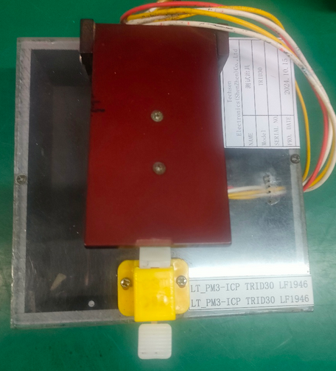 | 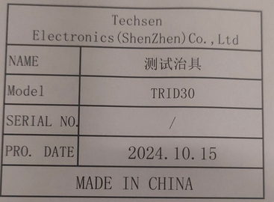 | 1 | 200 |  |  | C2 | 1 | 6.5 | 0.6 | 40*30*30 | 19*11*8 | Test program | NO
test fixture | 测试治具 | Techsen Electronics(ShenZhen)Co.,Ltd | VAXTAG | / |  |  | 电木/亚克力 |  |  | 2024.10.15 | China | NEW | 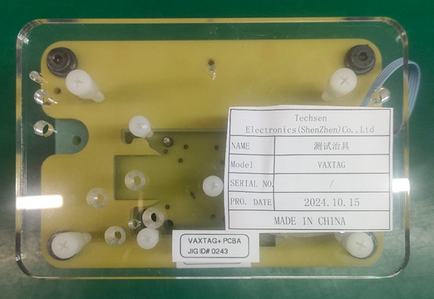 | 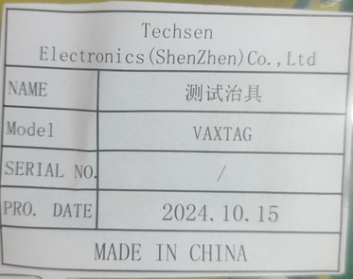 | 1 | 200 |  |  |  |  |  | 0.6 |  | 19*11*8 | Test program | NO
test fixture | 测试治具 | Techsen Electronics(ShenZhen)Co.,Ltd | USRIC | / |  |  | 电木 |  |  | 2024.10.15 | China | NEW | 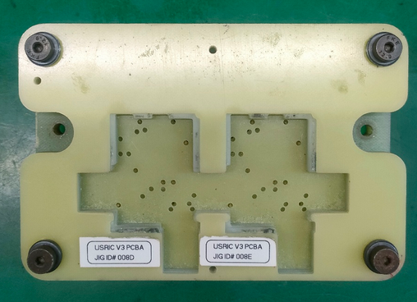 | 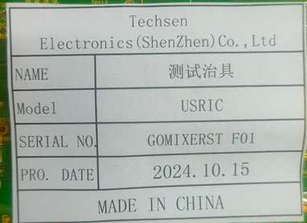 | 1 | 200 |  |  |  |  |  | 0.6 |  | 19*11*8 | Test program | NO
test fixture | 测试治具 | Techsen Electronics(ShenZhen)Co.,Ltd | USRIC-001 | / |  |  | 铝/电木/亚克力/电子元件 |  |  | 2024.10.15 | China | NEW | 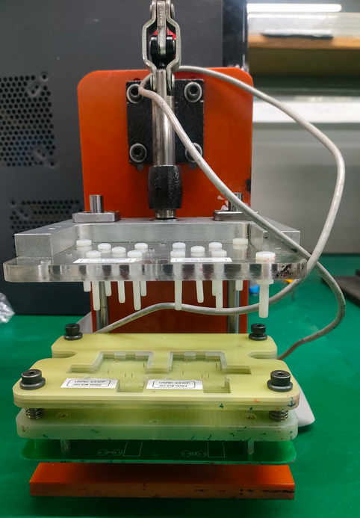 | 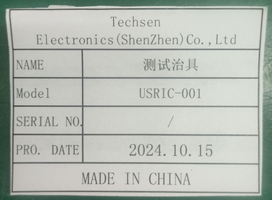 | 1 | 300 |  |  |  |  |  | 3.5 |  | 26*20*30 | Test program | NO
electric screw driver | 电动螺丝刀 | JB CO., Ltd | POL-DN-801Z | POL02 |  |  | 铁+电子元件 | 24VDC | 20W | 2025.02.13 | China | NEW |  | 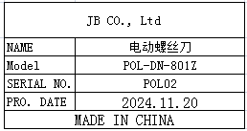 | 10 | 125 |  |  | C3 | 1 | 7.8 | 7.3 | 32X26X20 | 30X8X5 | Locking screw | NO
Needle nozzle | 针咀 | Lanba Wan Flagship Store | 13-200 | N01 |  |  | 不锈钢 | / | / | 2025.02.13 | China | NEW |  | 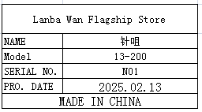 | 32 | 3.5 |  |  |  |  |  | 0.12 |  | 0.6X200 | Used for dispensing | NO

