listing
1) ENGLISH ITEM NAME (ex : OOOO machine) | 2)中文名称 | 3) MANUFACTUROR (ex : OOO company) | 4) MODEL NO (ex : abc-123) | 5)Serial number | 14) PICTURE (BEFORE PACKING) | 15) PICTURE (NAME PLATE or label) | 16)Quantity | 20)CARTON NO. | 21)CTN QTY
Stencil | 钢网 | Shenzhen Changke Excellence Technology Co., LTD | AD-10(B) MAIN A |  |  | 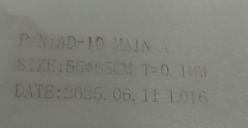 | 1 | M4 | 1
Stencil | 钢网 | Shenzhen Changke Excellence Technology Co., LTD | AD-10(B) MAIN B |  |  | 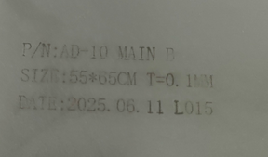 | 1

