listing
1) ENGLISH ITEM NAME (ex : OOOO machine) | 2)中文名称 | 3) MANUFACTUROR (ex : OOO company) | 4) MODEL NO (ex : abc-123) | 5)Serial number | 8)Material | 9) VOLTAGE (ex : 220V) | 10) CAPACITY (ex :1200KW) | 11) Manufacture date (yyyy-mm-dd) | 12) ORIGIN | 13) NEW or USED | 14) PICTURE (BEFORE PACKING) | 15) PICTURE (NAME PLATE or label) | 16)Quantity | 20)CARTON NO. | 21)CTN QTY
Handheld Inkjet Printer | 手持喷码机 | BUV Technology Co., Ltd | BUV-Y254X | / | 塑胶/电子元件 | 16.8V | 5W | 2025.5.18 | CHINA | NEW | 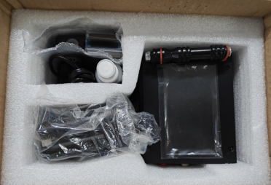 | 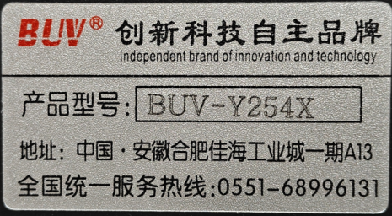 | 1 | S35 | 1
PCBA assembly fixture | 合拼PCBA板定位治具 | Techsen Electronics(ShenZhen)Co.,Ltd | VE-1 | VE-1F01 | 电木板 | / | / | 2025-08-26 | CHINA | NEW | 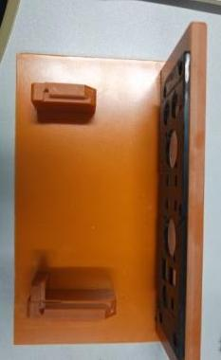 | 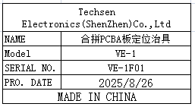 | 1 | S36 | 1
Lock bottom case screw fixture | 锁底壳螺丝治具 | Techsen Electronics(ShenZhen)Co.,Ltd | VE-1 | VE-1F02 | 电木板 | / | / | 2025-08-26 | CHINA | NEW | 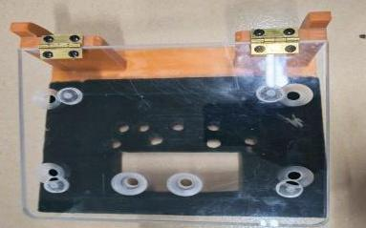 | 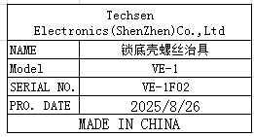 | 1
Lock VR screw fixture | 锁VR螺母治具 | Techsen Electronics(ShenZhen)Co.,Ltd | VE-1 | VE-1F03 | 电木板 | / | / | 2025-08-26 | CHINA | NEW |  | 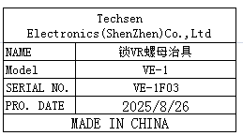 | 1
Lock Jack screw fixture | 锁插座螺丝治具 | Techsen Electronics(ShenZhen)Co.,Ltd | VE-1 | VE-1F04 | 电木板 | / | / | 2025-08-26 | CHINA | NEW | 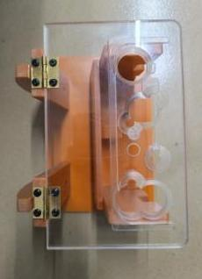 |  | 1

