listing
1) ENGLISH ITEM NAME (ex : OOOO machine) | 2)中文名称 | 3) MANUFACTUROR (ex : OOO company) | 4) MODEL NO (ex : abc-123) | 5)Serial number | 14) PICTURE (BEFORE PACKING) | 15) PICTURE (NAME PLATE or label) | 16)Quantity | 20)CARTON NO. | 21)CTN QTY | 26)应用范围
Audio conversion box | 音频转换盒 | Techsen Electronics(ShenZhen)Co.,Ltd | AD-10 | AD-10P01 |  |  | 5 | V1 | 1 | Test use
Audio conversion box | 音频转换盒 | Techsen Electronics(ShenZhen)Co.,Ltd | VE-8 | VE-8P01 |  |  | 6 |  |  | Test use
Audio conversion box | 音频转换盒 | Techsen Electronics(ShenZhen)Co.,Ltd | GX-1 | GX-1P04 |  |  | 6 |  |  | Test use
FCT JIG | 测试架 | Techsen Electronics(ShenZhen)Co.,Ltd | GX-1 | GX-1P05 | 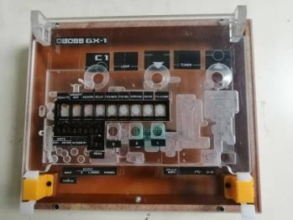 | 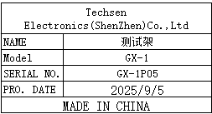 | 2 |  |  | Test use
High frequency soldering tip | 高频烙铁咀 | China Soldering iron head Co., LTD | 203H | / | 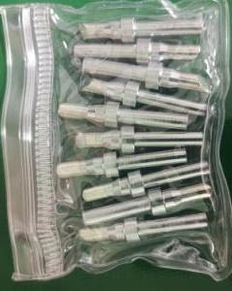 |  | 150 | V2 | 1 | Tool repair
Electric screwdriver bit | 电动螺丝刀批咀 | weeli Co.LTD | Y4X60X3X25 | / |  | 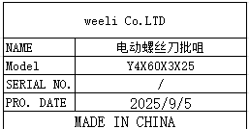 | 50 |  |  | Assemly
air tube | 气管 | HOLID Co., LTD | 10mm | / | 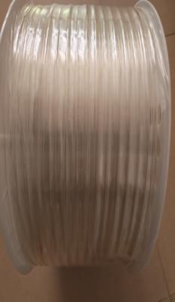 |  | 40 |  |  | Tool repair
304 Seven Star Plum Blossom Handle | 304七星梅花手柄 | Jinchao Official Flagship Store | 5B12-05-C08 | / |  |  | 10 |  |  | Assemly
thimble | 顶针 | Hengfeng Mold Hardware | 1.5mm | / |  |  | 10 |  |  | Test use
Hexagon socket screwdriver | 六角批咀 | weeli Co.LTD | H12 | / |  |  | 4 |  |  | Assemly
Power plug cable | 电源插头线 | JUCZO electronics factory | DC | / |  |  | 10 |  |  | Test use
audio cable | 音频线 | EFSHIU ELECTRONICS CO.,LTD | YX-1383 | / | 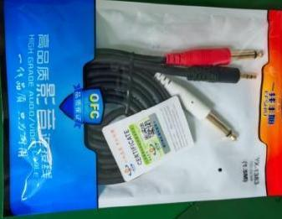 |  | 10 |  |  | Test use
audio cable | 音频线 | JSJ ELECTRONICS CO.,LTD | JSJ-443 | / | 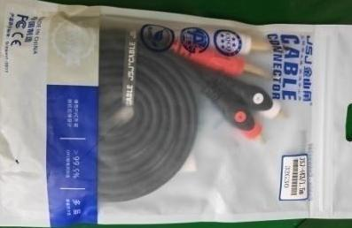 |  | 10 |  |  | Test use
Aviation connector | 航空接头 | Hongxiang Electronics Co., LTD | GX16-2 | / | 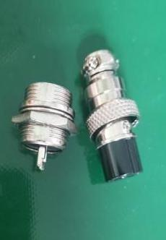 |  | 60 |  |  | Tool repair
Heating tube | 发热管 | QXDR Flagship store | 9.5X50 | / |  |  | 15 |  |  | Tool repair
Heating tube | 发热管 | QXDR Flagship store | 10X200 | / | 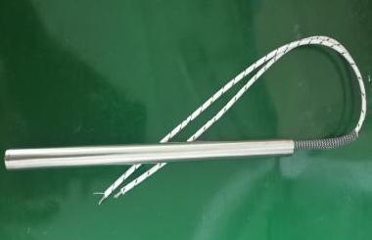 |  | 10 |  |  | Tool repair
terminal | 接线柱 | Xieli Electronics Co., Ltd | M3 | / |  | 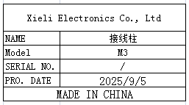 | 50 |  |  | Test use
terminal | 香蕉插头 | Xieli Electronics Co., Ltd | 4mm | / |  | 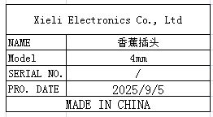 | 50 |  |  | Test use
Band switch | 波段开关 | JIAGE DIANZI Electronics CO.,LTD | RS26 | / | 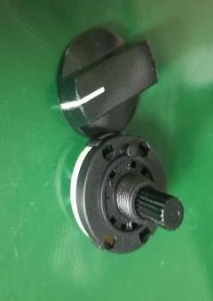 | 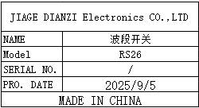 | 10 |  |  | Tool repair
Screw machine rotor | 螺丝机转子 | SHEN ZHEN XIN YONG TAI MOTOR CO.,LTD | JGB37-3530-CE | / |  |  | 5 |  |  | Tool repair
USB extension cable | USB延长线 | Xuantejia Electronics CO.,LTD | / | / | 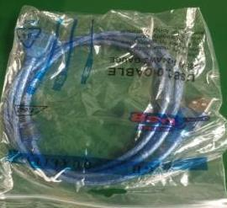 |  | 30 |  |  | Test use
USB cable | USB线 | Hangxun Electronic Technology CO.,LTD | Type-B | / | 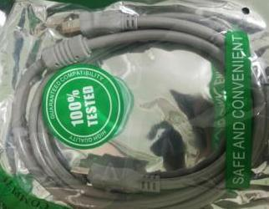 | 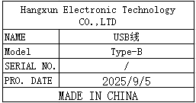 | 10 |  |  | Test use
pneumatic switch | 气动开关 | AIRTAC Co., LTD | 4V120-06 | / |  |  | 5 |  |  | Tool repair
BNC connector | BNC接头 | Shenzhen Weichuang Shengda Technology CO.,LTD | Q9 | / |  | 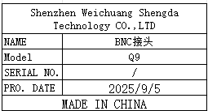 | 40 |  |  | Test use
connector | 接头 | Jinxiu Electronics CO.,LTD | AV | / |  | 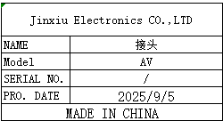 | 20 |  |  | Test use
JACK | 插头 | Jinxiu Electronics CO.,LTD | 3.5mm | / |  | 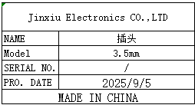 | 50 |  |  | Test use
Test needle | 探针 | Geshing Probe Electronics LTD | PA100-H2 | / |  | 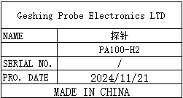 | 6 |  |  | JIG Repair
Test needle tube | 探针 | INGUN Co.LTD | GKS-075-0006 | / |  | 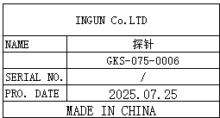 | 2 |  |  | JIG Repair
Audio balancer | 音频调节器 | Roland DG Corporation | DI-1 | / | 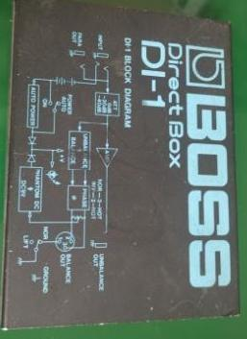 |  | 3 |  |  | Test use
coupling | 联轴器 | Lingke Automation Company | LK12 | / | 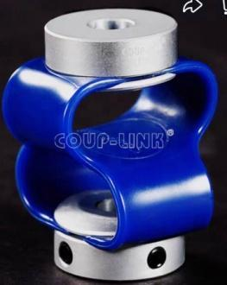 |  | 1 |  |  | Test use
Screw machine feeder accessories | 螺丝机送料器配件 | / | / | / | 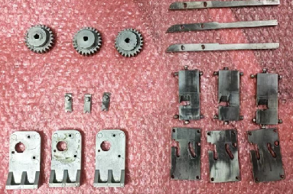 | / | 1 |  |  | /

