listing
1) ENGLISH ITEM NAME (ex : OOOO machine) | 2)中文名称 | 3) MANUFACTUROR (ex : OOO company) | 4) MODEL NO (ex : abc-123) | 5)Serial number | 14) PICTURE (BEFORE PACKING) | 15) PICTURE (NAME PLATE or label) | 16)Quantity | 20)CARTON NO. | 21)CTN QTY
wave soldering Fixture | 过炉治具 | Dongguan Changan Xingyao Automation Processing Shop | SIM0N HARRY(Main board) | SIMONHMF01A-H | 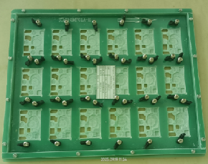 | 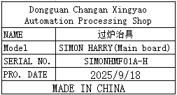 | 8 | Y6 | 1
wave soldering Fixture | 过炉治具 | Dongguan Changan Xingyao Automation Processing Shop | SIM0N HARRY(Key board1) | SIMONHKF01A-B | 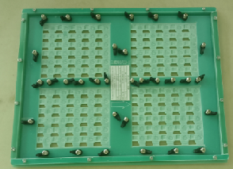 | 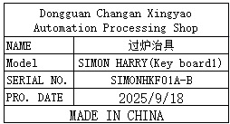 | 2 | Y7 | 1
wave soldering Fixture | 过炉治具 | Dongguan Changan Xingyao Automation Processing Shop | SIM0N HARRY(Key board2) | SIMONHKF02A-B | 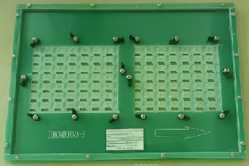 | 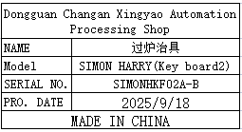 | 2

