listing
1) ENGLISH ITEM NAME (ex : OOOO machine) | 2)中文名称 | 3) MANUFACTUROR (ex : OOO company) | 4) MODEL NO (ex : abc-123) | TRAVEL-F05 | 6)CN hs code | 7)VN hs code | 8)Material | 9) VOLTAGE (ex : 220V) | 10) CAPACITY (ex :1200KW) | 11) Manufacture date (yyyy-mm-dd) | 12) ORIGIN | 13) NEW or USED | 14) PICTURE (BEFORE PACKING) | 15) PICTURE (NAME PLATE or label) | 16)Quantity | 17)cost(RMB 13%VAT) | 18)cost(USD) | 19)Total cost(USD) | 20)CARTON NO. | 21)CTN QTY | 22)G.W(KGS) | 23)N.W(KGS) | 24)Package Size(CM) | 25)Part size(CM) | 26)应用范围 | 27)是否带电源
Drive the handle screw fixture | 打手柄螺丝治具 | Techsen Electronics(ShenZhen)Co.,Ltd | CROSS FIRE | CROSSFIRE F01A |  |  | 电木 |  |  | 2025-12-05 | CHINA | NEW | 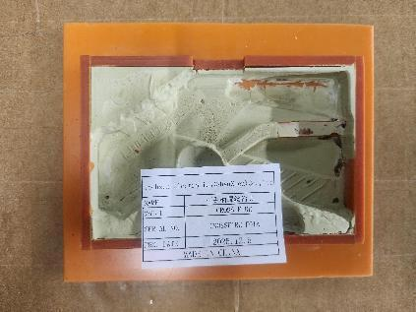 | 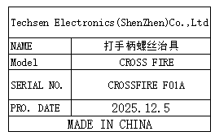 | 4 | 80 |  |  | B2 | 1 | 20.8 | 1.92 | 63x27x40 | 17x14x2.5 | Production Assemble | NO
Drill the finished screw fixture | 打成品螺丝治具 | Techsen Electronics(ShenZhen)Co.,Ltd | CROSS FIRE | CROSSFIRE F02A |  |  | 电木 |  |  | 2025-12-05 | CHINA | NEW | 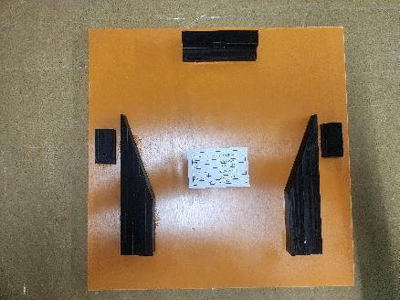 | 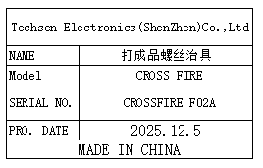 | 4 | 60 |  |  |  |  |  | 5.72 |  | 32.5x32.5x3 | Production Assemble | NO
Beer marble fixture | 啤弹珠治具 | Techsen Electronics(ShenZhen)Co.,Ltd | CROSS FIRE | CROSSFIRE F03A |  |  | 电木 |  |  | 2025-12-05 | CHINA | NEW | 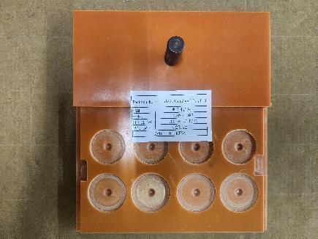 | 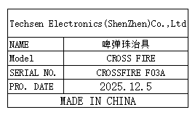 | 1 | 60 |  |  |  |  |  | 0.42 |  | 17x11x5.5 | Production Assemble | NO
Counting fixture | 计数治具 | Techsen Electronics(ShenZhen)Co.,Ltd | CROSS FIRE | CROSSFIRE F04A |  |  | 电木/铝 |  |  | 2025-12-05 | CHINA | NEW | 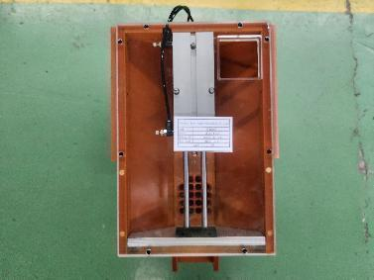 | 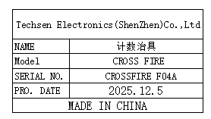 | 1 | 500 |  |  |  |  |  | 6.86 |  | 36x12x26 | Production Assemble | NO
Use the console date fixture | 打主机日期治具 | Techsen Electronics(ShenZhen)Co.,Ltd | CROSS FIRE | CROSSFIRE F05A |  |  | 电木 |  |  | 2025-12-05 | CHINA | NEW | 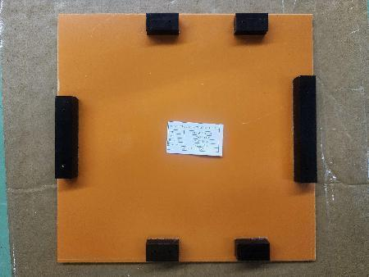 | 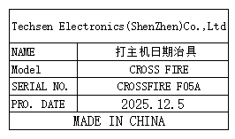 | 1 | 50 |  |  |  |  |  | 1.04 |  | 31.5x33x2.5 | Production Assemble | NO
Polish the pen tip fixture | 打磨笔头治具 | Techsen Electronics(ShenZhen)Co.,Ltd | TRAVEL OPERATION | TRAVEL-F01 |  |  | 电木 |  |  | 2025-12-05 | CHINA | NEW | 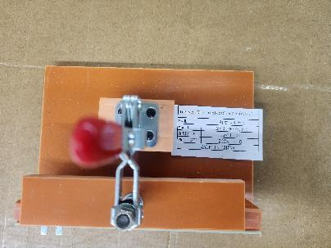 | 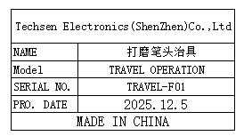 | 1 | 80 |  |  |  |  |  | 0.7 |  | 17.5x12.5x15 | Production Assemble | NO
Welding fixture | 焊介子治具 | Techsen Electronics(ShenZhen)Co.,Ltd | TRAVEL OPERATION | TRAVEL-F02 |  |  | 电木 |  |  | 2025-12-05 | CHINA | NEW | 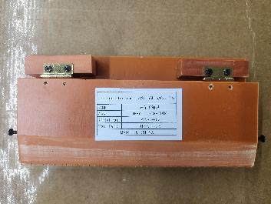 | 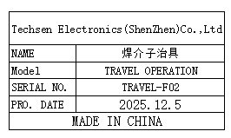 | 2 | 50 |  |  |  |  |  | 1 |  | 21x10x3 | Soldering fixture | NO
Welding probe lead fixture | 焊探笔引线治具 | Techsen Electronics(ShenZhen)Co.,Ltd | TRAVEL OPERATION | TRAVEL-F03 |  |  | 铝 |  |  | 2025-12-05 | CHINA | NEW | 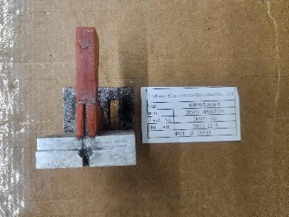 | 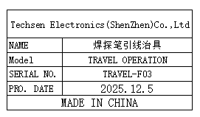 | 1 | 50 |  |  |  |  |  | 0.1 |  | 5x7x5 | Soldering fixture | NO
Pull out the pen wire fixture | 拉探笔线治具 | Techsen Electronics(ShenZhen)Co.,Ltd | TRAVEL OPERATION | TRAVEL-F04 |  |  | 电木 |  |  | 2025-12-05 | CHINA | NEW | 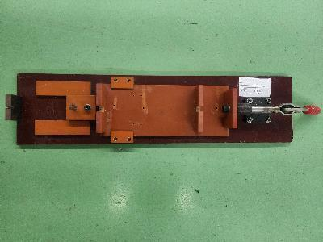 | 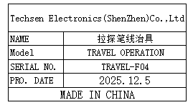 | 1 | 300 |  |  |  |  |  | 2.54 |  | 67x15x7 | Production Assemble | NO
Panel separation fixture | 分板治具 | Techsen Electronics(ShenZhen)Co.,Ltd | TRAVEL OPERATION | TRAVEL-F05 |  |  | 电木/铁 |  |  | 2025-12-05 | CHINA | NEW | 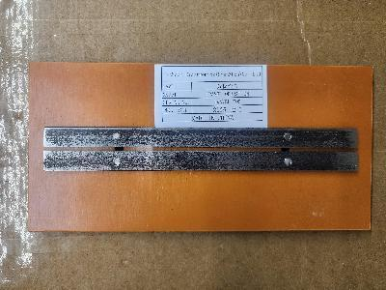 | 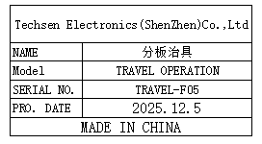 | 1 | 50 |  |  | B3 | 1 | 18.5 | 0.4 | 55x37x20 | 23x11x1.5 | Production Assemble | NO
Press the battery cell into the shell fixture | 压电池片入壳治具 | Techsen Electronics(ShenZhen)Co.,Ltd | TRAVEL OPERATION | TRAVEL-F06 |  |  | 电木/铁/铝 |  |  | 2025-12-05 | CHINA | NEW | 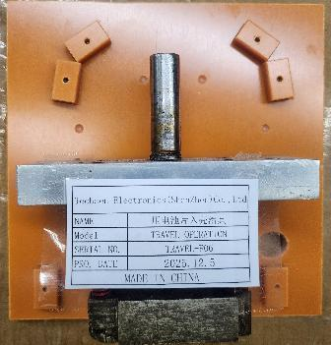 | 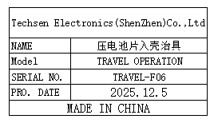 | 1 | 80 |  |  |  |  |  | 0.65 |  | 15x15x10 | Production Assemble | NO
Press the battery cells into the fixture | 压电池片到位治具 | Techsen Electronics(ShenZhen)Co.,Ltd | TRAVEL OPERATION | TRAVEL-F07 |  |  | 电木/铁 |  |  | 2025-12-05 | CHINA | NEW | 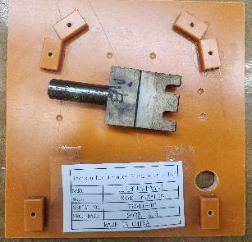 | 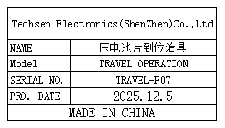 | 1 | 80 |  |  |  |  |  | 0.3 |  | 15x15x10 | Production Assemble | NO
Bending battery cell foot fixture | 压弯电池片脚治具 | Techsen Electronics(ShenZhen)Co.,Ltd | TRAVEL OPERATION | TRAVEL-F08 |  |  | 电木/铁 |  |  | 2025-12-05 | CHINA | NEW | 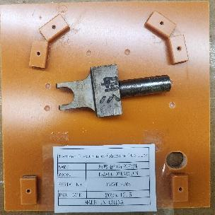 | 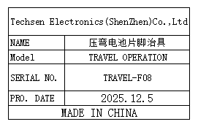 | 1 | 80 |  |  |  |  |  | 0.31 |  | 15x15x10 | Production Assemble | NO
Beer nut fixture | 啤螺母治具 | Techsen Electronics(ShenZhen)Co.,Ltd | TRAVEL OPERATION | TRAVEL-F09 |  |  | 电木/铜 |  |  | 2025-12-05 | CHINA | NEW | 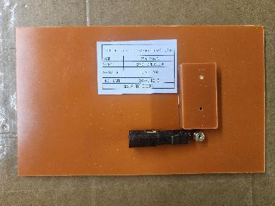 | 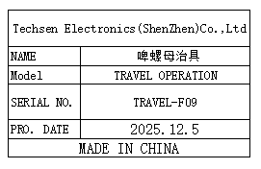 | 1 | 50 |  |  |  |  |  | 0.35 |  | 23x14x1.5 | Production Assemble | NO
Inhale and apply the sticker fixture | 吸气贴贴纸治具 | Techsen Electronics(ShenZhen)Co.,Ltd | TRAVEL OPERATION | TRAVEL-F10 |  |  | 塑胶/纤维板 |  |  | 2025-12-05 | CHINA | NEW | 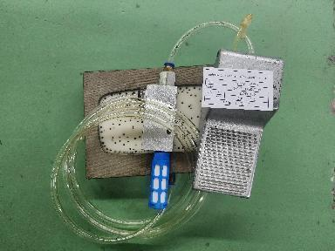 | 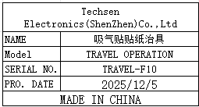 | 2 | 100 |  |  |  |  |  | 4.48 |  | 25x12x4 | Production Assemble | NO
Install the iron sheet fixture | 装铁片治具 | Techsen Electronics(ShenZhen)Co.,Ltd | TRAVEL OPERATION | TRAVEL-F11 |  |  | 电木 |  |  | 2025-12-05 | CHINA | NEW | 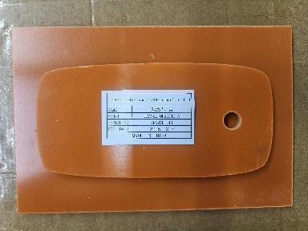 | 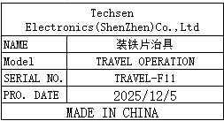 | 1 | 50 |  |  |  |  |  | 0.43 |  | 25x12x1.5 | Production Assemble | NO
Hit the shell screw fixture | 打中壳螺丝治具 | Techsen Electronics(ShenZhen)Co.,Ltd | TRAVEL OPERATION | TRAVEL-F12 |  |  | 电木 |  |  | 2025-12-05 | CHINA | NEW | 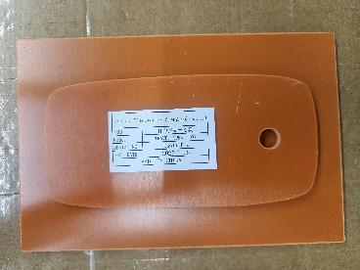 |  | 2 | 50 |  |  |  |  |  | 1.24 |  | 25x12x1.5 | Production Assemble | NO
The screw machine hit the small screw fixture of the shell | 螺丝机打中壳 小螺丝治具 | Techsen Electronics(ShenZhen)Co.,Ltd | TRAVEL OPERATION | TRAVEL-F13 |  |  | 电木 |  |  | 2025-12-05 | CHINA | NEW | 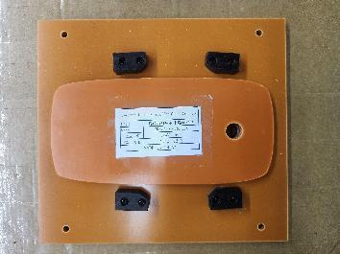 | 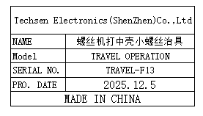 | 2 | 50 |  |  |  |  |  | 1.24 |  | 25x12x1.5 | Production Assemble | NO
Welding horn wire fixture | 焊喇叭线治具 | Techsen Electronics(ShenZhen)Co.,Ltd | TRAVEL OPERATION | TRAVEL-F14 |  |  | 电木 |  |  | 2025-12-05 | CHINA | NEW | 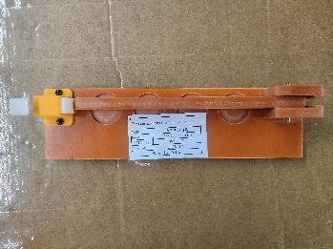 |  | 1 | 50 |  |  |  |  |  | 0.3 |  | 24x6.5x4 | Soldering fixture | NO
Screwdriver fixtures for PCB boards | 打PCB板螺丝治具 | Techsen Electronics(ShenZhen)Co.,Ltd | TRAVEL OPERATION | TRAVEL-F15 |  |  | 电木 |  |  | 2025-12-05 | CHINA | NEW | 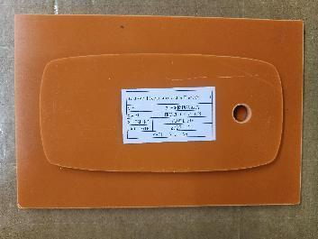 | 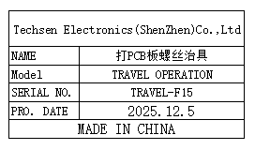 | 3 | 50 |  |  |  |  |  | 1.29 |  | 25x12x1.5 | Production Assemble | NO
Screw machine screw fixture for the main machine | 螺丝机打主机 螺丝治具 | Techsen Electronics(ShenZhen)Co.,Ltd | TRAVEL OPERATION | TRAVEL-F16 |  |  | 电木 |  |  | 2025-12-05 | CHINA | NEW | 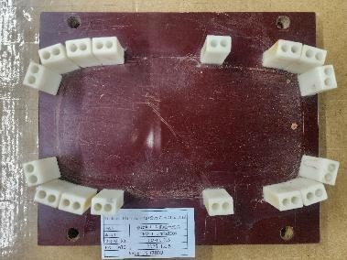 | 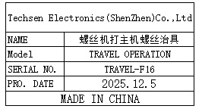 | 2 | 60 |  |  |  |  |  | 2.56 |  | 22.5x19x5 | Production Assemble | NO
Mark the date of the main unit and the battery door fixture | 打主机日期及 电池门治具 | Techsen Electronics(ShenZhen)Co.,Ltd | TRAVEL OPERATION | TRAVEL-F17 |  |  | 电木 |  |  | 2025-12-05 | CHINA | NEW | 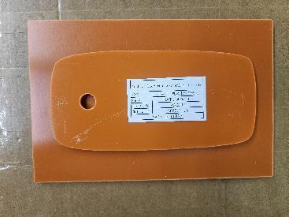 | 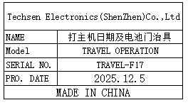 | 1 | 50 |  |  |  |  |  | 0.43 |  | 22x20x1.5 | Production Assemble | NO
Punching box hole fixture | 冲彩盒孔治具 | Techsen Electronics(ShenZhen)Co.,Ltd | TRAVEL OPERATION | TRAVEL-F18 |  |  | 电木 |  |  | 2025-12-05 | CHINA | NEW | 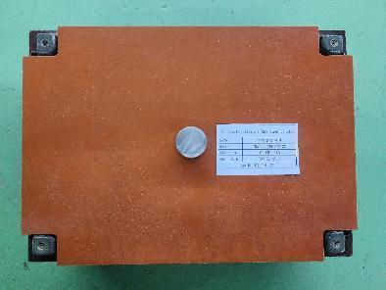 | 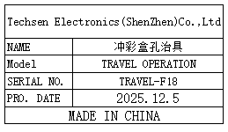 | 1 | 60 |  |  |  |  |  | 3.68 |  | 30x20x9 | Production Assemble | NO
Biaxial stretching column fixture | 啤胶柱治具 | Techsen Electronics(ShenZhen)Co.,Ltd | Operation Bluey | Opera F01A |  |  | 铝、铜 |  |  | 2025-11-03 | CHINA | NEW | 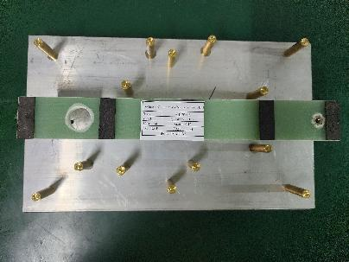 | 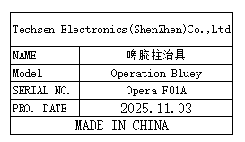 | 3 | 800 |  |  | B4 | 1 | 21.61 | 20.61 | 41x27x35 | 39x23.5x7.5 | Production Assemble | NO
Stencil | 钢网 | Shenzhen Changke Excellence Technology Co., LTD | TRAVEL OPERATION | 100-13002-02-01 V01 |  |  | 钢/铝 |  |  | 2025.09.24 | China | NEW |  |  | 1 | 145 |  |  | B5 | 1 | 1.1 | 0.6 | 48*40*3 | 47*37*2CM | SMT | NO

