listing
1) ENGLISH ITEM NAME (ex : OOOO machine) | 2)中文名称 | 3) MANUFACTUROR (ex : OOO company) | 4) MODEL NO (ex : abc-123) | 5)Serial number | 6)CN hs code | 7)VN hs code | 8)Material | 9) VOLTAGE (ex : 220V) | 10) CAPACITY (ex :1200KW) | 11) Manufacture date (yyyy-mm-dd) | 12) ORIGIN | 13) NEW or USED | 14) PICTURE (BEFORE PACKING) | 15) PICTURE (NAME PLATE or label) | 16)Quantity | 17)cost(RMB 13%VAT) | 18)cost(USD) | 19)Total cost(USD) | 20)CARTON NO. | 21)CTN QTY | 22)G.W(KGS) | 23)N.W(KGS) | 24)Package Size(CM) | 25)Part size(CM) | 26)应用范围 | 27)是否带电源
Lower heating plate | 下层发热板 | Shenzhen JT Automation Equlpment Co., Ltd | L=958mm | 30035787 | / | / | 不锈钢 | 380V | 1200W | 2025.11.21 | China | NEW |  | 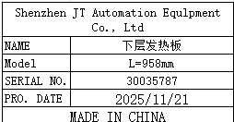 | 1 | / | / | / | B1 | 1（打木箱) | 18 | 1.4 | 130x15x15 | 110x5x2 | Wave soldering machince maintenance | NO
Lower heating plate | 上层发热板 | Shenzhen JT Automation Equlpment Co., Ltd | L=1030mm | 30035788 | / | / | 不锈钢 | 380V | 1200W | 2025.11.21 | China | NEW |  | 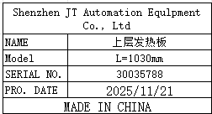 | 6 | / | / | / |  |  |  | 12 |  | 110x5x5 | Wave soldering machince maintenance | NO
Lower heating plate | 高温线 | Shenzhen JT Automation Equlpment Co., Ltd | 4mm² | 30014245 | / | / | 镍线 | / | / | 2025.11.21 | China | NEW |  | 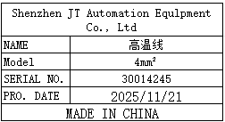 | 15m | / | / | / |  |  |  | 1 |  | 10x10x5 | Wave soldering machince maintenance | NO

