listing
1) ENGLISH ITEM NAME (ex : OOOO machine) | 2)中文名称 | 3) MANUFACTUROR (ex : OOO company) | 4) MODEL NO (ex : abc-123) | 5)Serial number | 14) PICTURE (BEFORE PACKING) | 15) PICTURE (NAME PLATE or label) | 16)Quantity | 17)cost(RMB 13%VAT) | 18)cost(USD) | 19)Total cost(USD) | 20)CARTON NO. | 21)CTN QTY | 22)G.W(KGS) | 23)N.W(KGS) | 24)Package Size(CM) | 25)Part size(CM) | 26)应用范围 | 27)是否带电源
FCT JIG | PCBA测试架 | Techsen Electronics(ShenZhen)Co.,Ltd | GX-1 | GX-1P01 | 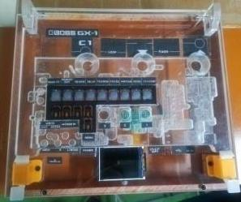 | 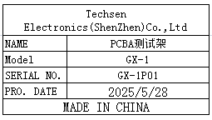 | 2 | 250 |  |  | L2 | 1 | 8.8 | 4.95 | 56x40x25 | 30X25X9 | PCBA TESTING | NO
Splitting edge fixture | 分板边治具 | Techsen Electronics(ShenZhen)Co.,Ltd | GOMIXERST | GOMIXERST-F27 | 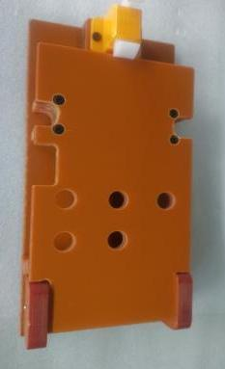 | 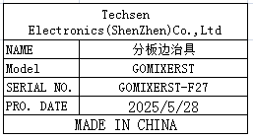 | 1 | 45 |  |  |  |  |  | 0.45 |  | 22X10X5 | PCBA assemly | NO
LCD film sticking fixture | LCD贴胶片治具 | Techsen Electronics(ShenZhen)Co.,Ltd | GOMIXERST | GOMIXERST-F28 | 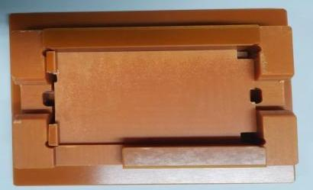 | 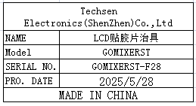 | 1 | 40 |  |  |  |  |  | 0.19 |  | 10X9X2.5 | Casing assemly | NO
TOP shell adhesive paper fixture | 面壳贴胶纸治具 | Techsen Electronics(ShenZhen)Co.,Ltd | GOMIXERST | GOMIXERST-F29 | 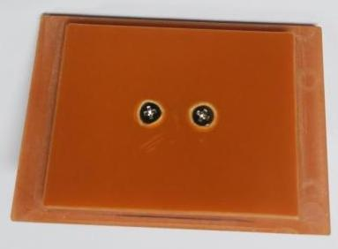 | 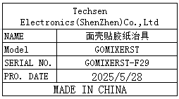 | 1 | 20 |  |  |  |  |  | 0.03 |  | 6.5X4.5X0.5 | Casing assemly | NO
LCD anti-collision fixture | LCD防撞治具 | Techsen Electronics(ShenZhen)Co.,Ltd | GOMIXERST | GOMIXERST-F30 | 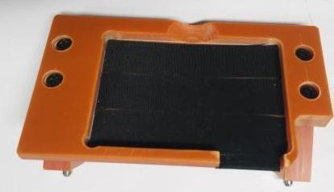 | 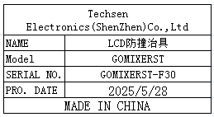 | 1 | 25 |  |  |  |  |  | 0.08 |  | 10X6X3.8 | Casing assemly | NO
Test conversion box | 测试转换盒 | Techsen Electronics(ShenZhen)Co.,Ltd | GT-1000 | GT-1000C01 | 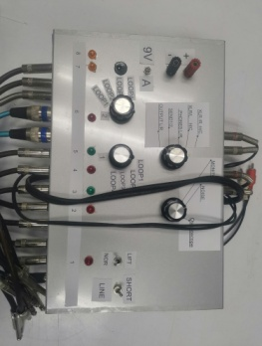 | 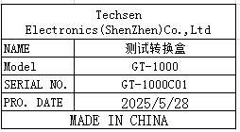 | 1 | 85 |  |  |  |  |  | 1.81 |  | 38X31X18 | Casing TESTING | NO
Beer Length iron shaft fixture | 啤长铁轴治具 | Techsen Electronics(ShenZhen)Co.,Ltd | Protective Case | Protective F01A |  | 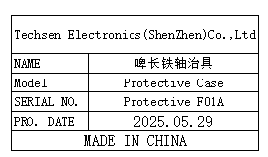 | 1 | 150 |  |  | L3 | 1 | 12.6 | 5.08 | 55X39X38CM | 46X15X24CM | Casing assemly | NO
Beer press buckle iron shaft fixture | 啤压扣铁轴治具 | Techsen Electronics(ShenZhen)Co.,Ltd | Protective Case | Protective F02A |  | 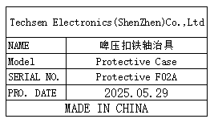 | 1 | 100 |  |  |  |  |  | 4.08 |  | 43X15X14CM | Casing assemly | NO
Beer press bottom shell fixture | 啤压底面壳治具 | Techsen Electronics(ShenZhen)Co.,Ltd | Protective Case | Protective F03A | 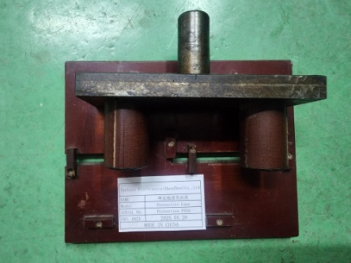 | 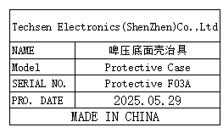 | 1 | 20 |  |  |  |  |  | 1.43 |  | 18x4.5x2cm | Casing assemly | NO
Tensile testing fixture | 拉力测试治具 | Techsen Electronics(ShenZhen)Co.,Ltd | Protective Case | Protective F04A | 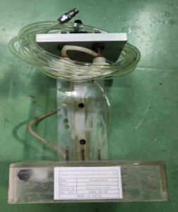 | 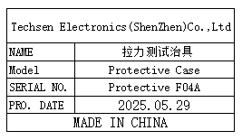 | 1 | 50 |  |  |  |  |  | 1.53 |  | 18x14x37cm | Casing TESTING | NO
USB test Stand | USB测试座 | Techsen Electronics(ShenZhen)Co.,Ltd | LogTag TRED series | Y03A | 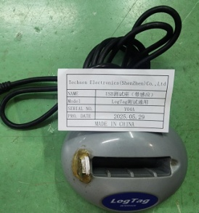 |  | 4 | 20 |  |  | L4 | 1 | 9 | 0.13 | 41X34X37CM | 100X50X6mm | Casing TESTING | NO
USB test Stand | USB测试座 （带感应） | Techsen Electronics(ShenZhen)Co.,Ltd | LogTag series | Y04A | 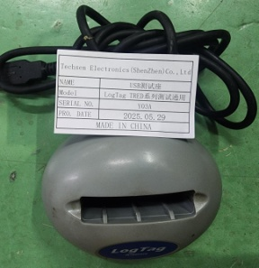 |  | 5 | 20 |  |  |  |  |  | 0.55 |  | 100X80X6mm | Casing TESTING | NO
PCBA Testing JIG | PCBA测试架 | Techsen Electronics(ShenZhen)Co.,Ltd | LTI-WM-WIFI V2 JIG | OO87 | 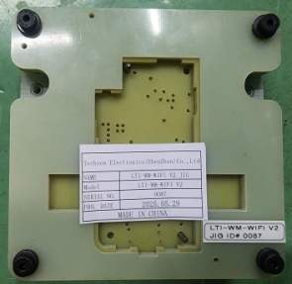 |  | 1 | 100 |  |  |  |  |  | 0.65 |  | 15x15x4cm | PCBA TESTING | NO
winding machine | 绕线机 | Techsen Electronics(ShenZhen)Co.,Ltd | ST series | F09B | 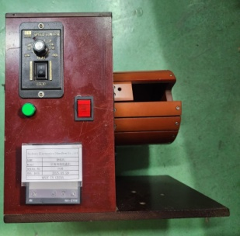 |  | 1 | 70 |  |  |  |  |  | 4.54 |  | 30X20X26cm | Casing assemly | NO
Dry furnace | 干式炉 | FLUKE Co.,Ltd | 9102S | / | 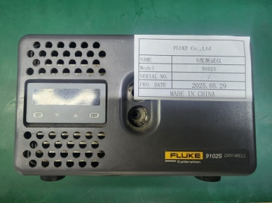 |  | 1 | 500 |  |  |  |  |  | 1.64 |  | 13x7x5cm | Casing TESTING | NO
test box | 测试盒 | Techsen Electronics(ShenZhen)Co.,Ltd | ST100 series | J01A | 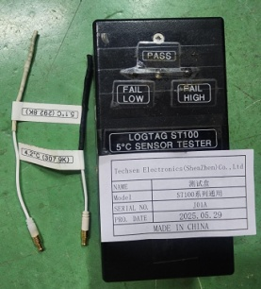 |  | 1 | 10 |  |  |  |  |  | 0.13 |  | 7.5x5x10cm | Casing TESTING | NO
test box | 测试盒 | Techsen Electronics(ShenZhen)Co.,Ltd | ST100 series | J02A | 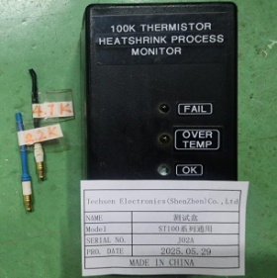 |  | 1 | 10 |  |  |  |  |  | 0.15 |  | 13x7x5cm | Casing TESTING | NO
test box | 测试盒 | Techsen Electronics(ShenZhen)Co.,Ltd | ST100 series | J03A | 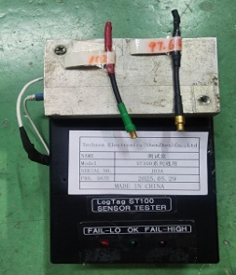 |  | 2 | 10 |  |  |  |  |  | 0.26 |  | 16x9x7cm | Casing TESTING | NO
test box | 测试盒 | Techsen Electronics(ShenZhen)Co.,Ltd | ST10 series | J04A |  |  | 1 | 10 |  |  |  |  |  | 0.12 |  | 13x7x5cm | Casing TESTING | NO
test box | 测试盒 | Techsen Electronics(ShenZhen)Co.,Ltd | ST10 series | J05A | 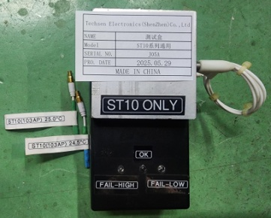 |  | 2 | 10 |  |  |  |  |  | 0.28 |  | 13x7x6cm | Casing TESTING | NO
TEST Line | 测试线 | Techsen Electronics(ShenZhen)Co.,Ltd | TRED series | TRED J01 | 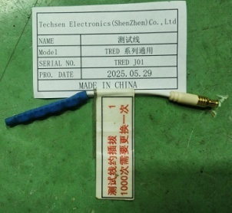 |  | 6 | 5 |  |  |  |  |  | 0.02 |  | 10x0.3cm | Casing TESTING | NO
collator | 校对机 | Techsen Electronics(ShenZhen)Co.,Ltd | TRED30-16R | 6061017167 6061017166 | 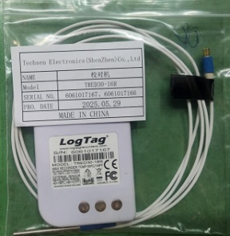 | 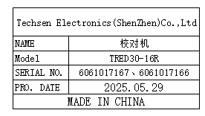 | 2 | 10 |  |  |  |  |  | 0.03 |  | 9X5.5x1.8cm | PCBA TESTING | NO

