listing
1) ENGLISH ITEM NAME (ex : OOOO machine) | 2)中文名称 | 3) MANUFACTUROR (ex : OOO company) | 4) MODEL NO (ex : abc-123) | 5)Serial number | 6)CN hs code | 7)VN hs code | 8)Material | 9) VOLTAGE (ex : 220V) | 10) CAPACITY (ex :1200KW) | 11) Manufacture date (yyyy-mm-dd) | 12) ORIGIN | 13) NEW or USED | 14) PICTURE (BEFORE PACKING) | 15) PICTURE (NAME PLATE or label) | 16)Quantity | 17)cost(RMB 13%VAT) | 18)cost(USD) | 19)Total cost(USD) | 20)CARTON NO. | 21)CTN QTY | 22)G.W(KGS) | 23)N.W(KGS) | 24)Package Size(CM) | 25)Part size(CM) | 26)应用范围 | 27)是否带电源
stainless steel screw | 不锈钢螺丝 | Guwanji Flagship Store | M4x8/12/16 | / |  |  | 钢 |  |  | 2025.11.10 | China | NEW |  | / | 200sets |  |  |  | / | 1 | 1.01 | 0.4 | 23*9.5*7 | 10*10*2CM | wave soldering machince repair | NO
Stainless steel terminal block | 不锈钢接线端子 | Guwanji Flagship Store | OT4-4 | / |  |  | 钢 |  |  | 2025.11.10 | China | NEW |  | / | 100 |  |  |  |  |  |  | 0.1 |  | 10*10*1 | wave soldering machince repair | NO
crimping tool | 压线钳 | TPO tools co.ltd. | SN-06 | / |  |  | 钢 |  |  | 2025.11.10 | China | NEW |  | / | 1 |  |  |  |  |  |  | 0.4 |  | 20*10*4CM | wave soldering machince repair | NO
insulating sleeve | 高温绝缘套管 | Guwanji Flagship Store | M12/5m | / |  |  | 玻璃纤维 |  |  | 2025.11.10 | China | NEW | 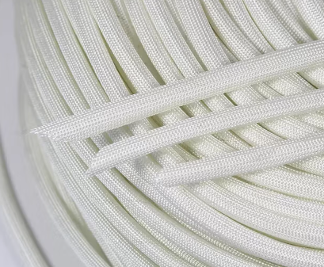 | / | 1 |  |  |  |  |  |  | 0.1 |  | 20*10*4CM | wave soldering machince repair | NO

