listing
1) ENGLISH ITEM NAME (ex : OOOO machine) | 2)中文名称 | 3) MANUFACTUROR (ex : OOO company) | 4) MODEL NO (ex : abc-123) | 5)Serial number | 14) PICTURE (BEFORE PACKING) | 15) PICTURE (NAME PLATE or label) | 16)Quantity | 20)CARTON NO. | 21)CTN QTY
FCT JIG | PCBA测试架 | Techsen Electronics(ShenZhen)Co.,Ltd | GX-1 | GX-1P01 | 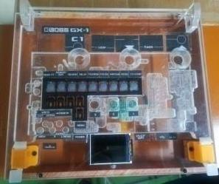 | 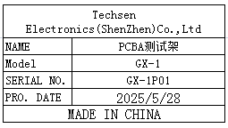 | 2 | L2 | 1
Splitting edge fixture | 分板边治具 | Techsen Electronics(ShenZhen)Co.,Ltd | GOMIXERST | GOMIXERST-F27 | 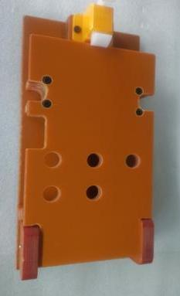 | 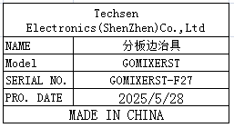 | 1
LCD film sticking fixture | LCD贴胶片治具 | Techsen Electronics(ShenZhen)Co.,Ltd | GOMIXERST | GOMIXERST-F28 | 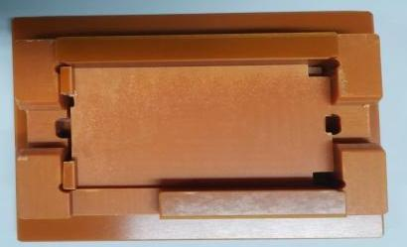 | 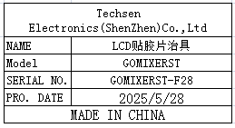 | 1
TOP shell adhesive paper fixture | 面壳贴胶纸治具 | Techsen Electronics(ShenZhen)Co.,Ltd | GOMIXERST | GOMIXERST-F29 | 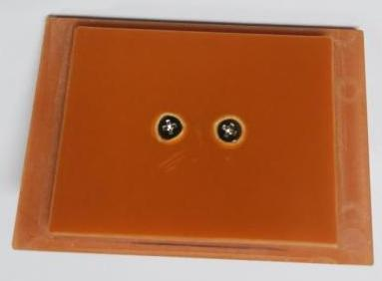 | 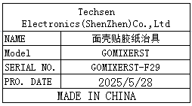 | 1
LCD anti-collision fixture | LCD防撞治具 | Techsen Electronics(ShenZhen)Co.,Ltd | GOMIXERST | GOMIXERST-F30 | 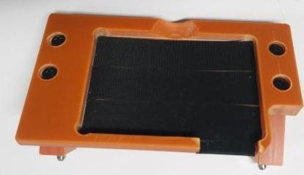 | 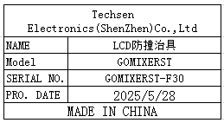 | 1
Test conversion box | 测试转换盒 | Techsen Electronics(ShenZhen)Co.,Ltd | GT-1000 | GT-1000C01 | 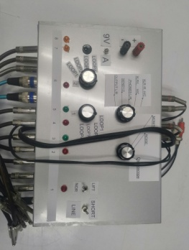 | 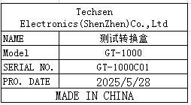 | 1
Beer Length iron shaft fixture | 啤长铁轴治具 | Techsen Electronics(ShenZhen)Co.,Ltd | Protective Case | Protective F01A |  | 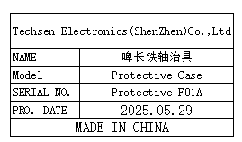 | 1 | L3 | 1 | Already send to MPVN at 6/5/25
Beer press buckle iron shaft fixture | 啤压扣铁轴治具 | Techsen Electronics(ShenZhen)Co.,Ltd | Protective Case | Protective F02A |  | 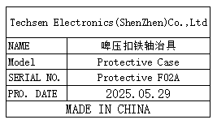 | 1
Beer press bottom shell fixture | 啤压底面壳治具 | Techsen Electronics(ShenZhen)Co.,Ltd | Protective Case | Protective F03A | 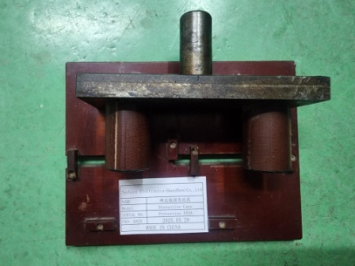 | 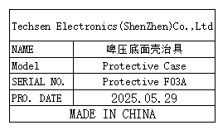 | 1
Tensile testing fixture | 拉力测试治具 | Techsen Electronics(ShenZhen)Co.,Ltd | Protective Case | Protective F04A | 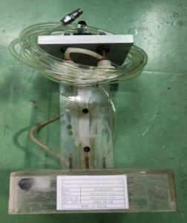 | 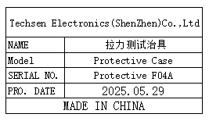 | 1
USB test Stand | USB测试座 | Techsen Electronics(ShenZhen)Co.,Ltd | LogTag TRED series | Y03A | 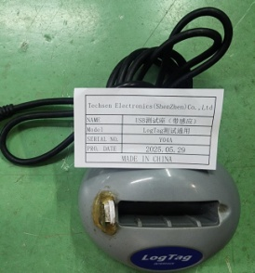 |  | 4 | L4 | 1
USB test Stand | USB测试座 （带感应） | Techsen Electronics(ShenZhen)Co.,Ltd | LogTag series | Y04A | 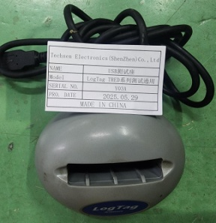 |  | 5
PCBA Testing JIG | PCBA测试架 | Techsen Electronics(ShenZhen)Co.,Ltd | LTI-WM-WIFI V2 JIG | OO87 | 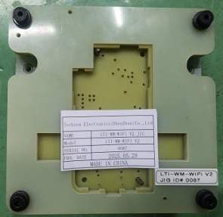 |  | 1
winding machine | 绕线机 | Techsen Electronics(ShenZhen)Co.,Ltd | ST series | F09B | 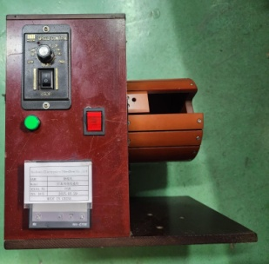 |  | 1
Dry furnace | 干式炉 | FLUKE Co.,Ltd | 9102S | / | 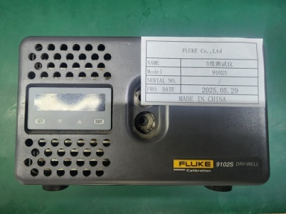 |  | 1
test box | 测试盒 | Techsen Electronics(ShenZhen)Co.,Ltd | ST100 series | J01A | 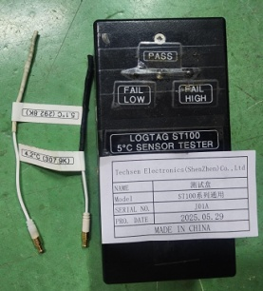 |  | 1
test box | 测试盒 | Techsen Electronics(ShenZhen)Co.,Ltd | ST100 series | J02A | 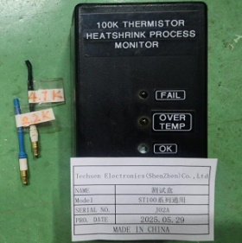 |  | 1
test box | 测试盒 | Techsen Electronics(ShenZhen)Co.,Ltd | ST100 series | J03A | 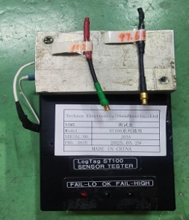 |  | 2
test box | 测试盒 | Techsen Electronics(ShenZhen)Co.,Ltd | ST10 series | J04A |  |  | 1
test box | 测试盒 | Techsen Electronics(ShenZhen)Co.,Ltd | ST10 series | J05A | 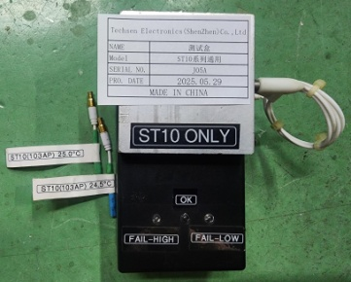 |  | 2
TEST Line | 测试线 | Techsen Electronics(ShenZhen)Co.,Ltd | TRED series | TRED J01 | 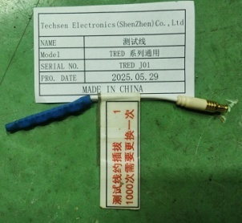 |  | 6
collator | 校对机 | Techsen Electronics(ShenZhen)Co.,Ltd | TRED30-16R | 6061017167 6061017166 | 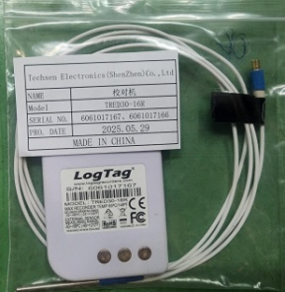 | 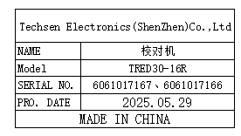 | 2

