listing
1) ENGLISH ITEM NAME (ex : OOOO machine) | 2)中文名称 | 3) MANUFACTUROR (ex : OOO company) | 4) MODEL NO (ex : abc-123) | 5)Serial number | 6)CN hs code | 7)VN hs code | 8)Material | 9) VOLTAGE (ex : 220V) | 10) CAPACITY (ex :1200KW) | 11) Manufacture date (yyyy-mm-dd) | 12) ORIGIN | 13) NEW or USED | 14) PICTURE (BEFORE PACKING) | 15) PICTURE (NAME PLATE or label) | 16)Quantity | 17)cost(RMB 13%VAT) | 18)cost(USD) | 19)Total cost(USD) | 20)CARTON NO. | 21)CTN QTY | 22)G.W(KGS) | 23)N.W(KGS) | 24)Package Size(CM) | 25)Part size(CM) | 26)应用范围 | 27)是否带电源
Stencil | 钢网 | Shenzhen Changke Excellence Technology Co., LTD | VE-2 MAIN A |  |  |  | 钢/铝 |  |  | 2024.12.06 | China | NEW |  | 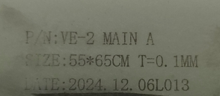 | 1 | 270 |  |  | Y1 | 1 | 20.7 | 1.1 | 73*43*70CM | 55*65*2.5CM | SMT | NO
Stencil | 钢网 | Shenzhen Changke Excellence Technology Co., LTD | VE-2 MAIN B |  |  |  | 钢/铝 |  |  | 2024.12.06 | China | NEW |  | 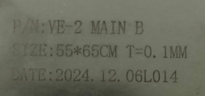 | 1 | 270 |  |  |  |  |  | 1.1 |  | 55*65*2.5CM | SMT | NO
Stencil | 钢网 | Shenzhen Changke Excellence Technology Co., LTD |  | AD-10 MAIN A |  |  | 钢/铝 |  |  | 2024.12.04 | China | NEW |  | 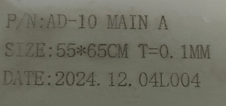 | 1 | 270 |  |  |  |  |  | 1.1 |  | 55*65*2.5CM | SMT | NO
Stencil | 钢网 | Shenzhen Changke Excellence Technology Co., LTD |  | AD-10 MAIN B |  |  | 钢/铝 |  |  | 2024.12.04 | China | NEW |  | 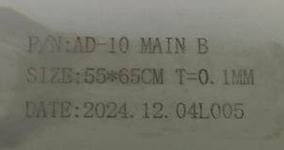 | 1 | 270 |  |  |  |  |  | 1.1 |  | 55*65*2.5CM | SMT | NO
Stencil | 钢网 | Shenzhen Changke Excellence Technology Co., LTD | AD-10 | PANEL |  |  | 钢/铝 |  |  | 2024.12.04 | China | NEW |  | 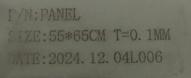 | 1 | 270 |  |  |  |  |  | 1.1 |  | 55*65*2.5CM | SMT | NO
Stencil | 钢网 | Shenzhen Changke Excellence Technology Co., LTD |  | USRID-16(100-19006-01-00) |  |  | 钢/铝 |  |  | 2024.11.05 | China | NEW | 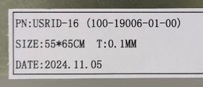 |  | 1 | 270 |  |  |  |  |  | 1.1 |  | 55*65*2.5CM | SMT | NO
Stencil | 钢网 | Shenzhen Changke Excellence Technology Co., LTD |  | USRID-16W(100-19006-02-00) |  |  | 钢/铝 |  |  | 2024.11.05 | China | NEW |  | 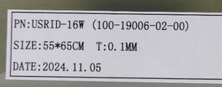 | 1 | 270 |  |  |  |  |  | 1.1 |  | 55*65*2.5CM | SMT | NO
Stencil | 钢网 | Shenzhen Changke Excellence Technology Co., LTD |  | UTRED30-WIFI V3 100-17021-01-03 |  |  | 钢/铝 |  |  | 2024.11.05 | China | NEW |  |  | 1 | 270 |  |  |  |  |  | 1.1 |  | 55*65*2.5CM | SMT | NO
Stencil | 钢网 | Shenzhen Changke Excellence Technology Co., LTD |  | HAXO-8 V3 100-07046-03-01 |  |  | 钢/铝 |  |  | 2024.11.05 | China | NEW |  | 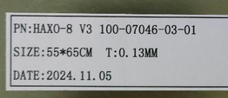 | 1 | 270 |  |  |  |  |  | 1.1 |  | 55*65*2.5CM | SMT | NO
Stencil | 钢网 | Shenzhen Changke Excellence Technology Co., LTD |  | UTRIX-16 V3 100-15014-02-00 SA38886-00 |  |  | 钢/铝 |  |  | 2024.11.05 | China | NEW |  | 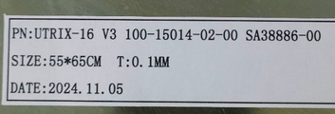 | 1 | 270 |  |  |  |  |  | 1.1 |  | 55*65*2.5CM | SMT | NO
Stencil | 钢网 | Shenzhen Changke Excellence Technology Co., LTD |  | UTRID-16F V4 100-15079-01-04 |  |  | 钢/铝 |  |  | 2024.11.05 | China | NEW |  | 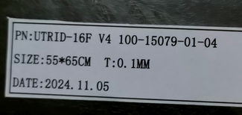 | 1 | 270 |  |  |  |  |  | 1.1 |  | 55*65*2.5CM | SMT | NO
Stencil | 钢网 | Shenzhen Changke Excellence Technology Co., LTD |  | UTRED-16F 100-17013-01-00 |  |  | 钢/铝 |  |  | 2024.11.05 | China | NEW |  |  | 1 | 270 |  |  |  |  |  | 1.1 |  | 55*65*2.5CM | SMT | NO
Humidity testing fixture | 湿度测试治具 | Techsen Electronics(ShenZhen)Co.,Ltd | LT5GEO | LT5GEO F07A |  |  | 铝 |  |  | 2024-12-04 | CHINA | NEW | 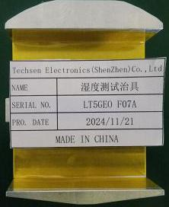 | 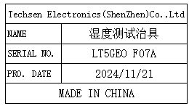 | 1 | 30 |  |  | Y2 | 1 | 19 | 0.21 | 56x40x23.5 | 8X7X2.5 | Testing | NO
Humidity testing fixture | 湿度测试治具 | Techsen Electronics(ShenZhen)Co.,Ltd | HAXO-8V2/3 UHADO-16 | HAXO F01 |  |  | 铝 |  |  | 2024-12-04 | CHINA | NEW | 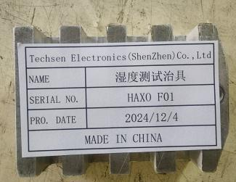 | 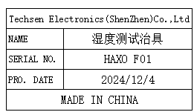 | 1 | 30 |  |  |  |  |  | 0.15 |  | 7.5x5.5x2 | Testing | NO
PCB test fixture | PCBA测试架治具 | Techsen Electronics(ShenZhen)Co.,Ltd | HAXO-8V2/3 | HAXO J01 |  |  | 铁/亚加力/电木 |  |  | 2024-12-04 | CHINA | NEW | 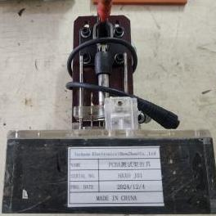 | 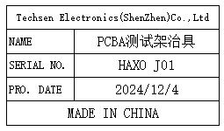 | 2 | 200 |  |  |  |  |  | 1.31 |  | 15x15x24 | Testing | NO
Welding battery fixture | 焊电池治具 | Techsen Electronics(ShenZhen)Co.,Ltd | HAXO-8V2/3 | HAXO-8 F02 |  |  | 电木+纤维板 |  |  | 2024-12-04 | CHINA | NEW | 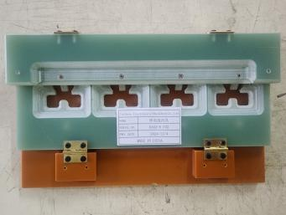 | 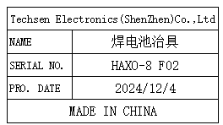 | 1 | 40 |  |  |  |  |  | 1.32 |  | 27.5x6.5x3 | assemble | NO
Finished screw fixture | 打成品螺丝治具 | Techsen Electronics(ShenZhen)Co.,Ltd | HAXO-8V2/3 | HAXO-8 F03 |  |  | 电木+亚加力 |  |  | 2024-12-04 | CHINA | NEW | 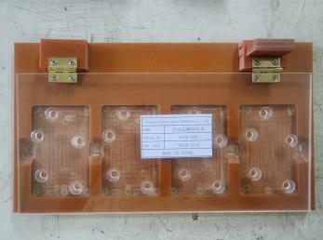 |  | 1 | 40 |  |  |  |  |  | 0.65 |  | 28.5x16x3.5 | assemble | NO
Beer policy fixture | 啤方针治具 | Techsen Electronics(ShenZhen)Co.,Ltd | HAXO-8V2/3 | HAXO F04 |  |  | 电木+铁棒 |  |  | 2024-12-04 | CHINA | NEW | 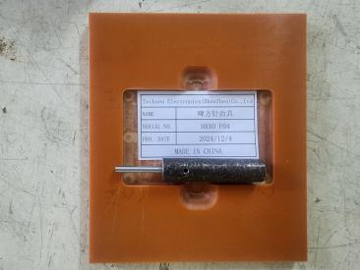 | 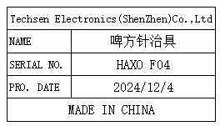 | 1 | 40 |  |  |  |  |  | 0.22 |  | 14x12.5x0.5 | assemble | NO
Welding crystal fixture | 焊晶体治具 | Techsen Electronics(ShenZhen)Co.,Ltd | SRIC-4 | SRIC F01 |  |  | 电木 |  |  | 2024-12-04 | CHINA | NEW | 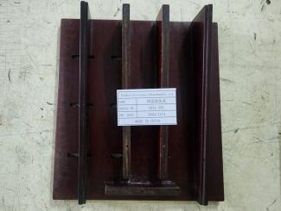 | 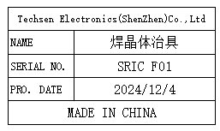 | 1 | 40 |  |  |  |  |  | 0.61 |  | 22x20x4.5 | assemble | NO
Washing fixture | 洗板治具 | Techsen Electronics(ShenZhen)Co.,Ltd | SRIC-4 | SRIC F02 |  |  | 铁/电木 |  |  | 2024-12-04 | CHINA | NEW | 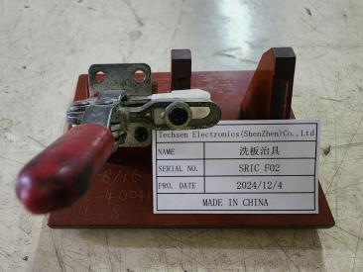 | 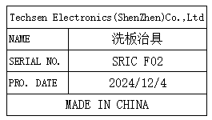 | 1 | 50 |  |  |  |  |  | 0.2 |  | 12x9x9 | PCB cleaning | NO
Welding battery fixture | 焊电池治具 | Techsen Electronics(ShenZhen)Co.,Ltd | SRIC-4 | SRIC F03 |  |  | 电木+纤维板 |  |  | 2024-12-04 | CHINA | NEW | 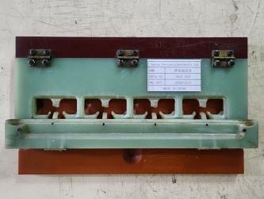 |  | 1 | 40 |  |  |  |  |  | 1.08 |  | 28x7x3 | assemble | NO
Coating oil fixture | 涂混合油治具 | Techsen Electronics(ShenZhen)Co.,Ltd | SRIC-4 | SRIC F04 |  |  | 电木 |  |  | 2024-12-04 | CHINA | NEW | 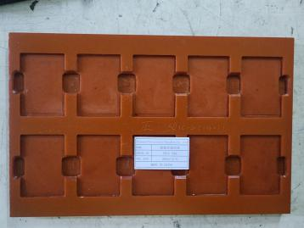 | 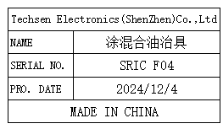 | 2 | 40 |  |  |  |  |  | 0.51 |  | 35.5x22.5x0.5 | Coating | NO
Welding crystal fixture | 焊晶体治具 | Techsen Electronics(ShenZhen)Co.,Ltd | UTRIX-16 | UTRIX F01 |  |  | 电木 |  |  | 2024-12-04 | CHINA | NEW | 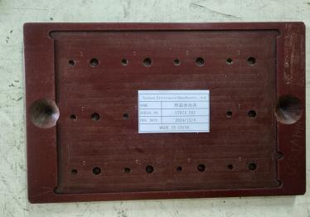 | 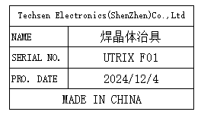 | 1 | 40 |  |  |  |  |  | 0.54 |  | 25x17x1 | assemble | NO
Cleaning fixture | 洗板治具 | Techsen Electronics(ShenZhen)Co.,Ltd | UTRIX-16 | UTRIX F02 |  |  | 铁/电木 |  |  | 2024-12-04 | CHINA | NEW | 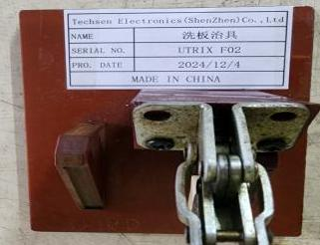 | 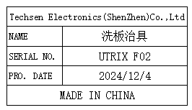 | 1 | 50 |  |  |  |  |  | 0.22 |  | 12x9x0.5 | PCB cleaning | NO
Welding socket fixture | 焊插座治具 | Techsen Electronics(ShenZhen)Co.,Ltd | UTRIX-16 | UTRIX F03 |  |  | 电木 |  |  | 2024-12-04 | CHINA | NEW |  | 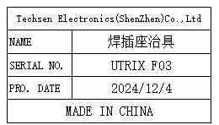 | 1 | 40 |  |  |  |  |  | 0.91 |  | 30x10x4 | assemble | NO
Welbding capacitor fixture | 焊电容治具 | Techsen Electronics(ShenZhen)Co.,Ltd | UTRIX-16 | UTRIX F04 |  |  | 电木 |  |  | 2024-12-04 | CHINA | NEW |  | 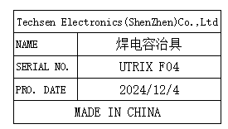 | 1 | 40 |  |  |  |  |  | 0.31 |  | 25x9x1 | assemble | NO
Welding battery fixture | 焊电池治具 | Techsen Electronics(ShenZhen)Co.,Ltd | UTRIX-16 | UTRIX F05 |  |  | 电木 |  |  | 2024-12-04 | CHINA | NEW |  | 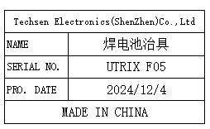 | 1 | 40 |  |  |  |  |  | 0.31 |  | 25x9x1 | assemble | NO
Coating oil fixture | 涂混合油治具 | Techsen Electronics(ShenZhen)Co.,Ltd | UTRIX-16 | UTRIX F06 |  |  | 电木 |  |  | 2024-12-04 | CHINA | NEW | 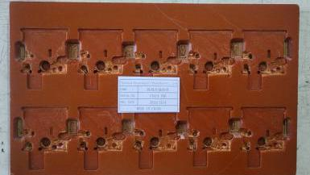 | 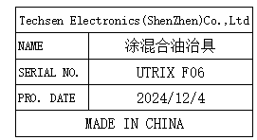 | 2 | 40 |  |  |  |  |  | 0.22 |  | 33x19.5x0.5 | Coating | NO
Finished screw fixture | 打成品螺丝治具 | Techsen Electronics(ShenZhen)Co.,Ltd | UTRIX-16 | UTRIX F07 |  |  | 电木+亚加力 |  |  | 2024-12-04 | CHINA | NEW | 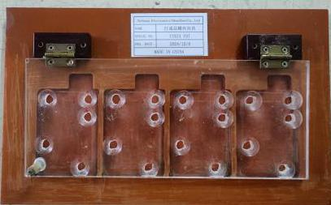 | 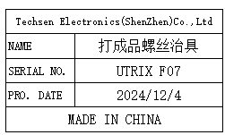 | 1 | 50 |  |  |  |  |  | 0.87 |  | 30x18x2.5 | assemble | NO
Beer USB socket fixture | 啤USB插座治具 | Techsen Electronics(ShenZhen)Co.,Ltd | UTRID-16 | UTRID F05 |  |  | 电木 |  |  | 2024-12-04 | CHINA | NEW | 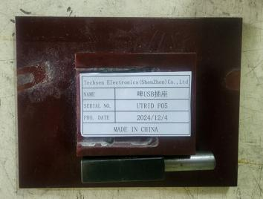 |  | 1 | 40 |  |  |  |  |  | 0.41 |  | 16x12x2.5 | assemble | NO
Welding crystal fixture | 焊晶体治具 | Techsen Electronics(ShenZhen)Co.,Ltd | UTRID-16 | UTRID F01 |  |  | 电木 |  |  | 2024-12-04 | CHINA | NEW | 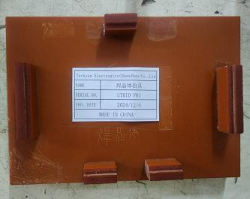 | 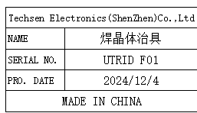 | 1 | 40 |  |  |  |  |  | 0.35 |  | 19x12.5x2.5 | assemble | NO
Washing fixture | 洗板治具 | Techsen Electronics(ShenZhen)Co.,Ltd | UTRID-16 | UTRID F02 |  |  | 铁/电木 |  |  | 2024-12-04 | CHINA | NEW | 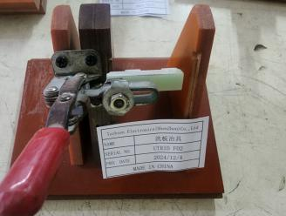 | 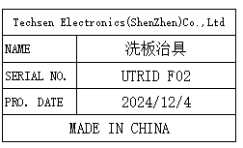 | 1 | 40 |  |  |  |  |  | 0.38 |  | 14x11x7.5 | PCB cleaning | NO
Welding socket fixture | 焊插座治具 | Techsen Electronics(ShenZhen)Co.,Ltd | UTRID-16 | UTRID F03 |  |  | 电木 |  |  | 2024-12-04 | CHINA | NEW | 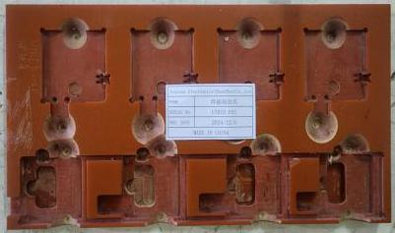 | 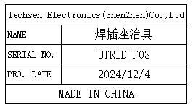 | 1 | 40 |  |  |  |  |  | 0.51 |  | 30x16x1 | assemble | NO
Welding battery fixture | 焊电池治具 | Techsen Electronics(ShenZhen)Co.,Ltd | UTRID-16F | UTRID F04 |  |  | 电木 |  |  | 2024-12-04 | CHINA | NEW | 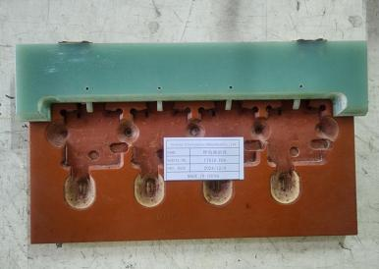 | 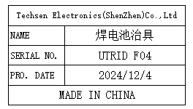 | 1 | 40 |  |  |  |  |  | 0.91 |  | 28.5x18x2.5 | assemble | NO
Cleaning fixture | 洗板治具 | Techsen Electronics(ShenZhen)Co.,Ltd | UTRIX-16 V3 | UTRIX F08 |  |  | 铁/电木 |  |  | 2024-12-04 | CHINA | NEW | 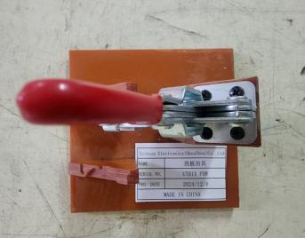 | 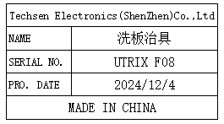 | 1 | 40 |  |  |  |  |  | 0.34 |  | 12.5x11.5x15 | PCB cleaning | NO
Welding crystal fixture | 焊晶体治具 | Techsen Electronics(ShenZhen)Co.,Ltd | UTRIX-16 V3 | UTRIX F07 |  |  | 电木 |  |  | 2024-12-04 | CHINA | NEW |  |  | 1 | 40 |  |  |  |  |  | 0.22 |  | 7.5x14.5x0.5 | assemble | NO
Welbding capacitor fixture | 焊电容治具 | Techsen Electronics(ShenZhen)Co.,Ltd | UTRIX-16 V3 | UTRIX F09 |  |  | 电木 |  |  | 2024-12-04 | CHINA | NEW |  |  | 1 | 40 |  |  |  |  |  | 0.16 |  | 19x10x0.5 | assemble | NO
Welding battery fixture | 焊电池治具 | Techsen Electronics(ShenZhen)Co.,Ltd | UTRIX-16 V3 | UTRIX F10 |  |  | 电木 |  |  | 2024-12-04 | CHINA | NEW |  |  | 1 | 40 |  |  |  |  |  | 0.58 |  | 28x13x1 | assemble | NO
Coating oil fixture | 涂混合油治具 | Techsen Electronics(ShenZhen)Co.,Ltd | UTRIX-16 V3 | UTRIX F11 |  |  | 电木 |  |  | 2024-12-04 | CHINA | NEW |  |  | 2 | 40 |  |  |  |  |  | 0.48x2 |  | 33x20x0.5 | Coating | NO
Welding crystal fixture | 焊晶体治具 | Techsen Electronics(ShenZhen)Co.,Ltd | UTRED30-WIFI | UTRED F01 |  |  | 铁/电木 |  |  | 2024-12-04 | CHINA | NEW |  |  | 1 | 40 |  |  |  |  |  | 0.66 |  | 18.5x15x6 | assemble | NO
Cleaning fixture | 洗板治具 | Techsen Electronics(ShenZhen)Co.,Ltd | UTRED30-WIFI | UTRED F02 |  |  | 铁/电木 |  |  | 2024-12-04 | CHINA | NEW |  |  | 1 | 50 |  |  |  |  |  | 0.31 |  | 15x12x9 | 洗板治具 | NO
USB socket soldering fixture | USB座加锡治具 | Techsen Electronics(ShenZhen)Co.,Ltd | UTRED30-WIFI | UTRED F05 |  |  | 电木 |  |  | 2024-12-04 | CHINA | NEW |  |  | 1 | 40 |  |  |  |  |  | 0.17 |  | 17x12x1 | assemble | NO
Welding fixture for battery cells | 焊电池片治具 | Techsen Electronics(ShenZhen)Co.,Ltd | UTRED30-WIFI | UTRED F06 |  |  | 铁/电木 |  |  | 2024-12-04 | CHINA | NEW |  |  | 1 | 40 |  |  |  |  |  | 0.37 |  | 15x12.5x1 | assemble | NO
Welbding capacitor fixture | 焊电容治具 | Techsen Electronics(ShenZhen)Co.,Ltd | UTRED30-WIFI | UTRED F10 |  |  | 电木 |  |  | 2024-12-04 | CHINA | NEW |  |  | 1 | 40 |  |  |  |  |  | 0.12 |  | 15x19x1 | assemble | NO
PCB screw fixture | 打PCB螺丝治具 | Techsen Electronics(ShenZhen)Co.,Ltd | UTRED30-WIFI | UTRED F12 |  |  | 电木 |  |  | 2024-12-04 | CHINA | NEW |  |  | 1 | 40 |  |  |  |  |  | 0.13 |  | 17x10x1 | assemble | NO
Finished screw fixture | 打成品螺丝治具 | Techsen Electronics(ShenZhen)Co.,Ltd | UTRED30-WIFI | UTRED F11 |  |  | 电木 |  |  | 2024-12-04 | CHINA | NEW |  |  | 1 | 40 |  |  |  |  |  | 0.13 |  | 17x10x1 | assemble | NO
Coating oil fixture | 涂混合油治具 | Techsen Electronics(ShenZhen)Co.,Ltd | UTRED30-WIFI | UTRED F08 |  |  | 电木 |  |  | 2024-12-04 | CHINA | NEW |  |  | 2 | 50 |  |  |  |  |  | 0.75x2 |  | 37.5x22x1 | Coating | NO
lnstall the tactile switch fixture | 装轻触开关治具 | Techsen Electronics(ShenZhen)Co.,Ltd | UTRED30-WIFI | UTRED F03 |  |  | 电木 |  |  | 2024-12-04 | CHINA | NEW |  |  | 1 | 50 |  |  |  |  |  | 0.21 |  | 16.5x10.5x1 | assemble | NO
Welding socket pin ficture | 焊插座脚治具 | Techsen Electronics(ShenZhen)Co.,Ltd | UTRED30-WIFI | UTRED F07 |  |  | 电木 |  |  | 2024-12-04 | CHINA | NEW |  |  | 1 | 40 |  |  |  |  |  | 0.17 |  | 17x12x1 | assemble | NO
Welding touch switch fixture | 焊轻触开关治具 | Techsen Electronics(ShenZhen)Co.,Ltd | UTRED30-WIFI | UTRED F04 |  |  | 电木 |  |  | 2024-12-04 | CHINA | NEW |  |  | 1 | 50 |  |  |  |  |  | 0.81 |  | 23x23x6 | assemble | NO
Air drying fixture | 风干治具 | Techsen Electronics(ShenZhen)Co.,Ltd | UTRED31-WIFI | UTRED F09 |  |  | 木板 |  |  | 2024-12-04 | CHINA | NEW |  |  | 15 | 40 |  |  | Y3 | 1 | 6.5 | 0.34x15 | 82x53.5x13 | 72.5x9.5x2 | assemble | NO
Pcba testing fixture | PCBA测试架治具 | Techsen Electronics(ShenZhen)Co.,Ltd | SRIC-4 104 KT | SRIC-4 J01 |  |  | 铁/铝/塑胶/电木 |  |  | 2024-12-04 | CHINA | NEW |  |  | 8 | 300 |  |  | Y4,Y5,Y6,Y7 | 4 | 8.2 | 3.56x2 | 56x40x23.5 | 25x19x38 | Testing | NO
Pcba testing fixture | PCBA测试架治具 | Techsen Electronics(ShenZhen)Co.,Ltd | UTRIX-16 | UTRIX-16 J01 |  |  | 铁/铝/塑胶/电木 |  |  | 2024-12-04 | CHINA | NEW |  |  | 3 | 300 |  |  | Y9 | 1 | 22 | 3.65x3 | 56x40x23.5 | 24.5x20x29.5 | Testing | NO
Pcba testing fixture | PCBA测试架治具 | Techsen Electronics(ShenZhen)Co.,Ltd | UTRID-16 USRID-16W USRID-16 UTRED-16F | UTRID-16 |  |  | 铁/铝/塑胶/电木 |  |  | 2024-12-04 | CHINA | NEW |  |  | 2 | 300 |  |  | Y10 | 1 | 8 | 3.61x2 | 56x40x23.5 | 25x19x40 | Testing | NO
Pcba testing fixture | PCBA测试架治具 | Techsen Electronics(ShenZhen)Co.,Ltd | UTRED-30 WIFI V3 | UTRED-30 WIFI V3 |  |  | 铁/铝/塑胶/电木 |  |  | 2024-12-04 | CHINA | NEW |  |  | 2 | 300 |  |  | Y11 | 1 | 9.5 | 3.89x2 | 56x40x23.5 | 25x19x40 | Testing | NO
Pcba testing fixture | PCBA测试架治具 | Techsen Electronics(ShenZhen)Co.,Ltd | UTRED-30 WIFI | UTRED-30 WIFI |  |  | 铝/亚加力/电木 |  |  | 2024-12-04 | CHINA | NEW |  |  | 2 | 300 |  |  | Y12 | 1 | 9.5 | 4.18x2 | 40x32x24 | 40x32x24 | Testing | NO
Pcba testing fixture | PCBA测试架治具 | Techsen Electronics(ShenZhen)Co.,Ltd | USRIC-8 | USRIC-8 |  |  | 铁/亚加力/电木 |  |  | 2024-12-04 | CHINA | NEW |  |  | 4 | 300 |  |  | Y13,Y14 | 2 | 8 | 3.48x2 | 56x40x23.5 | 26.6x22x34 | Testing | NO
Freezing fixture | 冷冻治具 | Techsen Electronics(ShenZhen)Co.,Ltd | Log Tag通用 | Log Tag通用 |  |  | 电木 |  |  | 2024-12-04 | CHINA | NEW |  |  | 30 | 80 |  |  | Y15,Y16,Y17 | 3 | 12.5 | 1.2x10 | 55.5x37.5x51 | 46.5x24x11 | Testing | NO
Freezing fixture | 冷冻治具 | Techsen Electronics(ShenZhen)Co.,Ltd | Log Tag通用 | Log Tag通用 |  |  | 电木 |  |  | 2024-12-04 | CHINA | NEW |  |  | 16 | 100 |  |  | Y18,Y19,Y20 | 3 | 9 | 8 | 60x50x50 | 51x42x11.5 | Testing | NO
Freezing fixture | 冷冻治具 | Techsen Electronics(ShenZhen)Co.,Ltd | UTRED-30 WIFI V3 | UTRED F13 |  |  | 电木 |  |  | 2024-12-04 | CHINA | NEW |  |  | 10 | 80 |  |  | Y21,Y22 | 2 | 10.8 | 1.97x5 | 55.5x37.5x51 | 47.5x24.5x21 | Testing | NO
Beer press business card fixture | 啤压名片治具 | Techsen Electronics(ShenZhen)Co.,Ltd | UTRED-30 WIFI V3 | UTRED F14 |  |  | 电木／铁/电子元件 | 220V | 10W | 2024-12-04 | CHINA | NEW |  |  | 1 | 100 |  |  | Y23 | 1 | 14.5 | 12.2 | 49x34.5x42 | 36x32x37 | assemble | YES
Fully automatic adhesive paper machine | 全自动胶纸机 | Techsen Electronics(ShenZhen)Co.,Ltd | HXAO-8 | HAXO F04 |  |  | 塑胶/电子元件 | 220V | 5W | 2024-12-04 | CHINA | NEW |  |  | 1 | 100 |  |  |  |  |  | 1.81 |  | 21x12.5x13 | Cut tape | YES
test fixture | 测试治具 | Techsen Electronics(ShenZhen)Co.,Ltd | / | UTRID-16 |  |  | 铝/电木/电子元件/塑料 |  |  | 2024.09.19 | China | NEW |  |  | 2 | 500 |  |  | Y24 | 1 | 19.7 | 3.8KG*2 | 60*52*53CM | 26*20*40CM | Test program | NO
test fixture | 测试治具 | Techsen Electronics(ShenZhen)Co.,Ltd | / | UTRIX-16 USRIC-8M -001 |  |  | 铝/电木/电子元件/塑料 |  |  | 2024.09.09 | China | NEW |  |  | 1 | 300 |  |  |  |  |  | 1.5KG |  | 21*16*23 | Test program | NO
test fixture | 测试治具 | Techsen Electronics(ShenZhen)Co.,Ltd | / | UTRIX-16 USRIC-8M -002 |  |  | 铝/电木/电子元件/塑料 |  |  | 2024.09.19 | China | NEW |  |  | 1 | 300 |  |  |  |  |  | 1.3KG |  | 16*16*24 | Test program | NO
test fixture | 测试治具 | Techsen Electronics(ShenZhen)Co.,Ltd | / | UTRED30-WIFI |  |  | 亚克力/电木 |  |  | 2024.09.19 | China | NEW |  |  | 4 | 300 |  |  |  |  |  | 0.9KG*4 |  | 15*15*9 CM | Test program | NO
test fixture | 测试治具 | Techsen Electronics(ShenZhen)Co.,Ltd | / | HAXO-8 |  |  | 亚克力 |  |  | 2024.09.19 | China | NEW |  |  | 1 | 150 |  |  |  |  |  | 0.6KG |  | 15*15*9 CM | Test program | NO

