listing
1) ENGLISH ITEM NAME (ex : OOOO machine) | 2)中文名称 | 3) MANUFACTUROR (ex : OOO company) | 4) MODEL NO (ex : abc-123) | 5)Serial number | 6)CN hs code | 7)VN hs code | 8)Material | 9) VOLTAGE (ex : 220V) | 10) CAPACITY (ex :1200KW) | 11) Manufacture date (yyyy-mm-dd) | 12) ORIGIN | 13) NEW or USED | 14) PICTURE (BEFORE PACKING) | 15) PICTURE (NAME PLATE or label) | 16)Quantity | 17)cost(RMB 13%VAT) | 18)cost(USD) | 19)Total cost(USD) | 20)CARTON NO. | 21)CTN QTY | 22)G.W(KGS) | 23)N.W(KGS) | 24)Package Size(CM) | 25)Part size(CM) | 26)应用范围 | 27)是否带电源
wave soldering Fixture | 过炉治具 | Techsen Electronics(ShenZhen)Co.,Ltd | MONOPOLY UR(Main board) | MONOURF01A-O |  |  | 玻纤板 | / | / | 2026-08-25 | CHINA | NEW | 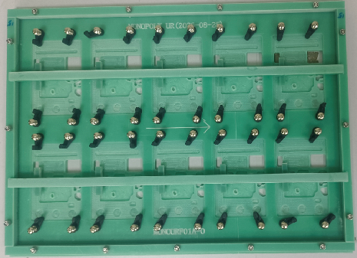 | 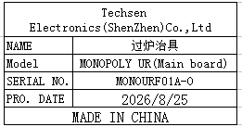 | 15 | 300 |  |  | PIE-B4 PIE-B6 | 2 | 13.05+11.52 | 12.25+10.72 | 41X32x18 | 40x30x2 | wave soldering | NO
Solder PCB lead fixtures | 焊PCB引线治具 | Techsen Electronics(ShenZhen)Co.,Ltd | STAR WARS BOP IT | STAR WARS F05A |  |  | 电木 |  |  | 2026-08-17 | CHINA | NEW | 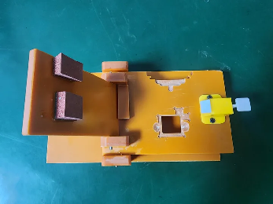 | 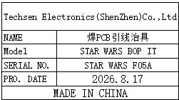 | 2 | 80 |  |  | 在超声模箱 (PIE-B2) | / | / | 0.5*2 | 41x32x18 | 22x12x7 | Production Assemble | NO
Weld the key lead fixture | 焊按键引线治具 | Techsen Electronics(ShenZhen)Co.,Ltd | STAR WARS BOP IT | STAR WARS F06A |  |  | 电木 |  |  | 2026-08-17 | CHINA | NEW | 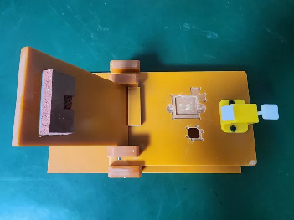 | 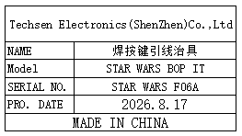 | 2 | 80 |  |  |  |  |  | 0.5*2 |  | 22x12x7 | Production Assemble | NO
Weld the battery fixture | 焊电池治具 | Techsen Electronics(ShenZhen)Co.,Ltd | EV-16 L4 |  |  |  | 电木 |  |  | 2026.08.25 | China | NEW | 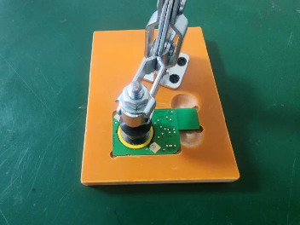 | 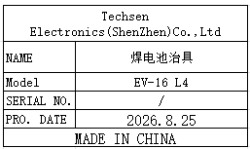 | 1 | 80 |  |  | 在换能器箱 (PIE-B3) | / | / | 0.2 |  | 10*8*12 | Production Assemble | NO
Welding battery fixture | 焊电池治具 | Techsen Electronics(ShenZhen)Co.,Ltd | E-100 | E-100 F01 |  |  | 电木 |  |  | 2025-08-07 | CHINA | NEW | 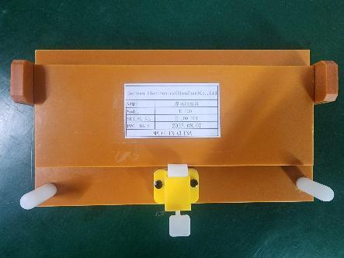 | 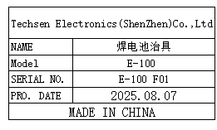 | 1 | 80 |  |  | PIE-B5 | 1 | 1.32 | 0.37 | 32.5x23x19 | 21.5x12x3.5 | 焊电池治具 | NO
Finished screw fixture | 打成品螺丝治具 | Techsen Electronics(ShenZhen)Co.,Ltd | E-100 | E-100 F02 |  |  | 电木+亚加力 |  |  | 2025-08-07 | CHINA | NEW | 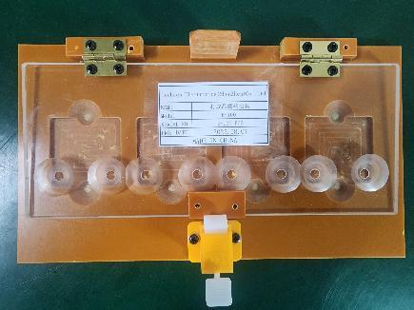 | 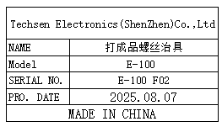 | 1 | 100 |  |  |  |  |  | 0.45 |  | 25x14x3.5 | 打成品螺丝治具 | NO

 |  |  |  |  |  |  |  |  |  |  |  |  |  | 0

