listing
1) ENGLISH ITEM NAME (ex : OOOO machine) | 2)中文名称 | 3) MANUFACTUROR (ex : OOO company) | 4) MODEL NO (ex : abc-123) | 5)Serial number | 6)CN hs code | 7)VN hs code | 8)Material | 9) VOLTAGE (ex : 220V) | 10) CAPACITY (ex :1200KW) | 11) Manufacture date (yyyy-mm-dd) | 12) ORIGIN | 13) NEW or USED | 14) PICTURE (BEFORE PACKING) | 15) PICTURE (NAME PLATE or label) | 16)Quantity | 17)cost(RMB 13%VAT) | 18)cost(USD) | 19)Total cost(USD) | 20)CARTON NO. | 21)CTN QTY | 22)G.W(KGS) | 23)N.W(KGS) | 24)Package Size(CM) | 25)Part size(CM) | 26)应用范围 | 27)是否带电源
KTN-AIR MAIN wave soldering Fixture | KTN-AIR主板过炉夹具 | Dongguan Changan Xingyao Automation Processing Shop | KTN-AIR | KTNAIRMF01A |  |  | 玻纤板 | / | / | 2024-04-24 | CHINA | NEW | 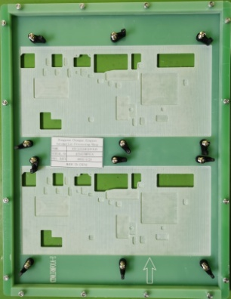 |  | 5 | 372 |  |  | B8 | 1 | 14.5 | 6.1 | 41X26X31 | 37.5x30x2 | Used for wave soldering furnace | NO
KTN-AIR PANEL wave soldering Fixture | KTN-AIR面板过炉夹具 | Dongguan Changan Xingyao Automation Processing Shop | KTN-AIR | KTNAIRPF01A |  |  | 玻纤板 | / | / | 2024-04-24 | CHINA | NEW | 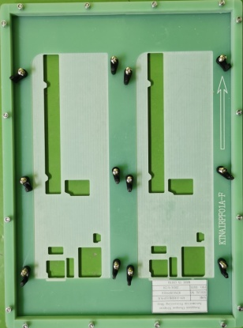 |  | 6 | 372 |  |  |  |  |  | 7.8 |  | 39.5x30x2 | Used for wave soldering furnace | NO
KTN-AIR EX MAIN wave soldering Fixture | KTN-AIR EX主板过炉夹具 | Dongguan Changan Xingyao Automation Processing Shop | KTN-AIR EX | KTNAEXMF01A |  |  | 玻纤板 | / | / | 2024-04-24 | CHINA | NEW |  |  | 5 | 372 |  |  | B9 | 1 | 13.8 | 6 | 41X26X31 | 37x30x2 | Used for wave soldering furnace | NO
KTN-AIR EX PANEL wave soldering Fixture | KTN-AIR EX面板过炉夹具 | Dongguan Changan Xingyao Automation Processing Shop | KTN-AIR EX | KTNAEXPF01A |  |  | 玻纤板 | / | / | 2024-04-24 | CHINA | NEW |  |  | 6 | 372 |  |  |  |  |  | 7 |  | 37x30x2 | Used for wave soldering furnace | NO
CUBE-ST2 MAIN wave soldering Fixture | CUBE-ST2主板过炉夹具 | Dongguan Changan Xingyao Automation Processing Shop | CUBE-ST2 | CUBEST2MF01A |  |  | 玻纤板+电木板 | / | / | 2024-04-24 | CHINA | NEW | 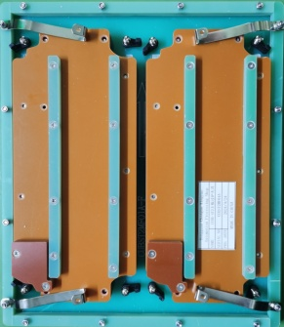 |  | 6 | 757 |  |  | B10 | 1 | 21 | 14.5 | 41X32X33 | 33.5x30x3.5 | Used for wave soldering furnace | NO
CUBE-ST2 PANEL wave soldering Fixture | CUBE-ST2面板过炉夹具 | Dongguan Changan Xingyao Automation Processing Shop | CUBE-ST2 | CUBEST2PF01A |  |  | 玻纤板 | / | / | 2024-04-24 | CHINA | NEW | 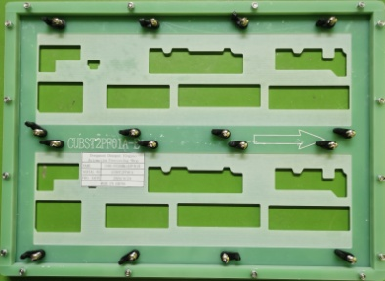 |  | 5 | 372 |  |  |  |  |  | 5.8 |  | 40x30x2 | Used for wave soldering furnace | NO
DROP TRIVIA MAIN wave soldering Fixture | DROP TRIVIA 主板过炉夹具 | Dongguan Changan Xingyao Automation Processing Shop | DROP TRIVIA | DROPTRMF01A |  |  | 玻纤板 | / | / | 2024-05-08 | CHINA | NEW | 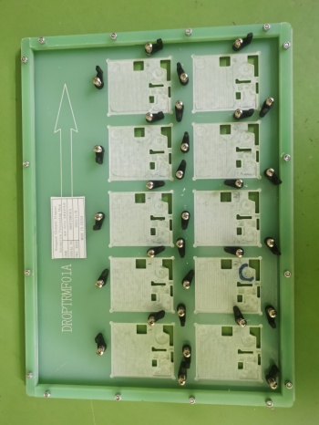 | 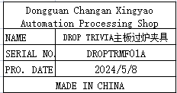 | 7 | 372 |  |  | B11 | 1 | 14 | 9.8 | 41X26X31 | 40x30x2cm | Used for wave soldering furnace | NO
DROP TRIVIA PTC wave soldering Fixture | DROP TRIVIA PTC板过炉夹具 | Dongguan Changan Xingyao Automation Processing Shop | DROP TRIVIA | DROPTRPF01A |  |  | 玻纤板 | / | / | 2024-05-08 | CHINA | NEW | 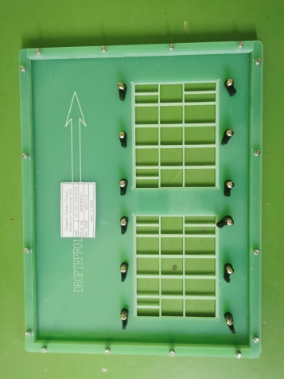 |  | 3 | 372 |  |  |  |  |  | 3.6 |  | 38x30x2cm | Used for wave soldering furnace | NO

