listing
1) ENGLISH ITEM NAME (ex : OOOO machine) | 2)中文名称 | 3) MANUFACTUROR (ex : OOO company) | 4) MODEL NO (ex : abc-123) | 5)Serial number | 6)CN hs code | 7)VN hs code | 8)Material | 9) VOLTAGE (ex : 220V) | 10) CAPACITY (ex :1200KW) | 11) Manufacture date (yyyy-mm-dd) | 12) ORIGIN | 13) NEW or USED | 14) PICTURE (BEFORE PACKING) | 15) PICTURE (NAME PLATE or label) | 16)Quantity | 17)cost(RMB 13%VAT) | 18)cost(USD) | 19)Total cost(USD) | 20)CARTON NO. | 21)CTN QTY | 22)G.W(KGS) | 23)N.W(KGS) | 24)Package Size(CM) | 25)Part size(CM) | 26)应用范围 | 27)是否带电源
Weld the S3 key lead fixture | 焊S2,3按键引线治具 | Techsen Electronics(ShenZhen)Co.,Ltd | BOP IT NFL P4 | BOP IT NFL P4-F01 |  |  | 电木 |  |  | 2026-03-19 | CHINA | NEW |  | 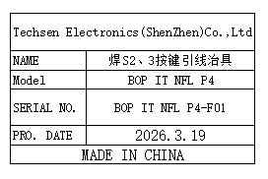 | 2 | 15 |  |  | L5 | 1 | 19.75 | 0.2*2 | 55x37x20 | 15x10x2.5 | Production Assemble | NO
Board division main board fixture | 分板主板治具 | Techsen Electronics(ShenZhen)Co.,Ltd | BOP IT NFL P4 | BOP IT NFL P4-F03 |  |  | 电木/铝 |  |  | 2026-03-19 | CHINA | NEW | 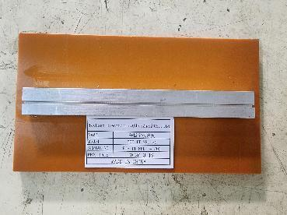 | 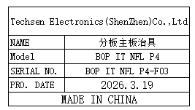 | 1 | 15 |  |  |  |  |  | 0.3 |  | 19x11x2 | Production Assemble | NO
The J3 key plate fixture is divided | 分J3按键板治具 | Techsen Electronics(ShenZhen)Co.,Ltd | BOP IT NFL P4 | BOP IT NFL P4-F04 |  |  | 电木/铝 |  |  | 2026-03-19 | CHINA | NEW | 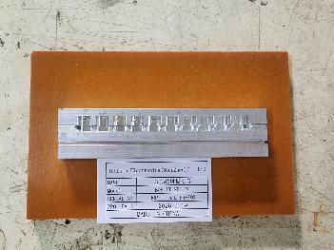 |  | 1 | 15 |  |  |  |  |  | 0.2 |  | 17.5x11x2 | Production Assemble | NO
The J2 key plate fixture is divided | 分J2按键板治具 | Techsen Electronics(ShenZhen)Co.,Ltd | BOP IT NFL P4 | BOP IT NFL P4-F05 |  |  | 电木/铝 |  |  | 2026-03-19 | CHINA | NEW | 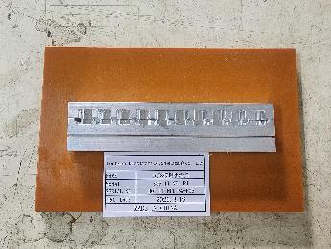 |  | 1 | 15 |  |  |  |  |  | 0.2 |  | 17.5x11x2 | Production Assemble | NO
Welding horn wire fixture | 焊喇叭线治具 | Techsen Electronics(ShenZhen)Co.,Ltd | BOP IT NFL P4 | BOP IT NFL P4-F06 |  |  | 电木 |  |  | 2026-03-19 | CHINA | NEW | 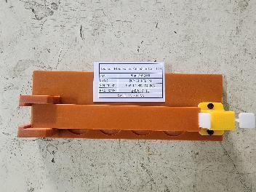 | 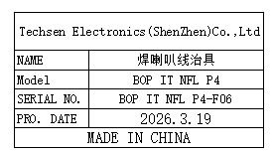 | 1 | 15 |  |  |  |  |  | 0.2 |  | 20x7x3 | Production Assemble | NO
Beer nut fixture | 啤螺母治具 | Techsen Electronics(ShenZhen)Co.,Ltd | BOP IT NFL P4 | BOP IT NFL P4-F07 |  |  | 电木 |  |  | 2026-03-19 | CHINA | NEW | 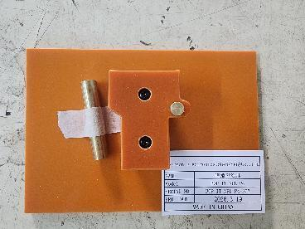 | 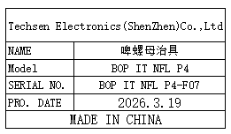 | 1 | 20 |  |  |  |  |  | 0.2 |  | 16x11x4 | Production Assemble | NO
Beer battery cell fixture | 啤电池片治具 | Techsen Electronics(ShenZhen)Co.,Ltd | BOP IT NFL P4 | BOP IT NFL P4-F08 |  |  | 铁 |  |  | 2026-03-19 | CHINA | NEW |  | 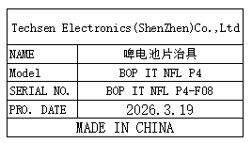 | 1 | 300 |  |  |  |  |  | 3.2 |  | 18x14x1 | Production Assemble | NO
Welding BAT wires, horn/motherboard screw fixtures | 焊接BAT线、打喇叭 /主板螺丝治具 | Techsen Electronics(ShenZhen)Co.,Ltd | BOP IT NFL P4 | BOP IT NFL P4-F09 |  |  | 电木 |  |  | 2026-03-19 | CHINA | NEW | 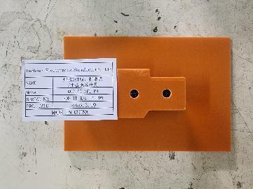 | 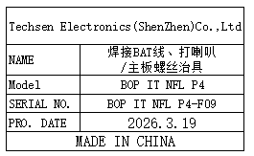 | 4 | 15 |  |  |  |  |  | 0.2*4 |  | 16x11x4 | Production Assemble | NO
Assemble the button screw fixture | 组装按钮打螺丝治具 | Techsen Electronics(ShenZhen)Co.,Ltd | BOP IT NFL P4 | BOP IT NFL P4-F12 |  |  | 电木 |  |  | 2026-03-19 | CHINA | NEW | 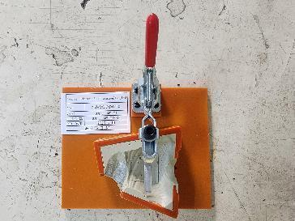 | 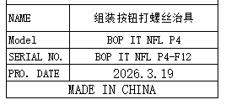 | 1 | 20 |  |  |  |  |  | 0.4 |  | 16x13x12 | Production Assemble | NO
Assemble the left hand and the screwdriver fixture | 组装左手及打螺丝 治具 | Techsen Electronics(ShenZhen)Co.,Ltd | BOP IT NFL P4 | BOP IT NFL P4-F13 |  |  | 电木 |  |  | 2026-03-19 | CHINA | NEW | 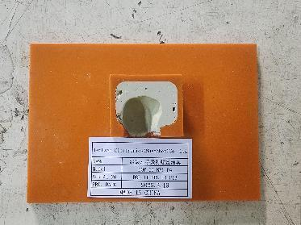 | 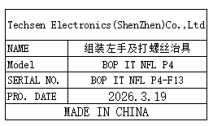 | 1 | 15 |  |  |  |  |  | 0.2 |  | 16x11x2 | Production Assemble | NO
Assemble the ball fixture | 组装球治具 | Techsen Electronics(ShenZhen)Co.,Ltd | BOP IT NFL P4 | BOP IT NFL P4-F14 |  |  | 电木 |  |  | 2026-03-19 | CHINA | NEW | 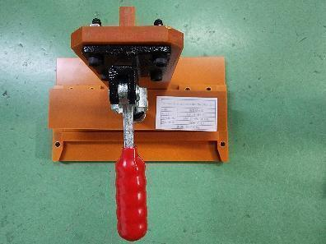 | 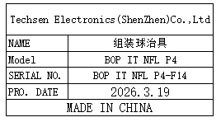 | 1 | 50 |  |  |  |  |  | 0.86 |  | 25x15x23 | Production Assemble | NO
Drill the finished screw fixture | 打成品螺丝 治具 | Techsen Electronics(ShenZhen)Co.,Ltd | BOP IT NFL P4 | BOP IT NFL P4-F15 |  |  | 电木 |  |  | 2026-03-19 | CHINA | NEW | 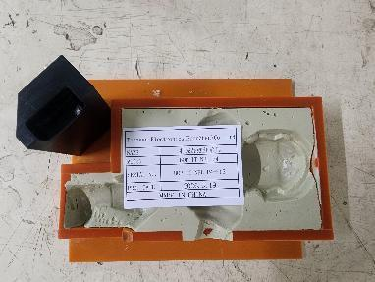 | 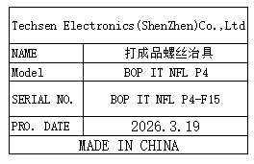 | 2 | 15 |  |  |  |  |  | 0.7*2 |  | 16x13x8 | Production Assemble | NO
Helmet screw fixture | 打头盔螺丝治具 | Techsen Electronics(ShenZhen)Co.,Ltd | BOP IT NFL P4 | BOP IT NFL P4-F16 |  |  | 电木 |  |  | 2026-03-19 | CHINA | NEW | 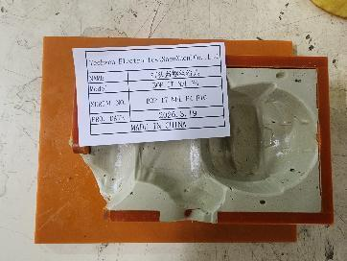 | 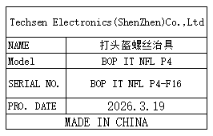 | 1 | 15 |  |  |  |  |  | 0.59 |  | 16x13x14 | Production Assemble | NO
Use the console date fixture | 打主机日期治具 | Techsen Electronics(ShenZhen)Co.,Ltd | BOP IT NFL P4 | BOP IT NFL P4-F17 |  |  | 电木 |  |  | 2026-03-19 | CHINA | NEW | 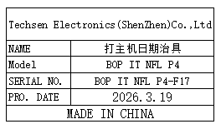 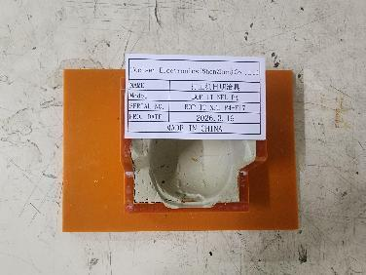 |  | 1 | 15 |  |  |  |  |  | 0.4 |  | 16x13x18 | Production Assemble | NO
Finished product fixed shoe fixture | 成品固定装鞋治具 | Techsen Electronics(ShenZhen)Co.,Ltd | BOP IT NFL P4 | BOP IT NFL P4-F18 |  |  | 电木 |  |  | 2026-03-19 | CHINA | NEW | 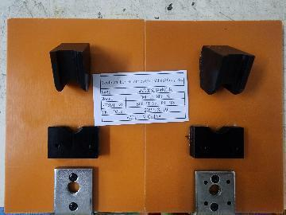 | 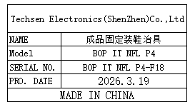 | 1 | 20 |  |  |  |  |  | 0.8 |  | 22x15x19 | Production Assemble | NO
Finished product: Fix the left shoe cooling fixture | 成品固定左鞋冷却 治具 | Techsen Electronics(ShenZhen)Co.,Ltd | BOP IT NFL P4 | BOP IT NFL P4-F19 |  |  | 电木 |  |  | 2026-03-19 | CHINA | NEW | 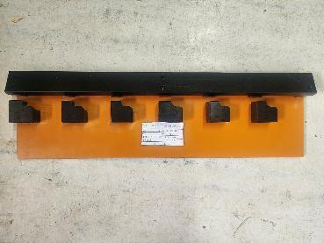 | 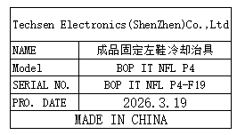 | 1 | 20 |  |  |  |  |  | 0.9 |  | 45x13x4 | Production Assemble | NO
Battery door screw fixture | 打电池门螺丝治具 | Techsen Electronics(ShenZhen)Co.,Ltd | BOP IT NFL P4 | BOP IT NFL P4-F20 |  |  | 电木 |  |  | 2026-03-19 | CHINA | NEW | 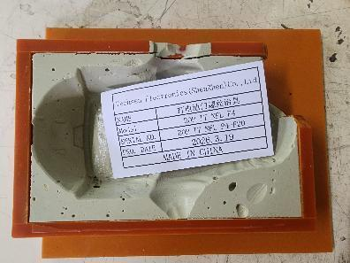 | 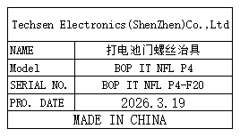 | 1 | 15 |  |  |  |  |  | 0.6 |  | 16x13x14 | Production Assemble | NO
Lumbar brace | 扎腰治具 | Techsen Electronics(ShenZhen)Co.,Ltd | BOP IT NFL P4 | BOP IT NFL P4-F21 |  |  | 电木 |  |  | 2026-03-19 | CHINA | NEW | 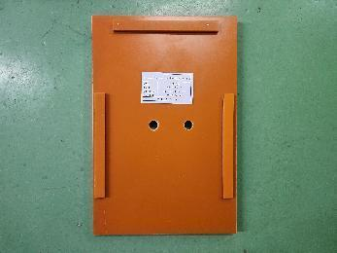 | 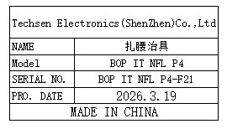 | 1 | 15 |  |  |  |  |  | 1.3 |  | 30x19x25 | Production Assemble | NO
Hand prick fixture | 扎手治具 | Techsen Electronics(ShenZhen)Co.,Ltd | BOP IT NFL P4 | BOP IT NFL P4-F22 |  |  | 电木 |  |  | 2026-03-19 | CHINA | NEW | 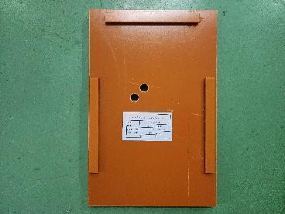 | 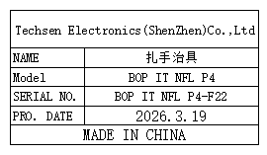 | 1 | 15 |  |  |  |  |  | 1.3 |  | 30x19x25 | Production Assemble | NO
Foot prick fixture | 扎脚治具 | Techsen Electronics(ShenZhen)Co.,Ltd | BOP IT NFL P4 | BOP IT NFL P4-F23 |  |  | 电木 |  |  | 2026-03-19 | CHINA | NEW | 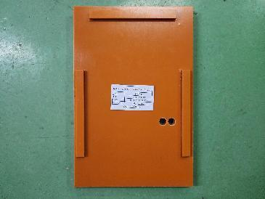 |  | 1 | 15 |  |  |  |  |  | 1.3 |  | 30x19x25 | Production Assemble | NO
Finished product fixed shoe fixture | 成品固定装鞋治具 | Techsen Electronics(ShenZhen)Co.,Ltd | BOP IT NFL P1 | BOP IT NFL P1-F18 |  |  | 电木 |  |  | 2026-03-19 | CHINA | NEW | 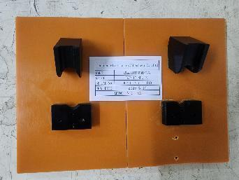 | 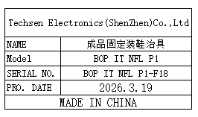 | 1 | 20 |  |  |  |  |  | 0.4 |  | 15x10x4 | Production Assemble | NO
Finished product: Fix the left shoe cooling fixture | 成品固定左鞋冷却 治具 | Techsen Electronics(ShenZhen)Co.,Ltd | BOP IT NFL P1 | BOP IT NFL P1-F19 |  |  | 电木 |  |  | 2026-03-19 | CHINA | NEW | 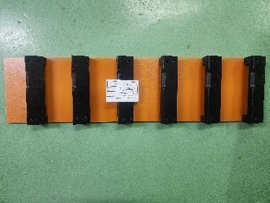 | 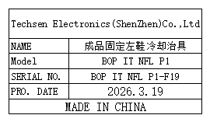 | 1 | 20 |  |  |  |  |  | 1.5 |  | 55x14x3.5 | Production Assemble | NO
Functional test stand fixture | 功能测试架 治具 | Techsen Electronics(ShenZhen)Co.,Ltd | BOP IT NFL P4 | BOP IT NFL J01 |  |  | 电木 |  |  | 2026-03-19 | CHINA | NEW | 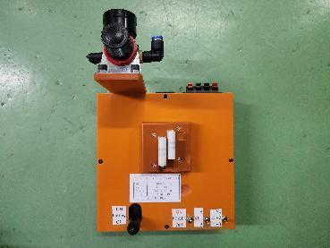 |  | 5 | 300 |  |  | L6 | 1 | 10.9 | 1.98*5 | 57x40x26 | 20x20x16 | Production Assemble | NO
Board division main board fixture | 分板主板治具 | Techsen Electronics(ShenZhen)Co.,Ltd | BOP IT STITCH | BOP IT STITCH F01 |  |  | 电木/铝 |  |  | 2026-03-24 | CHINA | NEW | 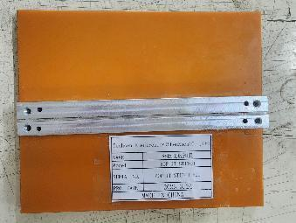 | 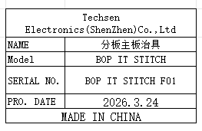 | 1 | 15 |  |  | L7 | 1 | 11 | 0.2 | 44.5x39x22.5 | 16x13x3 | Production Assemble | NO
Weld the J1 key lead fixture | 焊J1按键引线治具 | Techsen Electronics(ShenZhen)Co.,Ltd | BOP IT STITCH | BOP IT STITCH F02 |  |  | 电木 |  |  | 2026-03-24 | CHINA | NEW | 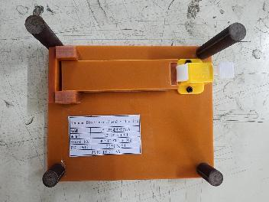 | 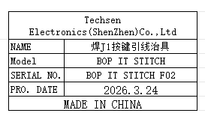 | 1 | 15 |  |  |  |  |  | 0.3 |  | 16x13x5 | Production Assemble | NO
Weld the J3 key lead fixture | 焊J3按键引线治具 | Techsen Electronics(ShenZhen)Co.,Ltd | BOP IT STITCH | BOP IT STITCH F03 |  |  | 电木 |  |  | 2026-03-24 | CHINA | NEW | 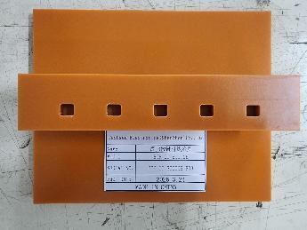 | 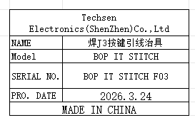 | 1 | 15 |  |  |  |  |  | 0.3 |  | 16x13x3 | Production Assemble | NO
Separate key board fixtures | 分按键板治具 | Techsen Electronics(ShenZhen)Co.,Ltd | BOP IT STITCH | BOP IT STITCH F04 |  |  | 电木/铝 |  |  | 2026-03-24 | CHINA | NEW | 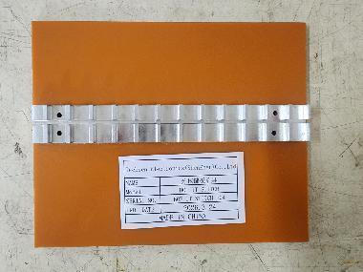 | 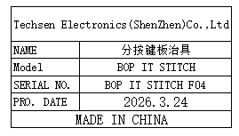 | 1 | 15 |  |  |  |  |  | 0.2 |  | 16x13x1.5 | Production Assemble | NO
Weld the J2 key lead fixture | 焊J2按键引线治具 | Techsen Electronics(ShenZhen)Co.,Ltd | BOP IT STITCH | BOP IT STITCH F05 |  |  | 电木 |  |  | 2026-03-24 | CHINA | NEW | 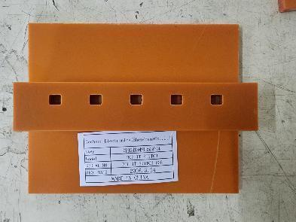 | 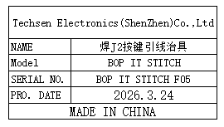 | 1 | 15 |  |  |  |  |  | 0.3 |  | 16x13x3 | Production Assemble | NO
Welding horn wire fixture | 焊喇叭线治具 | Techsen Electronics(ShenZhen)Co.,Ltd | BOP IT STITCH | BOP IT STITCH F06 |  |  | 电木 |  |  | 2026-03-24 | CHINA | NEW |  |  | 1 | 15 |  |  |  |  |  | 0.2 |  | 20x10x47 | Production Assemble | NO
Drill the mainboard screw fixture | 打主板螺丝治具 | Techsen Electronics(ShenZhen)Co.,Ltd | BOP IT STITCH | BOP IT STITCH F07 |  |  | 电木 |  |  | 2026-03-24 | CHINA | NEW |  |  | 1 | 20 |  |  |  |  |  | 0.2 |  | 16x13x2 | Production Assemble | NO
Beer nut fixture | 啤螺母治具 | Techsen Electronics(ShenZhen)Co.,Ltd | BOP IT STITCH | BOP IT STITCH F08 |  |  | 电木 |  |  | 2026-03-24 | CHINA | NEW |  |  | 1 | 20 |  |  |  |  |  | 0.3 |  | 16x13x2 | Production Assemble | NO
Weld the BAT lead fixture | 焊接BAT引线治具 | Techsen Electronics(ShenZhen)Co.,Ltd | BOP IT STITCH | BOP IT STITCH F10 |  |  | 电木 |  |  | 2026-03-24 | CHINA | NEW |  |  | 1 | 20 |  |  |  |  |  | 0.2 |  | 16x13x2.5 | Production Assemble | NO
Install the key plate fixture | 装按键板治具 | Techsen Electronics(ShenZhen)Co.,Ltd | BOP IT STITCH | BOP IT STITCH F11 |  |  | 电木 |  |  | 2026-03-24 | CHINA | NEW |  |  | 1 | 15 |  |  |  |  |  | 0.18*4 |  | 16x13x2 | Production Assemble | NO
Screwdriver fixture for horn cover screws | 打喇叭盖螺丝治具 | Techsen Electronics(ShenZhen)Co.,Ltd | BOP IT STITCH | BOP IT STITCH F12 |  |  | 电木 |  |  | 2026-03-24 | CHINA | NEW |  |  | 1 | 50 |  |  |  |  |  | 0.15 |  | 16x13x0.5 | Production Assemble | NO
The screw machine is used to produce finished screw fixtures | 螺丝机打成品螺丝治具 | Techsen Electronics(ShenZhen)Co.,Ltd | BOP IT STITCH | BOP IT STITCH F13 |  |  | 电木/原子灰 |  |  | 2026-03-24 | CHINA | NEW |  |  | 2 | 15 |  |  |  |  |  | 0.6*2 |  | 20x16x3 | Production Assemble | NO
Assemble the right-handed screwdriver fixture | 组装右手打螺丝治具 | Techsen Electronics(ShenZhen)Co.,Ltd | BOP IT STITCH | BOP IT STITCH F14 |  |  | 电木/原子灰 |  |  | 2026-03-24 | CHINA | NEW |  |  | 1 | 15 |  |  |  |  |  | 0.25 |  | 16x13x3 | Production Assemble | NO
Assemble the head cover screw fixture | 组装头盖打螺丝治具 | Techsen Electronics(ShenZhen)Co.,Ltd | BOP IT STITCH | BOP IT STITCH F15 |  |  | 电木/原子灰 |  |  | 2026-03-24 | CHINA | NEW |  |  | 1 | 15 |  |  |  |  |  | 0.7 |  | 13x16x4 | Production Assemble | NO
Battery door screw fixture | 打电池门螺丝治具 | Techsen Electronics(ShenZhen)Co.,Ltd | BOP IT STITCH | BOP IT STITCH F16 |  |  | 电木 |  |  | 2026-03-24 | CHINA | NEW |  |  | 1 | 20 |  |  |  |  |  | 0.3 |  | 17x14x5 | Production Assemble | NO
Use the console date fixture | 打主机日期治具 | Techsen Electronics(ShenZhen)Co.,Ltd | BOP IT STITCH | BOP IT STITCH F17 |  |  | 电木 |  |  | 2026-03-24 | CHINA | NEW |  |  | 1 | 20 |  |  |  |  |  | 0.2 |  | 14x10x18 | Production Assemble | NO
Hand prick fixture | 扎脖子治具 | Techsen Electronics(ShenZhen)Co.,Ltd | BOP IT STITCH | BOP IT STITCH F18 |  |  | 电木 |  |  | 2026-03-24 | CHINA | NEW |  |  | 1 | 15 |  |  |  |  |  | 1.2 |  | 29.5x20x2 | Production Assemble | NO
Foot prick fixture | 扎脚治具 | Techsen Electronics(ShenZhen)Co.,Ltd | BOP IT STITCH | BOP IT STITCH F19 |  |  | 电木 |  |  | 2026-03-24 | CHINA | NEW |  |  | 1 | 15 |  |  |  |  |  | 3.0 |  | 34x35x3 | Production Assemble | NO
Functional test stand fixture | 功能测试架 治具 | Techsen Electronics(ShenZhen)Co.,Ltd | BOP IT STITCH | BOP IT STITCH J01 |  |  | 电木 |  |  | 2026-03-24 | CHINA | NEW |  |  | 5 | 300 |  |  | L8 | 1 | 10.9 | 1.98*5 | 57x40x26 | 20x20x16 | Production Assemble | NO
Board division main board fixture | 分板主板治具 | Techsen Electronics(ShenZhen)Co.,Ltd | SIMON MICRO | SIMON F01A |  |  | 电木/铝 |  |  | 2026-03-24 | CHINA | NEW |  |  | 1 | 15 |  |  | L9 | 1 | 3.5 | 0.5 | 42x32x19 | 26.5x14.5x2 | Production Assemble | NO
Welding horn wire fixture | 焊喇叭线治具 | Techsen Electronics(ShenZhen)Co.,Ltd | SIMON MICRO | SIMON F02A |  |  | 铁 |  |  | 2026-03-24 | CHINA | NEW |  |  | 1 | 15 |  |  |  |  |  | 0.3 |  | 22x7.5x4 | Production Assemble | NO
Beer nut fixture | 啤螺母治具 | Techsen Electronics(ShenZhen)Co.,Ltd | SIMON MICRO | SIMON F03A |  |  | 电木/铜 |  |  | 2026-03-24 | CHINA | NEW |  |  | 1 | 15 |  |  |  |  |  | 0.2 |  | 14x10x3 | Production Assemble | NO
Install the reset button screw fixture | 装打复位钮螺丝治具 | Techsen Electronics(ShenZhen)Co.,Ltd | SIMON MICRO | SIMON F05A |  |  | 电木 |  |  | 2026-03-24 | CHINA | NEW |  |  | 1 | 15 |  |  |  |  |  | 0.2 |  | 6x13x3 | Production Assemble | NO
Weld the BAT lead fixture | 焊接BAT引线治具 | Techsen Electronics(ShenZhen)Co.,Ltd | SIMON MICRO | SIMON F06A |  |  | 电木 |  |  | 2026-03-24 | CHINA | NEW |  |  | 1 | 20 |  |  |  |  |  | 0.1 |  | 13x11x0.5 | Production Assemble | NO
Install the horn cover fixture | 装打喇叭盖治具 | Techsen Electronics(ShenZhen)Co.,Ltd | SIMON MICRO | SIMON F07A |  |  | 电木 |  |  | 2026-03-24 | CHINA | NEW |  |  | 4 | 20 |  |  |  |  |  | 0.1*4 |  | 11x11x1 | Production Assemble | NO
The screw machine is used to produce finished screw fixtures | 螺丝机打成品螺丝治具 | Techsen Electronics(ShenZhen)Co.,Ltd | SIMON MICRO | SIMON F08A |  |  | 电木 |  |  | 2026-03-24 | CHINA | NEW |  |  | 4 | 15 |  |  |  |  |  | 0.15 |  | 22.5x12x1.5 | Production Assemble | NO
Use the console date fixture | 打主机日期治具 | Techsen Electronics(ShenZhen)Co.,Ltd | SIMON MICRO | SIMON F09A |  |  | 电木 |  |  | 2026-03-24 | CHINA | NEW |  |  | 1 | 20 |  |  |  |  |  | 0.2 |  | 16x13x16 | Production Assemble | NO
Battery door screw fixture | 打电池门螺丝治具 | Techsen Electronics(ShenZhen)Co.,Ltd | SIMON MICRO | SIMON F10A |  |  | 电木 |  |  | 2026-03-24 | CHINA | NEW |  |  | 1 | 15 |  |  |  |  |  | 0.49 |  | 11x11x1 | Production Assemble | NO
Functional test stand fixture | 功能测试架 治具 | Techsen Electronics(ShenZhen)Co.,Ltd | SIMON MICRO | SIMON J01 |  |  | 电木 |  |  | 2026-03-24 | CHINA | NEW |  |  | 5 | 300 |  |  | L10 | 1 | 10 | 1.8*5 | 55x39x24 | 20x20x18 | Production Assemble | NO
SMT Printing Net | SMT印刷网 | Shenzhen Changke Excellence Technology Co., LTD | BOP IT NFL P4 | 100-25031-01-00 V01 |  |  | 钢/铝 |  |  | 2026.03.03 | China | NEW |  |  | 1 | 145 |  |  | L11 | 1 | 1.8 | 0.6 | 40*50*4CM | 37*47*2CM | SMT | NO
SMT Printing Net | SMT印刷网 | Shenzhen Changke Excellence Technology Co., LTD | STITCH BOP IT | 100-25033-01-00 |  |  | 钢/铝 |  |  | 2026.03.20 | China | NEW |  |  | 1 | 145 |  |  |  |  |  | 0.6 |  | 37*47*2CM | SMT | NO
SMT Printing Net | SMT印刷网 | Shenzhen Changke Excellence Technology Co., LTD | TRIX-8 REV3 | 100-07033-05-02 |  |  | 钢/铝 |  |  | 2026.03.17 | China | NEW |  |  | 1 | 270 |  |  | L12 | 1 | 2 | 1 | 57*67*5CM | 55*65*3CM | SMT | NO

