listing
1) ENGLISH ITEM NAME (ex : OOOO machine) | 2)中文名称 | 3) MANUFACTUROR (ex : OOO company) | 4) MODEL NO (ex : abc-123) | 5)Serial number | 6)CN hs code | 14) PICTURE (BEFORE PACKING) | 15) PICTURE (NAME PLATE or label) | 16)Quantity | 20)CARTON NO. | 21)CTN QTY | 26)应用范围 | 27)是否带电源
Prees gear into for fixture | 啤齿轮入马达夹具 | Techsen Electronics(ShenZhen)Co.,Ltd | DEER PONG | DEER-F01 |  |  |  | 1 | T1 | 1 | Production assembly fixture | NO
Soldering PCB boards and Soldering inductor fixture | 焊PCB板及焊电感夹具 | Techsen Electronics(ShenZhen)Co.,Ltd | DEER PONG | DEER-F02 |  |  |  | 2 |  |  | Soldering fixture | NO
fixture for assemble nut | 啤螺母夹具 | Techsen Electronics(ShenZhen)Co.,Ltd | DEER PONG | DEER-F03 |  |  |  | 1 |  |  | Production assembly fixture | NO
fixture for Pressure battery contact plate | 啤电池片治具 | Techsen Electronics(ShenZhen)Co.,Ltd | DEER PONG | DEER-F04 |  |  |  | 1 |  |  | Production assembly fixture | NO
Hit the PCB board fixture | 打PCB板夹具 | Techsen Electronics(ShenZhen)Co.,Ltd | DEER PONG | DEER-F05 |  |  |  | 1 |  |  | Production assembly fixture | NO
Fixture for the horn cover | 打喇叭盖夹具 | Techsen Electronics(ShenZhen)Co.,Ltd | DEER PONG | DEER-F06 |  |  |  | 1 |  |  | Production assembly fixture | NO
welding Battery Fixture | 焊电池仓引线夹具 | Techsen Electronics(ShenZhen)Co.,Ltd | DEER PONG | DEER-F07 |  |  |  | 2 |  |  | Soldering fixture | NO
Beer pinion into shell clamp | 啤小齿轮入壳夹具 | Techsen Electronics(ShenZhen)Co.,Ltd | DEER PONG | DEER-F08 |  |  |  | 1 |  |  | Production assembly fixture | NO
Shell clamps | 合壳夹具 | Techsen Electronics(ShenZhen)Co.,Ltd | DEER PONG | DEER-F09 |  |  |  | 2 |  |  | Production assembly fixture | NO
Punch the inner shell clamp | 打内壳夹具 | Techsen Electronics(ShenZhen)Co.,Ltd | DEER PONG | DEER-F10 |  |  |  | 1 |  |  | Production assembly fixture | NO
Punch the overhead clamp | 打头顶夹具 | Techsen Electronics(ShenZhen)Co.,Ltd | DEER PONG | DEER-F11 |  |  |  | 1 |  |  | Production assembly fixture | NO
Punch the shell clamp | 打外壳夹具 | Techsen Electronics(ShenZhen)Co.,Ltd | DEER PONG | DEER-F12 |  |  |  | 1 |  |  | Production assembly fixture | NO
Hat fixture | 打帽子夹具 | Techsen Electronics(ShenZhen)Co.,Ltd | DEER PONG | DEER-F13 |  | 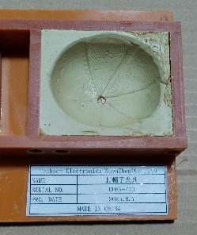 |  | 1 |  |  | Production assembly fixture | NO
fixture for date code | 打主机日期夹具 | Techsen Electronics(ShenZhen)Co.,Ltd | DEER PONG | DEER-F14 |  |  |  | 1 |  |  | Production assembly fixture | NO
Hit the battery door screw clamp | 打电池门夹具 | Techsen Electronics(ShenZhen)Co.,Ltd | DEER PONG | DEER-F15 |  |  |  | 1 |  |  | Production assembly fixture | NO
Host test reck | 主机测试架 | Techsen Electronics(ShenZhen)Co.,Ltd | DEER PONG | DEER-C01 |  |  |  | 3 |  |  | Production testing | NO
Base Ultrasonic Mold | 底座超声波治具 | Techsen Electronics(ShenZhen)Co.,Ltd | DEER PONG | DEER-F16 |  |  |  | 1 | T2 | 1 | Production assembly fixture | NO
Tongue Ultrasonic Mold | 舌头超声波治具 | Techsen Electronics(ShenZhen)Co.,Ltd | DEER PONG | DEER-F17 |  | 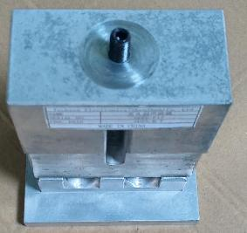 |  | 1 |  |  | Production assembly fixture | NO
Flux nozzle | 波峰炉喷嘴 | / | ST-6 | / |  |  |  | 1 |  |  | Equipment maintenance | NO

