listing
1) ENGLISH ITEM NAME (ex : OOOO machine) | 2)中文名称 | 3) MANUFACTUROR (ex : OOO company) | 4) MODEL NO (ex : abc-123) | 5)Serial number | 14) PICTURE (BEFORE PACKING) | 15) PICTURE (NAME PLATE or label) | 16)Quantity | 20)CARTON NO. | 21)CTN QTY
Soldering buttons and lead clamps | 焊按钮及引线夹具 | Techsen Electronics(ShenZhen)Co.,Ltd | BOP IT MICRO | BOPMIC-F01 |  |  | 3 | S1 | 1
Yellow twist clamp fixture | 打黄扭夹具 | Techsen Electronics(ShenZhen)Co.,Ltd | BOP IT MICRO | BOPMIC-F02 |  |  | 1
Hit the blue twist fixture | 打蓝钮夹具 | Techsen Electronics(ShenZhen)Co.,Ltd | BOP IT MICRO | BOPMIC-F03 |  |  | 1
Splitting fixture | 分板夹具 | Techsen Electronics(ShenZhen)Co.,Ltd | BOP IT MICRO | BOPMIC-F04 |  |  | 1
welding Battery Fixture | 焊电池线夹具 | Techsen Electronics(ShenZhen)Co.,Ltd | BOP IT MICRO | BOPMIC-F06 |  |  | 1
Hit the PCB board Fixture | 打PCB板夹具 | Techsen Electronics(ShenZhen)Co.,Ltd | BOP IT MICRO | BOPMIC-F07 |  |  | 2
Gold ring fixture | 打金圈夹具 | Techsen Electronics(ShenZhen)Co.,Ltd | BOP IT MICRO | BOPMIC-F08 |  |  | 1
Horn and button clamps | 打喇叭及按钮夹具 | Techsen Electronics(ShenZhen)Co.,Ltd | BOP IT MICRO | BOPMIC-F10 |  |  | 2
Assembly fixtures | 装配件夹具 | Techsen Electronics(ShenZhen)Co.,Ltd | BOP IT MICRO | BOPMIC-F11 |  |  | 1
welding Battery Fixture | 打主机日期夹具 | Techsen Electronics(ShenZhen)Co.,Ltd | BOP IT MICRO | BOPMIC-F13 |  |  | 1
Beer yellow ball iron shaft clamp | 啤黄球铁轴夹具 | Techsen Electronics(ShenZhen)Co.,Ltd | BOP IT MICRO | BOPMIC-F14 |  |  | 1
Hit the battery door clamp | 打电池门夹具 | Techsen Electronics(ShenZhen)Co.,Ltd | BOP IT MICRO | BOPMIC-F15 |  |  | 1
Cable tie clamps | 扎扎带夹具 | Techsen Electronics(ShenZhen)Co.,Ltd | BOP IT MICRO | BOPMIC-F18 |  |  | 3
fixture for Pressure battery contact plate | 啤电池片治具 | Techsen Electronics(ShenZhen)Co.,Ltd | ULTIMATE CATCH | ULT-F01 |  |  | 1
fixture for Pressure battery contact plate | 啤电池片治具 | Techsen Electronics(ShenZhen)Co.,Ltd | SIMON SPRING R | SIMON-F01 |  | 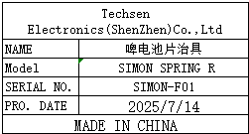 | 1
fixture for Pressure battery contact plate | 啤电池片治具 | Techsen Electronics(ShenZhen)Co.,Ltd | BOP IT VN | BOPVN-F01 |  |  | 1
Welding battery fixture | 焊电池治具 | Techsen Electronics(ShenZhen)Co.,Ltd | E-100 | E-100 F01 | 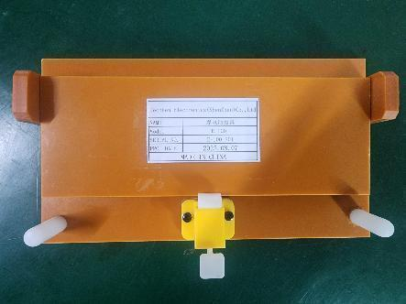 | 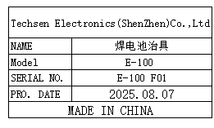 | 1 | S2 | 1
Finished screw fixture | 打成品螺丝治具 | Techsen Electronics(ShenZhen)Co.,Ltd | E-100 | E-100 F02 | 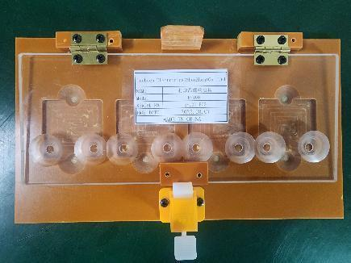 | 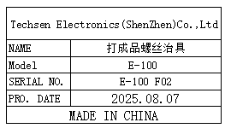 | 1
Lamp shade inspection fixture | 灯罩检查治具 | Techsen Electronics(ShenZhen)Co.,Ltd | GX-1 | GX-1F33 |  | 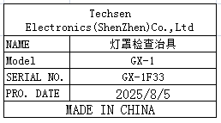 | 1 | 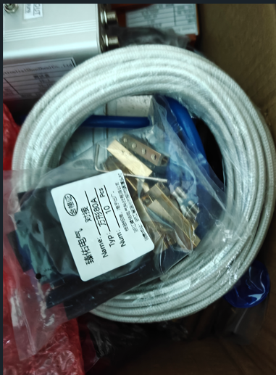 S3 |  | 1
The heating plate wires and wiring terminals of the wave soldering furnace are in box S3, please help transfer them to SPChen
Positioning button fixture | 定位按钮治具 | Techsen Electronics(ShenZhen)Co.,Ltd | GX-1 | GX-1F34 | 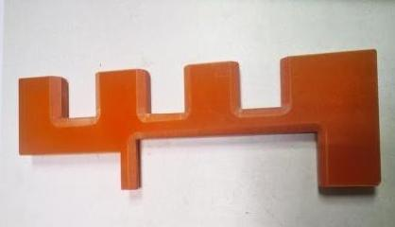 | 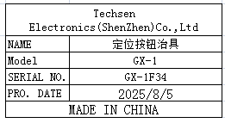 | 1
LCD film fixture for pasting | 贴LCD胶片治具 | Techsen Electronics(ShenZhen)Co.,Ltd | GX-1 | GX-1F35 | 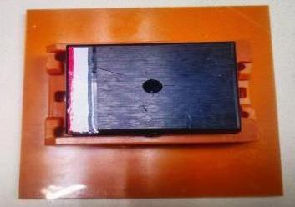 | 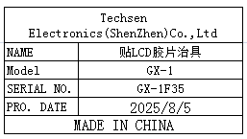 | 1
test box | 测试盒 | Techsen Electronics(ShenZhen)Co.,Ltd | VE-1 | VE-1P01 | 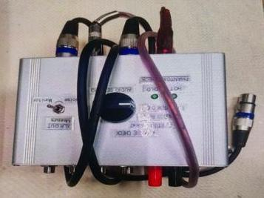 | 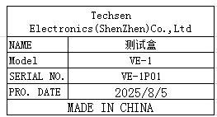 | 2
test box | 测试盒 | Techsen Electronics(ShenZhen)Co.,Ltd | VE-2 | VE-2P01 |  |  | 2
Positioning button fixture | 压脚踏铁片治具 | Techsen Electronics(ShenZhen)Co.,Ltd | GX-1 | GX-1F36 | 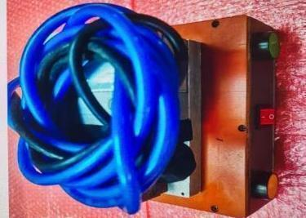 | 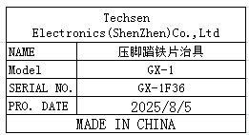 | 1
compression spring | 压缩弹簧 | Xinqingyuan Hardware Spring | / | / |  | 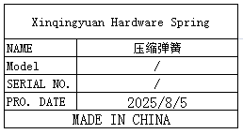 | 5
Anti static glue tweezers | 防静电胶镊子 | TGK De Gao Direct Sales Store | / | / |  | 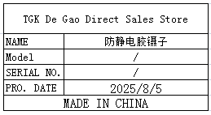 | 20
Rolling brush bottle | 滚刷瓶 | Easy Installation Hardware Mall | / | / |  | 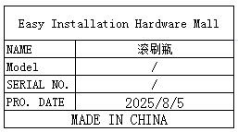 | 10
Plastic Box | 胶盒 | MI BA DIAN QI | / | / |  | 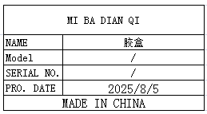 | 10
feeler gauge | 塞尺 | Nanjing Suce Measurement Instrument Co., Ltd | 100A23 | / |  | 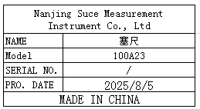 | 2
Fever core | 发热芯 | Shenzhen Xinhengyi Electronic Tool Direct Sales Store | 203H | / |  | 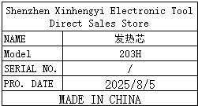 | 20
Laser Barcode Scanner | 工业激光条码扫描器 | SYBLE Co. LTD | XB-21O8C | 262459007/ 262459006 |  |  | 2
Hot press fixture | 啤机热压头 | Techsen Electronics(ShenZhen)Co.,Ltd | / | / |  | 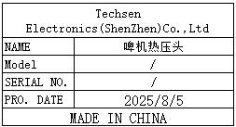 | 20
Electric screwdriver rotor | 电动螺丝刀转子 | JB CO., Ltd | 801 | / |  | 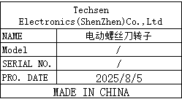 | 20
Stencil | 钢网 | Shenzhen Changke Excellence Technology Co., LTD |  | VE-2(B) |  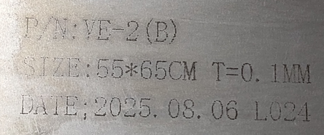 |  | 1 | S4 | 1
Stencil | 钢网 | Shenzhen Changke Excellence Technology Co., LTD |  | VE-2(B) |  |  | 1 |  | 1
Stencil | 钢网 | Shenzhen Changke Excellence Technology Co., LTD |  | AE-BRISA MAIN A |  | 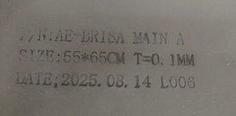 | 1

