listing
1) ENGLISH ITEM NAME (ex : OOOO machine) | 2)中文名称 | 3) MANUFACTUROR (ex : OOO company) | 4) MODEL NO (ex : abc-123) | 5)Serial number | 6)CN hs code | 7)VN hs code | 8)Material | 9) VOLTAGE (ex : 220V) | 10) CAPACITY (ex :1200KW) | 11) Manufacture date (yyyy-mm-dd) | 12) ORIGIN | 13) NEW or USED | 14) PICTURE (BEFORE PACKING) | 15) PICTURE (NAME PLATE or label) | 16)Quantity | 17)cost(RMB 13%VAT) | 18)cost(USD) | 19)Total cost(USD) | 20)CARTON NO. | 21)CTN QTY | 22)G.W(KGS) | 23)N.W(KGS) | 24)Package Size(CM) | 25)Part size(CM) | 26)应用范围 | 27)是否带电源
charger | 充电器 | Green Union Digital Flagship Store | USB C | / |  |  | 塑胶+电子线路 | 220V | 45W | 2025.09.05 | CHINA | NEW | 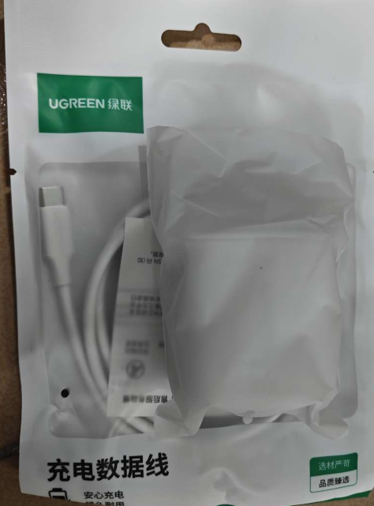 |  | 16 | 63 |  |  | A1 | 1 | 11.3 | 10 | 89*23*17 | 7.5X7.5X4.5 | Test use | NO
electric screw driver | 电动螺丝刀 | JB CO., Ltd | POL-DN-800Z | / |  |  | 铁+线材 | 220V | 20W | 2025.09.05 | CHINA | NEW | 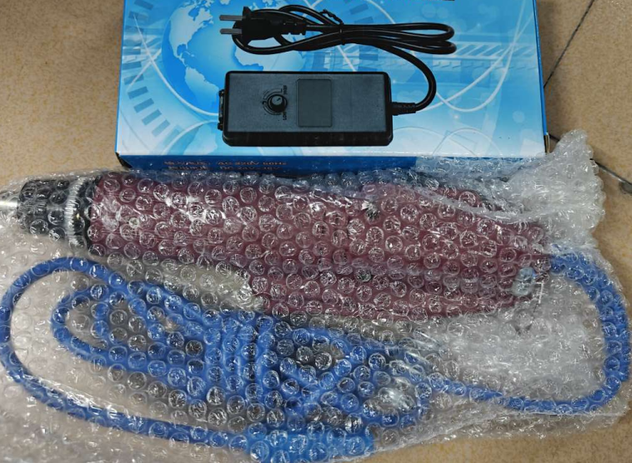 |  | 6 |  |  |  |  |  |  |  |  | 32X8X5 | Assemly | NO
electric screw driver | 电动螺丝刀 | JINLIDA Pneumatic Tool Store | JD-BS0303 | / |  |  | 铁+线材 | 220V | 20W | 2025.09.05 | CHINA | NEW | 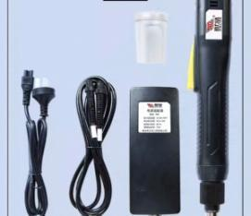 |  | 4 |  |  |  |  |  |  |  |  | 3X2X9X8 | Assemly | NO
AerophonevBrisa sample | 电吹管样板 | Techsen Electronics(ShenZhen)Co.,Ltd | AE-Brisa | / |  |  | 塑胶+电子零件 | 9V | 2W | 2025.09.05 | CHINA | NEW |  | 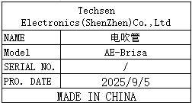 | 1 |  |  |  |  |  |  |  |  | 80X15X7 | Testing sample | NO

