listing
1) ENGLISH ITEM NAME (ex : OOOO machine) | 2)中文名称 | 3) MANUFACTUROR (ex : OOO company) | 4) MODEL NO (ex : abc-123) | 5)Serial number | 6)CN hs code | 7)VN hs code | 8)Material | 9) VOLTAGE (ex : 220V) | 10) CAPACITY (ex :1200KW) | 11) Manufacture date (yyyy-mm-dd) | 12) ORIGIN | 13) NEW or USED | 14) PICTURE (BEFORE PACKING) | 15) PICTURE (NAME PLATE or label) | 16)Quantity | 17)cost(RMB 13%VAT) | 18)cost(USD) | 19)Total cost(USD) | 20)CARTON NO. | 21)CTN QTY | 22)G.W(KGS) | 23)N.W(KGS) | 24)Package Size(CM) | 25)Part size(CM) | 26)应用范围 | 27)是否带电源
Board division main board fixture | 分板主板治具 | Techsen Electronics(ShenZhen)Co.,Ltd | BOP IT MINE | BOP IT F01 |  |  | 电木 |  |  | 9/8/2026 | CHINA | NEW | 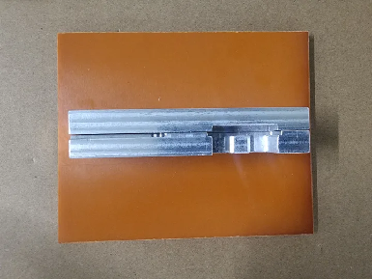 | 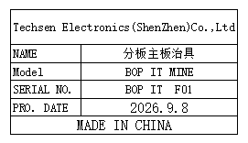 | 1 | 80 |  |  | PIE-C1 | 1 | 12 | 0.3 | 36*29x27 | 14x11x4 | Production Assemble | NO
Separate key board fixtures | 分按键板治具 | Techsen Electronics(ShenZhen)Co.,Ltd | BOP IT MINE | BOP IT F02 |  |  | 电木 |  |  | 9/8/2026 | CHINA | NEW | 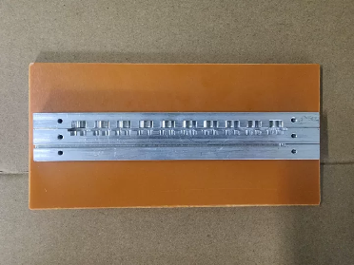 | 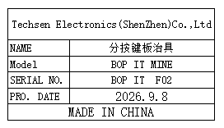 | 1 | 80 |  |  |  |  |  | 0.3 |  | 20x10x2 | Production Assemble | NO
Assemble the predecessor fixture | 组装前身治具 | Techsen Electronics(ShenZhen)Co.,Ltd | BOP IT MINE | BOP IT F03 |  |  | 电木 |  |  | 9/8/2026 | CHINA | NEW | 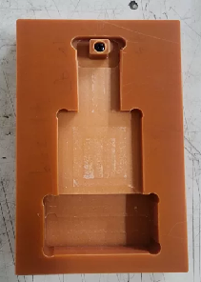 | 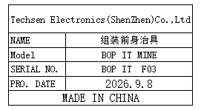 | 8 | 50 |  |  |  |  |  | 0.3*8 |  | 10x15x2 | Production Assemble | NO
Beer nut fixture | 啤螺母治具 | Techsen Electronics(ShenZhen)Co.,Ltd | BOP IT MINE | BOP IT F07 |  |  | 电木 |  |  | 9/8/2026 | CHINA | NEW | 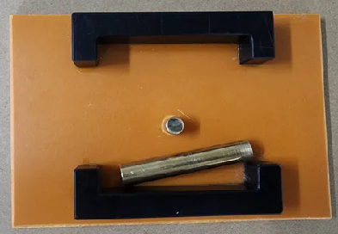 | 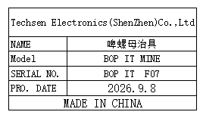 | 1 | 50 |  |  |  |  |  | 0.2 |  | 15x10x2 | Production Assemble | NO
Beer battery cell fixture | 裝啤电池片治具 | Techsen Electronics(ShenZhen)Co.,Ltd | BOP IT MINE | BOP IT F08 |  |  | 铁 |  |  | 9/8/2026 | CHINA | NEW | 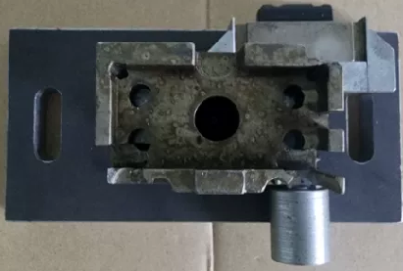 | 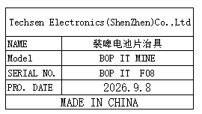 | 1 | 300 |  |  |  |  |  | 2.8 |  | 17x8x10 | Production Assemble | NO
Welding horn wire fixture | 焊喇叭线治具 | Techsen Electronics(ShenZhen)Co.,Ltd | BOP IT MINE | BOP IT F09 |  |  | 电木 |  |  | 9/8/2026 | CHINA | NEW |  | 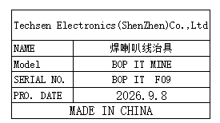 | 1 | 50 |  |  |  |  |  | 0.2 |  | 24x6x4 | Production Assemble | NO
Screwdriver fixture for horn cover screws | 打喇叭盖螺丝治具 | Techsen Electronics(ShenZhen)Co.,Ltd | BOP IT MINE | BOP IT F10 |  |  | 铁 |  |  | 9/8/2026 | CHINA | NEW | 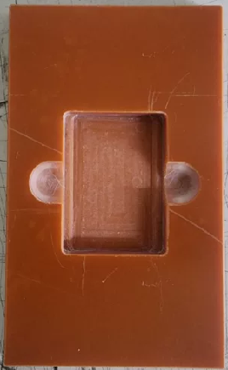 | 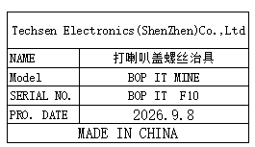 | 1 | 50 |  |  |  |  |  | 0.1 |  | 14x8x1 | Production Assemble | NO
Weld the BAT lead fixture | 焊接BAT引线治具 | Techsen Electronics(ShenZhen)Co.,Ltd | BOP IT MINE | BOP IT F11 |  |  | 电木 |  |  | 9/8/2026 | CHINA | NEW | 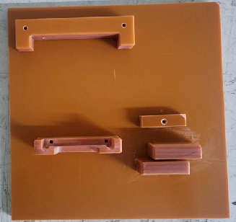 | 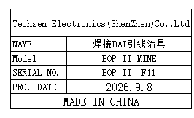 | 1 | 50 |  |  |  |  |  | 0.2 |  | 17x17x2 | Production Assemble | NO
Install the mainboard fixture | 装主板治具 | Techsen Electronics(ShenZhen)Co.,Ltd | BOP IT MINE | BOP IT F12 |  |  | 铁 |  |  | 9/8/2026 | CHINA | NEW |  |  | 7 | 50 |  |  |  |  |  | 0.3*7 |  | 19x10x2 | Production Assemble | NO
Use the console date fixture | 打主机日期治具 | Techsen Electronics(ShenZhen)Co.,Ltd | BOP IT MINE | BOP IT F15 |  |  | 电木 |  |  | 9/8/2026 | CHINA | NEW | 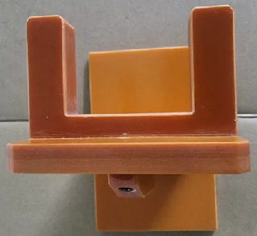 | 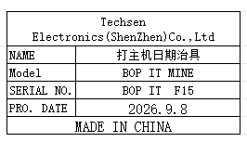 | 1 | 50 |  |  |  |  |  | 0.3 |  | 10x15x15 | Production Assemble | NO
Put on the cable tie fixture | 打上扎带治具 | Techsen Electronics(ShenZhen)Co.,Ltd | BOP IT MINE | BOP IT F16 |  |  | 电木 |  |  | 9/8/2026 | CHINA | NEW | 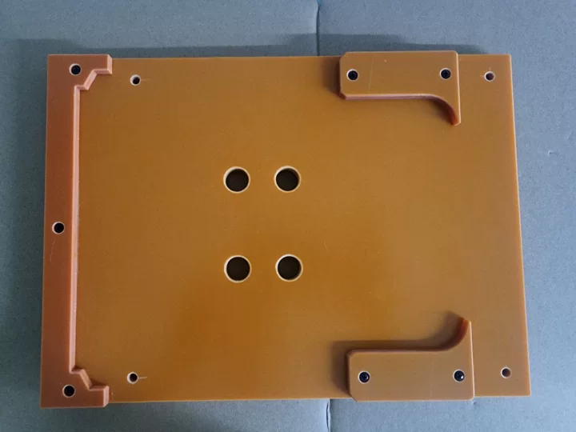 | 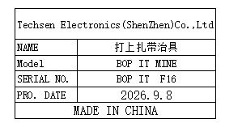 | 2 | 50 |  |  |  |  |  | 0.9*2 |  | 22x20x1.5 | Production Assemble | NO
Board division, main board assembly fixture | 分板主板治具 | Techsen Electronics(ShenZhen)Co.,Ltd | BOP IT MINE | BOP IT F018 |  |  | 电木 |  |  | 9/8/2026 | CHINA | NEW | 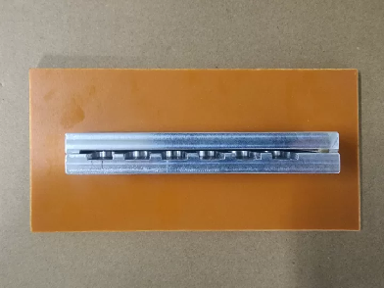 | 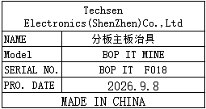 | 1 | 50 |  |  |  |  |  | 0.3 |  | 20x10x4 | Production Assemble | NO
Host test stand fixture | 主机测试架治具 | Techsen Electronics(ShenZhen)Co.,Ltd | BOP IT MINE | BOP IT J01 |  |  | 电木 |  |  | 9/8/2026 | CHINA | NEW | 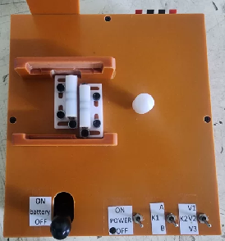 | 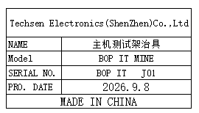 | 5 | 400 |  |  | PIE-C2 | 1 | 11.5 | 2.1*5 | 53x35x28 | 30x20x17 | Production Assemble | NO
Use a date fixture | 打日期治具 | Techsen Electronics(ShenZhen)Co.,Ltd | STAR WARS SIMON | STAR F08A |  |  | 电木 |  |  | 9/10/2026 | CHINA | NEW | 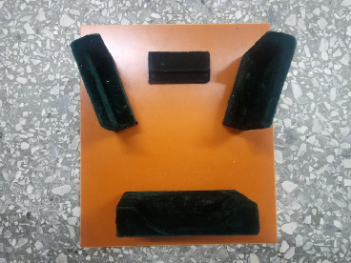 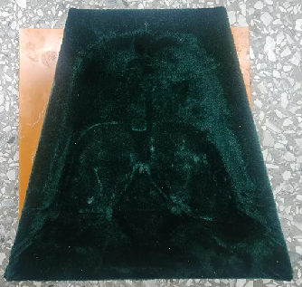 |  | 1 | 50 |  |  | PIE-C3 | 1 | 8 | 0.6 | 34x25x24 | 19x22x6 | Production Assemble | NO
Screwdriver fixture for the main unit | 主机打螺丝治具 | Techsen Electronics(ShenZhen)Co.,Ltd | STAR WARS SIMON | STAR F10A |  |  | 电木 |  |  | 9/10/2026 | CHINA | NEW | 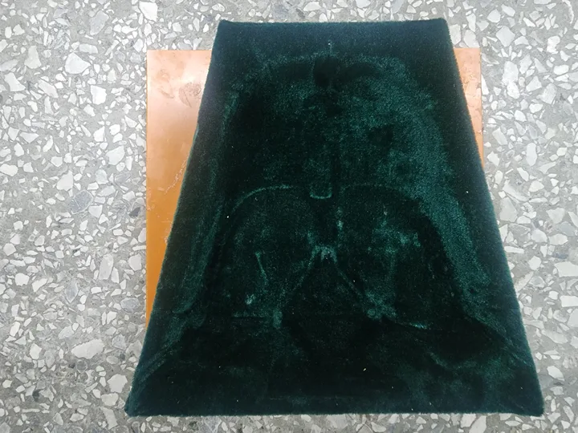 |  | 4 | 50 |  |  |  |  |  | 1.6*4 |  | 20x20x6 | Production Assemble | NO
wave soldering Fixture | 过炉治具 | Techsen Electronics(ShenZhen)Co.,Ltd | BOP IT MINE(Main board) | BOPMIMF01A-H |  |  | 玻纤板 | / | / | 9/2/2026 | CHINA | NEW | 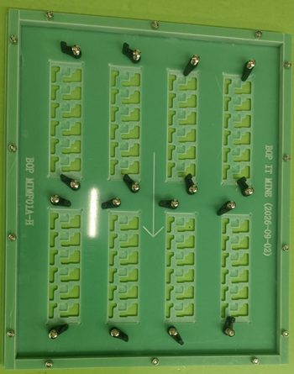  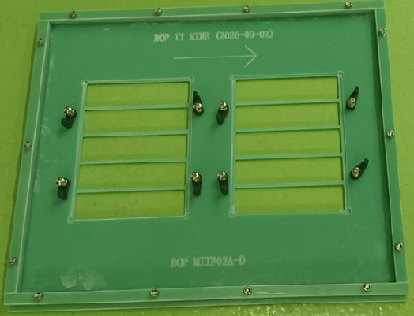 |  | 8 | 300 |  |  | PIE-C4 | 1 | 14.1 | 1.12*8 | 36X36x26 | 35x30x2 | wave soldering | NO
wave soldering Fixture | 过炉治具 | Techsen Electronics(ShenZhen)Co.,Ltd | BOP IT MINE(Key board) | BOPMITF02A-D |  |  | 玻纤板 | / | / | 9/2/2026 | CHINA | NEW | 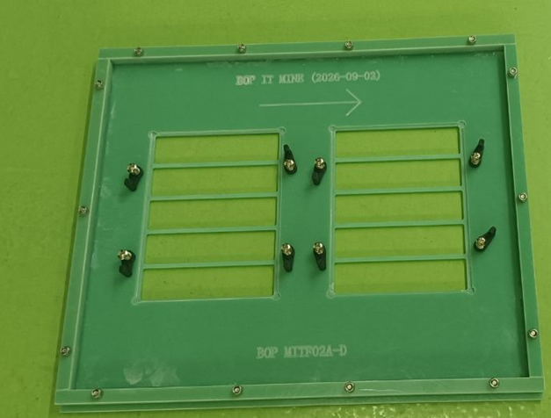 | 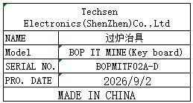 | 4 | 300 |  |  |  |  |  | 1.12*4 |  | 35x30x2 | wave soldering | NO

