listing
1) ENGLISH ITEM NAME (ex : OOOO machine) | 2)中文名称 | 3) MANUFACTUROR (ex : OOO company) | 4) MODEL NO (ex : abc-123) | TRAVEL-F05 | 14) PICTURE (BEFORE PACKING) | 15) PICTURE (NAME PLATE or label) | 16)Quantity | 20)CARTON NO. | 21)CTN QTY
Drive the handle screw fixture | 打手柄螺丝治具 | Techsen Electronics(ShenZhen)Co.,Ltd | CROSS FIRE | CROSSFIRE F01A | 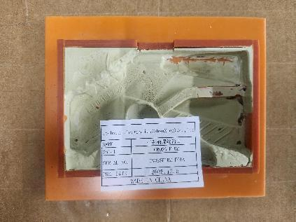 | 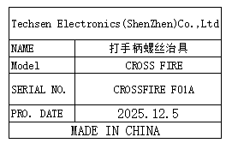 | 4 | B2 | 1
Drill the finished screw fixture | 打成品螺丝治具 | Techsen Electronics(ShenZhen)Co.,Ltd | CROSS FIRE | CROSSFIRE F02A | 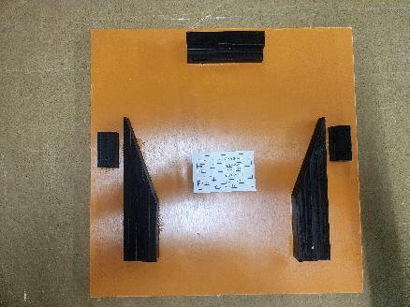 | 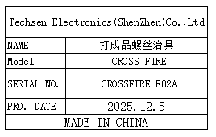 | 4
Beer marble fixture | 啤弹珠治具 | Techsen Electronics(ShenZhen)Co.,Ltd | CROSS FIRE | CROSSFIRE F03A | 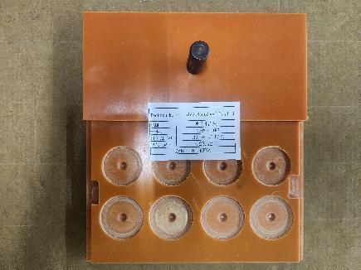 | 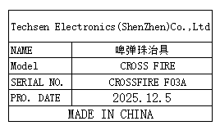 | 1
Counting fixture | 计数治具 | Techsen Electronics(ShenZhen)Co.,Ltd | CROSS FIRE | CROSSFIRE F04A | 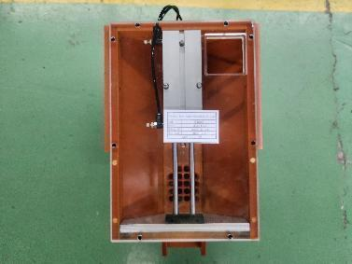 | 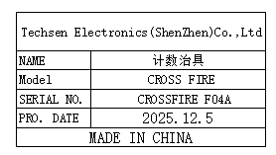 | 1
Use the console date fixture | 打主机日期治具 | Techsen Electronics(ShenZhen)Co.,Ltd | CROSS FIRE | CROSSFIRE F05A | 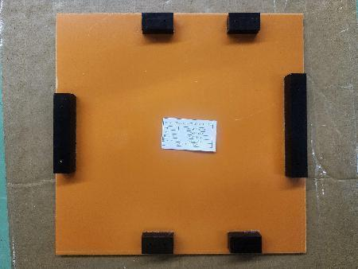 | 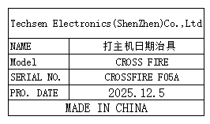 | 1
Polish the pen tip fixture | 打磨笔头治具 | Techsen Electronics(ShenZhen)Co.,Ltd | TRAVEL OPERATION | TRAVEL-F01 | 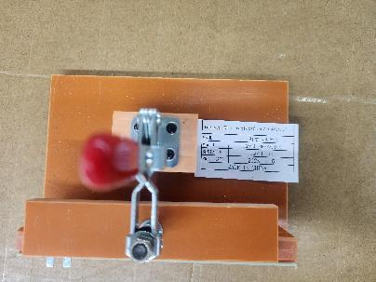 | 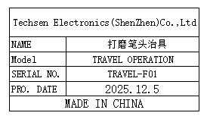 | 1
Welding fixture | 焊介子治具 | Techsen Electronics(ShenZhen)Co.,Ltd | TRAVEL OPERATION | TRAVEL-F02 | 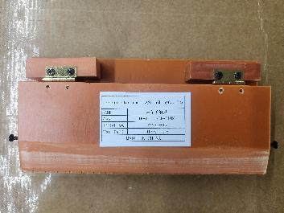 | 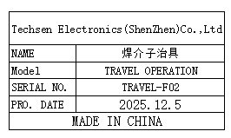 | 2
Welding probe lead fixture | 焊探笔引线治具 | Techsen Electronics(ShenZhen)Co.,Ltd | TRAVEL OPERATION | TRAVEL-F03 | 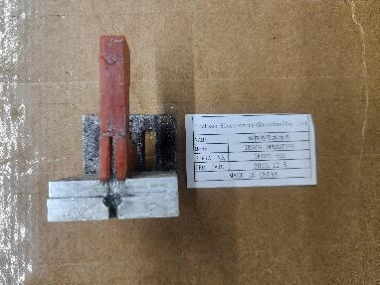 | 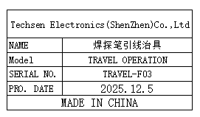 | 1
Pull out the pen wire fixture | 拉探笔线治具 | Techsen Electronics(ShenZhen)Co.,Ltd | TRAVEL OPERATION | TRAVEL-F04 | 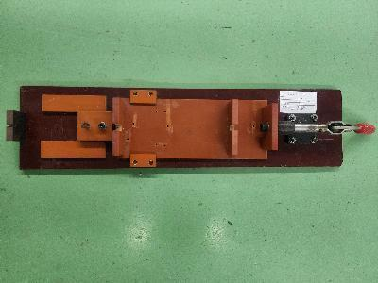 | 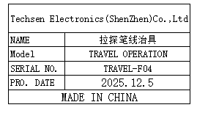 | 1
CUBE Logo Heat press fixture | CUBE Logo热压治具 |  | CUBE-ST2 | / | 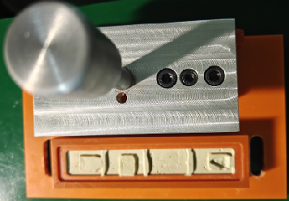 |  | 1 set
Hot stamp fixture | 烫金治具 |  | CUBE-ST2 | / | 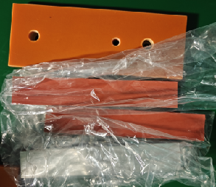 |  | (Uper: 3pcs) (Lower 1pcs）
Panel separation fixture | 分板治具 | Techsen Electronics(ShenZhen)Co.,Ltd | TRAVEL OPERATION | TRAVEL-F05 | 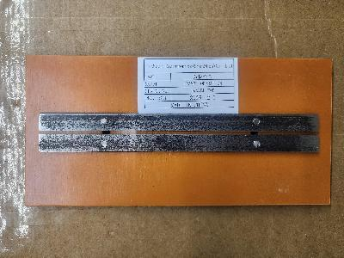 | 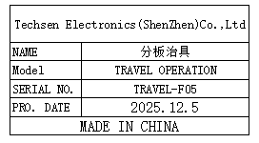 | 1 | B3 | 1
Press the battery cell into the shell fixture | 压电池片入壳治具 | Techsen Electronics(ShenZhen)Co.,Ltd | TRAVEL OPERATION | TRAVEL-F06 | 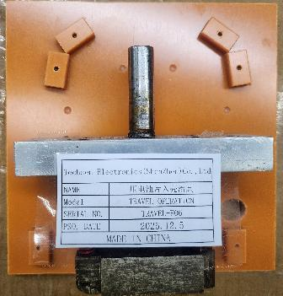 | 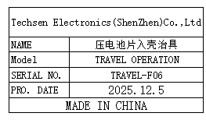 | 1
Press the battery cells into the fixture | 压电池片到位治具 | Techsen Electronics(ShenZhen)Co.,Ltd | TRAVEL OPERATION | TRAVEL-F07 | 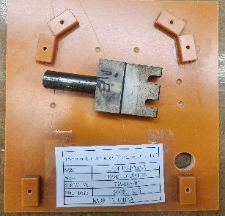 | 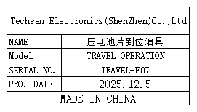 | 1
Bending battery cell foot fixture | 压弯电池片脚治具 | Techsen Electronics(ShenZhen)Co.,Ltd | TRAVEL OPERATION | TRAVEL-F08 | 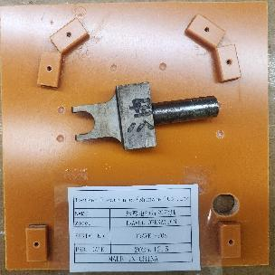 | 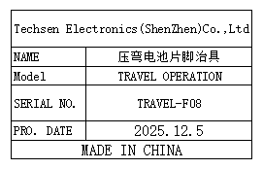 | 1
Beer nut fixture | 啤螺母治具 | Techsen Electronics(ShenZhen)Co.,Ltd | TRAVEL OPERATION | TRAVEL-F09 | 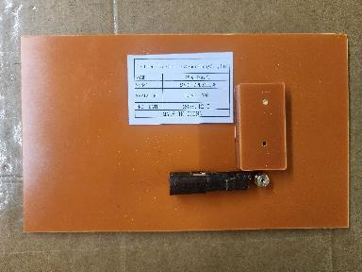 | 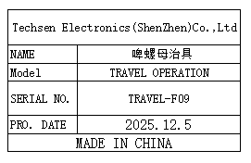 | 1
Inhale and apply the sticker fixture | 吸气贴贴纸治具 | Techsen Electronics(ShenZhen)Co.,Ltd | TRAVEL OPERATION | TRAVEL-F10 | 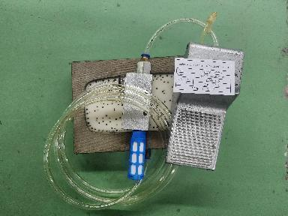 | 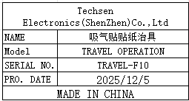 | 2
Install the iron sheet fixture | 装铁片治具 | Techsen Electronics(ShenZhen)Co.,Ltd | TRAVEL OPERATION | TRAVEL-F11 | 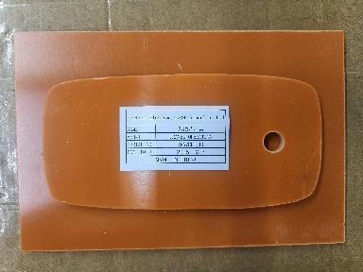 | 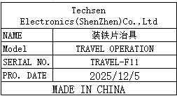 | 1
Hit the shell screw fixture | 打中壳螺丝治具 | Techsen Electronics(ShenZhen)Co.,Ltd | TRAVEL OPERATION | TRAVEL-F12 | 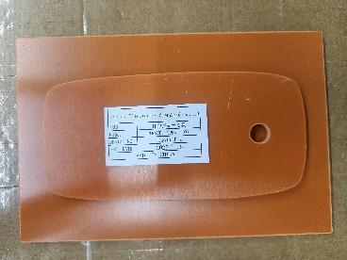 |  | 2
The screw machine hit the small screw fixture of the shell | 螺丝机打中壳 小螺丝治具 | Techsen Electronics(ShenZhen)Co.,Ltd | TRAVEL OPERATION | TRAVEL-F13 | 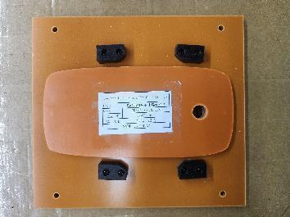 | 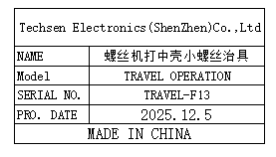 | 2
Welding horn wire fixture | 焊喇叭线治具 | Techsen Electronics(ShenZhen)Co.,Ltd | TRAVEL OPERATION | TRAVEL-F14 | 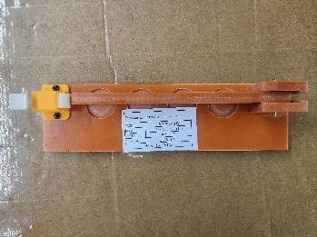 |  | 1
Screwdriver fixtures for PCB boards | 打PCB板螺丝治具 | Techsen Electronics(ShenZhen)Co.,Ltd | TRAVEL OPERATION | TRAVEL-F15 | 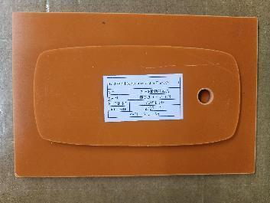 | 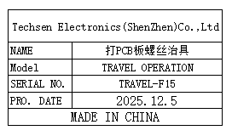 | 3
Screw machine screw fixture for the main machine | 螺丝机打主机 螺丝治具 | Techsen Electronics(ShenZhen)Co.,Ltd | TRAVEL OPERATION | TRAVEL-F16 | 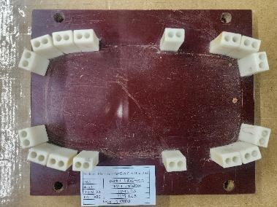 | 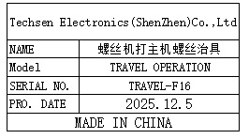 | 2
Mark the date of the main unit and the battery door fixture | 打主机日期及 电池门治具 | Techsen Electronics(ShenZhen)Co.,Ltd | TRAVEL OPERATION | TRAVEL-F17 | 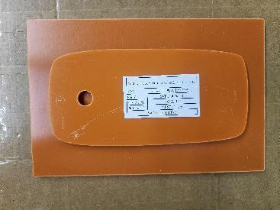 | 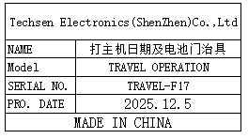 | 1
Punching box hole fixture | 冲彩盒孔治具 | Techsen Electronics(ShenZhen)Co.,Ltd | TRAVEL OPERATION | TRAVEL-F18 | 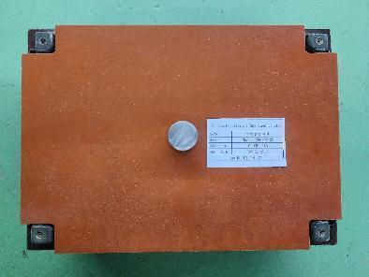 | 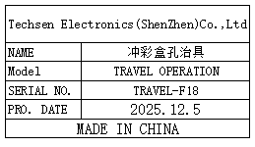 | 1
Biaxial stretching column fixture | 啤胶柱治具 | Techsen Electronics(ShenZhen)Co.,Ltd | Operation Bluey | Opera F01A | 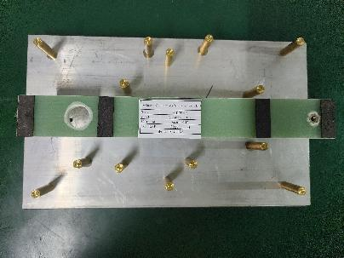 | 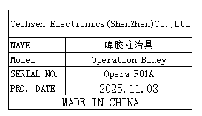 | 3 | B4 | 1
Stencil | 钢网 | Shenzhen Changke Excellence Technology Co., LTD | TRAVEL OPERATION | 100-13002-02-01 V01 |  |  | 1 | B5 | 1

