listing
1) ENGLISH ITEM NAME (ex : OOOO machine) | 2)中文名称 | 3) MANUFACTUROR (ex : OOO company) | 4) MODEL NO (ex : abc-123) | 5)Serial number | 6)CN hs code | 7)VN hs code | 8)Material | 9) VOLTAGE (ex : 220V) | 10) CAPACITY (ex :1200KW) | 11) Manufacture date (yyyy-mm-dd) | 12) ORIGIN | 13) NEW or USED | 14) PICTURE (BEFORE PACKING) | 15) PICTURE (NAME PLATE or label) | 16)Quantity | 17)cost(RMB 13%VAT) | 18)cost(USD) | 19)Total cost(USD) | 20)CARTON NO. | 21)CTN QTY | 22)G.W(KGS) | 23)N.W(KGS) | 24)Package Size(CM) | 25)Part size(CM) | 26)应用范围 | 27)是否带电源
Temperature sensing wire | 探温线 | Techsen Electronics(ShenZhen)Co.,Ltd | ST100T-30 | 982-10015-00-37 |  |  | 电子线／电子元件 |  |  | 2024-12-17 | CHINA | NEW |  |  | 1040 | 5 |  |  | Z1,Z2 | 2 | 16.6 | 0.03*1040 | 35x28.5x21.5 | 300X0.4 | TREX series testing | NO
Temperature sensing wire | 探温线 | Techsen Electronics(ShenZhen)Co.,Ltd | ST100J-6 | 982-10015-00-42 |  |  | 电子线／电子元件 |  |  | 2024-12-17 | CHINA | NEW |  |  | 2900 | 5 |  |  | Z3 | 1 | 9.7 | 0.003*2900 | 35x28x25 | 14x0.4 | TREX series testing | NO
Temperature sensing wire | 探温线 | Techsen Electronics(ShenZhen)Co.,Ltd | ST100H-30 | 982-10015-00-33 |  |  | 电子线／电子元件 |  |  | 2024-12-17 | CHINA | NEW |  |  | 284 | 5 |  |  | Z4 | 1 | 12.3 | 0.04*284 | 35.5x35x25.5 | 300x0.4 | TREX series testing | NO
Temperature Test sample | 温度测试样板机 | Techsen Electronics(ShenZhen)Co.,Ltd | TREX-8 | / |  |  | 塑胶/电子元件 |  |  | 2024-12-17 | CHINA | NEW |  |  | 583 | 10 |  |  | Z5 | 1 | 18.5 | 0.03*583 | 39x34x39.5 | 8.5x5.5x0.9 | ST series testing | NO
PCBA test box | PCBA测试盒 | Techsen Electronics(ShenZhen)Co.,Ltd | LogTag series | / |  |  | 塑胶/电子元件 |  |  | 2024-12-17 | CHINA | NEW |  |  | 8 | 100 |  |  | Z6 | 1 | 5.1 | 0.42*8 | 35x28.5x21.5 | 17.5x15x5 | testing | NO
Test socket | 测试座 | Techsen Electronics(ShenZhen)Co.,Ltd | TRED series | / |  |  | 塑胶/电子元件 |  |  | 2024-12-17 | CHINA | NEW |  |  | 3 | 50 |  |  |  |  |  | 0.22*3 |  | 10x8x4.5 | testing | NO
Stencil | 钢网 | Shenzhen Changke Excellence Technology Co., LTD | VE-1 | VE-1 B MAIN A |  |  | 钢/铝 |  |  | 2024.12.12 | China | NEW |  | 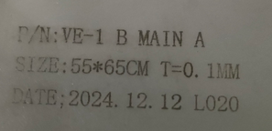 | 1 | 270 |  |  | Z7 | 1 | 4 | 1.1 | 60*68*7CM | 55*65*2.5CM | SMT | NO
Stencil | 钢网 | Shenzhen Changke Excellence Technology Co., LTD | VE-1 | VE-1 B MAIN B |  |  | 钢/铝 |  |  | 2024.12.12 | China | NEW |  | 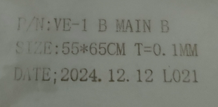 | 1 | 270 |  |  |  |  |  | 1.1 |  | 55*65*2.5CM | SMT | NO
Stencil | 钢网 | PROCESS LAB.MICRON (Suzhou) Precision Technology Co., Ltd. Guangzhou branch | LT5GEO | 100-23015-01-03 |  |  | 钢/铝 |  |  | 2024.12.12 | China | NEW |  | 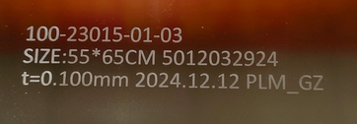 | 1 | 904 |  |  | Z8 | 1 | 4.9 | 4 | 60*68*5CM | 55*65*3CM | SMT | NO

