listing
1) ENGLISH ITEM NAME (ex : OOOO machine) | 2)中文名称 | 3) MANUFACTUROR (ex : OOO company) | 4) MODEL NO (ex : abc-123) | 5)Serial number | 6)CN hs code | 7)VN hs code | 8)Material | 9) VOLTAGE (ex : 220V) | 10) CAPACITY (ex :1200KW) | 11) Manufacture date (yyyy-mm-dd) | 12) ORIGIN | 13) NEW or USED | 14) PICTURE (BEFORE PACKING) | 15) PICTURE (NAME PLATE or label) | 16)Quantity | 17)cost(RMB 13%VAT) | 18)cost(USD) | 19)Total cost(USD) | 20)CARTON NO. | 21)CTN QTY | 22)G.W(KGS) | 23)N.W(KGS) | 24)Package Size(CM) | 25)Part size(CM) | 26)应用范围 | 27)是否带电源
Stencil | 钢网 | Shenzhen Changke Excellence Technology Co., LTD | BOP IT BLUEY MAIN (v03) | 100-25023-01-00 |  |  | 钢/铝 |  |  | 2026.02.02 | China | NEW |  | 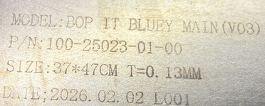 | 1 | 145 |  |  | K3 | 1 | 2.3 | 0.6 | 55x45x10 | 37*47*2CM | SMT | NO
Stencil | 钢网 | Shenzhen Changke Excellence Technology Co., LTD | BOP IT NFL P1 | 100-25030-01-00 |  |  | 钢/铝 |  |  | 2026.03.03 | China | NEW |  | 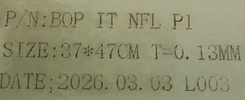 | 1 | 145 |  |  |  |  |  | 0.6 |  | 37*47*2CM | SMT | NO
Stencil | 钢网 | Shenzhen Changke Excellence Technology Co., LTD | BOP IT NFL P1 | 100-25030-02-00V02 28FEB |  |  | 钢/铝 |  |  | 2026.3.07 | China | NEW |  | 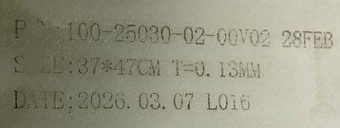 | 1 | 145 |  |  |  |  |  | 0.6 |  | 37*47*2CM | SMT | NO
Stencil | 钢网 | Shenzhen Changke Excellence Technology Co., LTD | USRID-16(19006) | 100-19006-01-02 |  |  | 钢/铝 |  |  | 2026.03.10 | China | NEW |  | 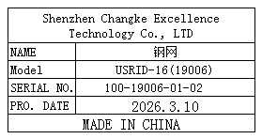 | 1 | 270 |  |  | K4 | 1 | 2.5 | 1 | 70x60x60 | 55*65*2CM | SMT | NO
Stencil | 钢网 | Shenzhen Changke Excellence Technology Co., LTD | UHADO-16(19001) | 100-19001-01-01 |  |  | 钢/铝 |  |  | 2026.03.10 | China | NEW |  | 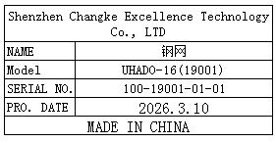 | 1 | 270 |  |  |  |  |  | 1 |  | 55*65*2CM | SMT | NO
Board division main board fixture | 分板主板治具 | Techsen Electronics(ShenZhen)Co.,Ltd | BOP IT BLUEY | BOP IT BLUEY F01 |  |  | 电木/铝 |  |  | 2026-03-09 | CHINA | NEW | 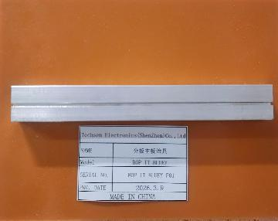 | 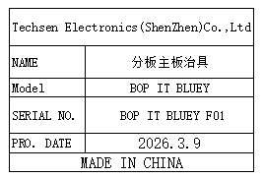 | 1 | 50 |  |  | K5 | 1 | 12 | 0.29 | 55x37x20 | 18x14x1.6 | Production Assemble | NO
Assemble the button screw fixture | 组装按钮打螺丝 治具 | Techsen Electronics(ShenZhen)Co.,Ltd | BOP IT BLUEY | BOP IT BLUEY F02 |  |  | 电木 |  |  | 2026-03-09 | CHINA | NEW | 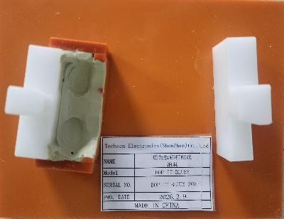 | 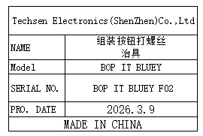 | 2 | 50 |  |  |  |  |  | 0.64 |  | 18x14x3.5 | Production Assemble | NO
Welding horn wire fixture | 焊喇叭线治具 | Techsen Electronics(ShenZhen)Co.,Ltd | BOP IT BLUEY | BOP IT BLUEY F03 |  |  | 电木 |  |  | 2026-03-09 | CHINA | NEW | 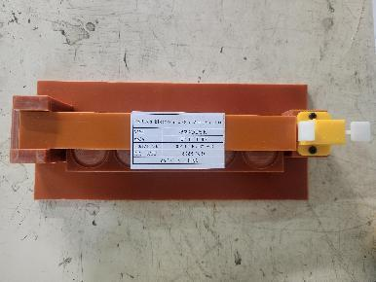 | 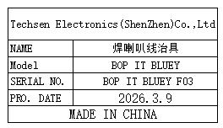 | 1 | 50 |  |  |  |  |  | 0.5 |  | 23x10x4.5 | Production Assemble | NO
Screwdriver fixture for horn cover screws | 打喇叭盖螺丝治具 | Techsen Electronics(ShenZhen)Co.,Ltd | BOP IT BLUEY | BOP IT BLUEY F04 |  |  | 电木 |  |  | 2026-03-09 | CHINA | NEW | 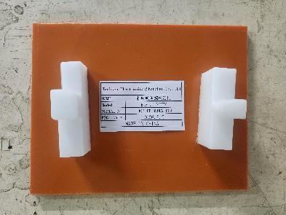 | 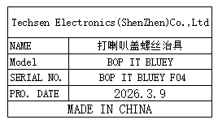 | 2 | 50 |  |  |  |  |  | 0.56 |  | 18x14x5 | Production Assemble | NO
Beer nut fixture | 啤螺母治具 | Techsen Electronics(ShenZhen)Co.,Ltd | BOP IT BLUEY | BOP IT BLUEY F05 |  |  | 电木 |  |  | 2026-03-09 | CHINA | NEW | 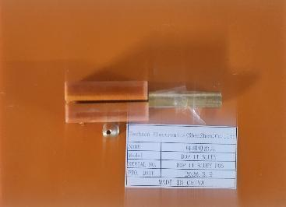 | 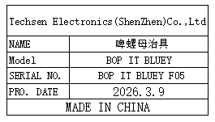 | 1 | 50 |  |  |  |  |  | 0.25 |  | 18x14x2.5 | Production Assemble | NO
Beer battery cell fixture | 啤电池片治具 | Techsen Electronics(ShenZhen)Co.,Ltd | BOP IT BLUEY | BOP IT BLUEY F06 |  |  | 铁 |  |  | 2026-03-09 | CHINA | NEW |  | 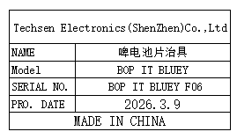 | 1 | 300 |  |  |  |  |  | 3.2 |  | 16x8x22 | Production Assemble | NO
Use the left-hand screw fixture | 打左手螺丝治具 | Techsen Electronics(ShenZhen)Co.,Ltd | BOP IT BLUEY | BOP IT BLUEY F07 |  |  | 电木 |  |  | 2026-03-09 | CHINA | NEW | 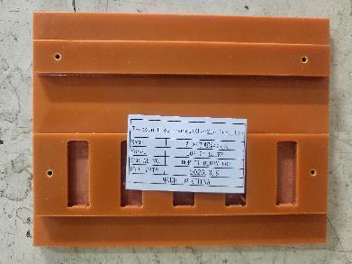 | 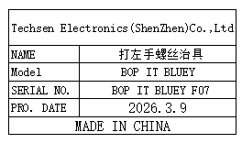 | 2 | 50 |  |  |  |  |  | 0.56 |  | 18x14x1 | Production Assemble | NO
Tail screw fixture | 打尾巴内螺丝治具 | Techsen Electronics(ShenZhen)Co.,Ltd | BOP IT BLUEY | BOP IT BLUEY F08 |  |  | 电木 |  |  | 2026-03-09 | CHINA | NEW | 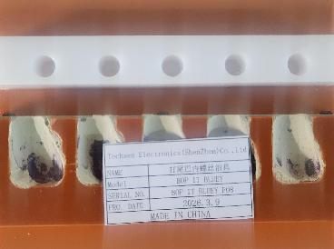 | 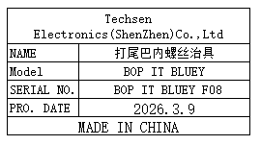 | 2 | 50 |  |  |  |  |  | 1.06 |  | 18x14x2.5 | Production Assemble | NO
Tail screw fixture | 打尾巴外螺丝治具 | Techsen Electronics(ShenZhen)Co.,Ltd | BOP IT BLUEY | BOP IT BLUEY F09 |  |  | 电木 |  |  | 2026-03-09 | CHINA | NEW | 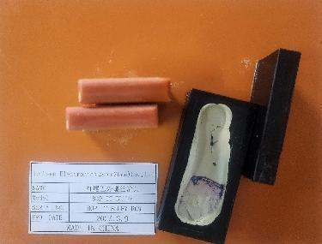 | 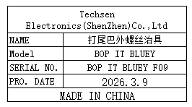 | 1 | 50 |  |  |  |  |  | 0.31 |  | 18x14x4 | Production Assemble | NO
Weld the BAT lead fixture | 焊接BAT引线治具 | Techsen Electronics(ShenZhen)Co.,Ltd | BOP IT BLUEY | BOP IT BLUEY F10 |  |  | 电木 |  |  | 2026-03-09 | CHINA | NEW | 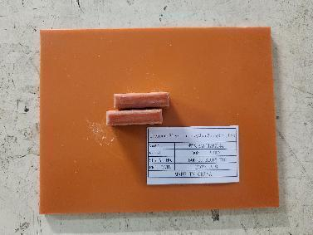 | 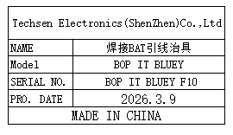 | 1 | 50 |  |  |  |  |  | 0.22 |  | 18x14x2.5 | Production Assemble | NO
The screw machine is used to produce finished screw fixtures | 螺丝机打成品螺丝 治具 | Techsen Electronics(ShenZhen)Co.,Ltd | BOP IT BLUEY | BOP IT BLUEY F11 |  |  | 电木 |  |  | 2026-03-09 | CHINA | NEW | 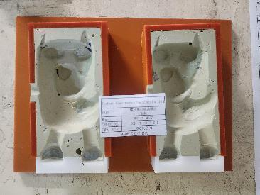 | 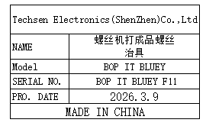 | 2 | 50 |  |  |  |  |  | 0.58 |  | 26x18.5x4 | Production Assemble | NO
Battery door screw fixture | 打电池门螺丝治具 | Techsen Electronics(ShenZhen)Co.,Ltd | BOP IT BLUEY | BOP IT BLUEY F12 |  |  | 电木 |  |  | 2026-03-09 | CHINA | NEW | 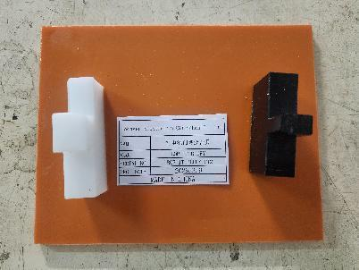 | 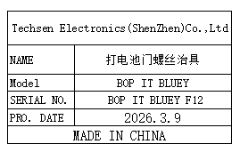 | 1 | 50 |  |  |  |  |  | 0.28 |  | 18x14x5 | Production Assemble | NO
Use the console date fixture | 打主机日期治具 | Techsen Electronics(ShenZhen)Co.,Ltd | BOP IT BLUEY | BOP IT BLUEY F13 |  |  | 电木 |  |  | 2026-03-09 | CHINA | NEW | 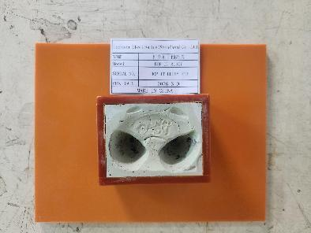 | 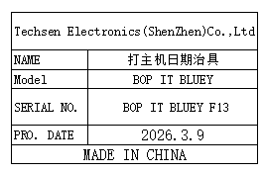 | 1 | 50 |  |  |  |  |  | 0.39 |  | 18x14x4 | Production Assemble | NO
Use a body tie fixture | 打身部扎带治具 | Techsen Electronics(ShenZhen)Co.,Ltd | BOP IT BLUEY | BOP IT BLUEY F14 |  |  | 电木 |  |  | 2026-03-09 | CHINA | NEW | 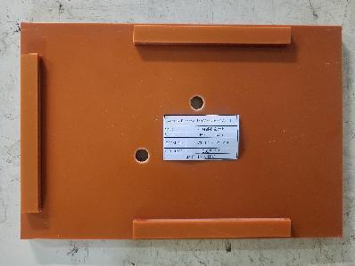 | 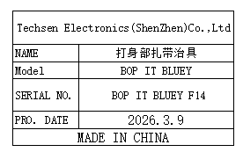 | 1 | 50 |  |  |  |  |  | 0.86 |  | 30x20x2.5 | Production Assemble | NO
Use the hand to leg tie fixture | 打手部到腿部扎带 治具 | Techsen Electronics(ShenZhen)Co.,Ltd | BOP IT BLUEY | BOP IT BLUEY F15 |  |  | 电木 |  |  | 2026-03-09 | CHINA | NEW | 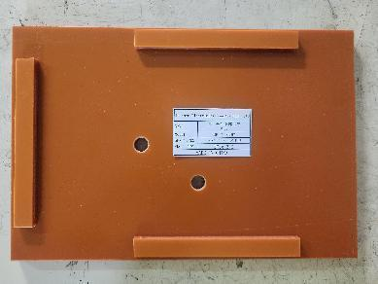 | 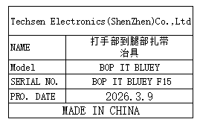 | 1 | 50 |  |  |  |  |  | 0.86 |  | 30x20x2.5 | Production Assemble | NO
Calibration fixture | 校对治具 | Techsen Electronics(ShenZhen)Co.,Ltd | Monopoly 2016 |  |  |  | 塑料 |  |  | 2026-03-09 | CHINA | NEW | 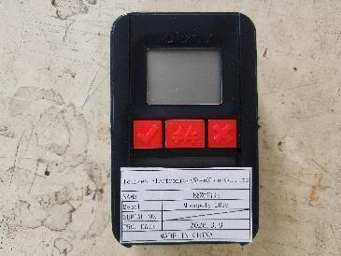 | 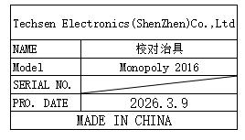 | 1 | 100 |  |  |  |  |  | 0.15 |  | 12x8x3 | Production Assemble | NO
Functional test stand fixture | 功能测试架 治具 | Techsen Electronics(ShenZhen)Co.,Ltd | BOP IT BLUEY | BOP IT BLUEY J01 |  |  | 电木 | 220V | 5W | 2026-03-09 | CHINA | NEW | 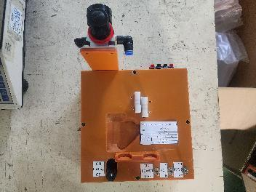 | 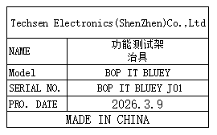 | 4 | 300 |  |  | K6 | 1 | 8.9 | 7.92 | 40x30x30 | 20x20x16 | Production Assemble | NO
Weld the J3 key lead fixture | 焊J3按键引线治具 | Techsen Electronics(ShenZhen)Co.,Ltd | BOP IT NFL P1 | BOP IT NFL P1-F01 |  |  | 电木/铝 |  |  | 2026-03-09 | CHINA | NEW | 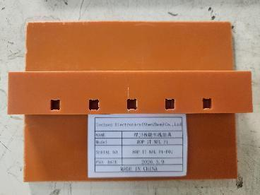 | 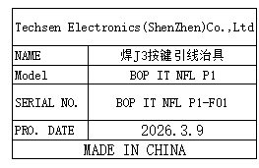 | 1 | 50 |  |  | K7 | 1 | 16 | 0.2 | 55x37x20 | 16x12x2.5 | Production Assemble | NO
Weld the J2 key lead fixture | 焊J2按键引线治具 | Techsen Electronics(ShenZhen)Co.,Ltd | BOP IT NFL P1 | BOP IT NFL P1-F02 |  |  | 电木 |  |  | 2026-03-09 | CHINA | NEW | 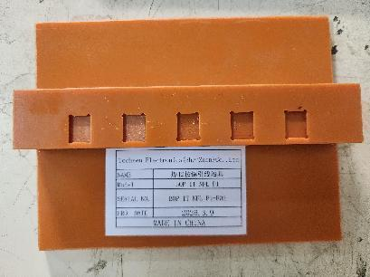 | 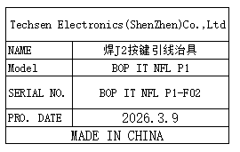 | 1 | 50 |  |  |  |  |  | 0.2 |  | 16x12x2.5 | Production Assemble | NO
Board division main board fixture | 分板主板治具 | Techsen Electronics(ShenZhen)Co.,Ltd | BOP IT NFL P1 | BOP IT NFL P1-F03 |  |  | 电木 |  |  | 2026-03-09 | CHINA | NEW | 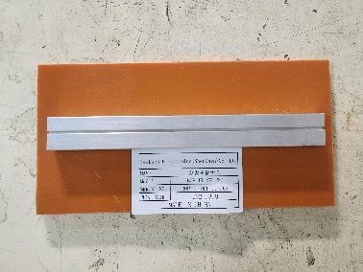 | 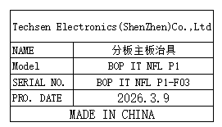 | 1 | 50 |  |  |  |  |  | 0.3 |  | 20x10x2 | Production Assemble | NO
The J3 key plate fixture is divided | 分J3按键板治具 | Techsen Electronics(ShenZhen)Co.,Ltd | BOP IT NFL P1 | BOP IT NFL P1-F04 |  |  | 电木 |  |  | 2026-03-09 | CHINA | NEW | 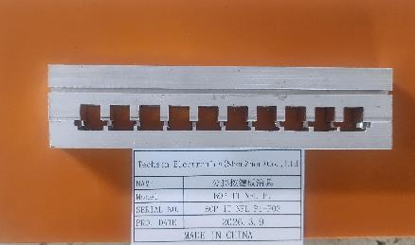 | 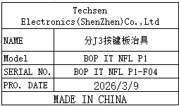 | 1 | 50 |  |  |  |  |  | 0.2 |  | 19x10x2 | Production Assemble | NO
The J2 key plate fixture is divided | 分J2按键板治具 | Techsen Electronics(ShenZhen)Co.,Ltd | BOP IT NFL P1 | BOP IT NFL P1-F05 |  |  | 电木 |  |  | 2026-03-09 | CHINA | NEW | 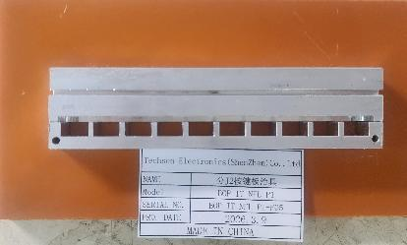 | 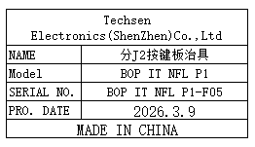 | 1 | 50 |  |  |  |  |  | 0.2 |  | 18x9x2 | Production Assemble | NO
Welding horn wire fixture | 焊喇叭线治具 | Techsen Electronics(ShenZhen)Co.,Ltd | BOP IT NFL P1 | BOP IT NFL P1-F06 |  |  | 铁 |  |  | 2026-03-09 | CHINA | NEW | 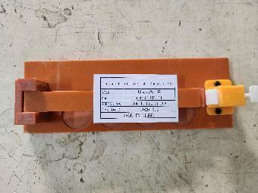 | 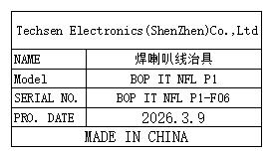 | 1 | 50 |  |  |  |  |  | 0.2 |  | 20x7x3.5 | Production Assemble | NO
Beer nut fixture | 啤螺母治具 | Techsen Electronics(ShenZhen)Co.,Ltd | BOP IT NFL P1 | BOP IT NFL P1-F07 |  |  | 电木 |  |  | 2026-03-09 | CHINA | NEW |  |  | 1 | 50 |  |  |  |  |  | 0.2 |  | 16.5x12x2.5 | Production Assemble | NO
Beer battery cell fixture | 啤电池片治具 | Techsen Electronics(ShenZhen)Co.,Ltd | BOP IT NFL P1 | BOP IT NFL P1-F08 |  |  | 电木 |  |  | 2026-03-09 | CHINA | NEW |  |  | 1 | 300 |  |  |  |  |  | 3.2 |  | 18x14x1 | Production Assemble | NO
Welding BAT wires, horn/motherboard screw fixtures | 焊接BAT线、打喇叭 /主板螺丝治具 | Techsen Electronics(ShenZhen)Co.,Ltd | BOP IT NFL P1 | BOP IT NFL P1-F09 |  |  | 电木 |  |  | 2026-03-09 | CHINA | NEW |  |  | 3 | 50 |  |  |  |  |  | 0.6 |  | 16x12x2 | Production Assemble | NO
Assemble the button screw fixture | 组装按钮打螺丝治具 | Techsen Electronics(ShenZhen)Co.,Ltd | BOP IT NFL P1 | BOP IT NFL P1-F12 |  |  | 电木 |  |  | 2026-03-09 | CHINA | NEW |  |  | 1 | 50 |  |  |  |  |  | 0.4 |  | 16x12x11 | Production Assemble | NO
Assemble the left hand and the screwdriver fixture | 组装左手及打螺丝 治具 | Techsen Electronics(ShenZhen)Co.,Ltd | BOP IT NFL P1 | BOP IT NFL P1-F13 |  |  | 电木 |  |  | 2026-03-09 | CHINA | NEW |  |  | 1 | 50 |  |  |  |  |  | 0.2 |  | 16x12x3 | Production Assemble | NO
Assemble the ball fixture | 组装球治具 | Techsen Electronics(ShenZhen)Co.,Ltd | BOP IT NFL P1 | BOP IT NFL P1-F14 |  |  | 电木 |  |  | 2026-03-09 | CHINA | NEW |  后补 |  | 1set (2支架+3底模) | 50 |  |  |  |  |  | 2.5 |  | 25x15x25 | Production Assemble | NO
Drill the finished screw fixture | 打成品螺丝 治具 | Techsen Electronics(ShenZhen)Co.,Ltd | BOP IT NFL P1 | BOP IT NFL P1-F15 |  |  | 电木 |  |  | 2026-03-09 | CHINA | NEW |  |  | 3 | 50 |  |  |  |  |  | 3.5 |  | 14x15x3.5 | Production Assemble | NO
Helmet screw fixture | 打头盔螺丝治具 | Techsen Electronics(ShenZhen)Co.,Ltd | BOP IT NFL P1 | BOP IT NFL P1-F16 |  |  | 塑料 |  |  | 2026-03-09 | CHINA | NEW |  |  | 1 | 50 |  |  |  |  |  | 0.59 |  | 14x15x3.5 | Production Assemble | NO
Use leg/date screw fixtures | 打腿部/日期螺丝 治具 | Techsen Electronics(ShenZhen)Co.,Ltd | BOP IT NFL P1 | BOP IT NFL P1-F17 |  |  | 铁 |  |  | 2026-03-09 | CHINA | NEW |  |  | 2 | 50 |  |  |  |  |  | 0.8 |  | 16x13x18 | Production Assemble | NO
Battery door screw fixture | 打电池门螺丝治具 | Techsen Electronics(ShenZhen)Co.,Ltd | BOP IT NFL P1 | BOP IT NFL P1-F20 |  |  | 电木 |  |  | 2026-03-09 | CHINA | NEW |  |  | 1 | 50 |  |  |  |  |  | 0.6 |  | 16x13x18 | Production Assemble | NO
Lumbar brace | 扎腰治具 | Techsen Electronics(ShenZhen)Co.,Ltd | BOP IT NFL P1 | BOP IT NFL P1-F22 |  |  | 电木 |  |  | 2026-03-09 | CHINA | NEW |  |  | 1 | 50 |  |  |  |  |  | 0.6 |  | 30x19x25 | Production Assemble | NO
Hand prick fixture | 扎手治具 | Techsen Electronics(ShenZhen)Co.,Ltd | BOP IT NFL P1 | BOP IT NFL P1-F23 |  |  | 电木 |  |  | 2026-03-09 | CHINA | NEW |  |  | 1 | 50 |  |  |  |  |  | 0.6 |  | 30x19x25 | Production Assemble | NO
Foot prick fixture | 扎脚治具 | Techsen Electronics(ShenZhen)Co.,Ltd | BOP IT NFL P1 | BOP IT NFL P1-F24 |  |  | 电木 |  |  | 2026-03-09 | CHINA | NEW |  |  | 1 | 50 |  |  |  |  |  | 0.6 |  | 30x19x25 | Production Assemble | NO
Functional test stand fixture | 功能测试架 治具 | Techsen Electronics(ShenZhen)Co.,Ltd | BOP IT NFL P1 | BOP IT BLUEY J01 |  |  | 电木 | 220V | 5W | 2026-03-09 | CHINA | NEW |  |  | 5 | 300 |  |  | K8 | 1 | 10.9 | 9.9 | 56x40x24 | 20x20x16 | Production Assemble | YES

