listing
1) ENGLISH ITEM NAME (ex : OOOO machine) | 2)中文名称 | 3) MANUFACTUROR (ex : OOO company) | 4) MODEL NO (ex : abc-123) | 5)Serial number | 6)CN hs code | 7)VN hs code | 8)Material | 9) VOLTAGE (ex : 220V) | 10) CAPACITY (ex :1200KW) | 11) Manufacture date (yyyy-mm-dd) | 12) ORIGIN | 13) NEW or USED | 14) PICTURE (BEFORE PACKING) | 15) PICTURE (NAME PLATE or label) | 16)Quantity | 17)cost(RMB 13%VAT) | 18)cost(USD) | 19)Total cost(USD) | 20)CARTON NO. | 21)CTN QTY | 22)G.W(KGS) | 23)N.W(KGS) | 24)Package Size(CM) | 25)Part size(CM) | 26)应用范围 | 27)是否带电源
Nozzle | 吸嘴 | Shenzhen Daxing general Technology Co., LTD | P051 |  |  |  | 五金+塑胶 |  |  | 2026.05.30 | China | NEW | 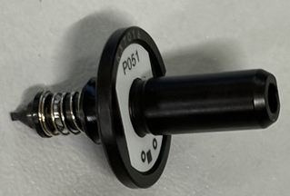 | 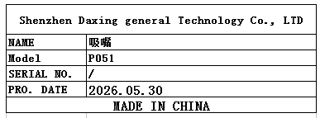 | 10 | 2034*1 |  |  | Y7 | 1 | 1.8 | 0.0034*1 | 28*23*22 | 2.5*1.5*1.5 | SMT | NO
SMT Printing Net | SMT印刷网 | Shenzhen Yansheng Xinyuan Technology Co., Ltd. | GX-1 MAIN A | 100-23008-01-01 |  |  | 钢/铝 |  |  | 2026.06.23 | China | NEW | 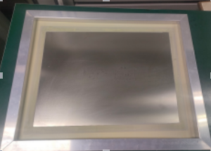 | 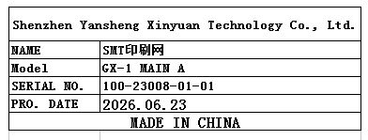 | 1 | 270 |  |  | Y8 | 1 | 3 | 1 | 57*67*9CM | 55*65*3CM | SMT | NO
SMT Printing Net | SMT印刷网 | Shenzhen Yansheng Xinyuan Technology Co., Ltd. | GX-1 MAIN B | 100-23008-01-01 |  |  | 钢/铝 |  |  | 2026.06.23 | China | NEW |  |  | 1 | 270 |  |  |  |  |  | 1 |  | 55*65*3CM | SMT | NO
Pneumatic hot press | 恒温热压机 | Shenzhen Xinghangshun Technology Co., LTD | XHS-R07 | / |  |  | 铁/电子零件 |  |  | 2026-06-30 | CHINA | NEW |  | 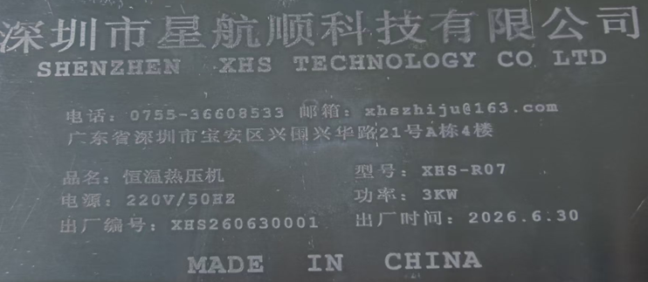 | 1 | / |  |  | Y9 | 1 |  | 140 | 打木箱 | 80*60x173 | Production Assemble | NO

