Sheet1
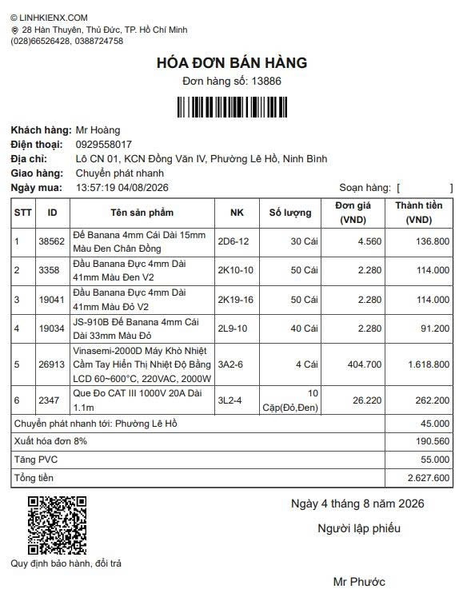
No. | Item Description | Qty | Unit Price (VND) | Total Amount (VND)
1 | 4mm Female Banana Jack Socket, Long 15mm, Black Color, Brass Terminal | 30 Pcs | 4,560 | 136,800 | 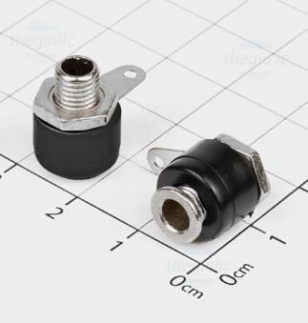
2 | 4mm Male Banana Plug, Long 41mm, Black Color V2 | 50 Pcs | 2,280 | 114,000 | 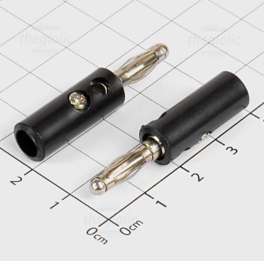
3 | 4mm Male Banana Plug, Long 41mm, Red Color V2 | 50 Pcs | 2,280 | 114,000 | 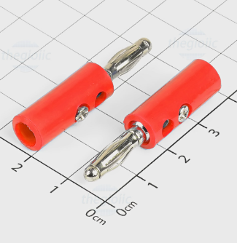
4 | JS-910B 4mm Female Banana Jack Binding Post, Long 33mm, Red Color | 40 Pcs | 2,280 | 91,200 | 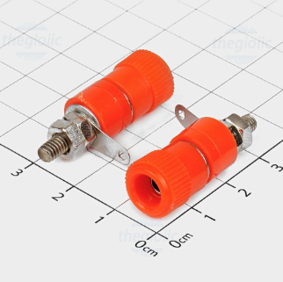
5 | Vinasemi-2000D Handheld Heat Gun with LCD Temperature Display (60~600°C, 220VAC, 2000W) | 4 Pcs | 404,700 | 1,618,800 | 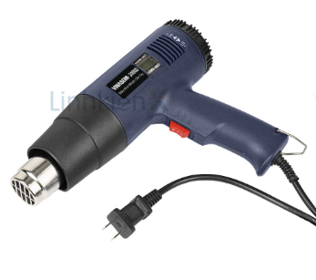
6 | Multimeter Test Leads CAT III 1000V 20A, Length 1.1m | 10 Pairs (Red, Black) | 26,220 | 262,200 | 