Sheet1
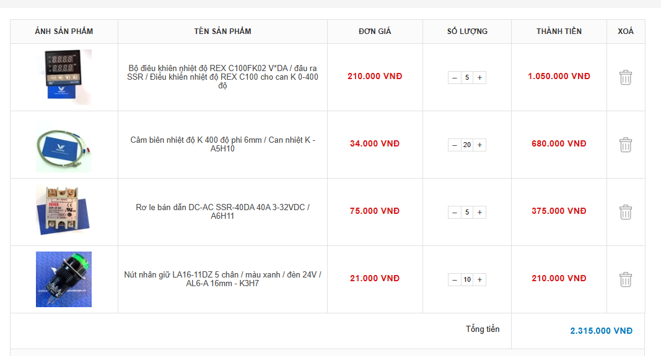
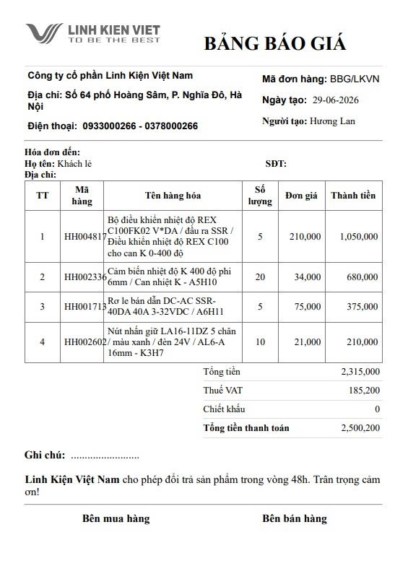

REX-C100FK02-V*DA Temperature Controller (SSR Output, K-Type Thermocouple Input, 0-400°C
Thermocouple Sensor, 0-400°C, Ø6mm / K-A5H10
Rơ le bán dẫn DC-AC SSR-40DA 40A 3-32VDC / A6H11
LA16-11DZ Maintained Push Button Switch, 5 Pins, Green, 24V Indicator Lamp, 16mm / AL6-A K3H7

