BUS
## BUSDATA
NO | NAME | kV | FLAG | PLOAD[kw] | QLOAD[kvar] | Qshunt[kvar] | FLAG3 | Vscheduled[pu] | QgenMax[kvar] | QgenMin[kvar] | CODE
1 | 0 | 22 |  | 0 | 0 | 0 |  | 0.0 | 3 | -9999 | 3
2 | 1 | 22 |  | 0 | 0 | 0 |  | 0
3 | 6 | 22 |  | 0 | 0 | 0 |  | 0
4 | 8 | 22 |  | 0 | 0 | 0 |  | 0
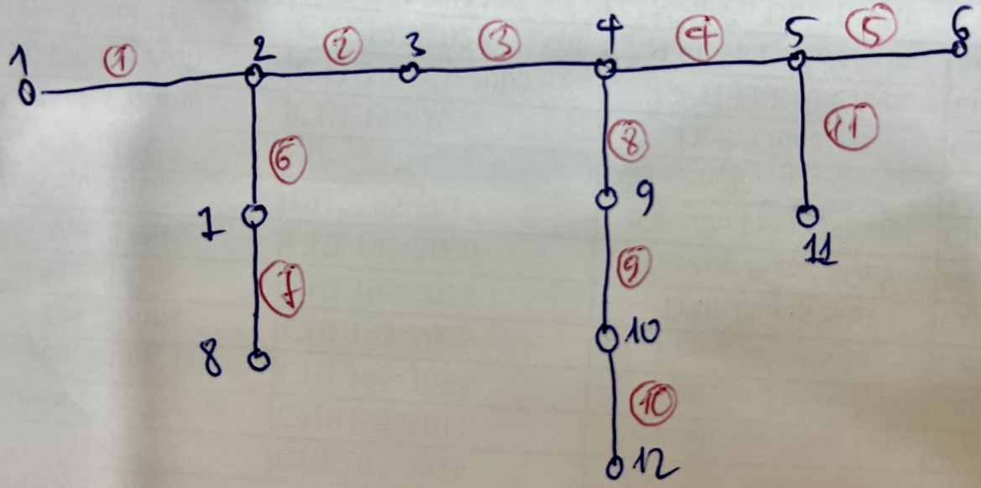
5 | 12 | 22 |  | 0 | 0 | 0 |  | 0
6 | 14 | 22 |  | 0 | 0 | 0 |  | 0.0
7 | 16 | 22 |  | 0 | 0 | 0 |  | 0
9 | 3 | 22 |  | 0 | 0 | 0 |  | 0
10 | 5 | 22 |  | 0.584 | 0.44 | 0 |  | 0 |  |  | 1
11 | 4 | 22 |  | 0.388 | 0.382 | 0.2 |  | 0.2 |  |  | 1
12 | 2 | 22 |  | 0.47 | 0.446 | 0 |  | 0 |  |  | 1
13 | 7 | 22 |  | 0.668 | 0.642 | 0 |  | 0 |  |  | 1
14 | 9 | 22 |  | 0 | 0 | 0 |  | 0
15 | 10 | 22 |  | 0.702 | 0.626 | 0 |  | 0 |  |  | 1
16 | 11 | 22 |  | 0.442 | 0.426 | 0 |  | 0 |  |  | 1
17 | 13 | 22 |  | 0.328 | 0.242 | 0.2 |  | 0.2 |  |  | 1
19 | 15 | 22 |  | 1.518 | 1.424 | 0 |  | 0 |  |  | 1
21 | 17 | 22 |  | 0.45 | 0.444 | 0 |  | 0 |  |  | 1

LINE
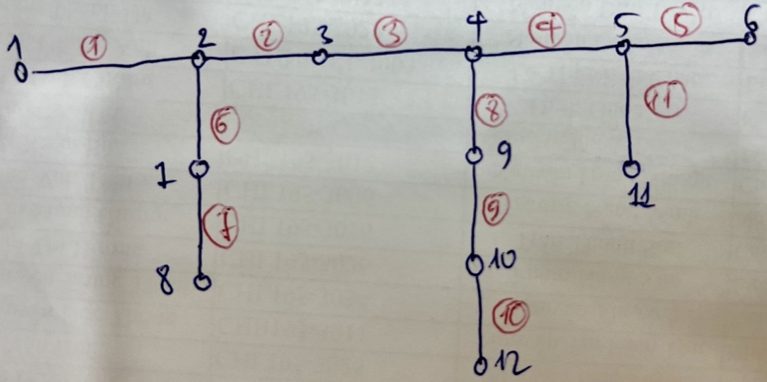
## LINEDATA |  |  |  |  | s | 0.21
NO | FROMBUS | TOBUS | FLAG | FLAG3 | LENGTH | R(Ohm) | X(Ohm) | B(microSiemens) | RATEA[A] | psse
2 | 1 | 2 |  |  | 1 | 0.42 | 0.395
3 | 2 | 3 |  |  | 0.96 | 0.42 | 0.395
4 | 3 | 4 |  |  | 1.2 | 0.42 | 0.395
5 | 4 | 5 |  |  | 1.02 | 0.42 | 0.395
6 | 5 | 6 |  |  | 0.96 | 0.42 | 0.395
7 | 6 | 7 |  |  | 0.99 | 0.42 | 0.395
8 | 2 | 12 |  |  | 0.9 | 0.59 | 0.405
9 | 3 | 13 |  |  | 1.02 | 0.59 | 0.405
10 | 17 | 5 |  |  | 1.35 | 0.59 | 0.405
11 | 19 | 6 |  |  | 1.2 | 0.59 | 0.405
12 | 21 | 7 |  |  | 0.9 | 0.59 | 0.405
13 | 4 | 14 |  |  | 1.29 | 0.59 | 0.405
14 | 16 | 14 |  |  | 0.81 | 0.59 | 0.405
15 | 14 | 15 |  |  | 0.705 | 0.59 | 0.405
16 | 9 | 2 |  |  | 0.75 | 0.59 | 0.405
17 | 9 | 10 |  |  | 0.48 | 0.59 | 0.405
18 | 9 | 11 |  |  | 0.905 | 0.59 | 0.405

