SETTING
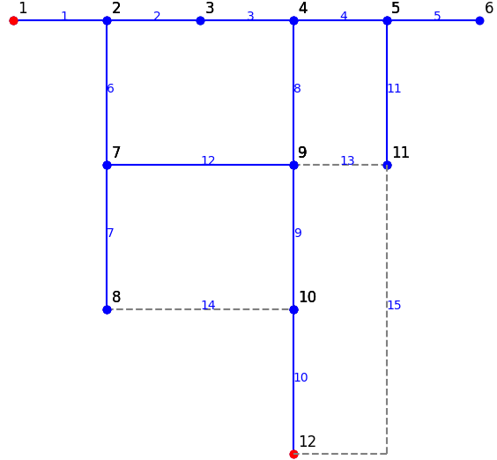
## SETTING
## RECLOSEROPTIMISATION: K_number and K_power, default=1
Recloser_number | K_number | K_power
1 | 1 | 1
## BRANCHING
RateMax[%] | Umax[pu] | Umin[pu] | cosPhiP | cosPhiN
100,1e3 | 1.1,1e4 | 0.9,1e4 | 0.85,1e4 | -0.95,1e4

## POWERFLOW
Algo_PF | option_PSM | option_GS | option_NR
PSM | 50,1e-5 | 50,1e-5 | 50,1e-5

