Design
CLASS

BasicClass
Technical Analysis
Signal
Signal

Symbol
AnalysisResult

Account
SupportResistanceZone
Utils
Bar
common
Order

Candlestick
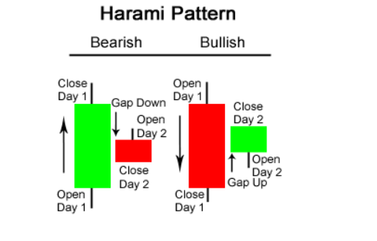
x | Define | Code
Undefined | x | x
Hammer - Bullish | x | x
Hanging Man - Bearish | x | x
Shooting Star - Bearish | x | x
Inverted Hammer - Bullish | x | x
Morning Star - Bullish |  |  | bar_check_morning_evening_star
Evening Star - Bearish
Marubozu White - Bullish | x | x
Marubozu Black - Bearish | x | x
Doji | x | x
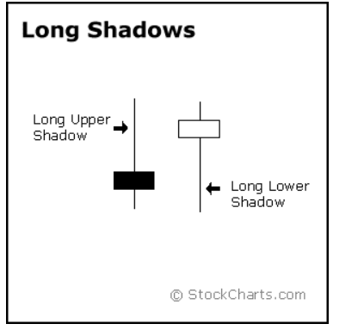
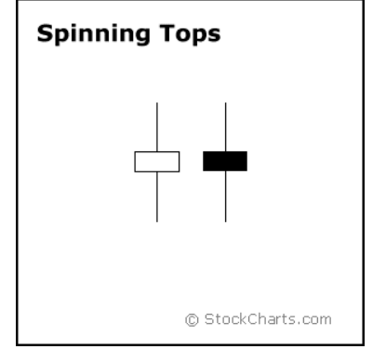
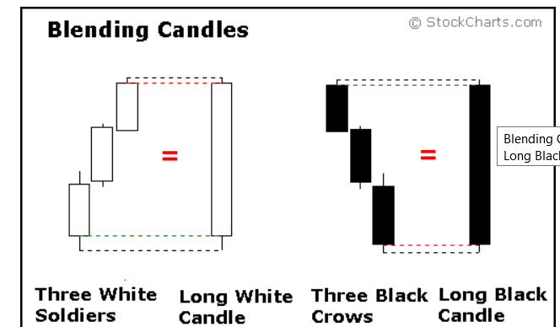
Gravestone Doji - Bearish | x | x
Dragonfly Doji - Bullish | x | x
Harami - Bullish |  |  | bar_check_harami
Harami - Bearish
Long Lower Shadow - Bullish |  |  | bar_check_long_shadow
Long Upper Shadow - Bearish
Spinning Top White |  |  | bar_check_spinning_top
Spinning Top Black
Three White Soldiers - Bullish |  |  | bar_check_three_white_soldiers_black_crows
Three Black Crows - Bearish
Engulfing - Bullish | x | x
Engulfing - Bearish | x | x
Abandoned Baby - Bullish |  |  | bar_check_abandoned_baby
Abandoned Baby - Bearish
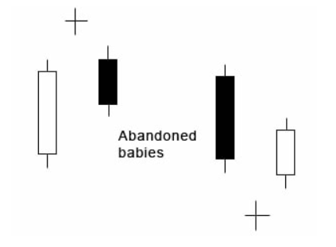
Tri-Star - Bullish |  |  | bar_check_tri_star
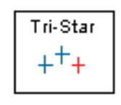
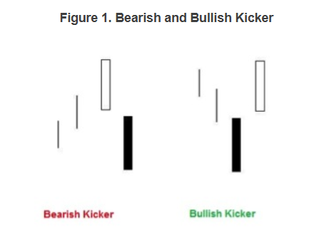
Tri-Star - Bearish
Kicking - Bullish |  |  | bar_check_kicking
Kicking - Bearish
Engulfing - Bullish - Confirmed | x | x
Engulfing - Bearish - Confirmed | x | x

Hammer - Bullish
Hanging Man - Bearish
 |  |  |  |  | upper_shadow_ |  | < | 3
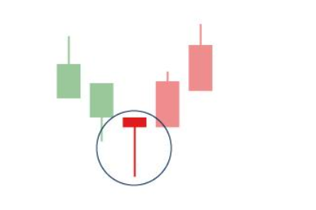
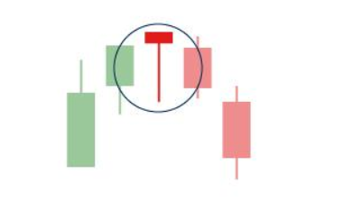
 |  |  |  |  | body_ | 3 | < | 17

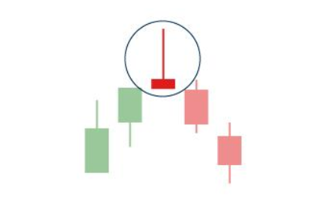
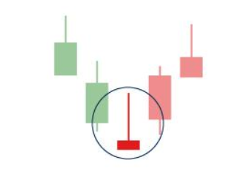
Inverted Hammer - Bullish
Shooting Star - Bearish
 |  |  |  |  | lower_shadow_ |  | < | 3
 |  |  |  |  | body_ | 3 | < | 17

Morning Star - Bullish
Evening Star - Bearish

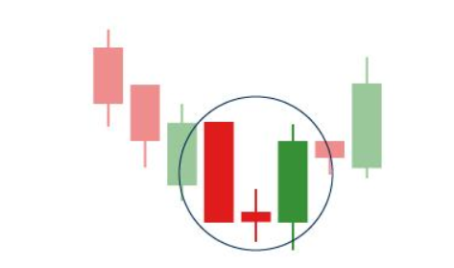
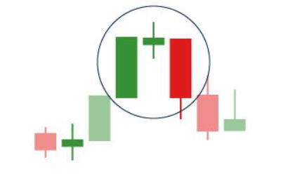

Marubozu White - Bullish
Marubozu Black - Bearish
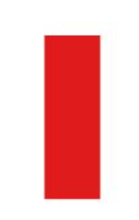


 |  |  |  |  | body_ |  | = | 100

Doji
Gravestone Doji - Bearish
Dragonfly Doji - Bullish
 |  |  |  | Doji
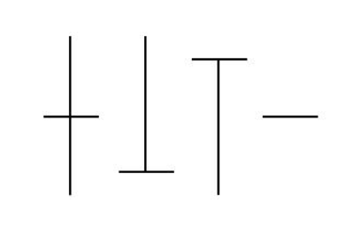
 |  |  |  |  | lower_shadow_ |  | > | 45
 |  |  |  |  | body_ |  | < | 2
 |  |  |  |  | upper_shadow_ |  | > | 45

 |  |  |  | Gravestone Doji - Bearish
 |  |  |  |  | lower_shadow_ |  | < | 2
 |  |  |  |  | body_ |  | < | 2

 |  |  |  | Dragonfly Doji - Bullish
 |  |  |  |  | body_ |  | < | 2
 |  |  |  |  | upper_shadow_ |  | < | 2

Symbol
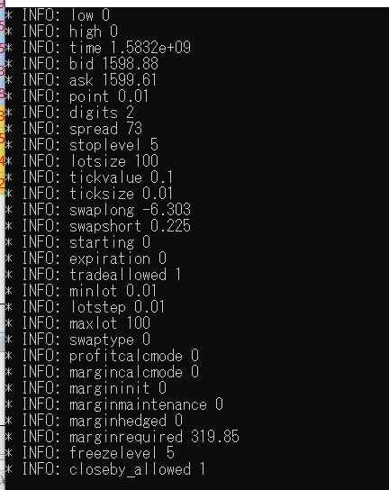
https://docs.mql4.com/constants/environment_state/marketinfoconstants |  |  | constructor |  | init_symbol
 | LPWSTR | name | const LPWSTR name, | name_ = name; | wcout << "* INFO: name " << symbol_.name_ << endl;
 | double | low | const double low, | low_ = low; | wcout << "* INFO: low " << symbol_.low_ << endl;
 | double | high | const double high, | high_ = high; | wcout << "* INFO: high " << symbol_.high_ << endl;
 | double | time | const double time, | time_ = time; | wcout << "* INFO: time " << symbol_.time_ << endl;
 | double | bid | const double bid, | bid_ = bid; | wcout << "* INFO: bid " << symbol_.bid_ << endl;
 | double | ask | const double ask, | ask_ = ask; | wcout << "* INFO: ask " << symbol_.ask_ << endl;
 | double | point | const double point, | point_ = point; | wcout << "* INFO: point " << symbol_.point_ << endl;
 | int | digits | const int digits, | digits_ = digits; | wcout << "* INFO: digits " << symbol_.digits_ << endl;
 | double | spread | const double spread, | spread_ = spread; | wcout << "* INFO: spread " << symbol_.spread_ << endl;
 | int | stoplevel | const int stoplevel, | stoplevel_ = stoplevel; | wcout << "* INFO: stoplevel " << symbol_.stoplevel_ << endl;
 | double | lotsize | const double lotsize, | lotsize_ = lotsize; | wcout << "* INFO: lotsize " << symbol_.lotsize_ << endl;
 | double | tickvalue | const double tickvalue, | tickvalue_ = tickvalue; | wcout << "* INFO: tickvalue " << symbol_.tickvalue_ << endl;
 | double | ticksize | const double ticksize, | ticksize_ = ticksize; | wcout << "* INFO: ticksize " << symbol_.ticksize_ << endl;
 | double | swaplong | const double swaplong, | swaplong_ = swaplong; | wcout << "* INFO: swaplong " << symbol_.swaplong_ << endl;
 | double | swapshort | const double swapshort, | swapshort_ = swapshort; | wcout << "* INFO: swapshort " << symbol_.swapshort_ << endl;
 | double | starting | const double starting, | starting_ = starting; | wcout << "* INFO: starting " << symbol_.starting_ << endl;
 | double | expiration | const double expiration, | expiration_ = expiration; | wcout << "* INFO: expiration " << symbol_.expiration_ << endl;
 | int | tradeallowed | const int tradeallowed, | tradeallowed_ = tradeallowed; | wcout << "* INFO: tradeallowed " << symbol_.tradeallowed_ << endl;
 | double | minlot | const double minlot, | minlot_ = minlot; | wcout << "* INFO: minlot " << symbol_.minlot_ << endl;
 | double | lotstep | const double lotstep, | lotstep_ = lotstep; | wcout << "* INFO: lotstep " << symbol_.lotstep_ << endl;
 | double | maxlot | const double maxlot, | maxlot_ = maxlot; | wcout << "* INFO: maxlot " << symbol_.maxlot_ << endl;
 | int | swaptype | const int swaptype, | swaptype_ = swaptype; | wcout << "* INFO: swaptype " << symbol_.swaptype_ << endl;
 | int | profitcalcmode | const int profitcalcmode, | profitcalcmode_ = profitcalcmode; | wcout << "* INFO: profitcalcmode " << symbol_.profitcalcmode_ << endl;
 | int | margincalcmode | const int margincalcmode, | margincalcmode_ = margincalcmode; | wcout << "* INFO: margincalcmode " << symbol_.margincalcmode_ << endl;
 | double | margininit | const double margininit, | margininit_ = margininit; | wcout << "* INFO: margininit " << symbol_.margininit_ << endl;
 | double | marginmaintenance | const double marginmaintenance, | marginmaintenance_ = marginmaintenance; | wcout << "* INFO: marginmaintenance " << symbol_.marginmaintenance_ << endl;
 | double | marginhedged | const double marginhedged, | marginhedged_ = marginhedged; | wcout << "* INFO: marginhedged " << symbol_.marginhedged_ << endl;
 | double | marginrequired | const double marginrequired, | marginrequired_ = marginrequired; | wcout << "* INFO: marginrequired " << symbol_.marginrequired_ << endl;
 | int | freezelevel | const int freezelevel, | freezelevel_ = freezelevel; | wcout << "* INFO: freezelevel " << symbol_.freezelevel_ << endl;
 | int | closeby_allowed | const int closeby_allowed, | closeby_allowed_ = closeby_allowed; | wcout << "* INFO: closeby_allowed " << symbol_.closeby_allowed_ << endl;
 |  |  | const LPWSTR name, const double low, const double high, const double time, const double bid, const double ask, const double point, const int digits, const double spread, const int stoplevel, const double lotsize, const double tickvalue, const double ticksize, const double swaplong, const double swapshort, const double starting, const double expiration, const int tradeallowed, const double minlot, const double lotstep, const double maxlot, const int swaptype, const int profitcalcmode, const int margincalcmode, const double margininit, const double marginmaintenance, const double marginhedged, const double marginrequired, const int freezelevel, const int closeby_allowed, | name_ = name; low_ = low; high_ = high; time_ = time; bid_ = bid; ask_ = ask; point_ = point; digits_ = digits; spread_ = spread; stoplevel_ = stoplevel; lotsize_ = lotsize; tickvalue_ = tickvalue; ticksize_ = ticksize; swaplong_ = swaplong; swapshort_ = swapshort; starting_ = starting; expiration_ = expiration; tradeallowed_ = tradeallowed; minlot_ = minlot; lotstep_ = lotstep; maxlot_ = maxlot; swaptype_ = swaptype; profitcalcmode_ = profitcalcmode; margincalcmode_ = margincalcmode; margininit_ = margininit; marginmaintenance_ = marginmaintenance; marginhedged_ = marginhedged; marginrequired_ = marginrequired; freezelevel_ = freezelevel; closeby_allowed_ = closeby_allowed; | wcout << "* INFO: " << symbol_._ << endl;
 |  |  | Symbol(const LPWSTR name, const double low, const double high, const double time, const double bid, const double ask, const double point, const int digits, const double spread, const int stoplevel, const double lotsize, const double tickvalue, const double ticksize, const double swaplong, const double swapshort, const double starting, const double expiration, const int tradeallowed, const double minlot, const double lotstep, const double maxlot, const int swaptype, const int profitcalcmode, const int margincalcmode, const double margininit, const double marginmaintenance, const double marginhedged, const double marginrequired, const int freezelevel, const int closeby_allowed,) {name_ = name; low_ = low; high_ = high; time_ = time; bid_ = bid; ask_ = ask; point_ = point; digits_ = digits; spread_ = spread; stoplevel_ = stoplevel; lotsize_ = lotsize; tickvalue_ = tickvalue; ticksize_ = ticksize; swaplong_ = swaplong; swapshort_ = swapshort; starting_ = starting; expiration_ = expiration; tradeallowed_ = tradeallowed; minlot_ = minlot; lotstep_ = lotstep; maxlot_ = maxlot; swaptype_ = swaptype; profitcalcmode_ = profitcalcmode; margincalcmode_ = margincalcmode; margininit_ = margininit; marginmaintenance_ = marginmaintenance; marginhedged_ = marginhedged; marginrequired_ = marginrequired; freezelevel_ = freezelevel; closeby_allowed_ = closeby_allowed; }

DoubleCross
https://traderviet.com/threads/chien-luoc-giao-dich-don-gian-ket-hop-giua-chi-bao-macd-va-stochastic.34770/
https://www.metastock.com/customer/resources/taaz/?p=106
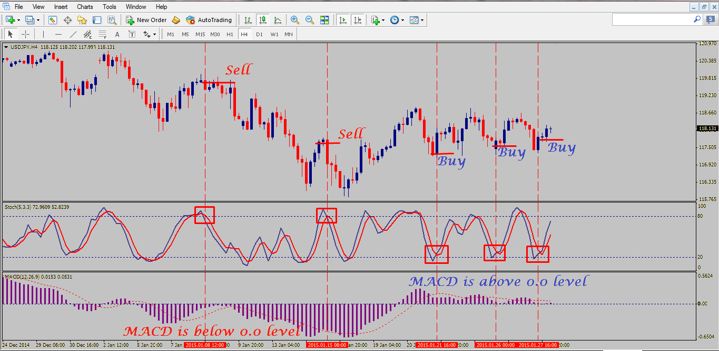

 | Signal

Double-Cross Strategy
Signal:
!BollingerBands_SIDEWAY && MACD_BUY && Stochatic_BUY
Action:
BUY_STOP:
Price: Nến trước đó-> HighPrice + 2 pips
SL: Nến trước đó-> LowPrice - (2-5) pips
TP: defaut
Signal:
!BollingerBands_SIDEWAY && MACD_SELL && Stochatic_SELL
Action:
SELL_STOP:
Price: Nến trước đó-> LowPrice - 2 pips
SL: Nến trước đó-> HighPrice + (2-5) pips
TP: defaut

MACD
https://www.metastock.com/customer/resources/taaz/?p=66

MACD ("Moving Average Convergence/Divergence")
[ID-1]
Crossovers: buy when the MACD rises above its signal line
Requirement: Mua nếu tăng 2 lần liên tục (Không tính lần hiện tại)
Main(3) < Signal(3) && Main(2) < Signal(2) && Main(1) < Signal(1)
BUY
Main : MACD = 12-Period EMA − 26-Period EMA
Signal : 9-Period EMA
[ID-1]
Crossovers: sell when the MACD falls below its signal line
Requirement: Bán nếu tăng 2 lần liên tục (Không tính lần hiện tại)
Main(3) > Signal(3) && Main(2) > Signal(2) && Main(1) > Signal(1)
SELL
[ID-3]
Overbought/Oversold indicator: When the shorter moving average pulls away dramatically from the longer moving average (i.e., the MACD rises), it is likely that the security price is overextending and will soon return to more realistic levels. MACD overbought and oversold conditions exist vary from security to security.
Requirement: TBD
[]
[ID-4]
Divergences: A bearish divergence occurs when the MACD is making new lows while prices fail to reach new lows. A bullish divergence occurs when the MACD is making new highs while prices fail to reach new highs. Both of these divergences are most significant when they occur at relatively overbought/oversold levels.
Requirement: TBD
[]

Stochastic Oscillator
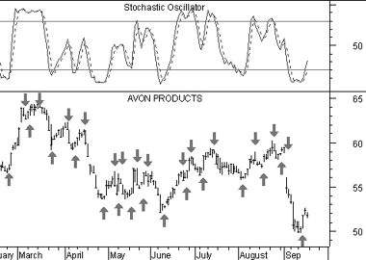
Buy when the Oscillator (either %K or %D) falls below a specific level (e.g., 20) and then rises above that level.
Sell when the Oscillator rises above a specific level (e.g., 80) and then falls below that level.
Buy when the %K line rises above the %D line.
Sell when the %K line falls below the %D line.

Stochastic Oscillator
[ID-1]
Signal: Buy when the Oscillator (either %K or %D) falls below a specific level (e.g., 20) and then rises above that level.
Requirement:
(Main(Prev) < 20 && Main > 20)
or
(Signal(Prev) < 20 && Signal > 20)
BUY
Main : %K Line
Signal : %D Line
[ID-2]
Signal: Sell when the Oscillator rises above a specific level (e.g., 80) and then falls below that level.
Requirement:
(Main(Prev) > 80 && Main < 80)
or
(Signal(Prev) > 80 && Signal < 80)
SELL
[ID-3]
Signal: Buy when the %K line rises above the %D line.
Requirement:
Main(Prev) < Signal(Prev) && Main > Signal
BUY
[ID-4]
Signal: Sell when the %K line falls below the %D line.
Requirement:
Main(Prev) > Signal(Prev) && Main < Signal
SELL

Bollinger Bands
https://www.tradingview.com/support/solutions/43000501972-bollinger-bands-width-bbw/

Bollinger Bands
[ID-1]
Bollinger Bands Width (BBW) = (Upper Band - Lower Band) / Middle Band
Thị trường đang ở SideWay nếu BBW < X
Chọn cặp X_EURUSD = 0.003
BUY
Main : %K Line
Signal : %D Line
[ID-2]
Signal: Sell when the Oscillator rises above a specific level (e.g., 80) and then falls below that level.
Requirement:
(Main(Prev) > 80 && Main < 80)
or
(Signal(Prev) > 80 && Signal < 80)
SELL
[ID-3]
Signal: Buy when the %K line rises above the %D line.
Requirement:
Main(Prev) < Signal(Prev) && Main > Signal
BUY
[ID-4]
Signal: Sell when the %K line falls below the %D line.
Requirement:
Main(Prev) > Signal(Prev) && Main < Signal
SELL

